2. Country data
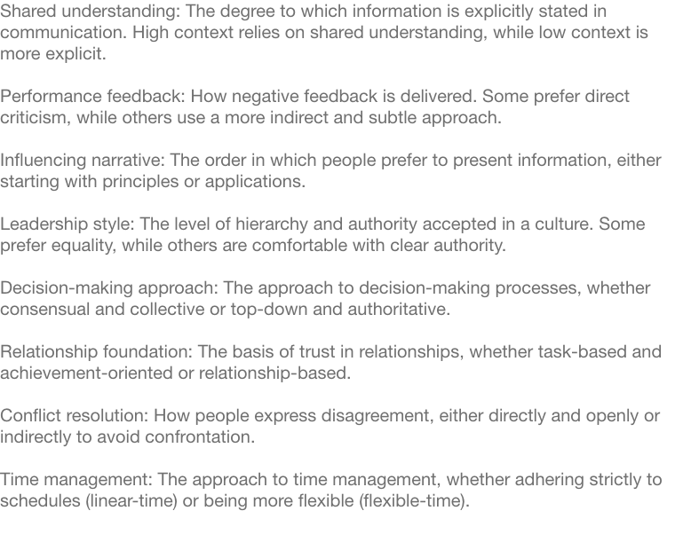
Country | Shared Understanding | Performance Feedback | Influencing Narrative | Leadership style | Decision-making Approach | Relationship Foundation | Conflict Resolution | Time Management
Argentina | 56 | 56 | 44 | 64 | 64 | 77 | 50 | 77
Australia | 5 | 31 | 86 | 18 | 44 | 16 | 31 | 22
Austria | 42 | 35 | 16 | 67 | 65 | 42 | 33 | 31
Belgium | 42 | 45 | 11 | 50 | 25 | 40 | 40 | 40
Bolivia | 71 | 74 | 44 | 75 | 71 | 73 | 69 | 73
Botswana
Brazil | 57 | 61 | 39 | 57 | 57 | 84 | 62 | 76
Bulgaria | 70 | 26 | 11 | 79 | 71 | 73 | 26 | 63
Canada | 10 | 50 | 90 | 29 | 48 | 8 | 54 | 27
Cameroon
Chile | 55 | 62 | 44 | 60 | 60 | 77 | 56 | 75
China | 90 | 71 | 95 | 89 | 87 | 87 | 79 | 81
Colombia | 69 | 62 | 44 | 69 | 69 | 71 | 65 | 71
Czech Republic | 56 | 56 | 36 | 69 | 64 | 42 | 64 | 21
Denmark | 32 | 19 | 58 | 6 | 17 | 11 | 27 | 25
Egypt
Emirati
Ethiopia
Finland | 32 | 19 | 57 | 25 | 27 | 25 | 25 | 21
France | 55 | 11 | 24 | 55 | 60 | 52 | 1 | 48
Germany | 24 | 8 | 20 | 51 | 25 | 18 | 7 | 2
Ghana
Greece
Hungary | 70 | 18 | 26 | 75 | 75 | 64 | 30 | 21
India | 77 | 67 | 95 | 89 | 84 | 87 | 71 | 87
Indonesia | 92 | 94 | 89 | 91 | 91 | 93 | 94 | 89
Ireland | 32 | 60 | 79 | 31 | 31 | 57 | 55 | 35
Israel | 66 | 5 | 89 | 14 | 47 | 86 | 5 | 92
Italy | 52 | 35 | 27 | 57 | 59 | 55 | 36 | 60
Japan | 93 | 89 | 92 | 2 | 70 | 70 | 98 | 15
Jordan
Kenya | 85 | 65 | 85 | 95 | 95 | 95 | 75 | 85
South Korea | 93 | 85 | 96 | 94 | 93 | 83 | 85 | 64
Kuwait
Malaysia | 82 | 67 | 89 | 88 | 78 | 72 | 68 | 70
Mexico | 59 | 63 | 50 | 67 | 67 | 71 | 65 | 69
Morocco
Netherlands | 8 | 4 | 5 | 14 | 8 | 8 | 14 | 20
New Zealand | 32 | 45 | 79 | 40 | 45 | 45 | 50 | 31
Nigeria | 77 | 27 |  | 98 | 94 | 94 | 25 | 94
Norway | 35 | 31 | 56 | 6 | 11 | 17 | 61 | 21
Pakistan
Peru | 71 | 74 | 44 | 75 | 71 | 73 | 69 | 73
Philippines | 93 | 87 | 84 | 91 | 91 | 93 | 93 | 89
Poland | 42 | 26 | 36 | 75 | 75 | 42 | 26 | 40
Portugal
Qatar
Romania | 57 | 33 | 5 | 74 | 66 | 68 | 34 | 59
Russia | 59 | 1 | 7 | 89 | 69 | 66 | 5 | 51
Saudi Arabia
Singapore | 71 | 67 | 74 | 85 | 71 | 67 | 61 | 27
Spain | 55 | 28 | 20 | 62 | 65 | 60 | 25 | 59
Sweden | 35 | 50 | 56 | 4 | 7 | 25 | 61 | 19
Switzerland | 34 | 34 | 23 | 46 | 55 | 29 | 35 | 2
South Africa (Zulu) | 74 | 64 | 50 | 79 | 79 | 84 | 64 | 83
South Africa (Afrikaans) | 32 | 19 | 79 | 50 | 64 | 21 | 26 | 30
Tanzania
Thailand | 92 | 96 | 95 | 90 | 90 | 92 | 96 | 88
Tunisia | 73 | 61 |  | 83 | 79 | 75 | 63 | 83
Turkey | 69 |  |  |  | 71 | 79 | 59 | 73
United Arab Emirates | 69 | 68 | 75 | 85 | 79 | 77 | 73 | 83
UK | 32 | 47 | 79 | 42 | 42 | 31 | 49 | 24
Uganda | 87 | 69 |  | 94 | 92 | 94 | 73 | 94
Ukraine | 70 | 4 | 11 | 87 | 75 | 73 | 9 | 63
United States | 3 | 46 | 5 | 26 | 65 | 3 | 44 | 23
Venezuela | 69 | 63 | 44 | 71 | 71 | 71 | 67 | 71
Vietnam | 92 | 79 | 95 | 88 | 29 | 83 | 85 | 83
Zimbabwe | 87 | 73 | 65 | 94 | 92 | 94 | 79 | 94

MEAN | 58 | 49 | 54 | 62 | 62 | 60 | 51 | 55
STANDARD DEVIATION | 25 | 26 | 31 | 29 | 24 | 27 | 26 | 28

