bulk data
xf | nx | tf | nt | h_x | b_width | Q | a | a_lower | a_upper | b | b_lower | b_upper | b_u_err | b_l_err | R^2 | upper and lower given by 95% confidence intervals
0.1 | 5000 | 300 | 300 | 1E-06 | 4 | 1E-03 | -3.0000E-04 | -3.0000E-04 | -3.0000E-04 | 6.4600E-01 | 6.4170E-01 | 6.5030E-01 | 4.3000E-03 | 4.3000E-03 | 9.9817E-01
0.1 | 5000 | 300 | 300 | 1E-06 | 4 | 1E-04 | -7.1886E-04 | -7.2486E-04 | -7.1286E-04 | 5.3920E-01 | 5.3760E-01 | 5.4080E-01 | 1.6000E-03 | 1.6000E-03 | 9.9963E-01
0.1 | 5000 | 250 | 250 | 1E-06 | 4 | 1E-05 | -1.3290E-03 | -1.3300E-03 | -1.3280E-03 | 4.9610E-01 | 4.9590E-01 | 4.9620E-01 | 1.0000E-04 | 2.0000E-04
0.1 | 5000 | 250 | 250 | 1E-06 | 4 | 1E-06 | -2.2180E-03 | -2.2230E-03 | -2.2120E-03 | 4.7880E-01 | 4.7830E-01 | 4.7930E-01 | 5.0000E-04 | 5.0000E-04 | 9.9997E-01
0.1 | 5000 | 170 | 170 | 1E-06 | 4 | 1E-07 | -3.6000E-03 | -3.6000E-03 | -3.5000E-03 | 4.6920E-01 | 4.6820E-01 | 4.7010E-01 | 9.0000E-04 | 1.0000E-03 | 9.9990E-01
0.1 | 5000 | 115 | 115 | 1E-06 | 4 | 1E-08 | -5.7000E-03 | -5.7000E-03 | -5.6000E-03 | 4.5960E-01 | 4.5810E-01 | 4.6110E-01 | 1.5000E-03 | 1.5000E-03 | 9.9981E-01
0.1 | 5000 | 46 | 46 | 1E-06 | 4 | 1E-09 | -5.4000E-03 | -5.4000E-03 | -5.3000E-03 | 4.7400E-01 | 4.7250E-01 | 4.7560E-01 | 1.6000E-03 | 1.5000E-03 | 9.9993E-01
0.1 | 5000 | 46 | 46 | 1E-05 | 4 | 1E-06 | -8.6000E-03 | -8.6000E-03 | -8.5000E-03 | 4.6030E-01 | 4.5790E-01 | 4.6260E-01 | 2.3000E-03 | 2.4000E-03 | 9.9983E-01
0.1 | 5000 | 110 | 110 | 1E-05 | 4 | 1E-05 | -5.5000E-03 | -5.5000E-03 | -5.5000E-03 | 4.6880E-01 | 4.6790E-01 | 4.6980E-01 | 1.0000E-03 | 9.0000E-04
0.1 | 5000 | 170 | 170 | 1E-05 | 4 | 1E-04 | -3.1000E-03 | -3.1000E-03 | -3.1000E-03 | 5.1600E-01 | 5.1440E-01 | 5.1750E-01 | 1.5000E-03 | 1.6000E-03 | 9.9978E-01
0.1 | 5000 | 265 | 265 | 1E-05 | 4 | 1E-03 | -1.1000E-03 | -1.2000E-03 | -1.1000E-03 | 6.7610E-01 | 6.7070E-01 | 6.8150E-01 | 5.4000E-03 | 5.4000E-03 | 9.9774E-01
0.1 | 5000 | 300 | 300 | 1E-05 | 4 | 1E-02 | -4.6519E-04 | -4.7891E-04 | -4.5147E-04 | 8.4630E-01 | 8.4060E-01 | 8.5200E-01 | 5.7000E-03 | 5.7000E-03 | 9.9860E-01
0.1 | 5000 | 170 | 70 | 1E-05 | 5 | 1E-07 | -1.3100E-02 | -1.3200E-02 | -1.2900E-02 | 4.5850E-01 | 4.5450E-01 | 4.6240E-01 | 3.9000E-03 | 4.0000E-03 | 9.9982E-01
0 | 5000 |  |  |  |  |  |  |  |  |  |  |  | 0.0000E+00 | 0.0000E+00
 |  |  |  |  |  |  |  |  |  |  |  |  | 0.0000E+00 | 0.0000E+00
 |  |  |  |  |  |  |  |  |  |  |  |  | 0.0000E+00 | 0.0000E+00
 |  |  |  |  |  |  |  |  |  |  |  |  | 0.0000E+00 | 0.0000E+00
 |  |  |  |  |  |  |  |  |  |  |  |  | 0.0000E+00 | 0.0000E+00
 |  |  |  |  |  |  |  |  |  |  |  |  | 0.0000E+00 | 0.0000E+00
 |  |  |  |  |  |  |  |  |  |  |  |  | 0.0000E+00 | 0.0000E+00
 |  |  |  |  |  |  |  |  |  |  |  |  | 0.0000E+00 | 0.0000E+00
 |  |  |  |  |  |  |  |  |  |  |  |  | 0.0000E+00 | 0.0000E+00
 |  |  |  |  |  |  |  |  |  |  |  |  | 0.0000E+00 | 0.0000E+00
 |  |  |  |  |  |  |  |  |  |  |  |  | 0.0000E+00 | 0.0000E+00
 |  |  |  |  |  |  |  |  |  |  |  |  | 0.0000E+00 | 0.0000E+00
 |  |  |  |  |  |  |  |  |  |  |  |  | 0.0000E+00 | 0.0000E+00
 |  |  |  |  |  |  |  |  |  |  |  |  | 0.0000E+00 | 0.0000E+00
 |  |  |  |  |  |  |  |  |  |  |  |  | 0.0000E+00 | 0.0000E+00
 |  |  |  |  |  |  |  |  |  |  |  |  | 0.0000E+00 | 0.0000E+00

plots
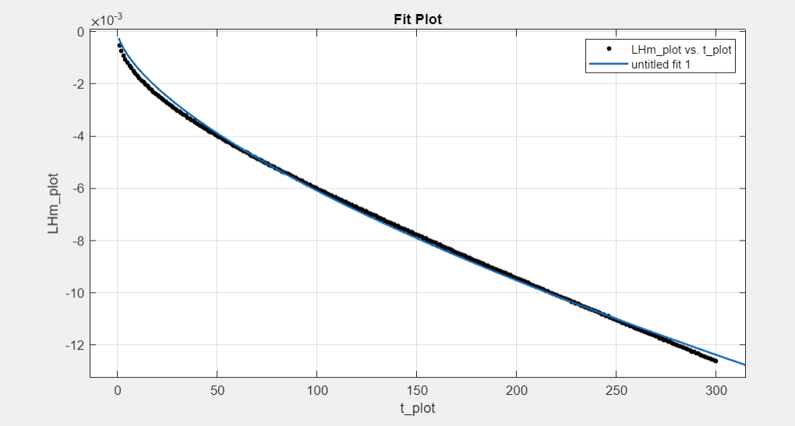
1st point

future fits saved under corresponding folder for fits

