Setup
Script Lab

Create, run, and share Office JavaScript API snippets
This tutorial will introduce you to a basic Script Lab coding workflow. Let's set up first:

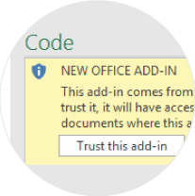
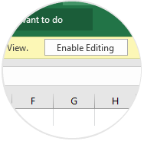

Enable editing and trust Script Lab.

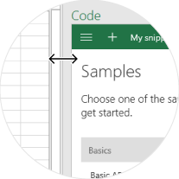
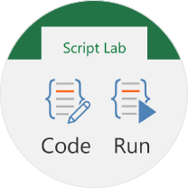

Launch the Code pane and enlarge it for a better fit.

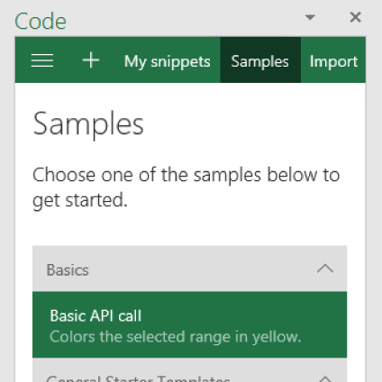

Open the Basic API call sample snippet.

Let's go>

Run
Run a snippet

1.
Open the Run pane from the Script Lab tab to code and run side-by-side.
In Run, select the snippet you are currently editing to sync the Code and Run panes.

Click here to select this cell
2.
Select the cell to color it

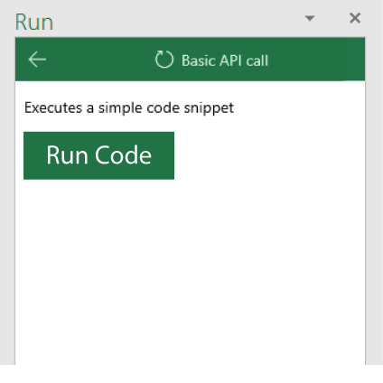

3.
In the run pane, click the Run Code button to color the cell yellow.

Next >
< Back

Code
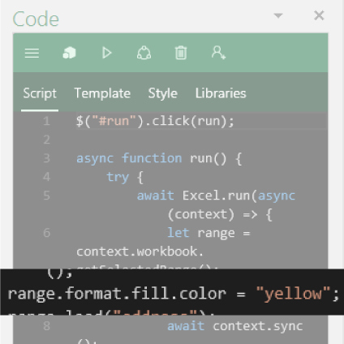
Change the code

In the code, find the entry for "yellow",
and change it to "blue".
1.

2.
Click here to select this cell
Select the second cell to color it with blue.

3.
Run the code to color the cell blue.

Next >
< Back

Share
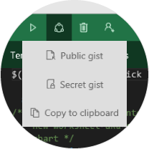
Share your snippets

Check out other samples in the samples section to learn about the rest of the Office JavaScript API.
You can share your code snippets as gists directly from Script Lab by signing in to your GitHub account.

Learn More >
< Back

Learn More
Script Lab
Create, run and share Office API snippets.

Office JavaScript API
Learn about the API and
the functionality it offers

Learn more

Fabric UI
Fabric UI components,
styles and design

Learn more

Add-in UX Design
UX documentation and
design recommendations

Learn more

Start over
< Back

