热轧H型钢
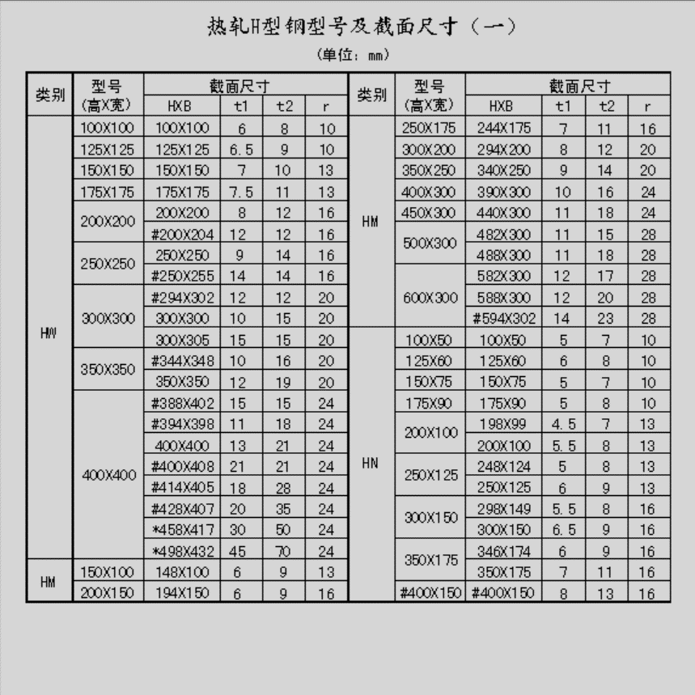
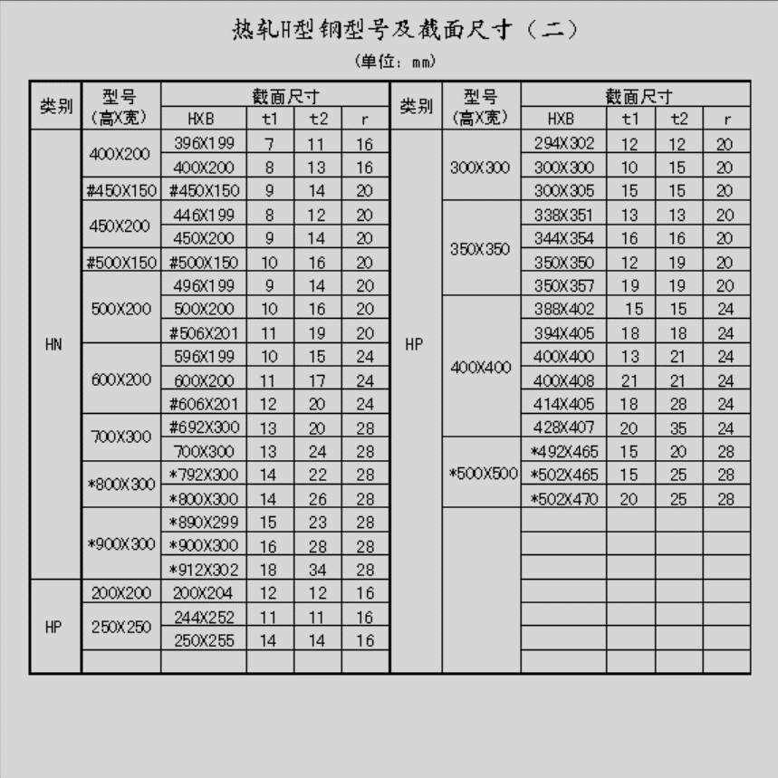
序号 | 类别 | 型号 (高x宽) | 截面尺寸
 |  |  | HxB | 前缀 | H | B | t1 | t2 | r | 全名
1 | HW | 100x100 | 100x100# |  | 100 | 100 | 6 | 8 | 10 | HW100x100x6x8
2 | HW | 125x125 | 125x125 |  | 125 | 125 | 6.5 | 9 | 10 | HW125x125x6.5x9
3 | HW | 150x150 | 150x150 |  | 150 | 150 | 7 | 10 | 13 | HW150x150x7x10
4 | HW | 175x175 | 175x175 |  | 175 | 175 | 7.5 | 11 | 13 | HW175x175x7.5x11
5 | HW | 200x200 | 200x200 | # | 200 | 200 | 8 | 12 | 16 | HW200x200x8x12#
6 | HW |  | #200x204 |  | 200 | 204 | 12 | 12 | 16 | HW200x204x12x12
7 | HW | 250x250 | 250x250 | # | 250 | 250 | 9 | 14 | 16 | HW250x250x9x14#
8 | HW |  | #250x255 | # | 250 | 255 | 14 | 14 | 16 | HW250x255x14x14#
9 | HW | 300x300 | #294x302 |  | 294 | 302 | 12 | 12 | 20 | HW294x302x12x12
10 | HW |  | 300x300 |  | 300 | 300 | 10 | 15 | 20 | HW300x300x10x15
11 | HW |  | 300x305 | # | 300 | 305 | 15 | 15 | 20 | HW300x305x15x15#
12 | HW | 350x350 | #344x348 |  | 344 | 348 | 10 | 16 | 20 | HW344x348x10x16
13 | HW |  | 350x350 | # | 350 | 350 | 12 | 19 | 20 | HW350x350x12x19#
14 | HW | 400x400 | #388x402 | # | 388 | 402 | 15 | 15 | 24 | HW388x402x15x15#
15 | HW |  | #394x398 |  | 394 | 398 | 11 | 18 | 24 | HW394x398x11x18
16 | HW |  | 400x400 | # | 400 | 400 | 13 | 21 | 24 | HW400x400x13x21#
17 | HW |  | #400x408 | # | 400 | 408 | 21 | 21 | 24 | HW400x408x21x21#
18 | HW |  | #414x405 | # | 414 | 405 | 18 | 28 | 24 | HW414x405x18x28#
19 | HW |  | #428x407 | * | 428 | 407 | 20 | 35 | 24 | HW428x407x20x35*
20 | HW |  | *458x417 | * | 458 | 417 | 30 | 50 | 24 | HW458x417x30x50*
21 | HW |  | *498x432 |  | 498 | 432 | 45 | 70 | 24 | HW498x432x45x70
22 | HM | 150x100 | 148x100 |  | 148 | 100 | 6 | 9 | 13 | HM148x100x6x9
23 | HM | 200x150 | 194x150 |  | 194 | 150 | 6 | 9 | 16 | HM194x150x6x9
24 | HM | 250x175 | 244x175 |  | 244 | 175 | 7 | 11 | 16 | HM244x175x7x11
25 | HM | 300x200 | 294x200 |  | 294 | 200 | 8 | 12 | 20 | HM294x200x8x12
26 | HM | 350x250 | 340x250 |  | 340 | 250 | 9 | 14 | 20 | HM340x250x9x14
27 | HM | 400x300 | 390x300 |  | 390 | 300 | 10 | 16 | 24 | HM390x300x10x16
28 | HM | 450x300 | 440x300 |  | 440 | 300 | 11 | 18 | 24 | HM440x300x11x18
29 | HM | 500x300 | 482x300 |  | 482 | 300 | 11 | 15 | 28 | HM482x300x11x15
30 | HM |  | 488x300 |  | 488 | 300 | 11 | 18 | 28 | HM488x300x11x18
31 | HM | 600x300 | 582x300 |  | 582 | 300 | 12 | 17 | 28 | HM582x300x12x17
32 | HM |  | 588x300 | # | 588 | 300 | 12 | 20 | 28 | HM588x300x12x20#
33 | HM |  | #594x302 |  | 594 | 302 | 14 | 23 | 28 | HM594x302x14x23
34 | HN | 100x50 | 100x50 |  | 100 | 50 | 5 | 7 | 10 | HN100x50x5x7
35 | HN | 125x60 | 125x60 |  | 125 | 60 | 6 | 8 | 10 | HN125x60x6x8
36 | HN | 150x75 | 150x75 |  | 150 | 75 | 5 | 7 | 10 | HN150x75x5x7
37 | HN | 175x90 | 175x90 |  | 175 | 90 | 5 | 8 | 10 | HN175x90x5x8
38 | HN | 200x100 | 198x99 |  | 198 | 99 | 4.5 | 7 | 13 | HN198x99x4.5x7
39 | HN |  | 200x100 |  | 200 | 100 | 5.5 | 8 | 13 | HN200x100x5.5x8
40 | HN | 250x125 | 248x124 |  | 248 | 124 | 5 | 8 | 13 | HN248x124x5x8
41 | HN |  | 250x125 |  | 250 | 125 | 6 | 9 | 13 | HN250x125x6x9
42 | HN | 300x150 | 298x149 |  | 298 | 149 | 5.5 | 8 | 16 | HN298x149x5.5x8
43 | HN |  | 300x150 |  | 300 | 150 | 6.5 | 9 | 16 | HN300x150x6.5x9
44 | HN | 350x175 | 346x174 |  | 346 | 174 | 6 | 9 | 16 | HN346x174x6x9
45 | HN |  | 300x175 | # | 300 | 175 | 7 | 11 | 16 | HN300x175x7x11#
46 | HN | #400x150 | #400x150 |  | 400 | 150 | 8 | 13 | 16 | HN400x150x8x13
47 | HN | 400x200 | 396x199 |  | 396 | 199 | 7 | 11 | 16 | HN396x199x7x11
48 | HN |  | 400x200 | # | 400 | 200 | 8 | 13 | 16 | HN400x200x8x13#
49 | HN | #450x150 | #450x150 |  | 450 | 150 | 9 | 14 | 20 | HN450x150x9x14
50 | HN | 450x200 | 446x199 |  | 446 | 199 | 8 | 12 | 20 | HN446x199x8x12
51 | HN |  | 450x200 | # | 450 | 200 | 9 | 14 | 20 | HN450x200x9x14#
52 | HN | #500x150 | #500x150 |  | 500 | 150 | 10 | 16 | 20 | HN500x150x10x16
53 | HN | 500x200 | 496x199 |  | 496 | 199 | 9 | 14 | 20 | HN496x199x9x14
54 | HN |  | 500x200 | # | 500 | 200 | 10 | 16 | 20 | HN500x200x10x16#
55 | HN |  | #506x201 |  | 506 | 201 | 11 | 19 | 20 | HN506x201x11x19
56 | HN | 600x200 | 596x199 |  | 596 | 199 | 10 | 15 | 24 | HN596x199x10x15
57 | HN |  | 600x200 | # | 600 | 200 | 11 | 17 | 24 | HN600x200x11x17#
58 | HN |  | #606x201 | # | 606 | 201 | 12 | 20 | 24 | HN606x201x12x20#
59 | HN | 700x300 | #692x300 |  | 692 | 300 | 13 | 20 | 28 | HN692x300x13x20
60 | HN |  | 700x300 | * | 700 | 300 | 13 | 24 | 28 | HN700x300x13x24*
61 | HN | *800x300 | *792x300 | * | 792 | 300 | 14 | 22 | 28 | HN792x300x14x22*
62 | HN |  | *800x300 | * | 800 | 300 | 14 | 26 | 28 | HN800x300x14x26*
63 | HN | *900x300 | *890x299 | * | 890 | 299 | 15 | 23 | 28 | HN890x299x15x23*
64 | HN |  | *900x300 | * | 900 | 300 | 16 | 28 | 28 | HN900x300x16x28*
65 | HN |  | *912x302 |  | 912 | 302 | 18 | 34 | 28 | HN912x302x18x34
66 | HP | 200x200 | 200x204 |  | 200 | 204 | 12 | 12 | 16 | HP200x204x12x12
67 | HP | 250x250 | 244x252 |  | 244 | 252 | 11 | 11 | 16 | HP244x252x11x11
68 | HP |  | 250x255 |  | 250 | 255 | 14 | 14 | 16 | HP250x255x14x14
69 | HP | 300x300 | 294x302 |  | 294 | 302 | 12 | 12 | 20 | HP294x302x12x12
70 | HP |  | 300x300 |  | 300 | 300 | 10 | 15 | 20 | HP300x300x10x15
71 | HP |  | 300x305 |  | 300 | 305 | 15 | 15 | 20 | HP300x305x15x15
72 | HP | 350x350 | 338x351 |  | 338 | 351 | 13 | 13 | 20 | HP338x351x13x13
73 | HP |  | 344x354 |  | 344 | 354 | 16 | 16 | 20 | HP344x354x16x16
74 | HP |  | 350x350 |  | 350 | 350 | 12 | 19 | 23 | HP350x350x12x19
75 | HP |  | 350x357 |  | 350 | 357 | 19 | 19 | 20 | HP350x357x19x19
76 | HP | 400x400 | 388x402 |  | 388 | 402 | 15 | 15 | 24 | HP388x402x15x15
77 | HP |  | 394x405 |  | 394 | 405 | 18 | 18 | 24 | HP394x405x18x18
78 | HP |  | 400x400 |  | 400 | 400 | 13 | 21 | 24 | HP400x400x13x21
79 | HP |  | 400x408 |  | 400 | 408 | 21 | 21 | 24 | HP400x408x21x21
80 | HP |  | 414x405 |  | 414 | 405 | 18 | 28 | 24 | HP414x405x18x28
81 | HP |  | 428x407 | * | 428 | 407 | 20 | 35 | 24 | HP428x407x20x35*
82 | HP | *500x500 | *492x465 | * | 492 | 465 | 15 | 20 | 28 | HP492x465x15x20*
83 | HP |  | *502x465 | * | 502 | 465 | 15 | 25 | 28 | HP502x465x15x25*
84 | HP |  | *502x470 |  | 502 | 470 | 20 | 25 | 28 | HP502x470x20x25

美标W型钢
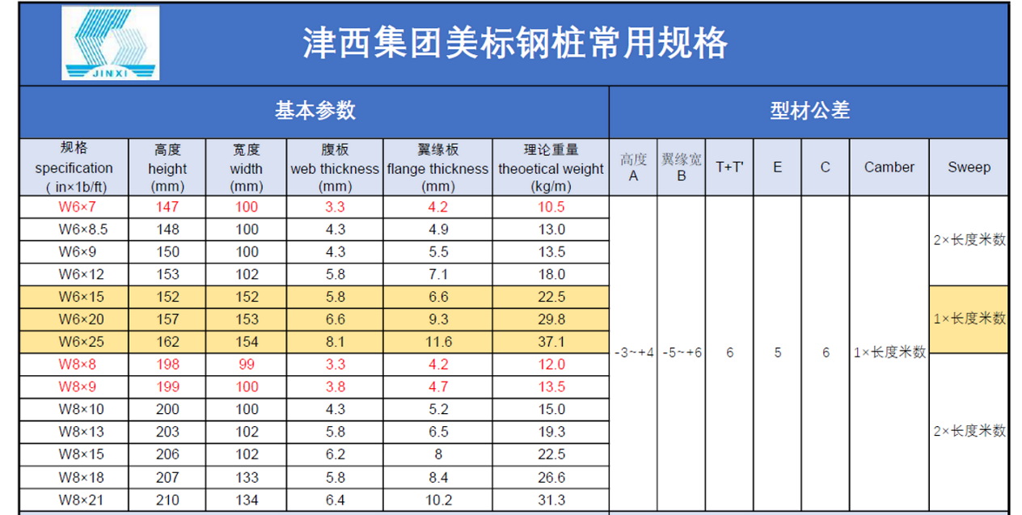
截面类型 | 截面规格 | 腹板高 (mm) | 翼板高 (mm) | 腹板厚度(mm) | 翼板厚度 (mm)
W型钢 | W6x7 | 147 | 100 | 3.3 | 4.2
 | W6x8.5 | 148 | 100 | 4.3 | 4.9
 | W6x9 | 150 | 100 | 4.3 | 5.5
 | W6x12 | 153 | 102 | 5.8 | 7.1
 | W6x15 | 152 | 152 | 5.8 | 6.6
 | W6x20 | 157 | 153 | 6.6 | 9.3
 | W6x25 | 162 | 154 | 8.1 | 11.6
 | W8x8 | 198 | 99 | 3.3 | 4.2
 | W8x9 | 199 | 100 | 3.8 | 4.7
 | W8x10 | 200 | 100 | 4.3 | 5.2
 | W8x13 | 203 | 102 | 5.8 | 6.5
 | W8x15 | 206 | 102 | 6.2 | 8
 | W8x18 | 207 | 133 | 5.8 | 8.4
 | W8x21 | 210 | 134 | 6.4 | 10.2

圆钢管
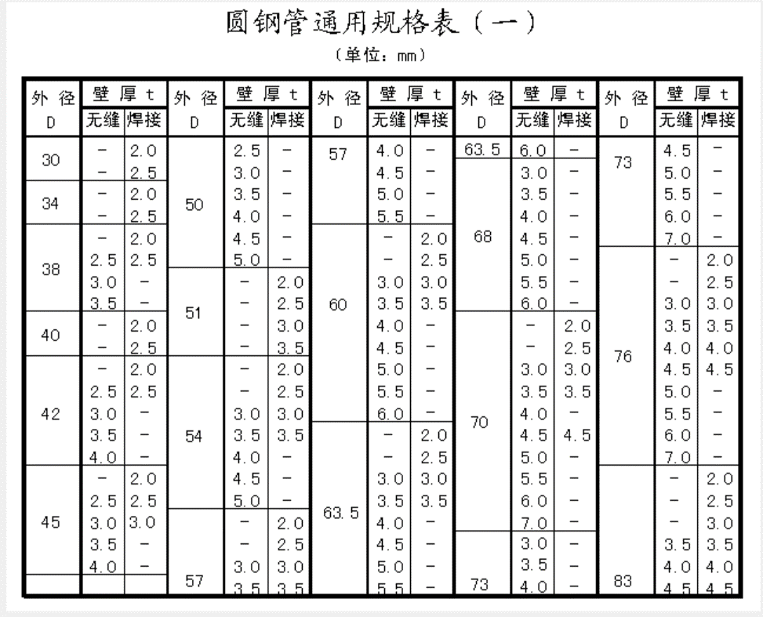
外径 | 壁厚 |  | 全名
 | 无缝 | 焊接 | 无缝 | 焊接
30 |  | 2.0 |  | φ30x2.0
30 |  | 2.5 |  | φ30x2.5
34 |  | 2.0 |  | φ34x2.0
34 |  | 2.5 |  | φ34x2.5
38 |  | 2.0 |  | φ38x2.0
38 | 2.5 | 2.5 | φ38x2.5 | φ38x2.5
38 | 3.0 |  | φ38x3.0
38 | 3.5 |  | φ38x3.5
40 |  | 2.0 |  | φ40x2.0
40 |  | 2.5 |  | φ40x2.5
42 |  | 2.0 |  | φ42x2.0
42 | 2.5 | 2.5 | φ42x2.5 | φ42x2.5
42 | 3.0 |  | φ42x3.0
42 | 3.5 |  | φ42x3.5
42 | 4.0 |  | φ42x4.0
45 |  | 2.0 |  | φ45x2.0
45 | 2.5 | 2.5 | φ45x2.5 | φ45x2.5
45 | 3.0 | 3.0 | φ45x3.0 | φ45x3.0
45 | 3.5 |  | φ45x3.5
45 | 4.0 |  | φ45x4.0
50 | 2.5 |  | φ50x2.5
50 | 3.0 |  | φ50x3.0
50 | 3.5 |  | φ50x3.5
50 | 4.0 |  | φ50x4.0
50 | 4.5 |  | φ50x4.5
50 | 5.0 |  | φ50x5.0
51 |  | 2.0 |  | φ51x2.0
51 |  | 2.5 |  | φ51x2.5
51 |  | 3.0 |  | φ51x3.0
51 |  | 3.5 |  | φ51x3.5
54 |  | 2.0 |  | φ54x2.0
54 |  | 2.5 |  | φ54x2.5
54 | 3.0 | 3.0 | φ54x3.0 | φ54x3.0
54 | 3.5 | 3.5 | φ54x3.5 | φ54x3.5
54 | 4.0 |  | φ54x4.0
54 | 4.5 |  | φ54x4.5
54 | 5.0 |  | φ54x5.0
57 |  | 2.0 |  | φ57x2.0
57 |  | 2.5 |  | φ57x2.5
57 | 3.0 | 3.0 | φ57x3.0 | φ57x3.0
57 | 3.5 | 3.5 | φ57x3.5 | φ57x3.5
57 | 4.0 |  | φ57x4.0
57 | 4.5 |  | φ57x4.5
57 | 5.0 |  | φ57x5.0
57 | 5.5 |  | φ57x5.5
60 |  | 2.0 |  | φ60x2.0
60 |  | 2.5 |  | φ60x2.5
60 | 3.0 | 3.0 | φ60x3.0 | φ60x3.0
60 | 3.5 | 3.5 | φ60x3.5 | φ60x3.5
60 | 4.0 |  | φ60x4.0
60 | 4.5 |  | φ60x4.5
60 | 5.0 |  | φ60x5.0
60 | 5.5 |  | φ60x5.5
60 | 6.0 |  | φ60x6.0
63.5 |  | 2.0 |  | φ63.5x2.0
63.5 |  | 2.5 |  | φ63.5x2.5
63.5 | 3.0 | 3.0 | φ63.5x3.0 | φ63.5x3.0
63.5 | 3.5 | 3.5 | φ63.5x3.5 | φ63.5x3.5
63.5 | 4.0 |  | φ63.5x4.0
63.5 | 4.5 |  | φ63.5x4.5
63.5 | 5.0 |  | φ63.5x5.0
63.5 | 5.5 |  | φ63.5x5.5
63.5 | 6.0 |  | φ63.5x6.0
68 | 3.0 |  | φ68x3.0
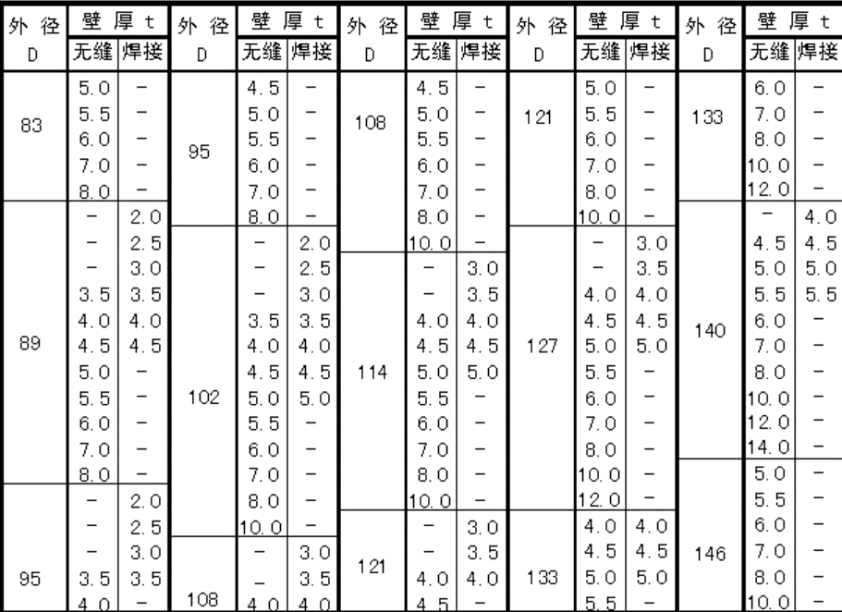
68 | 3.5 |  | φ68x3.5
68 | 4.0 |  | φ68x4.0
68 | 4.5 |  | φ68x4.5
68 | 5.0 |  | φ68x5.0
68 | 5.5 |  | φ68x5.5
68 | 6.0 |  | φ68x6.0
70 |  | 2.0 |  | φ70x2.0
70 |  | 2.5 |  | φ70x2.5
70 | 3.0 | 3.0 | φ70x3.0 | φ70x3.0
70 | 3.5 | 3.5 | φ70x3.5 | φ70x3.5
70 | 4.0 |  | φ70x4.0
70 | 4.5 | 4.5 | φ70x4.5 | φ70x4.5
70 | 5.0 |  | φ70x5.0
70 | 5.5 |  | φ70x5.5
70 | 6.0 |  | φ70x6.0
70 | 6.5 |  | φ70x6.5
70 | 7.0 |  | φ70x7.0
73 | 3.0 |  | φ73x3.0
73 | 3.5 |  | φ73x3.5
73 | 4.0 |  | φ73x4.0
73 | 4.5 |  | φ73x4.5
73 | 5.0 |  | φ73x5.0
73 | 5.5 |  | φ73x5.5
73 | 6.0 |  | φ73x6.0
73 | 7.0 |  | φ73x7.0
76 |  | 2.0 |  | φ76x2.0
76 |  | 2.5 |  | φ76x2.5
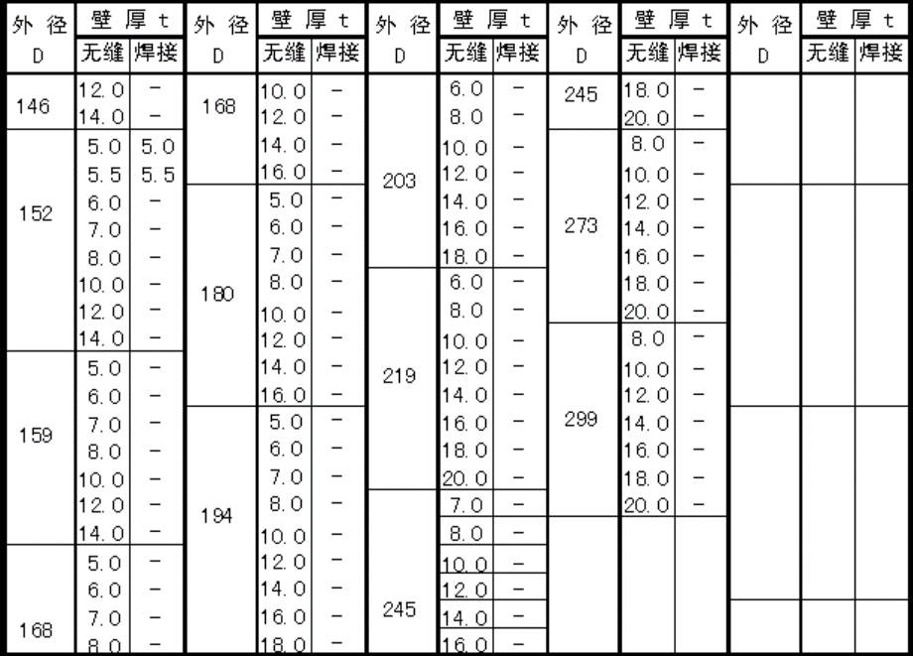
76 | 3.0 | 3.0 | φ76x3.0 | φ76x3.0
76 | 3.5 | 3.5 | φ76x3.5 | φ76x3.5
76 | 4.0 | 4.0 | φ76x4.0 | φ76x4.0
76 | 4.5 | 4.5 | φ76x4.5 | φ76x4.5
76 | 5.0 |  | φ76x5.0
76 | 5.5 |  | φ76x5.5
76 | 6.0 |  | φ76x6.0
76 | 7.0 |  | φ76x7.0
83 |  | 2.0 |  | φ83x2.0
83 |  | 2.5 |  | φ83x2.5
83 |  | 3.0 |  | φ83x3.0
83 | 3.5 | 3.5 | φ83x3.5 | φ83x3.5
83 | 4.0 | 4.0 | φ83x4.0 | φ83x4.0
83 | 4.5 | 4.5 | φ83x4.5 | φ83x4.5
83 | 5.0 |  | φ83x5.0
83 | 5.5 |  | φ83x5.5
83 | 6.0 |  | φ83x6.0
83 | 7.0 |  | φ83x7.0
83 | 8.0 |  | φ83x8.0
89 |  | 2.0 |  | φ89x2.0
89 |  | 2.5 |  | φ89x2.5
89 |  | 3.0 |  | φ89x3.0
89 | 3.5 | 3.5 | φ89x3.5 | φ89x3.5
89 | 4.0 | 4.0 | φ89x4.0 | φ89x4.0
89 | 4.5 | 4.5 | φ89x4.5 | φ89x4.5
89 | 5.0 |  | φ89x5.0
89 | 5.5 |  | φ89x5.5
89 | 6.0 |  | φ89x6.0
89 | 7.0 |  | φ89x7.0
89 | 8.0 |  | φ89x8.0
95 |  | 2.0 |  | φ95x2.0
95 |  | 2.5 |  | φ95x2.5
95 |  | 3.0 |  | φ95x3.0
95 | 3.5 | 3.5 | φ95x3.5 | φ95x3.5
95 | 4.0 |  | φ95x4.0
95 | 4.5 |  | φ95x4.5
95 | 5.0 |  | φ95x5.0
95 | 5.5 |  | φ95x5.5
95 | 6.0 |  | φ95x6.0
95 | 7.0 |  | φ95x7.0
95 | 8.0 |  | φ95x8.0
102 |  | 2.0 |  | φ102x2.0
102 |  | 2.5 |  | φ102x2.5
102 |  | 3.0 |  | φ102x3.0
102 | 3.5 | 3.5 | φ102x3.5 | φ102x3.5
102 | 4.0 | 4.0 | φ102x4.0 | φ102x4.0
102 | 4.5 | 4.5 | φ102x4.5 | φ102x4.5
102 | 5.0 | 5.0 | φ102x5.0 | φ102x5.0
102 | 5.5 |  | φ102x5.5
102 | 6.0 |  | φ102x6.0
102 | 7.0 |  | φ102x7.0
102 | 8.0 |  | φ102x8.0
102 | 10.0 |  | φ102x10.0
108 |  | 3.0 |  | φ108x3.0
108 |  | 3.5 |  | φ108x3.5
108 | 4.0 | 4.0 | φ108x4.0 | φ108x4.0
108 | 4.5 |  | φ108x4.5
108 | 5.0 |  | φ108x5.0
108 | 5.5 |  | φ108x5.5
108 | 6.0 |  | φ108x6.0
108 | 7.0 |  | φ108x7.0
108 | 8.0 |  | φ108x8.0
108 | 10.0 |  | φ108x10.0
114 |  | 3.0 |  | φ114x3.0
114 |  | 3.5 |  | φ114x3.5
114 | 4.0 | 4.0 | φ114x4.0 | φ114x4.0
114 | 4.5 | 4.5 | φ114x4.5 | φ114x4.5
114 | 5.0 | 5.0 | φ114x5.0 | φ114x5.0
114 | 5.5 |  | φ114x5.5
114 | 6.0 |  | φ114x6.0
114 | 7.0 |  | φ114x7.0
114 | 8.0 |  | φ114x8.0
114 | 10.0 |  | φ114x10.0
121 |  | 3.0 |  | φ121x3.0
121 |  | 3.5 |  | φ121x3.5
121 | 4.0 | 4.0 | φ121x4.0 | φ121x4.0
121 | 4.5 |  | φ121x4.5
121 | 5.0 |  | φ121x5.0
121 | 5.5 |  | φ121x5.5
121 | 6.0 |  | φ121x6.0
121 | 7.0 |  | φ121x7.0
121 | 8.0 |  | φ121x8.0
121 | 10.0 |  | φ121x10.0
127 |  | 3.0 |  | φ127x3.0
127 |  | 3.5 |  | φ127x3.5
127 | 4.0 | 4.0 | φ127x4.0 | φ127x4.0
127 | 4.5 | 4.5 | φ127x4.5 | φ127x4.5
127 | 5.0 | 5.0 | φ127x5.0 | φ127x5.0
127 | 5.5 |  | φ127x5.5
127 | 6.0 |  | φ127x6.0
127 | 7.0 |  | φ127x7.0
127 | 8.0 |  | φ127x8.0
127 | 10.0 |  | φ127x10.0
127 | 12.0 |  | φ127x12.0
133 | 4.0 | 4.0 | φ133x4.0 | φ133x4.0
133 | 4.5 | 4.5 | φ133x4.5 | φ133x4.5
133 | 5.0 | 5.0 | φ133x5.0 | φ133x5.0
133 | 5.5 |  | φ133x5.5
133 | 6.0 |  | φ133x6.0
133 | 7.0 |  | φ133x7.0
133 | 8.0 |  | φ133x8.0
133 | 10.0 |  | φ133x10.0
133 | 12.0 |  | φ133x12.0
140 |  | 4.0 |  | φ140x4.0
140 | 4.5 | 4.5 | φ140x4.5 | φ140x4.5
140 | 5.0 | 5.0 | φ140x5.0 | φ140x5.0
140 | 5.5 | 5.5 | φ140x5.5 | φ140x5.5
140 | 6.0 |  | φ140x6.0
140 | 7.0 |  | φ140x7.0
140 | 8.0 |  | φ140x8.0
140 | 10.0 |  | φ140x10.0
140 | 12.0 |  | φ140x12.0
140 | 14.0 |  | φ140x14.0
146 | 5.0 |  | φ146x5.0
146 | 5.5 |  | φ146x5.5
146 | 6.0 |  | φ146x6.0
146 | 7.0 |  | φ146x7.0
146 | 8.0 |  | φ146x8.0
146 | 10.0 |  | φ146x10.0
146 | 12.0 |  | φ146x12.0
146 | 14.0 |  | φ146x14.0
152 | 5.0 | 5.0 | φ152x5.0 | φ152x5.0
152 | 5.5 | 5.5 | φ152x5.5 | φ152x5.5
152 | 6.0 |  | φ152x6.0
152 | 7.0 |  | φ152x7.0
152 | 8.0 |  | φ152x8.0
152 | 10.0 |  | φ152x10.0
152 | 12.0 |  | φ152x12.0
152 | 14.0 |  | φ152x14.0
159 | 5.0 |  | φ159x5.0
159 | 6.0 |  | φ159x6.0
159 | 7.0 |  | φ159x7.0
159 | 8.0 |  | φ159x8.0
159 | 10.0 |  | φ159x10.0
159 | 12.0 |  | φ159x12.0
159 | 14.0 |  | φ159x14.0
168 | 5.0 |  | φ168x5.0
168 | 6.0 |  | φ168x6.0
168 | 7.0 |  | φ168x7.0
168 | 8.0 |  | φ168x8.0
168 | 10.0 |  | φ168x10.0
168 | 12.0 |  | φ168x12.0
168 | 14.0 |  | φ168x14.0
168 | 16.0 |  | φ168x16.0
180 | 5.0 |  | φ180x5.0
180 | 6.0 |  | φ180x6.0
180 | 7.0 |  | φ180x7.0
180 | 8.0 |  | φ180x8.0
180 | 10.0 |  | φ180x10.0
180 | 12.0 |  | φ180x12.0
180 | 14.0 |  | φ180x14.0
180 | 16.0 |  | φ180x16.0
194 | 5.0 |  | φ194x5.0
194 | 6.0 |  | φ194x6.0
194 | 7.0 |  | φ194x7.0
194 | 8.0 |  | φ194x8.0
194 | 10.0 |  | φ194x10.0
194 | 12.0 |  | φ194x12.0
194 | 14.0 |  | φ194x14.0
194 | 16.0 |  | φ194x16.0
194 | 18.0 |  | φ194x18.0
203 | 6.0 |  | φ203x6.0
203 | 8.0 |  | φ203x8.0
203 | 10.0 |  | φ203x10.0
203 | 12.0 |  | φ203x12.0
203 | 14.0 |  | φ203x14.0
203 | 16.0 |  | φ203x16.0
203 | 18.0 |  | φ203x18.0
219 | 6.0 |  | φ219x6.0
219 | 8.0 |  | φ219x8.0
219 | 10.0 |  | φ219x10.0
219 | 12.0 |  | φ219x12.0
219 | 14.0 |  | φ219x14.0
219 | 16.0 |  | φ219x16.0
219 | 18.0 |  | φ219x18.0
219 | 20.0 |  | φ219x20.0
245 | 7.0 |  | φ245x7.0
245 | 8.0 |  | φ245x8.0
245 | 10.0 |  | φ245x10.0
245 | 12.0 |  | φ245x12.0
245 | 14.0 |  | φ245x14.0
245 | 16.0 |  | φ245x16.0
245 | 18.0 |  | φ245x18.0
245 | 20.0 |  | φ245x20.0
273 | 8.0 |  | φ273x8.0
273 | 10.0 |  | φ273x10.0
273 | 12.0 |  | φ273x12.0
273 | 14.0 |  | φ273x14.0
273 | 16.0 |  | φ273x16.0
273 | 18.0 |  | φ273x18.0
273 | 20.0 |  | φ273x20.0
299 | 8.0 |  | φ299x8.0
299 | 10.0 |  | φ299x10.0
299 | 12.0 |  | φ299x12.0
299 | 14.0 |  | φ299x14.0
299 | 16.0 |  | φ299x16.0
299 | 18.0 |  | φ299x18.0
299 | 20.0 |  | φ299x20.0

