AT_Comp
nm to a | 10
KJMOL_TO_K | 120.27904739
Units
σ | Angstroms
ε/kb | K

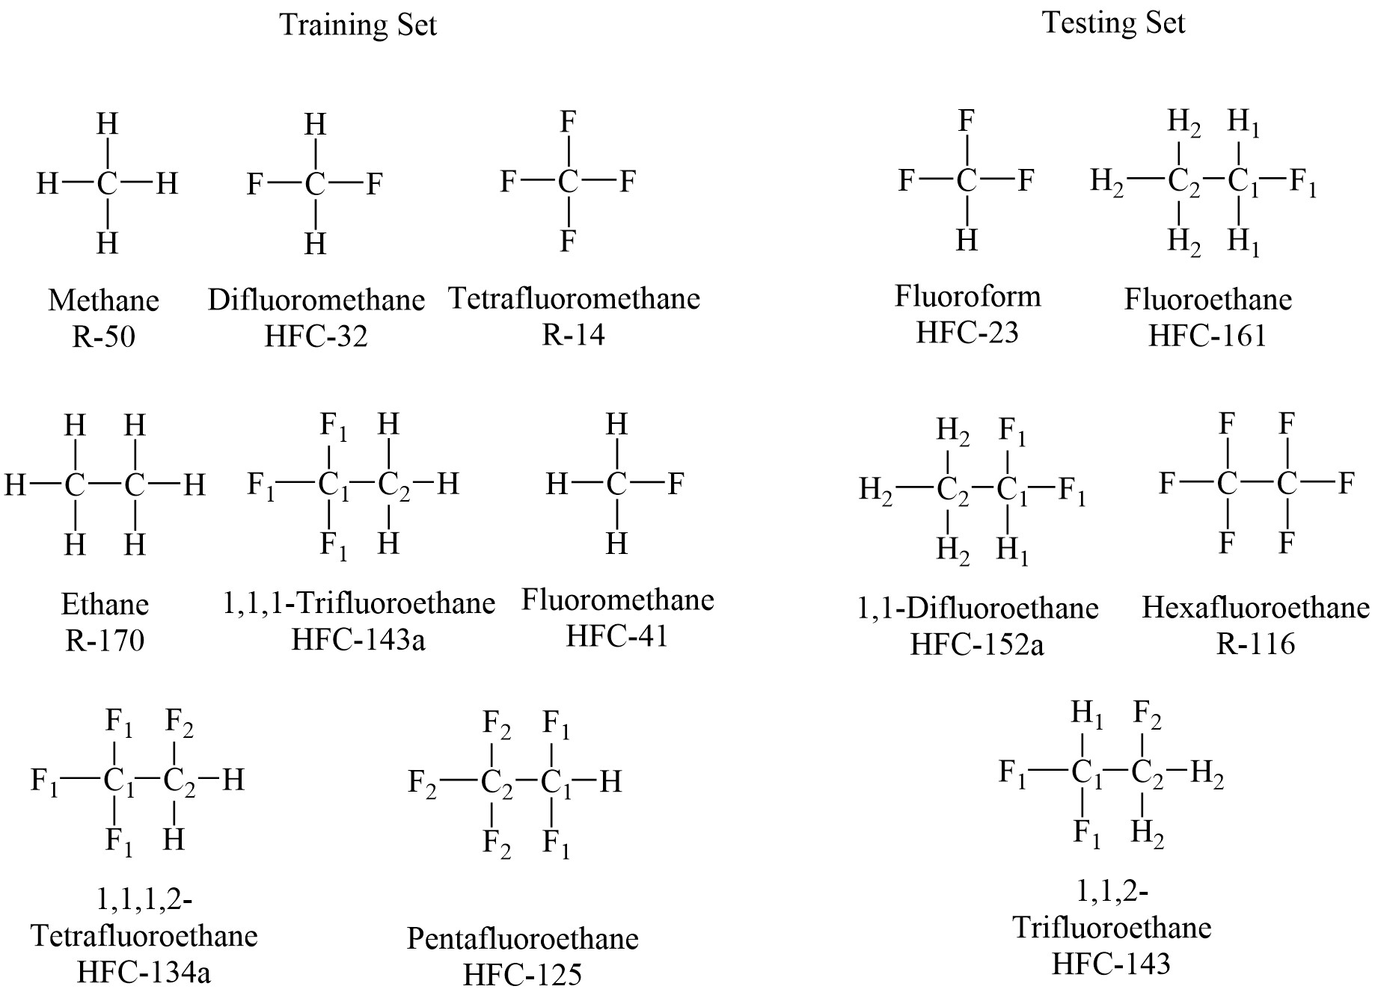
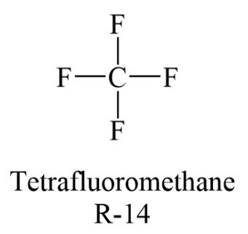
R14
Atom Type | C | F
σ AT4 | 3.57 | 2.94
σ AT6a | 3.34 | 2.94
σ AT6b | 3.48 | 2.94
σ AT8 | 3.56 | 3.05
σ GAFF | 3.40 | 3.12
ε/kb AT4 | 41.75 | 26.24
ε/kb AT6a | 54.16 | 26.50
ε/kb AT6b | 45.21 | 26.57
ε/kb AT8 | 45.29 | 20.96
ε/kb GAFF | 55.06 | 30.70

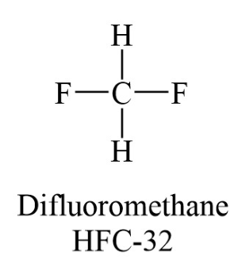
R32
Atom Type | C | F | H
σ AT4 | 3.36 | 2.94 | 2.28
σ AT6a | 3.34 | 2.94 | 1.89
σ AT6b | 3.32 | 2.94 | 2.22
σ AT8 | 3.42 | 2.68 | 2.43
σ GAFF | 3.40 | 3.12 | 2.29
ε/kb AT4 | 53.81 | 26.24 | 11.51
ε/kb AT6a | 54.16 | 26.50 | 15.00
ε/kb AT6b | 55.50 | 26.57 | 11.74
ε/kb AT8 | 46.74 | 38.38 | 10.66
ε/kb GAFF | 55.05 | 30.70 | 7.90

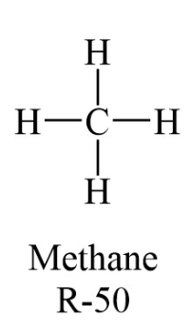
R50
Atom Type | C | H
σ AT4 | 3.36 | 2.28
σ AT6a | 3.34 | 2.59
σ AT6b | 3.61 | 2.60
σ AT8 | 3.76 | 2.43
σ GAFF | 3.40 | 2.65
ε/kb AT4 | 53.81 | 11.51
ε/kb AT6a | 54.16 | 10.79
ε/kb AT6b | 40.55 | 11.57
ε/kb AT8 | 43.44 | 10.66
ε/kb GAFF | 55.06 | 7.90
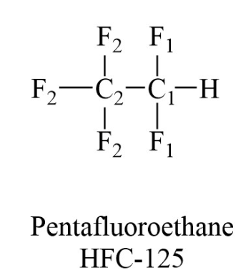
R125
Atom Type | C1 | C2 | F1 | F2 | H1
σ AT4 | 3.57 | 3.57 | 2.94 | 2.94 | 2.28
σ AT6a | 3.34 | 3.34 | 2.94 | 2.94 | 1.89
σ AT6b | 3.48 | 3.48 | 2.94 | 2.94 | 2.22
σ AT8 | 3.56 | 3.56 | 3.05 | 2.68 | 2.43
σ GAFF | 3.40 | 3.40 | 3.12 | 3.12 | 2.29
ε/kb AT4 | 41.75 | 41.75 | 26.24 | 26.24 | 11.51
ε/kb AT6a | 54.16 | 54.16 | 26.50 | 26.50 | 15.00
ε/kb AT6b | 45.21 | 45.21 | 26.57 | 26.57 | 11.74
ε/kb AT8 | 45.29 | 45.29 | 20.96 | 38.38 | 10.66
ε/kb GAFF | 55.06 | 55.06 | 30.70 | 30.70 | 7.90

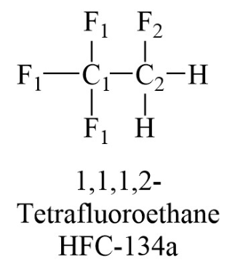
R134a
Atom Type | C1 | C2 | F1 | F2 | H2
σ AT4 | 3.57 | 3.57 | 2.94 | 2.94 | 2.28
σ AT6a | 3.34 | 3.34 | 2.94 | 2.94 | 2.34
σ AT6b | 3.48 | 3.48 | 2.94 | 2.94 | 2.22
σ AT8 | 3.56 | 3.56 | 3.05 | 2.55 | 2.43
σ GAFF | 3.40 | 3.40 | 3.12 | 3.12 | 2.47
ε/kb AT4 | 41.75 | 41.75 | 26.24 | 26.24 | 11.51
ε/kb AT6a | 54.16 | 54.16 | 26.50 | 26.50 | 11.39
ε/kb AT6b | 45.21 | 45.21 | 26.57 | 26.57 | 11.74
ε/kb AT8 | 45.29 | 45.29 | 20.96 | 48.55 | 10.66
ε/kb GAFF | 55.06 | 55.06 | 30.70 | 30.70 | 7.90

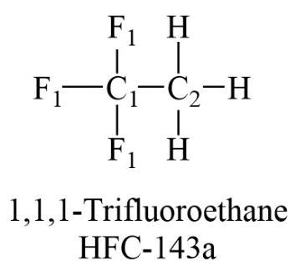
R143a
Atom Type | C1 | C2 | F1 | H2
σ AT4 | 3.57 | 3.57 | 2.94 | 2.28
σ AT6a | 3.34 | 3.34 | 2.94 | 2.59
σ AT6b | 3.48 | 3.48 | 2.94 | 2.60
σ AT8 | 3.56 | 3.56 | 3.05 | 2.43
σ GAFF | 3.40 | 3.40 | 3.12 | 2.65
ε/kb AT4 | 41.75 | 41.75 | 26.24 | 11.51
ε/kb AT6a | 54.16 | 54.16 | 26.50 | 10.79
ε/kb AT6b | 45.21 | 45.21 | 26.57 | 11.57
ε/kb AT8 | 45.29 | 45.29 | 20.96 | 10.66
ε/kb GAFF | 55.06 | 55.06 | 30.70 | 7.90

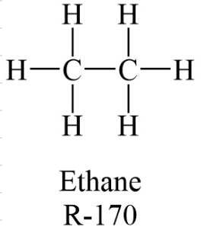
R170
Atom Type | C | H
σ AT4 | 3.57 | 2.28
σ AT6a | 3.34 | 2.59
σ AT6b | 3.48 | 2.60
σ AT8 | 3.56 | 2.43
σ GAFF | 3.40 | 2.65
ε/kb AT4 | 41.75 | 11.51
ε/kb AT6a | 54.16 | 10.79
ε/kb AT6b | 45.21 | 11.57
ε/kb AT8 | 45.29 | 10.66
ε/kb GAFF | 55.06 | 7.90

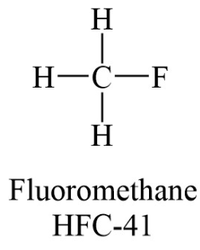
R41
Atom Type | C | F | H
σ AT4 | 3.36 | 2.94 | 2.28
σ AT6a | 3.34 | 2.94 | 2.34
σ AT6b | 3.32 | 2.94 | 2.22
σ AT8 | 3.42 | 2.55 | 2.43
σ GAFF | 3.40 | 3.12 | 2.47
ε/kb AT4 | 53.81 | 26.24 | 11.51
ε/kb AT6a | 54.16 | 26.50 | 11.39
ε/kb AT6b | 55.50 | 26.57 | 11.74
ε/kb AT8 | 46.74 | 48.55 | 10.66
ε/kb GAFF | 55.06 | 30.70 | 7.90

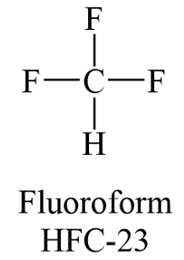
HFC23
Atom Type | C | F | H
σ AT4 | 3.36 | 2.94 | 2.28
σ AT6a | 3.34 | 2.94 | 2.12
σ AT6b | 3.32 | 2.94 | 2.22
σ AT8 | 3.42 | 3.05 | 2.43
σ GAFF | 3.40 | 3.12 | 2.12
ε/kb AT4 | 53.81 | 26.24 | 11.51
ε/kb AT6a | 54.16 | 26.50 | 7.90
ε/kb AT6b | 55.50 | 26.57 | 11.74
ε/kb AT8 | 46.74 | 20.96 | 10.66
ε/kb GAFF | 0.00 | 0.00 | 7.90

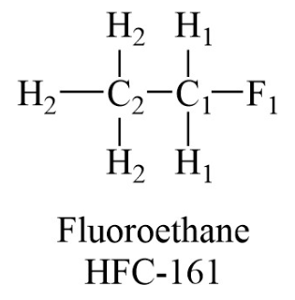
R161
Atom Type | C1 | C2 | F1 | H1 | H2
σ AT4 | 3.57 | 3.57 | 2.94 | 2.28 | 2.28
σ AT6a | 3.34 | 3.34 | 2.94 | 2.34 | 2.59
σ AT6b | 3.48 | 3.48 | 2.94 | 2.22 | 2.60
σ AT8 | 3.56 | 3.56 | 2.55 | 2.43 | 2.43
σ GAFF | 3.40 | 3.40 | 3.12 | 2.47 | 2.65
ε/kb AT4 | 41.75 | 41.75 | 26.24 | 11.51 | 11.51
ε/kb AT6a | 54.16 | 54.16 | 26.50 | 11.39 | 10.79
ε/kb AT6b | 45.21 | 45.21 | 26.57 | 11.74 | 11.57
ε/kb AT8 | 45.29 | 45.29 | 48.55 | 10.66 | 10.66
ε/kb GAFF | 55.06 | 55.06 | 30.70 | 7.90 | 7.90

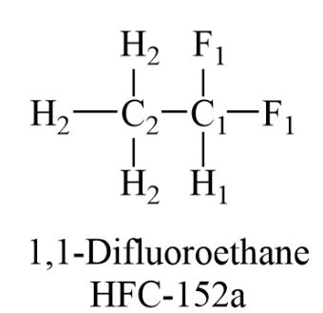
R152a
Atom Type | C1 | C2 | F1 | H1 | H2
σ AT4 | 3.57 | 3.57 | 2.94 | 2.28 | 2.28
σ AT6a | 3.34 | 3.34 | 2.94 | 1.89 | 2.59
σ AT6b | 3.48 | 3.48 | 2.94 | 2.22 | 2.60
σ AT8 | 3.56 | 3.56 | 2.68 | 2.43 | 2.43
σ GAFF | 3.40 | 3.40 | 3.12 | 2.29 | 2.65
ε/kb AT4 | 41.75 | 41.75 | 26.24 | 11.51 | 11.51
ε/kb AT6a | 54.16 | 54.16 | 26.50 | 15.00 | 10.79
ε/kb AT6b | 45.21 | 45.21 | 26.57 | 11.74 | 11.57
ε/kb AT8 | 45.29 | 45.29 | 38.38 | 10.66 | 10.66
ε/kb GAFF | 55.06 | 55.06 | 30.70 | 7.90 | 7.90

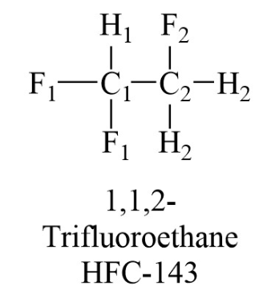
HFC143
Atom Type | C1 | C2 | F1 | F2 | H1 | H2
σ AT4 | 3.57 | 3.57 | 2.94 | 2.94 | 2.28 | 2.28
σ AT6a | 3.34 | 3.34 | 2.94 | 2.94 | 1.89 | 2.34
σ AT6b | 3.48 | 3.48 | 2.94 | 2.94 | 2.22 | 2.22
σ AT8 | 3.56 | 3.56 | 2.68 | 2.55 | 2.43 | 2.43
σ GAFF | 3.40 | 3.40 | 3.12 | 3.12 | 2.29 | 2.47
ε/kb AT4 | 41.75 | 41.75 | 26.24 | 26.24 | 11.51 | 11.51
ε/kb AT6a | 54.16 | 54.16 | 26.50 | 26.50 | 15.00 | 11.39
ε/kb AT6b | 45.21 | 45.21 | 26.57 | 26.57 | 11.74 | 11.74
ε/kb AT8 | 45.29 | 45.29 | 38.38 | 48.55 | 10.66 | 10.66
ε/kb GAFF | 55.06 | 55.06 | 30.70 | 30.70 | 7.90 | 7.90

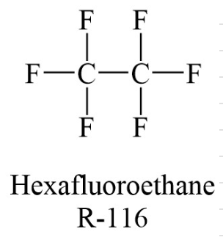
R116
Atom Type | C | F
σ AT4 | 3.57 | 2.94
σ AT6a | 3.34 | 2.94
σ AT6b | 3.48 | 2.94
σ AT8 | 3.56 | 3.05
σ GAFF | 3.40 | 3.12
ε/kb AT4 | 41.75 | 26.24
ε/kb AT6a | 54.16 | 26.50
ε/kb AT6b | 45.21 | 26.57
ε/kb AT8 | 45.29 | 20.96
ε/kb GAFF | 55.06 | 30.70

