Certificate
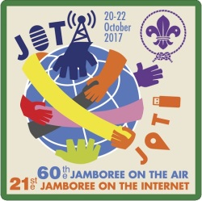
Jamboree on the Internet
2017

This is to certify that

erfghjkml

Text_here

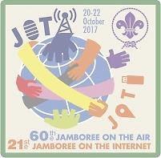
AWARDS

Testing123

Total Contact Awards
Unique Country Awards
Global
Africa
Americas
Asia
Australasia
Europe
Global
Africa
Americas
Asia
Australasia
Europe

List of countries Contacted

