SCHEDULES
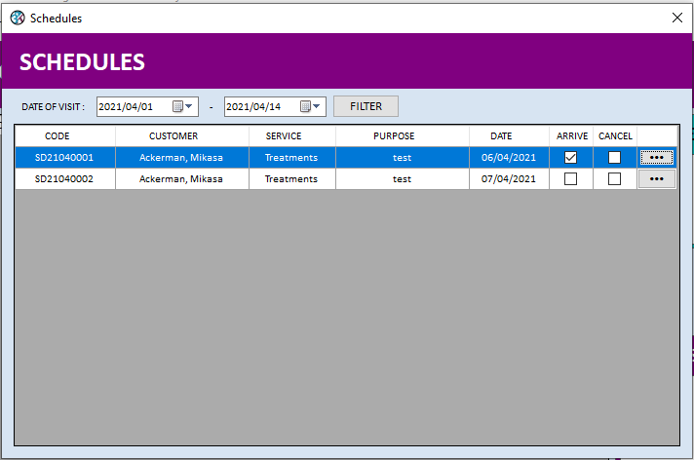

Beginning of Month

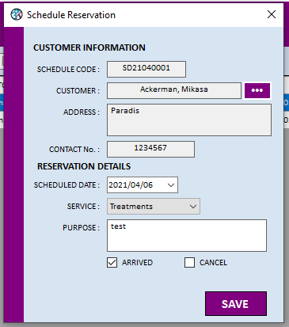

Hide

Read only

Modifiable

Schedule Information
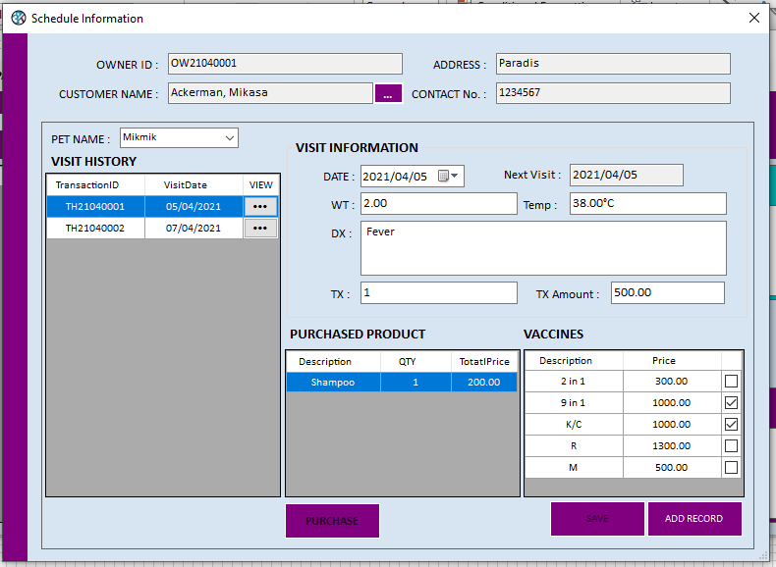
Hide on viewing customer Schedule Infomation

Can't Change to New Pet
CHECK NEXT VISIT FIELD

