Pre-requisite
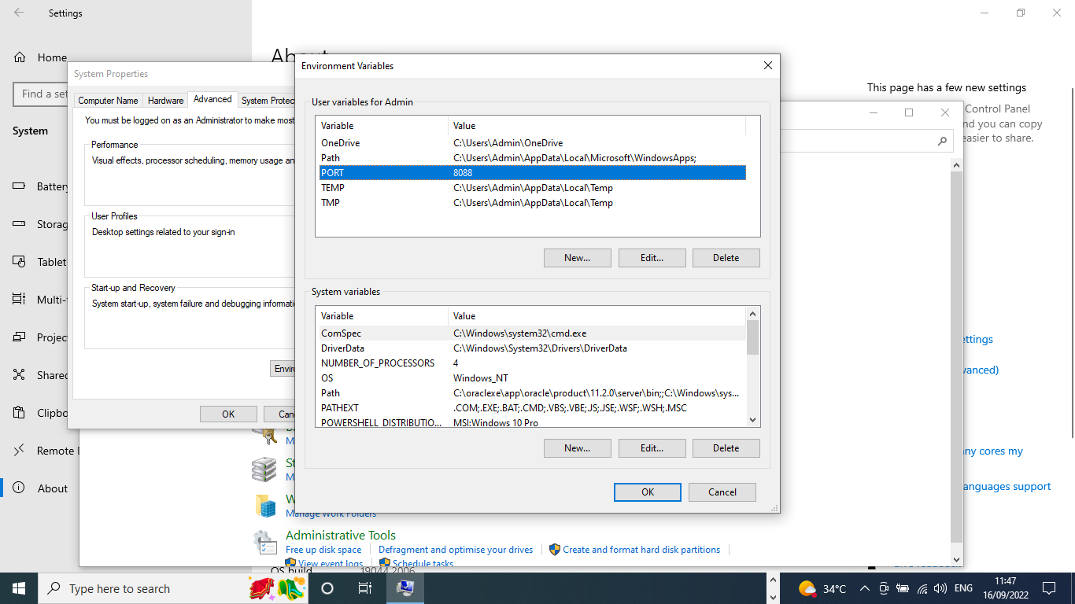
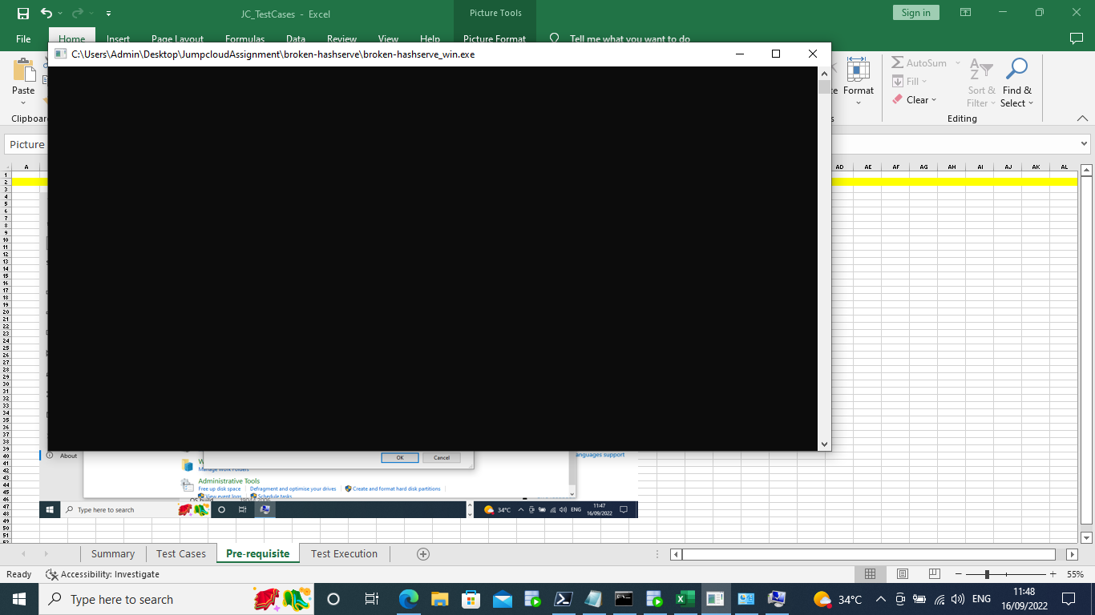
PORT variable set; application is up and running

Test Execution
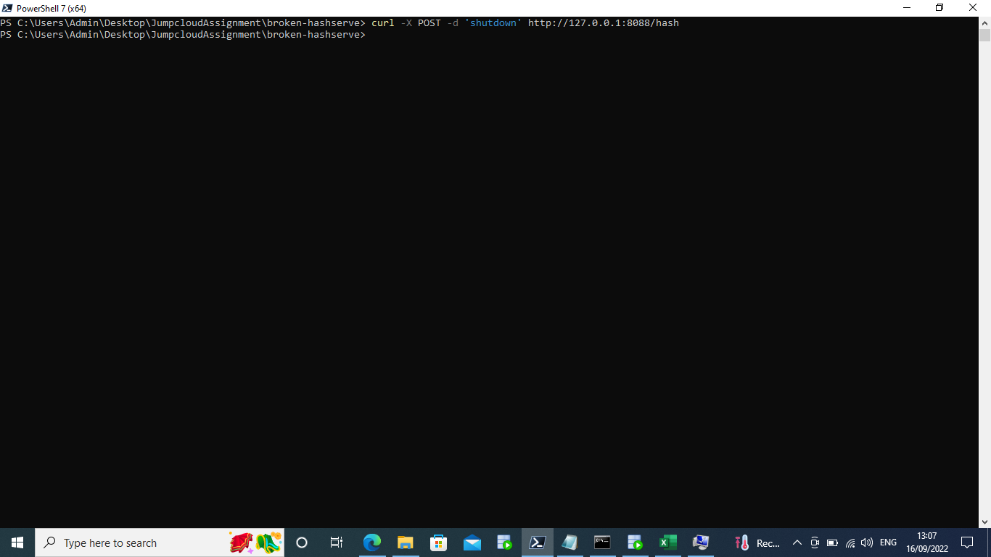
JC_TC1_VerifyHTTPSConnection



JC_TC2_VerifyIncorrectPORT

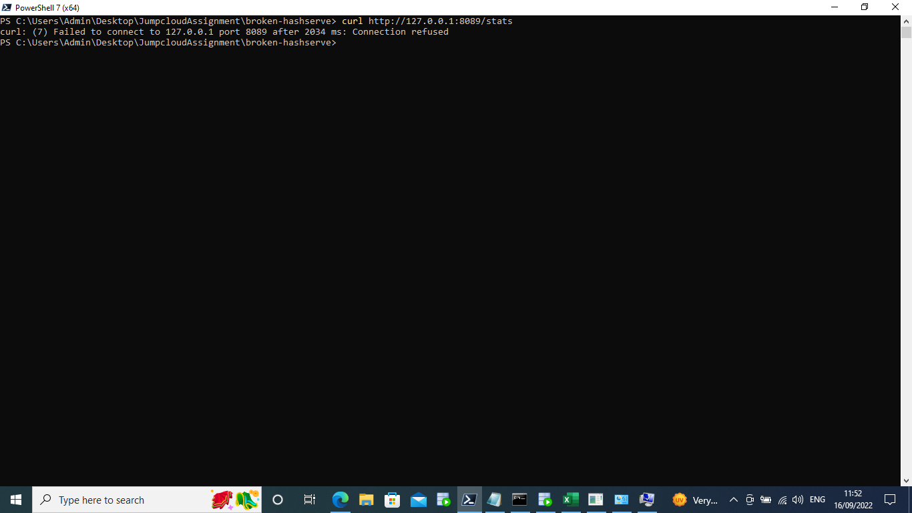

JC_TC3_VerifyPOST_when_Xoption_IsSkipped

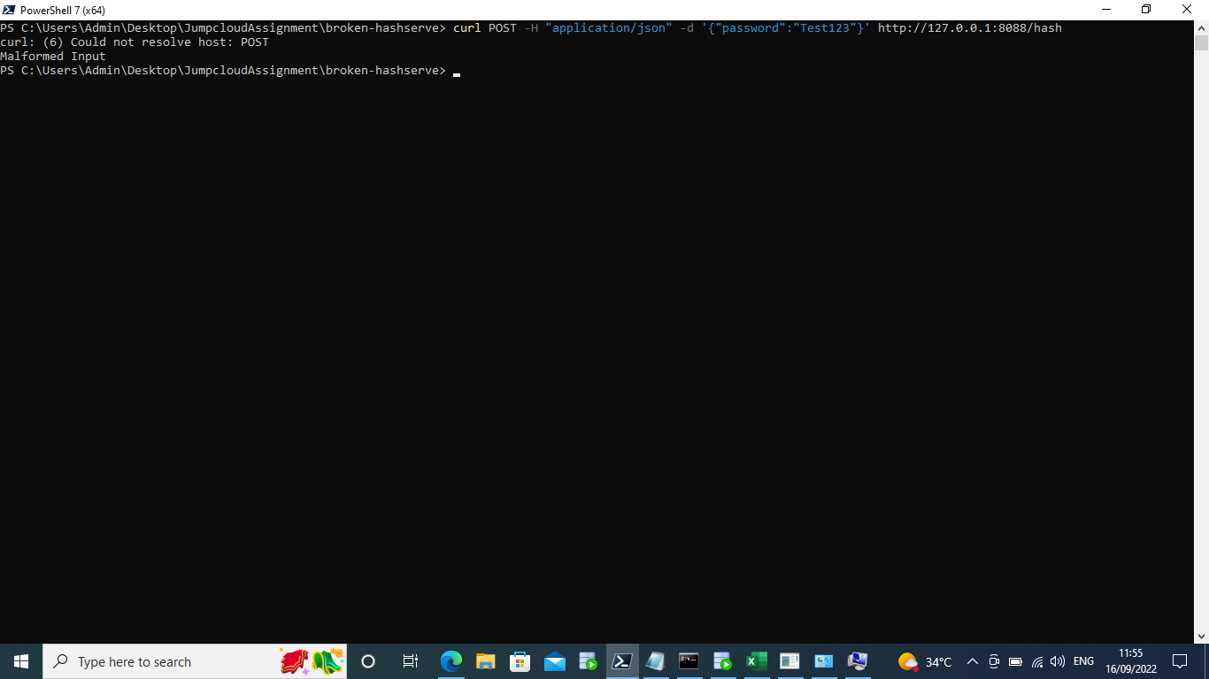

JC_TC4_VerifyPOST_when_Hoption_IsSkipped_andOnlyValuePassed



JC_TC5_VerifyPOST_forInvalid_PasswordValue


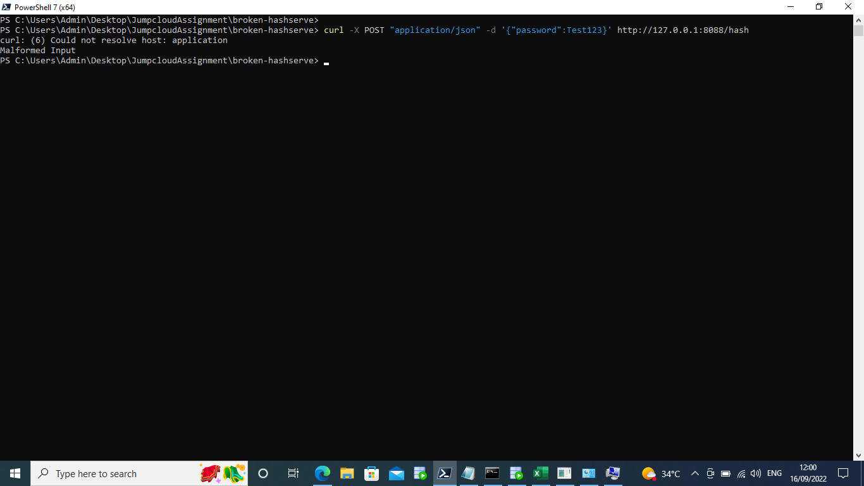

JC_TC6_VerifyPOST_withValidInput



JC_TC7_VerifyGET_when_Hoption_IsSkipped_andOnlyValuePassed



JC_TC8_VerifyGET_withoutJobIdentifier



JC_TC9_VerifyGET_withRandomInputforJobIdentifier



JC_TC11_VerifyGET_toFetchStats_usingInvalid_Input



JC_TC12_VerifyGET_toFetchStats_usingValid_Input



JC_TC13_Verify user tries to shutdown application using Incorrect Input



JC_TC14_Verify user tries to shutdown application which got shutdown already



JC_TC15_Verify if user is able to shutdown the application successfully

