home_page1
qwsqas
INDIA GENERAL ELECTION RESULT-2024
OVERVIEW ANALYSIS
voting Dates- Fri,19 Apr to Sat,01Jun 2024
Counting Date(Result-Date0-Tue,04 Jun 2024
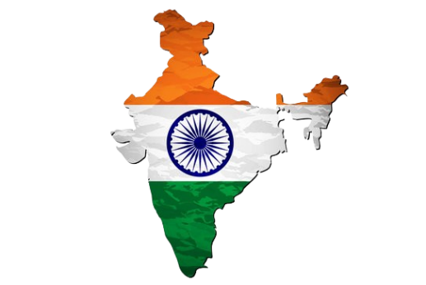

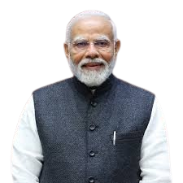
292
Total seats
NDA Alliance
53.78%
of NDA
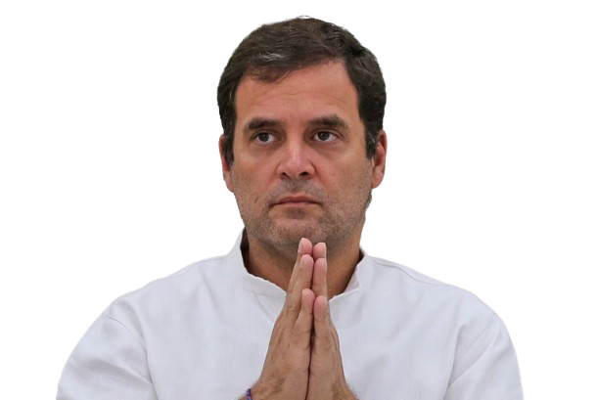
I.N.D.I.A Alliance Alliance
43.09% of INDIA
234
Total seats

17
Total Seats
Other/IND
3.13 %
of other

NDA
Alliance
Parties
14
Total Parties
BJP
SHS
JDU
TDP
RLD
LJPRV
JNP
SKM
JDS
HAMS
NCP
AJSUP
AGP
ADAL

240
16
12
7
5
2
2
2
1
1
1
1
1
1

INDIA
Alliance
Parties
20
Total Parties
INC
SP
SHS
AITC
NCP
CPI
IUML;
JMM
JKN
AAAP
CPI
CPI
VCK
KEC
DMK
RJD
MD
RSP
BHR
RLTP

1
1
1
1
1
2
2
2
2
3
3
3
4
4
8
9
22
29
37
99

Desgin2
qwsqas
INDIA GENERAL ELECTION RESULT-2024
STATE DEMOGRAPHICS ANALYSIS
voting Dates- Fri,19 Apr to Sat,01Jun 2024
Counting Date(Result-Date0-Tue,04 Jun 2024

Total Seats, Alliance with Majority Seats, NDA Seats and I.N.D.I.A. Seats by State
Winning Candicate and WinningPartyby Constituency
State with the Maximum Seats won by either the NDA Alliance or the I.N.D.I.A. Alliance

Click the arrow icon above to view detailed state-wise information.
👉 Min →INDIA Max →NDA Mid →others
🔵 → NDA 🟠 → INDIA

