Sheet4
1I j | famKey 12 | F04 infected by red i | famKey 10 | F02 at gen 84 in Univ3
simulation.js | 1990 2I j | famKey 22 | F02 infected by red i | famKey 10 | F02 at gen 88 in Univ8
simulation.js | 1990 3I j | famKey 31 | F02 infected by red i | famKey 10 | F02 at gen 100 in Univ8
simulation.js | 2006 4I i | famKey 76 | -1 infected by red j | famKey 10 | F02 at gen 138 in U6
simulation.js | 2006 5I i | famKey 43 | F04 infected by blue j | famKey 12 | F04 at gen 195 in U8
2simulation.js | 1990 6I j | famKey 49 | F02 infected by red i | famKey 22 | F02 at gen 244 in Univ8
simulation.js | 2006 7I i | famKey 19 | F18 infected by red j | famKey 31 | F02 at gen 250 in U2
simulation.js | 1990 8I j | famKey 65 | F03 infected by blue i | famKey 76 | -1 at gen 253 in Univ6
simulation.js | 2006 9I i | famKey 27 | F09 infected by red j | famKey 31 | F02 at gen 255 in U1
4simulation.js | 2006 9I i | famKey 85 | -1 infected by red j | famKey 12 | F04 at gen 256 in U6
simulation.js | 2006 11I i | famKey 41 | F02 infected by red j | famKey 31 | F02 at gen 271 in U8
simulation.js | 2006 12I i | famKey 62 | F01 infected by red j | famKey 31 | F02 at gen 282 in U6
simulation.js | 2006 13I i | famKey 11 | F03 infected by red j | famKey 12 | F04 at gen 298 in U2
simulation.js | 2006 13I i | famKey 92 | F03 infected by blue j | famKey 43 | F04 at gen 299 in U7
simulation.js | 1990 15I j | famKey 36 | F10 infected by red i | famKey 76 | -1 at gen 303 in Univ6
2simulation.js | 2006 16I i | famKey 0 | -1 infected by red j | famKey 31 | F02 at gen 322 in U2
2simulation.js | 1990 17I j | famKey 33 | F06 infected by red i | famKey 12 | F04 at gen 324 in Univ3
simulation.js | 1990 18I j | famKey 68 | F14 infected by red i | famKey 76 | -1 at gen 330 in Univ6
3simulation.js | 2006 19I i | famKey 77 | -1 infected by blue j | famKey 49 | F02 at gen 346 in U6
simulation.js | 1990 20I j | famKey 32 | F05 infected by red i | famKey 31 | F02 at gen 352 in Univ5
simulation.js | 1990 21I j | famKey 60 | F16 infected by blue i | famKey 65 | F03 at gen 362 in Univ6
simulation.js | 1990 22I j | famKey 53 | F08 infected by blue i | famKey 85 | -1 at gen 368 in Univ6
simulation.js | 2006 23I i | famKey 84 | -1 infected by red j | famKey 85 | -1 at gen 372 in U6
simulation.js | 1990 24I j | famKey 96 | F09 infected by red i | famKey 27 | F09 at gen 386 in Univ8
2simulation.js | 2006 25I i | famKey 66 | F06 infected by red j | famKey 49 | F02 at gen 393 in U6
simulation.js | 1990 26I j | famKey 24 | F05 infected by blue i | famKey 33 | F06 at gen 422 in Univ4
simulation.js | 2006 27I i | famKey 64 | F03 infected by red j | famKey 49 | F02 at gen 439 in U6
simulation.js | 1990 28I j | famKey 52 | F07 infected by red i | famKey 62 | F01 at gen 444 in Univ6
simulation.js | 2006 29I i | famKey 74 | -1 infected by blue j | famKey 60 | F16 at gen 459 in U6
2simulation.js | 2006 30I i | famKey 67 | F13 infected by red j | famKey 49 | F02 at gen 463 in U6
2simulation.js | 2006 31I i | famKey 70 | F15 infected by red j | famKey 85 | -1 at gen 473 in U6
2simulation.js | 2006 32I i | famKey 82 | -1 infected by red j | famKey 65 | F03 at gen 475 in U6
simulation.js | 1990 33I j | famKey 61 | F17 infected by blue i | famKey 60 | F16 at gen 479 in Univ6
simulation.js | 2006 34I i | famKey 75 | -1 infected by blue j | famKey 53 | F08 at gen 487 in U6
3simulation.js | 1990 34I j | famKey 83 | -1 infected by red i | famKey 62 | F01 at gen 488 in Univ6
simulation.js | 1990 36I j | famKey 34 | F15 infected by red i | famKey 11 | F03 at gen 491 in Univ1
simulation.js | 2006 37I i | famKey 8 | F16 infected by red j | famKey 60 | F16 at gen 497 in U8
simulation.js | 2006 38I i | famKey 94 | F07 infected by red j | famKey 32 | F05 at gen 501 in U7
3simulation.js | 2006 39I i | famKey 78 | -1 infected by red j | famKey 60 | F16 at gen 503 in U6
simulation.js | 2006 40I i | famKey 73 | -1 infected by red j | famKey 53 | F08 at gen 511 in U6
simulation.js | 2006 40I i | famKey 48 | F00 infected by red j | famKey 53 | F08 at gen 511 in U6
simulation.js | 2006 40I i | famKey 73 | -1 infected by red j | famKey 53 | F08 at gen 511 in U6
simulation.js | 2006 40I i | famKey 48 | F00 infected by red j | famKey 53 | F08 at gen 511 in U6
simulation.js | 2006 42I i | famKey 6 | F09 infected by red j | famKey 27 | F09 at gen 515 in U3
2simulation.js | 2006 43I i | famKey 87 | -1 infected by red j | famKey 65 | F03 at gen 517 in U6
simulation.js | 1990 43I j | famKey 37 | F11 infected by red i | famKey 62 | F01 at gen 518 in Univ6
3simulation.js | 1990 45I j | famKey 30 | F01 infected by red i | famKey 0 | -1 at gen 537 in Univ1
simulation.js | 2006 46I i | famKey 56 | F12 infected by blue j | famKey 64 | F03 at gen 540 in U7
simulation.js | 1990 47I j | famKey 57 | F13 infected by red i | famKey 77 | -1 at gen 543 in Univ6
simulation.js | 2006 48I i | famKey 86 | -1 infected by red j | famKey 66 | F06 at gen 546 in U6
2simulation.js | 2006 49I i | famKey 46 | F10 infected by red j | famKey 36 | F10 at gen 580 in U8
simulation.js | 2006 49I i | famKey 45 | F06 infected by red j | famKey 33 | F06 at gen 581 in U8
simulation.js | 1990 51I j | famKey 51 | F06 infected by blue i | famKey 82 | -1 at gen 583 in Univ6
simulation.js | 2006 52I i | famKey 38 | F12 infected by red j | famKey 36 | F10 at gen 587 in U7
simulation.js | 2006 53I i | famKey 88 | -1 infected by red j | famKey 68 | F14 at gen 590 in U6
2simulation.js | 2006 53I i | famKey 63 | F02 infected by red j | famKey 67 | F13 at gen 591 in U6
2simulation.js | 1990 55I j | famKey 50 | F03 infected by red i | famKey 84 | -1 at gen 608 in Univ6
2simulation.js | 1990 56I j | famKey 97 | F10 infected by red i | famKey 83 | -1 at gen 611 in Univ6
simulation.js | 1990 57I j | famKey 99 | F17 infected by blue i | famKey 87 | -1 at gen 613 in Univ6
3simulation.js | 1990 58I j | famKey 55 | F11 infected by red i | famKey 83 | -1 at gen 620 in Univ6
simulation.js | 2006 59I i | famKey 59 | F15 infected by red j | famKey 61 | F17 at gen 628 in U6
simulation.js | 1990 60I j | famKey 54 | F09 infected by red i | famKey 70 | F15 at gen 633 in Univ6
2simulation.js | 1990 61I j | famKey 39 | F13 infected by red i | famKey 87 | -1 at gen 636 in Univ6
simulation.js | 2006 62I i | famKey 95 | F08 infected by red j | famKey 52 | F07 at gen 644 in U7
2simulation.js | 2006 63I i | famKey 4 | F07 infected by red j | famKey 52 | F07 at gen 653 in U8
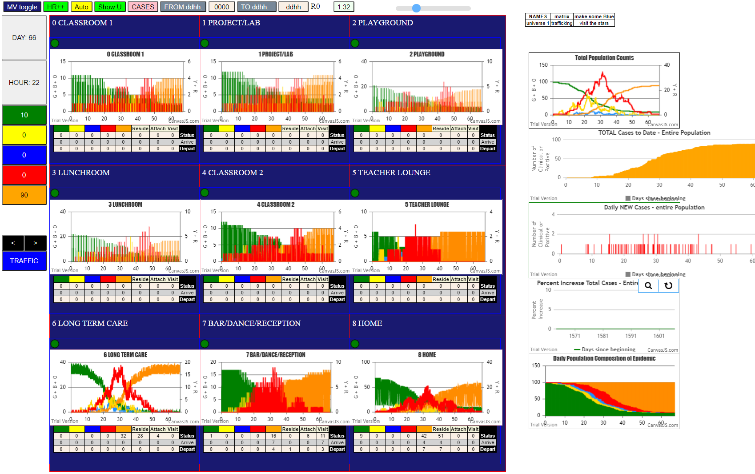
simulation.js | 2006 64I i | famKey 89 | -1 infected by red j | famKey 66 | F06 at gen 661 in U6
simulation.js | 1990 65I j | famKey 35 | F18 infected by red i | famKey 30 | F01 at gen 683 in Univ3
simulation.js | 1990 66I j | famKey 44 | F06 infected by red i | famKey 51 | F06 at gen 707 in Univ6
simulation.js | 2006 67I i | famKey 72 | -1 infected by red j | famKey 82 | -1 at gen 714 in U6
simulation.js | 2006 68I i | famKey 71 | F18 infected by red j | famKey 57 | F13 at gen 740 in U6
simulation.js | 2006 68I i | famKey 79 | -1 infected by red j | famKey 55 | F11 at gen 740 in U6
simulation.js | 2006 70I i | famKey 69 | F14 infected by red j | famKey 51 | F06 at gen 757 in U6
simulation.js | 1990 71I j | famKey 40 | F14 infected by blue i | famKey 89 | -1 at gen 777 in Univ6
simulation.js | 1990 71I j | famKey 16 | F16 infected by red i | famKey 6 | F09 at gen 778 in Univ2
simulation.js | 1990 73I j | famKey 3 | F06 infected by red i | famKey 51 | F06 at gen 808 in Univ8
simulation.js | 2006 74I i | famKey 80 | -1 infected by red j | famKey 54 | F09 at gen 827 in U6
simulation.js | 1990 75I j | famKey 25 | F06 infected by red i | famKey 45 | F06 at gen 840 in Univ8
simulation.js | 2006 76I i | famKey 29 | F17 infected by red j | famKey 99 | F17 at gen 856 in U8
simulation.js | 1990 76I j | famKey 5 | F08 infected by red i | famKey 71 | F18 at gen 857 in Univ6
simulation.js | 2006 78I i | famKey 7 | F10 infected by red j | famKey 97 | F10 at gen 866 in U8
simulation.js | 2006 79I i | famKey 93 | F05 infected by red j | famKey 95 | F08 at gen 878 in U7
2simulation.js | 1990 80I j | famKey 81 | -1 infected by red i | famKey 69 | F14 at gen 881 in Univ6
simulation.js | 1990 81I j | famKey 58 | F14 infected by red i | famKey 69 | F14 at gen 909 in Univ6
simulation.js | 1990 82I j | famKey 13 | F06 infected by red i | famKey 44 | F06 at gen 916 in Univ8
simulation.js | 1990 83I j | famKey 9 | F17 infected by red i | famKey 3 | F06 at gen 922 in Univ2
simulation.js | 2006 84I i | famKey 91 | F01 infected by blue j | famKey 93 | F05 at gen 975 in U7
simulation.js | 1990 85I j | famKey 20 | F00 infected by red i | famKey 7 | F10 at gen 1019 in Univ3
simulation.js | 2006 85I i | famKey 2 | F00 infected by red j | famKey 3 | F06 at gen 1019 in U3
simulation.js | 1990 87I j | famKey 14 | F07 infected by red i | famKey 9 | F17 at gen 1162 in Univ2
simulation.js | 1990 88I j | famKey 90 | F00 infected by red i | famKey 20 | F00 at gen 1201 in Univ8
simulation.js | 1990 89I j | famKey 15 | F07 infected by red i | famKey 14 | F07 at gen 1308 in Univ3

Sheet5
1I j | famKey 31 | F02 infected by blue i | famKey 10 | F02 at gen 4 in Univ8
simulation.js | 1990 1I j | famKey 41 | F02 infected by blue i | famKey 10 | F02 at gen 5 in Univ8
3simulation.js | 2006 3I i | famKey 24 | F05 infected by blue j | famKey 31 | F02 at gen 87 in U1
simulation.js | 1990 4I j | famKey 33 | F06 infected by blue i | famKey 31 | F02 at gen 106 in Univ2
simulation.js | 2006 5I i | famKey 94 | F07 infected by blue j | famKey 31 | F02 at gen 117 in U7
simulation.js | 2006 6I i | famKey 52 | F07 infected by red j | famKey 94 | F07 at gen 245 in U8
simulation.js | 2006 7I i | famKey 22 | F02 infected by red j | famKey 31 | F02 at gen 264 in U8
simulation.js | 2006 8I i | famKey 49 | F02 infected by red j | famKey 31 | F02 at gen 292 in U8
simulation.js | 2006 9I i | famKey 9 | F17 infected by red j | famKey 33 | F06 at gen 349 in U4
simulation.js | 2006 10I i | famKey 80 | -1 infected by blue j | famKey 49 | F02 at gen 398 in U6
simulation.js | 2006 11I i | famKey 68 | F14 infected by red j | famKey 52 | F07 at gen 415 in U6
2simulation.js | 2006 12I i | famKey 72 | -1 infected by red j | famKey 49 | F02 at gen 440 in U6
simulation.js | 2006 13I i | famKey 69 | F14 infected by red j | famKey 52 | F07 at gen 442 in U6
simulation.js | 1990 14I j | famKey 19 | F18 infected by blue i | famKey 9 | F17 at gen 466 in Univ2
simulation.js | 2006 15I i | famKey 50 | F03 infected by red j | famKey 52 | F07 at gen 515 in U6
simulation.js | 1990 16I j | famKey 32 | F05 infected by blue i | famKey 80 | -1 at gen 522 in Univ6
simulation.js | 1990 17I j | famKey 56 | F12 infected by red i | famKey 80 | -1 at gen 524 in Univ6
simulation.js | 2006 18I i | famKey 65 | F03 infected by red j | famKey 68 | F14 at gen 537 in U6
2simulation.js | 1990 19I j | famKey 97 | F10 infected by blue i | famKey 69 | F14 at gen 539 in Univ6
simulation.js | 2006 20I i | famKey 88 | -1 infected by red j | famKey 49 | F02 at gen 541 in U6
2simulation.js | 2006 20I i | famKey 3 | F06 infected by red j | famKey 9 | F17 at gen 542 in U0
simulation.js | 1990 22I j | famKey 57 | F13 infected by red i | famKey 80 | -1 at gen 544 in Univ6
2simulation.js | 1990 23I j | famKey 55 | F11 infected by red i | famKey 80 | -1 at gen 570 in Univ6
simulation.js | 1990 24I j | famKey 51 | F06 infected by red i | famKey 72 | -1 at gen 585 in Univ6
2simulation.js | 2006 25I i | famKey 78 | -1 infected by red j | famKey 80 | -1 at gen 603 in U6
2simulation.js | 1990 26I j | famKey 36 | F10 infected by red i | famKey 72 | -1 at gen 614 in Univ6
simulation.js | 1990 27I j | famKey 91 | F01 infected by blue i | famKey 97 | F10 at gen 622 in Univ7
simulation.js | 1990 28I j | famKey 54 | F09 infected by blue i | famKey 88 | -1 at gen 631 in Univ6
simulation.js | 2006 29I i | famKey 13 | F06 infected by red j | famKey 19 | F18 at gen 634 in U2
2simulation.js | 2006 30I i | famKey 77 | -1 infected by blue j | famKey 57 | F13 at gen 641 in U6
simulation.js | 1990 31I j | famKey 64 | F03 infected by red i | famKey 72 | -1 at gen 655 in Univ6
simulation.js | 1990 32I j | famKey 40 | F14 infected by red i | famKey 50 | F03 at gen 657 in Univ6
simulation.js | 1990 33I j | famKey 38 | F12 infected by red i | famKey 50 | F03 at gen 660 in Univ6
simulation.js | 2006 34I i | famKey 85 | -1 infected by red j | famKey 56 | F12 at gen 669 in U6
2simulation.js | 2006 35I i | famKey 11 | F03 infected by red j | famKey 50 | F03 at gen 672 in U8
3simulation.js | 1990 36I j | famKey 66 | F06 infected by red i | famKey 72 | -1 at gen 682 in Univ6
simulation.js | 1990 36I j | famKey 58 | F14 infected by red i | famKey 57 | F13 at gen 682 in Univ7
simulation.js | 2006 38I i | famKey 83 | -1 infected by red j | famKey 50 | F03 at gen 704 in U6
4simulation.js | 2006 39I i | famKey 89 | -1 infected by red j | famKey 56 | F12 at gen 714 in U6
simulation.js | 2006 40I i | famKey 30 | F01 infected by blue j | famKey 91 | F01 at gen 719 in U8
simulation.js | 2006 41I i | famKey 75 | -1 infected by red j | famKey 50 | F03 at gen 732 in U6
simulation.js | 2006 42I i | famKey 62 | F01 infected by red j | famKey 50 | F03 at gen 734 in U6
simulation.js | 2006 43I i | famKey 67 | F13 infected by red j | famKey 56 | F12 at gen 738 in U6
simulation.js | 1990 44I j | famKey 98 | F16 infected by red i | famKey 97 | F10 at gen 740 in Univ7
simulation.js | 2006 45I i | famKey 25 | F06 infected by red j | famKey 51 | F06 at gen 748 in U8
simulation.js | 1990 45I j | famKey 61 | F17 infected by red i | famKey 78 | -1 at gen 749 in Univ6
simulation.js | 2006 47I i | famKey 7 | F10 infected by red j | famKey 13 | F06 at gen 754 in U2
simulation.js | 1990 47I j | famKey 96 | F09 infected by red i | famKey 65 | F03 at gen 754 in Univ6
simulation.js | 2006 49I i | famKey 74 | -1 infected by red j | famKey 54 | F09 at gen 757 in U6
2simulation.js | 2006 49I i | famKey 82 | -1 infected by blue j | famKey 64 | F03 at gen 757 in U6
simulation.js | 2006 51I i | famKey 81 | -1 infected by red j | famKey 55 | F11 at gen 765 in U6
2simulation.js | 1990 52I j | famKey 44 | F06 infected by red i | famKey 51 | F06 at gen 779 in Univ6
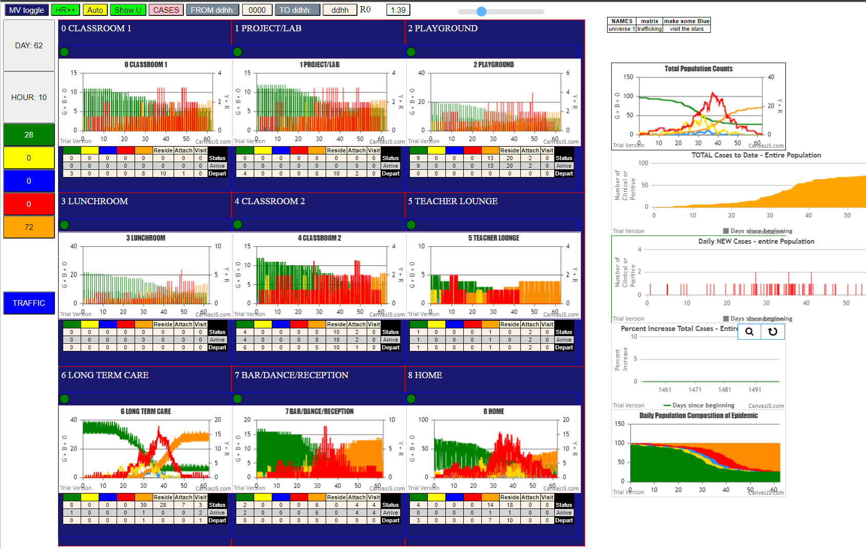
3simulation.js | 2006 53I i | famKey 76 | -1 infected by red j | famKey 78 | -1 at gen 782 in U6
simulation.js | 2006 54I i | famKey 46 | F10 infected by red j | famKey 97 | F10 at gen 802 in U8
simulation.js | 1990 55I j | famKey 60 | F16 infected by red i | famKey 66 | F06 at gen 819 in Univ6
simulation.js | 1990 56I j | famKey 95 | F08 infected by blue i | famKey 89 | -1 at gen 825 in Univ6
2simulation.js | 2006 57I i | famKey 63 | F02 infected by red j | famKey 66 | F06 at gen 832 in U6
2simulation.js | 2006 58I i | famKey 70 | F15 infected by red j | famKey 36 | F10 at gen 855 in U6
simulation.js | 2006 59I i | famKey 71 | F18 infected by blue j | famKey 74 | -1 at gen 857 in U6
simulation.js | 2006 60I i | famKey 18 | F17 infected by blue j | famKey 61 | F17 at gen 871 in U8
simulation.js | 2006 61I i | famKey 5 | F08 infected by red j | famKey 13 | F06 at gen 874 in U2
2simulation.js | 1990 62I j | famKey 99 | F17 infected by blue i | famKey 74 | -1 at gen 877 in Univ6
simulation.js | 2006 63I i | famKey 27 | F09 infected by red j | famKey 54 | F09 at gen 890 in U8
simulation.js | 1990 64I j | famKey 23 | F03 infected by red i | famKey 11 | F03 at gen 957 in Univ8
simulation.js | 1990 65I j | famKey 59 | F15 infected by blue i | famKey 71 | F18 at gen 965 in Univ6
simulation.js | 1990 65I j | famKey 59 | F15 infected by red i | famKey 67 | F13 at gen 965 in Univ6
2simulation.js | 1990 66I j | famKey 8 | F16 infected by red i | famKey 7 | F10 at gen 998 in Univ0
simulation.js | 1990 67I j | famKey 28 | F10 infected by red i | famKey 46 | F10 at gen 1016 in Univ8
simulation.js | 1990 68I j | famKey 1 | F05 infected by red i | famKey 63 | F02 at gen 1026 in Univ6
simulation.js | 2006 69I i | famKey 93 | F05 infected by blue j | famKey 1 | F05 at gen 1100 in U8
5simulation.js | 1990 70I j | famKey 29 | F17 infected by red i | famKey 27 | F09 at gen 1140 in Univ4
simulation.js | 1990 71I j | famKey 92 | F03 infected by red i | famKey 23 | F03 at gen 1176 in Univ8

Sheet6
simulation.js | 2006 1I i | famKey 41 | F02 infected by red j | famKey 10 | F02 at gen 20 in U8
simulation.js | 1990 2I j | famKey 49 | F02 infected by red i | famKey 10 | F02 at gen 121 in Univ8
simulation.js | 2006 3I i | famKey 2 | F00 infected by red j | famKey 10 | F02 at gen 130 in U2
simulation.js | 2006 4I i | famKey 83 | -1 infected by blue j | famKey 49 | F02 at gen 227 in U6
simulation.js | 2006 5I i | famKey 86 | -1 infected by blue j | famKey 49 | F02 at gen 230 in U6
2simulation.js | 1990 6I j | famKey 98 | F16 infected by blue i | famKey 49 | F02 at gen 235 in Univ7
simulation.js | 2006 7I i | famKey 39 | F13 infected by red j | famKey 49 | F02 at gen 281 in U7
simulation.js | 1990 8I j | famKey 48 | F00 infected by red i | famKey 83 | -1 at gen 343 in Univ6
2simulation.js | 1990 9I j | famKey 68 | F14 infected by red i | famKey 86 | -1 at gen 365 in Univ6
simulation.js | 2006 10I i | famKey 77 | -1 infected by red j | famKey 86 | -1 at gen 398 in U6
2simulation.js | 2006 11I i | famKey 73 | -1 infected by red j | famKey 98 | F16 at gen 420 in U6
simulation.js | 1990 12I j | famKey 50 | F03 infected by red i | famKey 86 | -1 at gen 422 in Univ6
simulation.js | 1990 13I j | famKey 63 | F02 infected by red i | famKey 86 | -1 at gen 425 in Univ6
4simulation.js | 2006 14I i | famKey 62 | F01 infected by red j | famKey 86 | -1 at gen 452 in U6
simulation.js | 1990 15I j | famKey 53 | F08 infected by red i | famKey 48 | F00 at gen 490 in Univ6
2simulation.js | 2006 16I i | famKey 67 | F13 infected by red j | famKey 68 | F14 at gen 495 in U6
simulation.js | 1990 17I j | famKey 55 | F11 infected by red i | famKey 68 | F14 at gen 500 in Univ6
simulation.js | 2006 18I i | famKey 78 | -1 infected by red j | famKey 68 | F14 at gen 519 in U6
simulation.js | 1990 19I j | famKey 58 | F14 infected by blue i | famKey 63 | F02 at gen 522 in Univ6
simulation.js | 2006 20I i | famKey 79 | -1 infected by red j | famKey 68 | F14 at gen 537 in U6
simulation.js | 2006 20I i | famKey 88 | -1 infected by red j | famKey 48 | F00 at gen 537 in U6
simulation.js | 2006 20I i | famKey 79 | -1 infected by red j | famKey 68 | F14 at gen 537 in U6
simulation.js | 1990 22I j | famKey 37 | F11 infected by blue i | famKey 73 | -1 at gen 542 in Univ6
2simulation.js | 1990 23I j | famKey 74 | -1 infected by blue i | famKey 62 | F01 at gen 545 in Univ6
2simulation.js | 1990 24I j | famKey 64 | F03 infected by red i | famKey 77 | -1 at gen 560 in Univ6
2simulation.js | 2006 25I i | famKey 84 | -1 infected by red j | famKey 68 | F14 at gen 568 in U6
simulation.js | 2006 26I i | famKey 20 | F00 infected by red j | famKey 48 | F00 at gen 574 in U8
simulation.js | 2006 27I i | famKey 76 | -1 infected by red j | famKey 48 | F00 at gen 583 in U6
simulation.js | 2006 28I i | famKey 80 | -1 infected by blue j | famKey 67 | F13 at gen 593 in U6
simulation.js | 1990 29I j | famKey 51 | F06 infected by blue i | famKey 78 | -1 at gen 611 in Univ6
simulation.js | 1990 30I j | famKey 99 | F17 infected by blue i | famKey 67 | F13 at gen 615 in Univ6
simulation.js | 2006 31I i | famKey 89 | -1 infected by red j | famKey 50 | F03 at gen 632 in U6
simulation.js | 1990 32I j | famKey 97 | F10 infected by red i | famKey 67 | F13 at gen 635 in Univ6
simulation.js | 1990 33I j | famKey 56 | F12 infected by red i | famKey 78 | -1 at gen 641 in Univ6
3simulation.js | 2006 33I i | famKey 69 | F14 infected by red j | famKey 63 | F02 at gen 641 in U6
3simulation.js | 2006 33I i | famKey 71 | F18 infected by red j | famKey 63 | F02 at gen 642 in U6
simulation.js | 1990 36I j | famKey 59 | F15 infected by red i | famKey 79 | -1 at gen 653 in Univ6
simulation.js | 2006 37I i | famKey 92 | F03 infected by red j | famKey 37 | F11 at gen 660 in U7
simulation.js | 1990 38I j | famKey 81 | -1 infected by red i | famKey 74 | -1 at gen 682 in Univ6
2simulation.js | 1990 38I j | famKey 54 | F09 infected by blue i | famKey 80 | -1 at gen 682 in Univ6
simulation.js | 2006 40I i | famKey 72 | -1 infected by red j | famKey 55 | F11 at gen 687 in U6
simulation.js | 1990 41I j | famKey 21 | F01 infected by blue i | famKey 80 | -1 at gen 689 in Univ6
2simulation.js | 1990 42I j | famKey 57 | F13 infected by blue i | famKey 76 | -1 at gen 694 in Univ6
simulation.js | 1990 43I j | famKey 95 | F08 infected by red i | famKey 53 | F08 at gen 699 in Univ8
simulation.js | 2006 44I i | famKey 70 | F15 infected by red j | famKey 53 | F08 at gen 705 in U6
4simulation.js | 1990 45I j | famKey 29 | F17 infected by red i | famKey 20 | F00 at gen 708 in Univ4
simulation.js | 1990 45I j | famKey 46 | F10 infected by red i | famKey 50 | F03 at gen 709 in Univ6
simulation.js | 2006 47I i | famKey 9 | F17 infected by blue j | famKey 99 | F17 at gen 723 in U8
simulation.js | 1990 48I j | famKey 52 | F07 infected by red i | famKey 78 | -1 at gen 730 in Univ6
simulation.js | 1990 48I j | famKey 44 | F06 infected by red i | famKey 53 | F08 at gen 731 in Univ6
simulation.js | 1990 50I j | famKey 36 | F10 infected by red i | famKey 79 | -1 at gen 735 in Univ6
simulation.js | 2006 51I i | famKey 75 | -1 infected by blue j | famKey 56 | F12 at gen 737 in U6
simulation.js | 1990 52I j | famKey 93 | F05 infected by red i | famKey 79 | -1 at gen 761 in Univ6
2simulation.js | 2006 53I i | famKey 18 | F17 infected by red j | famKey 99 | F17 at gen 768 in U8
simulation.js | 1990 54I j | famKey 61 | F17 infected by red i | famKey 76 | -1 at gen 771 in Univ6
simulation.js | 2006 55I i | famKey 38 | F12 infected by red j | famKey 56 | F12 at gen 774 in U8
2simulation.js | 1990 56I j | famKey 30 | F01 infected by red i | famKey 88 | -1 at gen 785 in Univ6
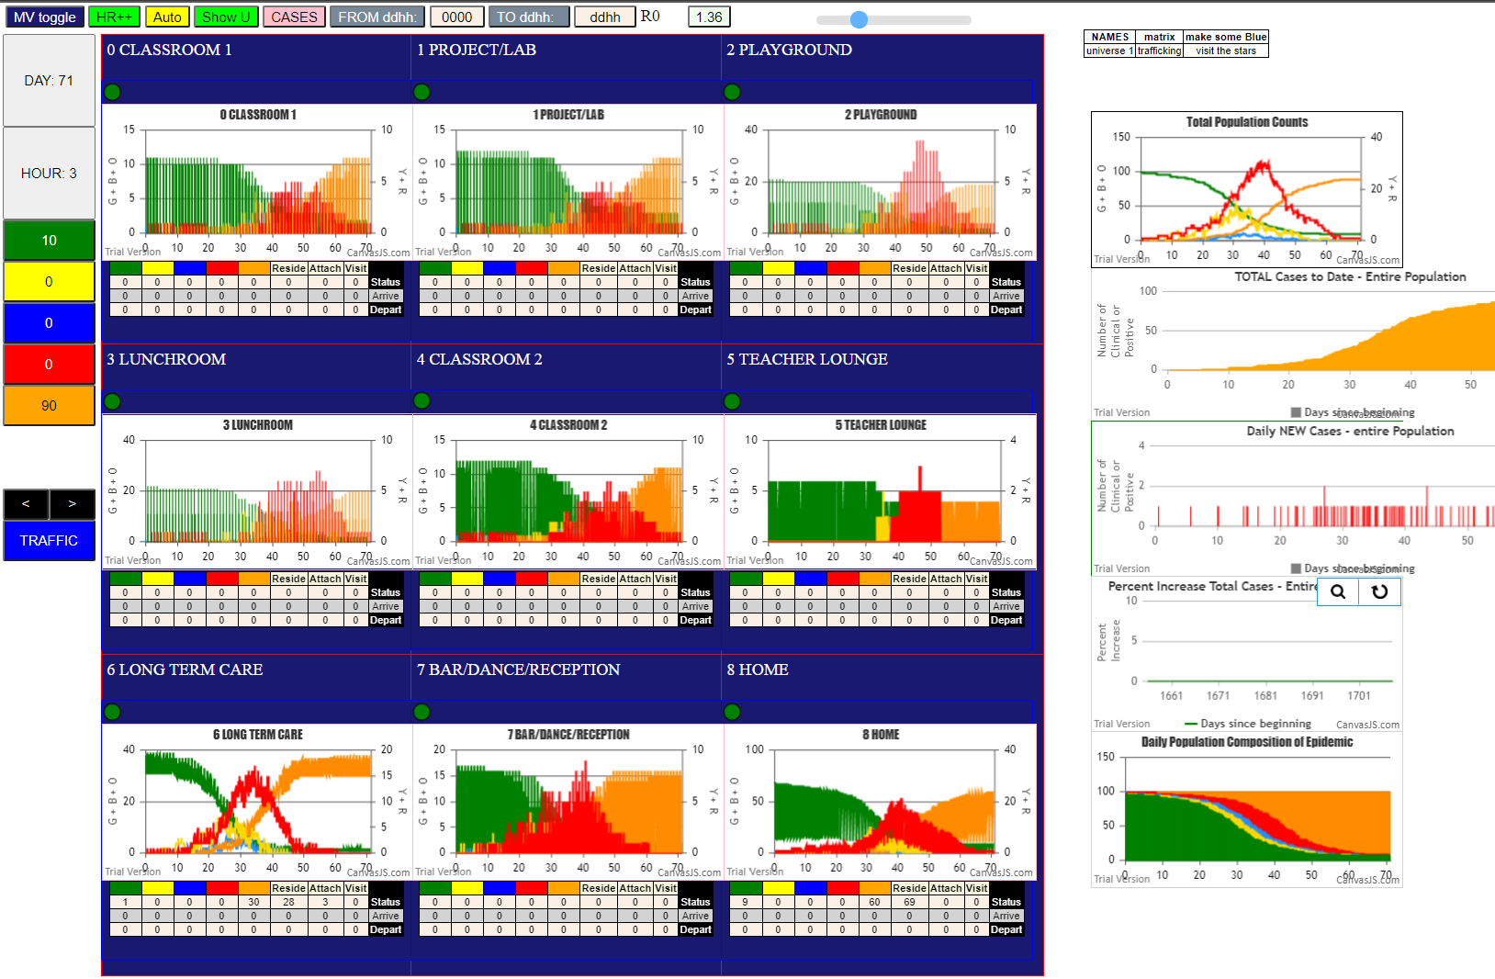
simulation.js | 1990 56I j | famKey 30 | F01 infected by red i | famKey 56 | F12 at gen 785 in Univ6
simulation.js | 1990 57I j | famKey 28 | F10 infected by blue i | famKey 46 | F10 at gen 789 in Univ8
simulation.js | 2006 58I i | famKey 65 | F03 infected by red j | famKey 59 | F15 at gen 792 in U6
simulation.js | 1990 59I j | famKey 87 | -1 infected by red i | famKey 71 | F18 at gen 801 in Univ6
simulation.js | 2006 59I i | famKey 85 | -1 infected by blue j | famKey 52 | F07 at gen 802 in U6
simulation.js | 1990 61I j | famKey 12 | F04 infected by red i | famKey 80 | -1 at gen 811 in Univ6
simulation.js | 2006 62I i | famKey 13 | F06 infected by red j | famKey 51 | F06 at gen 817 in U8
simulation.js | 1990 63I j | famKey 90 | F00 infected by red i | famKey 20 | F00 at gen 821 in Univ8
simulation.js | 1990 64I j | famKey 96 | F09 infected by red i | famKey 92 | F03 at gen 830 in Univ7
simulation.js | 1990 65I j | famKey 34 | F15 infected by red i | famKey 95 | F08 at gen 834 in Univ7
simulation.js | 1990 66I j | famKey 60 | F16 infected by blue i | famKey 52 | F07 at gen 837 in Univ7
simulation.js | 2006 67I i | famKey 7 | F10 infected by red j | famKey 97 | F10 at gen 864 in U8
3simulation.js | 1990 68I j | famKey 66 | F06 infected by red i | famKey 71 | F18 at gen 872 in Univ6
simulation.js | 2006 69I i | famKey 40 | F14 infected by red j | famKey 95 | F08 at gen 882 in U7
simulation.js | 2006 70I i | famKey 4 | F07 infected by red j | famKey 52 | F07 at gen 887 in U8
simulation.js | 2006 71I i | famKey 6 | F09 infected by red j | famKey 54 | F09 at gen 912 in U8
simulation.js | 2006 72I i | famKey 23 | F03 infected by red j | famKey 92 | F03 at gen 920 in U8
4simulation.js | 1990 72I j | famKey 14 | F07 infected by blue i | famKey 13 | F06 at gen 921 in Univ4
3simulation.js | 1990 74I j | famKey 47 | F15 infected by red i | famKey 81 | -1 at gen 928 in Univ6
2simulation.js | 2006 75I i | famKey 16 | F16 infected by red j | famKey 60 | F16 at gen 968 in U8
simulation.js | 1990 76I j | famKey 31 | F02 infected by blue i | famKey 66 | F06 at gen 978 in Univ6
2simulation.js | 1990 77I j | famKey 33 | F06 infected by red i | famKey 44 | F06 at gen 983 in Univ8
simulation.js | 1990 78I j | famKey 3 | F06 infected by red i | famKey 44 | F06 at gen 991 in Univ8
simulation.js | 2006 79I i | famKey 5 | F08 infected by blue j | famKey 6 | F09 at gen 1017 in U1
simulation.js | 2006 80I i | famKey 17 | F16 infected by red j | famKey 60 | F16 at gen 1049 in U8
simulation.js | 1990 81I j | famKey 25 | F06 infected by red i | famKey 13 | F06 at gen 1061 in Univ8
2simulation.js | 1990 82I j | famKey 8 | F16 infected by red i | famKey 4 | F07 at gen 1092 in Univ0
simulation.js | 2006 83I i | famKey 27 | F09 infected by red j | famKey 96 | F09 at gen 1112 in U8
simulation.js | 2006 84I i | famKey 1 | F05 infected by red j | famKey 6 | F09 at gen 1114 in U2
simulation.js | 1990 85I j | famKey 94 | F07 infected by red i | famKey 14 | F07 at gen 1157 in Univ8
simulation.js | 2006 86I i | famKey 0 | -1 infected by blue j | famKey 17 | F16 at gen 1162 in U2
simulation.js | 1990 87I j | famKey 24 | F05 infected by red i | famKey 3 | F06 at gen 1187 in Univ3
simulation.js | 2006 88I i | famKey 26 | F08 infected by red j | famKey 5 | F08 at gen 1242 in U8
simulation.js | 2006 89I i | famKey 15 | F07 infected by red j | famKey 94 | F07 at gen 1391 in U8

Sheet7
File {name | "VL1.csv", lastModified | 1603760180000, lastModifiedDate | Mon Oct 26 2020 17 | 56 | 20 GMT-0700 (Pacific Daylight Time), webkitRelativePath | "", size | 66, …}
2simulation.js | 1990 1I j | famKey 15 | F07 infected by red i | famKey 10 | F02 at gen 33 in Univ4
5simulation.js | 1990 2I j | famKey 12 | F04 infected by red i | famKey 10 | F02 at gen 111 in Univ0
simulation.js | 2006 3I i | famKey 55 | F11 infected by red j | famKey 10 | F02 at gen 162 in U6
simulation.js | 1990 4I j | famKey 52 | F07 infected by red i | famKey 15 | F07 at gen 198 in Univ8
simulation.js | 2006 5I i | famKey 89 | -1 infected by blue j | famKey 55 | F11 at gen 282 in U6
simulation.js | 2006 6I i | famKey 77 | -1 infected by red j | famKey 55 | F11 at gen 286 in U6
simulation.js | 2006 6I i | famKey 4 | F07 infected by red j | famKey 15 | F07 at gen 286 in U8
2simulation.js | 2006 8I i | famKey 69 | F14 infected by blue j | famKey 52 | F07 at gen 295 in U6
simulation.js | 2006 9I i | famKey 83 | -1 infected by blue j | famKey 52 | F07 at gen 300 in U6
simulation.js | 2006 10I i | famKey 81 | -1 infected by red j | famKey 55 | F11 at gen 303 in U6
simulation.js | 1990 10I j | famKey 57 | F13 infected by red i | famKey 55 | F11 at gen 304 in Univ6
simulation.js | 2006 12I i | famKey 71 | F18 infected by red j | famKey 55 | F11 at gen 330 in U6
simulation.js | 2006 13I i | famKey 82 | -1 infected by red j | famKey 55 | F11 at gen 356 in U6
simulation.js | 1990 14I j | famKey 56 | F12 infected by blue i | famKey 77 | -1 at gen 406 in Univ6
simulation.js | 1990 15I j | famKey 49 | F02 infected by blue i | famKey 81 | -1 at gen 416 in Univ6
simulation.js | 2006 16I i | famKey 78 | -1 infected by red j | famKey 83 | -1 at gen 421 in U6
simulation.js | 1990 16I j | famKey 66 | F06 infected by red i | famKey 52 | F07 at gen 422 in Univ6
simulation.js | 1990 18I j | famKey 59 | F15 infected by red i | famKey 89 | -1 at gen 435 in Univ6
3simulation.js | 1990 19I j | famKey 9 | F17 infected by red i | famKey 4 | F07 at gen 446 in Univ0
simulation.js | 2006 19I i | famKey 75 | -1 infected by red j | famKey 52 | F07 at gen 446 in U6
simulation.js | 1990 21I j | famKey 90 | F00 infected by red i | famKey 57 | F13 at gen 466 in Univ7
simulation.js | 2006 22I i | famKey 68 | F14 infected by red j | famKey 57 | F13 at gen 475 in U6
3simulation.js | 1990 22I j | famKey 87 | -1 infected by red i | famKey 81 | -1 at gen 476 in Univ6
simulation.js | 1990 24I j | famKey 99 | F17 infected by red i | famKey 81 | -1 at gen 495 in Univ6
2simulation.js | 1990 25I j | famKey 53 | F08 infected by red i | famKey 77 | -1 at gen 514 in Univ6
simulation.js | 1990 25I j | famKey 51 | F06 infected by blue i | famKey 49 | F02 at gen 515 in Univ6
simulation.js | 1990 27I j | famKey 31 | F02 infected by red i | famKey 83 | -1 at gen 522 in Univ6
simulation.js | 1990 28I j | famKey 61 | F17 infected by blue i | famKey 78 | -1 at gen 528 in Univ6
simulation.js | 1990 29I j | famKey 50 | F03 infected by red i | famKey 77 | -1 at gen 536 in Univ6
simulation.js | 2006 30I i | famKey 80 | -1 infected by red j | famKey 56 | F12 at gen 545 in U6
simulation.js | 1990 30I j | famKey 32 | F05 infected by red i | famKey 89 | -1 at gen 546 in Univ6
3simulation.js | 1990 32I j | famKey 40 | F14 infected by red i | famKey 82 | -1 at gen 561 in Univ6
simulation.js | 2006 33I i | famKey 48 | F00 infected by blue j | famKey 90 | F00 at gen 581 in U8
simulation.js | 1990 34I j | famKey 36 | F10 infected by blue i | famKey 53 | F08 at gen 590 in Univ6
2simulation.js | 2006 35I i | famKey 86 | -1 infected by red j | famKey 56 | F12 at gen 597 in U6
simulation.js | 1990 36I j | famKey 96 | F09 infected by blue i | famKey 53 | F08 at gen 610 in Univ6
simulation.js | 2006 37I i | famKey 47 | F15 infected by red j | famKey 59 | F15 at gen 631 in U8
simulation.js | 2006 37I i | famKey 70 | F15 infected by red j | famKey 66 | F06 at gen 632 in U6
simulation.js | 2006 37I i | famKey 20 | F00 infected by red j | famKey 90 | F00 at gen 632 in U8
simulation.js | 2006 40I i | famKey 88 | -1 infected by red j | famKey 99 | F17 at gen 639 in U6
simulation.js | 1990 40I j | famKey 63 | F02 infected by red i | famKey 87 | -1 at gen 640 in Univ6
simulation.js | 1990 42I j | famKey 94 | F07 infected by red i | famKey 87 | -1 at gen 660 in Univ6
2simulation.js | 2006 43I i | famKey 58 | F14 infected by red j | famKey 99 | F17 at gen 663 in U6
simulation.js | 2006 44I i | famKey 67 | F13 infected by red j | famKey 59 | F15 at gen 671 in U6
simulation.js | 2006 45I i | famKey 79 | -1 infected by red j | famKey 61 | F17 at gen 673 in U6
simulation.js | 1990 46I j | famKey 65 | F03 infected by blue i | famKey 36 | F10 at gen 686 in Univ6
2simulation.js | 2006 47I i | famKey 46 | F10 infected by red j | famKey 99 | F17 at gen 709 in U6
simulation.js | 1990 48I j | famKey 1 | F05 infected by red i | famKey 80 | -1 at gen 714 in Univ6
simulation.js | 2006 49I i | famKey 24 | F05 infected by red j | famKey 32 | F05 at gen 723 in U8
simulation.js | 2006 50I i | famKey 73 | -1 infected by red j | famKey 61 | F17 at gen 743 in U6
simulation.js | 2006 51I i | famKey 25 | F06 infected by red j | famKey 51 | F06 at gen 749 in U8
simulation.js | 1990 52I j | famKey 27 | F09 infected by red i | famKey 20 | F00 at gen 755 in Univ3
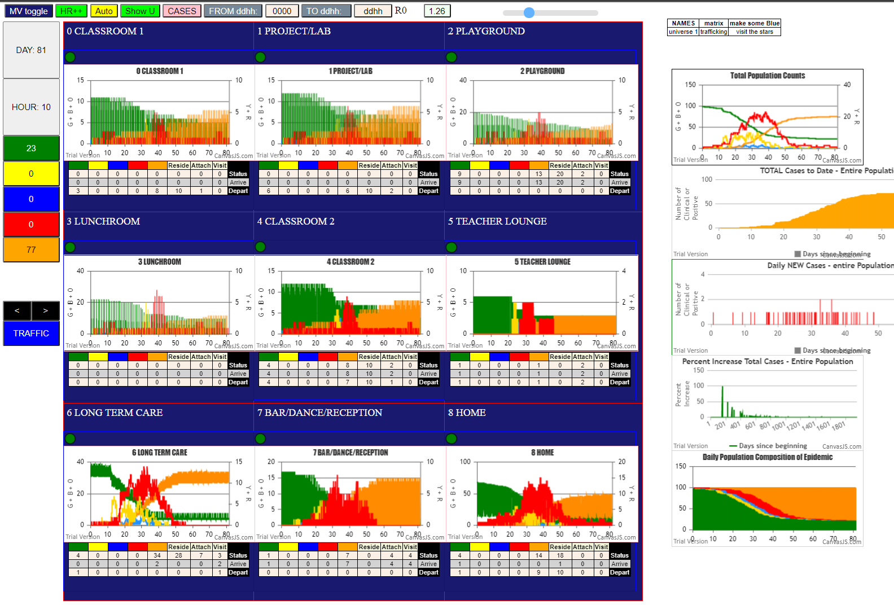
simulation.js | 1990 53I j | famKey 72 | -1 infected by red i | famKey 70 | F15 at gen 762 in Univ6
simulation.js | 1990 53I j | famKey 26 | F08 infected by red i | famKey 53 | F08 at gen 762 in Univ8
simulation.js | 1990 55I j | famKey 39 | F13 infected by red i | famKey 70 | F15 at gen 779 in Univ6
simulation.js | 2006 55I i | famKey 93 | F05 infected by blue j | famKey 58 | F14 at gen 780 in U7
simulation.js | 2006 57I i | famKey 98 | F16 infected by red j | famKey 31 | F02 at gen 789 in U7
simulation.js | 1990 58I j | famKey 34 | F15 infected by red i | famKey 47 | F15 at gen 791 in Univ8
simulation.js | 2006 59I i | famKey 7 | F10 infected by red j | famKey 36 | F10 at gen 796 in U8
simulation.js | 2006 60I i | famKey 62 | F01 infected by red j | famKey 67 | F13 at gen 829 in U6
simulation.js | 1990 61I j | famKey 97 | F10 infected by red i | famKey 94 | F07 at gen 834 in Univ7
simulation.js | 1990 62I j | famKey 43 | F04 infected by red i | famKey 67 | F13 at gen 850 in Univ6
simulation.js | 2006 63I i | famKey 76 | -1 infected by red j | famKey 65 | F03 at gen 853 in U6
simulation.js | 2006 64I i | famKey 44 | F06 infected by red j | famKey 25 | F06 at gen 881 in U8
simulation.js | 1990 65I j | famKey 91 | F01 infected by red i | famKey 96 | F09 at gen 910 in Univ7
simulation.js | 1990 66I j | famKey 60 | F16 infected by red i | famKey 73 | -1 at gen 918 in Univ6
simulation.js | 1990 67I j | famKey 54 | F09 infected by red i | famKey 79 | -1 at gen 921 in Univ6
2simulation.js | 1990 68I j | famKey 19 | F18 infected by red i | famKey 7 | F10 at gen 946 in Univ2
simulation.js | 1990 69I j | famKey 45 | F06 infected by red i | famKey 93 | F05 at gen 997 in Univ7
simulation.js | 2006 70I i | famKey 92 | F03 infected by red j | famKey 43 | F04 at gen 1043 in U7
simulation.js | 1990 71I j | famKey 28 | F10 infected by red i | famKey 7 | F10 at gen 1051 in Univ8
simulation.js | 2006 72I i | famKey 11 | F03 infected by red j | famKey 92 | F03 at gen 1197 in U8
4simulation.js | 2006 73I i | famKey 23 | F03 infected by red j | famKey 28 | F10 at gen 1262 in U4
simulation.js | 2006 74I i | famKey 8 | F16 infected by red j | famKey 11 | F03 at gen 1354 in U2
2simulation.js | 1990 75I j | famKey 17 | F16 infected by red i | famKey 8 | F16 at gen 1540 in Univ8
simulation.js | 2006 76I i | famKey 14 | F07 infected by blue j | famKey 17 | F16 at gen 1644 in U3

Sheet8
1I i | famKey 6 | F09 infected by red j | famKey 10 | F02 at gen 34 in U2
simulation.js | 2006 2I i | famKey 5 | F08 infected by red j | famKey 10 | F02 at gen 58 in U2
3simulation.js | 2006 3I i | famKey 73 | -1 infected by red j | famKey 10 | F02 at gen 114 in U6
simulation.js | 1990 4I j | famKey 19 | F18 infected by red i | famKey 10 | F02 at gen 130 in Univ2
simulation.js | 1990 5I j | famKey 32 | F05 infected by red i | famKey 6 | F09 at gen 153 in Univ1
simulation.js | 1990 5I j | famKey 33 | F06 infected by blue i | famKey 5 | F08 at gen 154 in Univ2
simulation.js | 2006 7I i | famKey 76 | -1 infected by red j | famKey 6 | F09 at gen 185 in U6
simulation.js | 1990 8I j | famKey 27 | F09 infected by red i | famKey 6 | F09 at gen 233 in Univ6
simulation.js | 1990 9I j | famKey 35 | F18 infected by blue i | famKey 19 | F18 at gen 239 in Univ8
simulation.js | 2006 9I i | famKey 26 | F08 infected by red j | famKey 5 | F08 at gen 239 in U8
simulation.js | 2006 11I i | famKey 12 | F04 infected by red j | famKey 19 | F18 at gen 298 in U2
5simulation.js | 2006 12I i | famKey 14 | F07 infected by red j | famKey 19 | F18 at gen 325 in U0
simulation.js | 2006 13I i | famKey 51 | F06 infected by red j | famKey 33 | F06 at gen 362 in U8
3simulation.js | 2006 14I i | famKey 4 | F07 infected by red j | famKey 32 | F05 at gen 375 in U4
simulation.js | 2006 15I i | famKey 7 | F10 infected by red j | famKey 26 | F08 at gen 395 in U3
2simulation.js | 2006 16I i | famKey 82 | -1 infected by red j | famKey 32 | F05 at gen 402 in U6
simulation.js | 2006 17I i | famKey 25 | F06 infected by red j | famKey 33 | F06 at gen 413 in U8
simulation.js | 2006 17I i | famKey 13 | F06 infected by red j | famKey 33 | F06 at gen 414 in U8
simulation.js | 2006 19I i | famKey 86 | -1 infected by red j | famKey 12 | F04 at gen 424 in U6
simulation.js | 2006 20I i | famKey 34 | F15 infected by red j | famKey 35 | F18 at gen 430 in U7
simulation.js | 1990 21I j | famKey 18 | F17 infected by red i | famKey 12 | F04 at gen 442 in Univ2
2simulation.js | 2006 22I i | famKey 67 | F13 infected by blue j | famKey 51 | F06 at gen 467 in U6
simulation.js | 1990 23I j | famKey 39 | F13 infected by red i | famKey 51 | F06 at gen 492 in Univ6
simulation.js | 2006 24I i | famKey 42 | F04 infected by red j | famKey 12 | F04 at gen 506 in U8
2simulation.js | 2006 25I i | famKey 11 | F03 infected by red j | famKey 12 | F04 at gen 518 in U1
simulation.js | 2006 26I i | famKey 1 | F05 infected by red j | famKey 7 | F10 at gen 538 in U2
simulation.js | 1990 26I j | famKey 88 | -1 infected by red i | famKey 82 | -1 at gen 539 in Univ6
simulation.js | 2006 28I i | famKey 45 | F06 infected by red j | famKey 25 | F06 at gen 549 in U8
simulation.js | 1990 29I j | famKey 52 | F07 infected by red i | famKey 86 | -1 at gen 561 in Univ6
simulation.js | 1990 30I j | famKey 50 | F03 infected by red i | famKey 86 | -1 at gen 565 in Univ6
simulation.js | 2006 31I i | famKey 77 | -1 infected by red j | famKey 51 | F06 at gen 583 in U6
simulation.js | 1990 32I j | famKey 58 | F14 infected by red i | famKey 82 | -1 at gen 594 in Univ6
simulation.js | 1990 33I j | famKey 99 | F17 infected by red i | famKey 18 | F17 at gen 600 in Univ8
simulation.js | 2006 34I i | famKey 2 | F00 infected by red j | famKey 4 | F07 at gen 615 in U4
simulation.js | 2006 35I i | famKey 44 | F06 infected by red j | famKey 25 | F06 at gen 631 in U8
simulation.js | 1990 36I j | famKey 53 | F08 infected by red i | famKey 67 | F13 at gen 634 in Univ6
simulation.js | 2006 37I i | famKey 15 | F07 infected by blue j | famKey 52 | F07 at gen 675 in U8
simulation.js | 1990 37I j | famKey 61 | F17 infected by red i | famKey 86 | -1 at gen 676 in Univ6
simulation.js | 1990 39I j | famKey 54 | F09 infected by red i | famKey 50 | F03 at gen 685 in Univ6
simulation.js | 1990 39I j | famKey 68 | F14 infected by red i | famKey 86 | -1 at gen 686 in Univ6
simulation.js | 2006 41I i | famKey 64 | F03 infected by blue j | famKey 58 | F14 at gen 689 in U6
simulation.js | 1990 41I j | famKey 56 | F12 infected by red i | famKey 88 | -1 at gen 690 in Univ6
2simulation.js | 2006 43I i | famKey 71 | F18 infected by red j | famKey 82 | -1 at gen 692 in U6
simulation.js | 2006 44I i | famKey 16 | F16 infected by red j | famKey 18 | F17 at gen 706 in U2
3simulation.js | 1990 45I j | famKey 8 | F16 infected by red i | famKey 1 | F05 at gen 734 in Univ0
simulation.js | 1990 46I j | famKey 90 | F00 infected by red i | famKey 2 | F00 at gen 770 in Univ8
2simulation.js | 1990 47I j | famKey 95 | F08 infected by blue i | famKey 71 | F18 at gen 777 in Univ6
2simulation.js | 1990 48I j | famKey 97 | F10 infected by red i | famKey 50 | F03 at gen 779 in Univ6
simulation.js | 2006 48I i | famKey 62 | F01 infected by red j | famKey 44 | F06 at gen 779 in U6
simulation.js | 2006 50I i | famKey 72 | -1 infected by blue j | famKey 54 | F09 at gen 801 in U6
3simulation.js | 1990 50I j | famKey 31 | F02 infected by red i | famKey 11 | F03 at gen 802 in Univ2
2simulation.js | 2006 50I i | famKey 69 | F14 infected by blue j | famKey 64 | F03 at gen 802 in U6
simulation.js | 2006 50I i | famKey 63 | F02 infected by red j | famKey 53 | F08 at gen 802 in U6
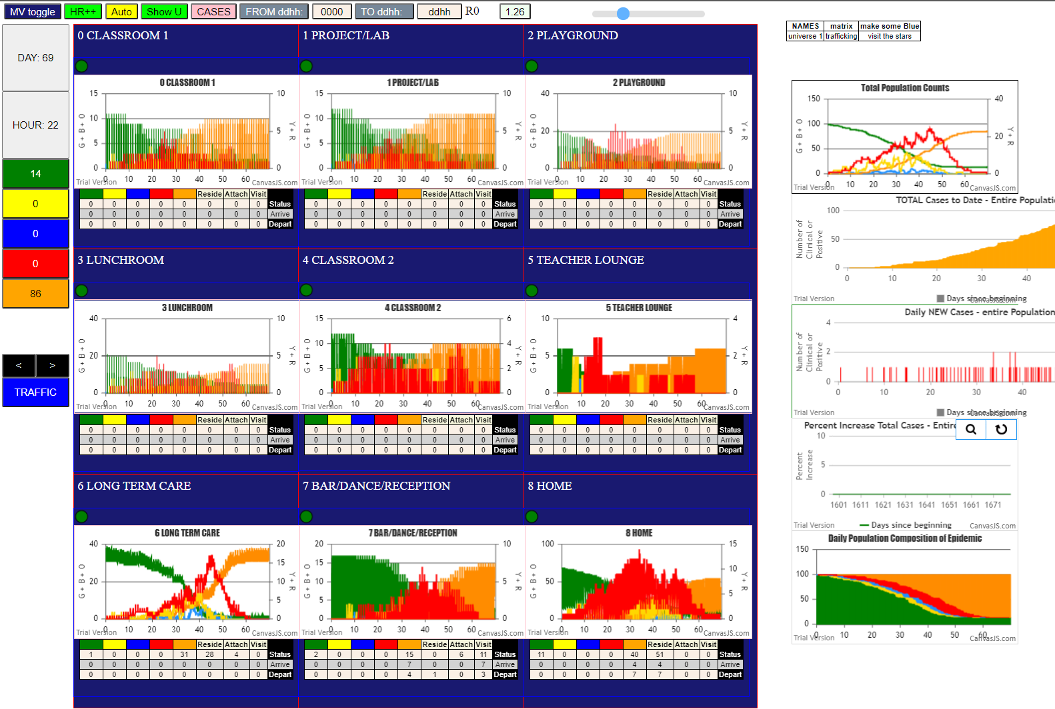
simulation.js | 2006 54I i | famKey 75 | -1 infected by red j | famKey 88 | -1 at gen 806 in U6
simulation.js | 1990 55I j | famKey 47 | F15 infected by red i | famKey 58 | F14 at gen 808 in Univ6
simulation.js | 1990 56I j | famKey 60 | F16 infected by red i | famKey 71 | F18 at gen 815 in Univ6
simulation.js | 1990 57I j | famKey 85 | -1 infected by red i | famKey 77 | -1 at gen 831 in Univ6
simulation.js | 2006 58I i | famKey 83 | -1 infected by red j | famKey 58 | F14 at gen 859 in U6
simulation.js | 2006 58I i | famKey 79 | -1 infected by red j | famKey 64 | F03 at gen 859 in U6
simulation.js | 2006 60I i | famKey 9 | F17 infected by red j | famKey 99 | F17 at gen 864 in U8
simulation.js | 2006 61I i | famKey 74 | -1 infected by red j | famKey 56 | F12 at gen 884 in U6
simulation.js | 2006 62I i | famKey 66 | F06 infected by red j | famKey 54 | F09 at gen 896 in U6
simulation.js | 2006 63I i | famKey 48 | F00 infected by red j | famKey 64 | F03 at gen 902 in U6
simulation.js | 2006 64I i | famKey 78 | -1 infected by blue j | famKey 60 | F16 at gen 915 in U6
simulation.js | 1990 65I j | famKey 49 | F02 infected by blue i | famKey 75 | -1 at gen 922 in Univ6
simulation.js | 2006 66I i | famKey 93 | F05 infected by red j | famKey 64 | F03 at gen 924 in U7
simulation.js | 2006 66I i | famKey 80 | -1 infected by red j | famKey 64 | F03 at gen 925 in U6
2simulation.js | 2006 66I i | famKey 84 | -1 infected by red j | famKey 64 | F03 at gen 925 in U6
simulation.js | 2006 69I i | famKey 87 | -1 infected by red j | famKey 61 | F17 at gen 942 in U6
simulation.js | 1990 70I j | famKey 98 | F16 infected by red i | famKey 95 | F08 at gen 956 in Univ7
simulation.js | 2006 71I i | famKey 89 | -1 infected by red j | famKey 95 | F08 at gen 969 in U6
simulation.js | 2006 71I i | famKey 70 | F15 infected by red j | famKey 72 | -1 at gen 969 in U6
simulation.js | 1990 73I j | famKey 59 | F15 infected by red i | famKey 85 | -1 at gen 985 in Univ6
simulation.js | 1990 74I j | famKey 29 | F17 infected by red i | famKey 9 | F17 at gen 989 in Univ8
2simulation.js | 1990 75I j | famKey 91 | F01 infected by red i | famKey 90 | F00 at gen 995 in Univ7
2simulation.js | 1990 76I j | famKey 65 | F03 infected by blue i | famKey 84 | -1 at gen 1015 in Univ6
2simulation.js | 2006 77I i | famKey 22 | F02 infected by red j | famKey 31 | F02 at gen 1021 in U2
simulation.js | 1990 78I j | famKey 55 | F11 infected by red i | famKey 75 | -1 at gen 1049 in Univ6
simulation.js | 1990 78I j | famKey 30 | F01 infected by red i | famKey 66 | F06 at gen 1049 in Univ6
simulation.js | 1990 80I j | famKey 36 | F10 infected by red i | famKey 78 | -1 at gen 1069 in Univ6
simulation.js | 1990 81I j | famKey 81 | -1 infected by red i | famKey 74 | -1 at gen 1121 in Univ6
simulation.js | 2006 82I i | famKey 24 | F05 infected by red j | famKey 93 | F05 at gen 1128 in U8
simulation.js | 1990 83I j | famKey 43 | F04 infected by red i | famKey 84 | -1 at gen 1162 in Univ6
simulation.js | 2006 84I i | famKey 92 | F03 infected by red j | famKey 65 | F03 at gen 1188 in U7
simulation.js | 2006 85I i | famKey 23 | F03 infected by red j | famKey 92 | F03 at gen 1352 in U8

Sheet9
ile {name | "VL1.csv", lastModified | 1603760180000, lastModifiedDate | Mon Oct 26 2020 17 | 56 | 20 GMT-0700 (Pacific Daylight Time), webkitRelativePath | "", size | 66, …}
simulation.js | 2006 1I i | famKey 70 | F15 infected by red j | famKey 10 | F02 at gen 18 in U6
simulation.js | 2006 2I i | famKey 22 | F02 infected by red j | famKey 10 | F02 at gen 28 in U8
2simulation.js | 1990 3I j | famKey 1 | F05 infected by blue i | famKey 70 | F15 at gen 114 in Univ6
simulation.js | 1990 4I j | famKey 49 | F02 infected by red i | famKey 70 | F15 at gen 154 in Univ6
simulation.js | 1990 5I j | famKey 50 | F03 infected by red i | famKey 70 | F15 at gen 200 in Univ6
2simulation.js | 1990 6I j | famKey 24 | F05 infected by red i | famKey 22 | F02 at gen 231 in Univ1
4simulation.js | 1990 7I j | famKey 23 | F03 infected by red i | famKey 22 | F02 at gen 255 in Univ1
2simulation.js | 1990 8I j | famKey 74 | -1 infected by red i | famKey 70 | F15 at gen 277 in Univ6
simulation.js | 1990 9I j | famKey 99 | F17 infected by blue i | famKey 50 | F03 at gen 282 in Univ7
simulation.js | 1990 9I j | famKey 98 | F16 infected by red i | famKey 49 | F02 at gen 283 in Univ7
simulation.js | 1990 11I j | famKey 31 | F02 infected by red i | famKey 22 | F02 at gen 286 in Univ8
2simulation.js | 1990 12I j | famKey 2 | F00 infected by red i | famKey 1 | F05 at gen 323 in Univ3
simulation.js | 1990 13I j | famKey 29 | F17 infected by red i | famKey 23 | F03 at gen 395 in Univ3
simulation.js | 1990 14I j | famKey 68 | F14 infected by blue i | famKey 74 | -1 at gen 400 in Univ6
simulation.js | 2006 15I i | famKey 16 | F16 infected by red j | famKey 98 | F16 at gen 415 in U8
simulation.js | 2006 16I i | famKey 6 | F09 infected by red j | famKey 24 | F05 at gen 419 in U3
simulation.js | 2006 17I i | famKey 72 | -1 infected by red j | famKey 74 | -1 at gen 447 in U6
simulation.js | 1990 18I j | famKey 33 | F06 infected by red i | famKey 99 | F17 at gen 453 in Univ7
simulation.js | 2006 19I i | famKey 11 | F03 infected by red j | famKey 23 | F03 at gen 463 in U8
5simulation.js | 1990 20I j | famKey 25 | F06 infected by red i | famKey 24 | F05 at gen 468 in Univ4
simulation.js | 2006 21I i | famKey 17 | F16 infected by red j | famKey 98 | F16 at gen 485 in U8
2simulation.js | 1990 22I j | famKey 53 | F08 infected by blue i | famKey 68 | F14 at gen 489 in Univ6
simulation.js | 2006 23I i | famKey 57 | F13 infected by red j | famKey 68 | F14 at gen 540 in U7
simulation.js | 2006 23I i | famKey 20 | F00 infected by red j | famKey 23 | F03 at gen 541 in U2
simulation.js | 1990 25I j | famKey 63 | F02 infected by blue i | famKey 72 | -1 at gen 544 in Univ6
simulation.js | 2006 26I i | famKey 86 | -1 infected by red j | famKey 68 | F14 at gen 567 in U6
simulation.js | 2006 27I i | famKey 30 | F01 infected by blue j | famKey 33 | F06 at gen 572 in U7
simulation.js | 2006 28I i | famKey 3 | F06 infected by red j | famKey 6 | F09 at gen 591 in U4
simulation.js | 1990 28I j | famKey 34 | F15 infected by red i | famKey 33 | F06 at gen 592 in Univ5
simulation.js | 1990 29I j | famKey 27 | F09 infected by red i | famKey 68 | F14 at gen 593 in Univ6
simulation.js | 1990 31I j | famKey 61 | F17 infected by red i | famKey 29 | F17 at gen 597 in Univ8
simulation.js | 1990 32I j | famKey 5 | F08 infected by red i | famKey 53 | F08 at gen 618 in Univ8
2simulation.js | 1990 33I j | famKey 48 | F00 infected by red i | famKey 72 | -1 at gen 631 in Univ6
simulation.js | 2006 34I i | famKey 88 | -1 infected by blue j | famKey 57 | F13 at gen 639 in U6
simulation.js | 1990 35I j | famKey 90 | F00 infected by red i | famKey 68 | F14 at gen 642 in Univ6
2simulation.js | 2006 36I i | famKey 65 | F03 infected by blue j | famKey 27 | F09 at gen 665 in U6
simulation.js | 1990 37I j | famKey 66 | F06 infected by red i | famKey 57 | F13 at gen 684 in Univ7
simulation.js | 2006 38I i | famKey 54 | F09 infected by red j | famKey 68 | F14 at gen 686 in U6
simulation.js | 2006 38I i | famKey 87 | -1 infected by red j | famKey 63 | F02 at gen 687 in U6
simulation.js | 2006 40I i | famKey 80 | -1 infected by red j | famKey 6 | F09 at gen 689 in U6
2simulation.js | 2006 41I i | famKey 45 | F06 infected by red j | famKey 25 | F06 at gen 691 in U8
simulation.js | 2006 42I i | famKey 92 | F03 infected by blue j | famKey 61 | F17 at gen 712 in U7
simulation.js | 2006 43I i | famKey 83 | -1 infected by blue j | famKey 48 | F00 at gen 727 in U6
simulation.js | 2006 44I i | famKey 8 | F16 infected by red j | famKey 33 | F06 at gen 730 in U2
simulation.js | 1990 45I j | famKey 58 | F14 infected by red i | famKey 86 | -1 at gen 737 in Univ6
4simulation.js | 2006 46I i | famKey 71 | F18 infected by red j | famKey 86 | -1 at gen 740 in U6
2simulation.js | 2006 47I i | famKey 62 | F01 infected by red j | famKey 86 | -1 at gen 747 in U6
5simulation.js | 1990 48I j | famKey 28 | F10 infected by red i | famKey 27 | F09 at gen 754 in Univ4
simulation.js | 2006 49I i | famKey 78 | -1 infected by red j | famKey 61 | F17 at gen 774 in U6
simulation.js | 2006 49I i | famKey 69 | F14 infected by blue j | famKey 54 | F09 at gen 775 in U6
simulation.js | 2006 51I i | famKey 89 | -1 infected by red j | famKey 48 | F00 at gen 777 in U6
simulation.js | 1990 52I j | famKey 67 | F13 infected by red i | famKey 63 | F02 at gen 786 in Univ6
simulation.js | 2006 53I i | famKey 85 | -1 infected by red j | famKey 48 | F00 at gen 799 in U6
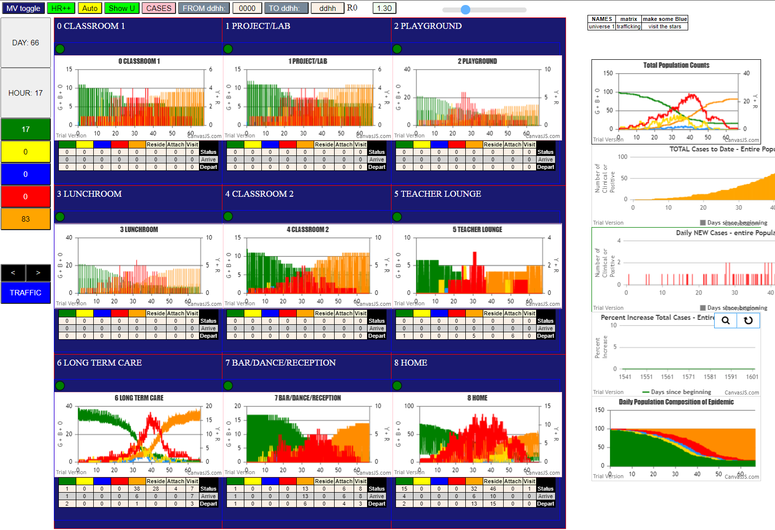
2simulation.js | 1990 54I j | famKey 51 | F06 infected by blue i | famKey 45 | F06 at gen 807 in Univ8
simulation.js | 2006 55I i | famKey 81 | -1 infected by blue j | famKey 92 | F03 at gen 809 in U6
simulation.js | 1990 56I j | famKey 55 | F11 infected by red i | famKey 80 | -1 at gen 813 in Univ6
simulation.js | 2006 57I i | famKey 77 | -1 infected by red j | famKey 48 | F00 at gen 824 in U6
simulation.js | 1990 57I j | famKey 96 | F09 infected by red i | famKey 27 | F09 at gen 824 in Univ8
simulation.js | 1990 59I j | famKey 95 | F08 infected by red i | famKey 90 | F00 at gen 830 in Univ7
simulation.js | 2006 60I i | famKey 4 | F07 infected by red j | famKey 30 | F01 at gen 849 in U1
simulation.js | 1990 61I j | famKey 7 | F10 infected by red i | famKey 3 | F06 at gen 851 in Univ3
simulation.js | 2006 62I i | famKey 40 | F14 infected by red j | famKey 58 | F14 at gen 869 in U8
simulation.js | 1990 63I j | famKey 64 | F03 infected by red i | famKey 54 | F09 at gen 877 in Univ6
simulation.js | 1990 64I j | famKey 56 | F12 infected by blue i | famKey 78 | -1 at gen 879 in Univ6
simulation.js | 2006 65I i | famKey 76 | -1 infected by blue j | famKey 67 | F13 at gen 883 in U6
simulation.js | 1990 66I j | famKey 59 | F15 infected by red i | famKey 71 | F18 at gen 890 in Univ6
simulation.js | 1990 67I j | famKey 52 | F07 infected by red i | famKey 48 | F00 at gen 896 in Univ6
simulation.js | 1990 68I j | famKey 60 | F16 infected by red i | famKey 65 | F03 at gen 911 in Univ6
simulation.js | 2006 69I i | famKey 79 | -1 infected by red j | famKey 51 | F06 at gen 924 in U6
simulation.js | 1990 70I j | famKey 26 | F08 infected by blue i | famKey 7 | F10 at gen 947 in Univ3
simulation.js | 2006 71I i | famKey 75 | -1 infected by red j | famKey 58 | F14 at gen 953 in U6
simulation.js | 1990 72I j | famKey 46 | F10 infected by red i | famKey 80 | -1 at gen 973 in Univ6
2simulation.js | 1990 73I j | famKey 97 | F10 infected by red i | famKey 95 | F08 at gen 1025 in Univ7
simulation.js | 1990 74I j | famKey 37 | F11 infected by red i | famKey 85 | -1 at gen 1046 in Univ6
simulation.js | 1990 75I j | famKey 39 | F13 infected by red i | famKey 77 | -1 at gen 1092 in Univ6
simulation.js | 2006 76I i | famKey 82 | -1 infected by red j | famKey 51 | F06 at gen 1094 in U6
simulation.js | 2006 77I i | famKey 93 | F05 infected by red j | famKey 59 | F15 at gen 1120 in U7
simulation.js | 1990 78I j | famKey 32 | F05 infected by red i | famKey 56 | F12 at gen 1122 in Univ6
simulation.js | 1990 79I j | famKey 14 | F07 infected by red i | famKey 4 | F07 at gen 1128 in Univ8
simulation.js | 2006 80I i | famKey 84 | -1 infected by red j | famKey 46 | F10 at gen 1141 in U6
2simulation.js | 1990 81I j | famKey 38 | F12 infected by blue i | famKey 39 | F13 at gen 1164 in Univ6
simulation.js | 2006 82I i | famKey 73 | -1 infected by red j | famKey 84 | -1 at gen 1283 in U6

Sheet10
File {name | "VL1.csv", lastModified | 1603760180000, lastModifiedDate | Mon Oct 26 2020 17 | 56 | 20 GMT-0700 (Pacific Daylight Time), webkitRelativePath | "", size | 66, …}
simulation.js | 1990 1I j | famKey 31 | F02 infected by red i | famKey 10 | F02 at gen 166 in Univ8
2simulation.js | 2006 2I i | famKey 67 | F13 infected by red j | famKey 31 | F02 at gen 282 in U6
simulation.js | 2006 3I i | famKey 21 | F01 infected by red j | famKey 31 | F02 at gen 303 in U1
simulation.js | 1990 4I j | famKey 33 | F06 infected by red i | famKey 31 | F02 at gen 344 in Univ5
simulation.js | 2006 5I i | famKey 74 | -1 infected by blue j | famKey 67 | F13 at gen 392 in U6
simulation.js | 2006 6I i | famKey 12 | F04 infected by red j | famKey 31 | F02 at gen 394 in U2
simulation.js | 1990 7I j | famKey 97 | F10 infected by red i | famKey 67 | F13 at gen 443 in Univ6
simulation.js | 1990 8I j | famKey 91 | F01 infected by red i | famKey 21 | F01 at gen 453 in Univ8
simulation.js | 1990 9I j | famKey 35 | F18 infected by red i | famKey 21 | F01 at gen 467 in Univ3
simulation.js | 2006 10I i | famKey 53 | F08 infected by red j | famKey 67 | F13 at gen 469 in U6
simulation.js | 2006 11I i | famKey 54 | F09 infected by red j | famKey 33 | F06 at gen 477 in U7
simulation.js | 2006 12I i | famKey 69 | F14 infected by red j | famKey 67 | F13 at gen 484 in U6
2simulation.js | 2006 13I i | famKey 62 | F01 infected by blue j | famKey 12 | F04 at gen 499 in U6
simulation.js | 2006 14I i | famKey 13 | F06 infected by red j | famKey 33 | F06 at gen 502 in U8
simulation.js | 1990 15I j | famKey 19 | F18 infected by blue i | famKey 12 | F04 at gen 515 in Univ1
simulation.js | 2006 16I i | famKey 81 | -1 infected by red j | famKey 67 | F13 at gen 522 in U6
simulation.js | 2006 17I i | famKey 42 | F04 infected by red j | famKey 12 | F04 at gen 531 in U8
simulation.js | 1990 18I j | famKey 52 | F07 infected by red i | famKey 74 | -1 at gen 536 in Univ6
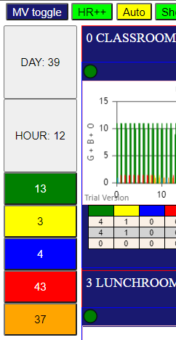
simulation.js | 2006 19I i | famKey 87 | -1 infected by blue j | famKey 97 | F10 at gen 539 in U6
2simulation.js | 2006 19I i | famKey 29 | F17 infected by blue j | famKey 35 | F18 at gen 540 in U4
simulation.js | 2006 21I i | famKey 71 | F18 infected by red j | famKey 67 | F13 at gen 544 in U6
simulation.js | 2006 22I i | famKey 25 | F06 infected by red j | famKey 33 | F06 at gen 556 in U8
2simulation.js | 2006 22I i | famKey 45 | F06 infected by red j | famKey 33 | F06 at gen 557 in U8
simulation.js | 1990 24I j | famKey 58 | F14 infected by blue i | famKey 91 | F01 at gen 565 in Univ7
simulation.js | 2006 25I i | famKey 89 | -1 infected by blue j | famKey 54 | F09 at gen 586 in U6
simulation.js | 2006 26I i | famKey 51 | F06 infected by red j | famKey 97 | F10 at gen 593 in U7
5simulation.js | 2006 27I i | famKey 73 | -1 infected by red j | famKey 74 | -1 at gen 612 in U6
simulation.js | 1990 27I j | famKey 65 | F03 infected by red i | famKey 69 | F14 at gen 613 in Univ6
simulation.js | 2006 28I i | famKey 76 | -1 infected by red j | famKey 53 | F08 at gen 614 in U6
simulation.js | 2006 28I i | famKey 70 | F15 infected by red j | famKey 54 | F09 at gen 614 in U6
simulation.js | 2006 31I i | famKey 49 | F02 infected by red j | famKey 35 | F18 at gen 618 in U7
simulation.js | 2006 31I i | famKey 55 | F11 infected by red j | famKey 91 | F01 at gen 619 in U6
2simulation.js | 1990 32I j | famKey 85 | -1 infected by red i | famKey 69 | F14 at gen 620 in Univ6
simulation.js | 1990 34I j | famKey 86 | -1 infected by red i | famKey 69 | F14 at gen 626 in Univ6
simulation.js | 1990 35I j | famKey 43 | F04 infected by blue i | famKey 42 | F04 at gen 635 in Univ7
simulation.js | 1990 36I j | famKey 68 | F14 infected by blue i | famKey 87 | -1 at gen 637 in Univ6
simulation.js | 1990 37I j | famKey 83 | -1 infected by blue i | famKey 81 | -1 at gen 640 in Univ6
simulation.js | 1990 38I j | famKey 57 | F13 infected by blue i | famKey 87 | -1 at gen 642 in Univ6
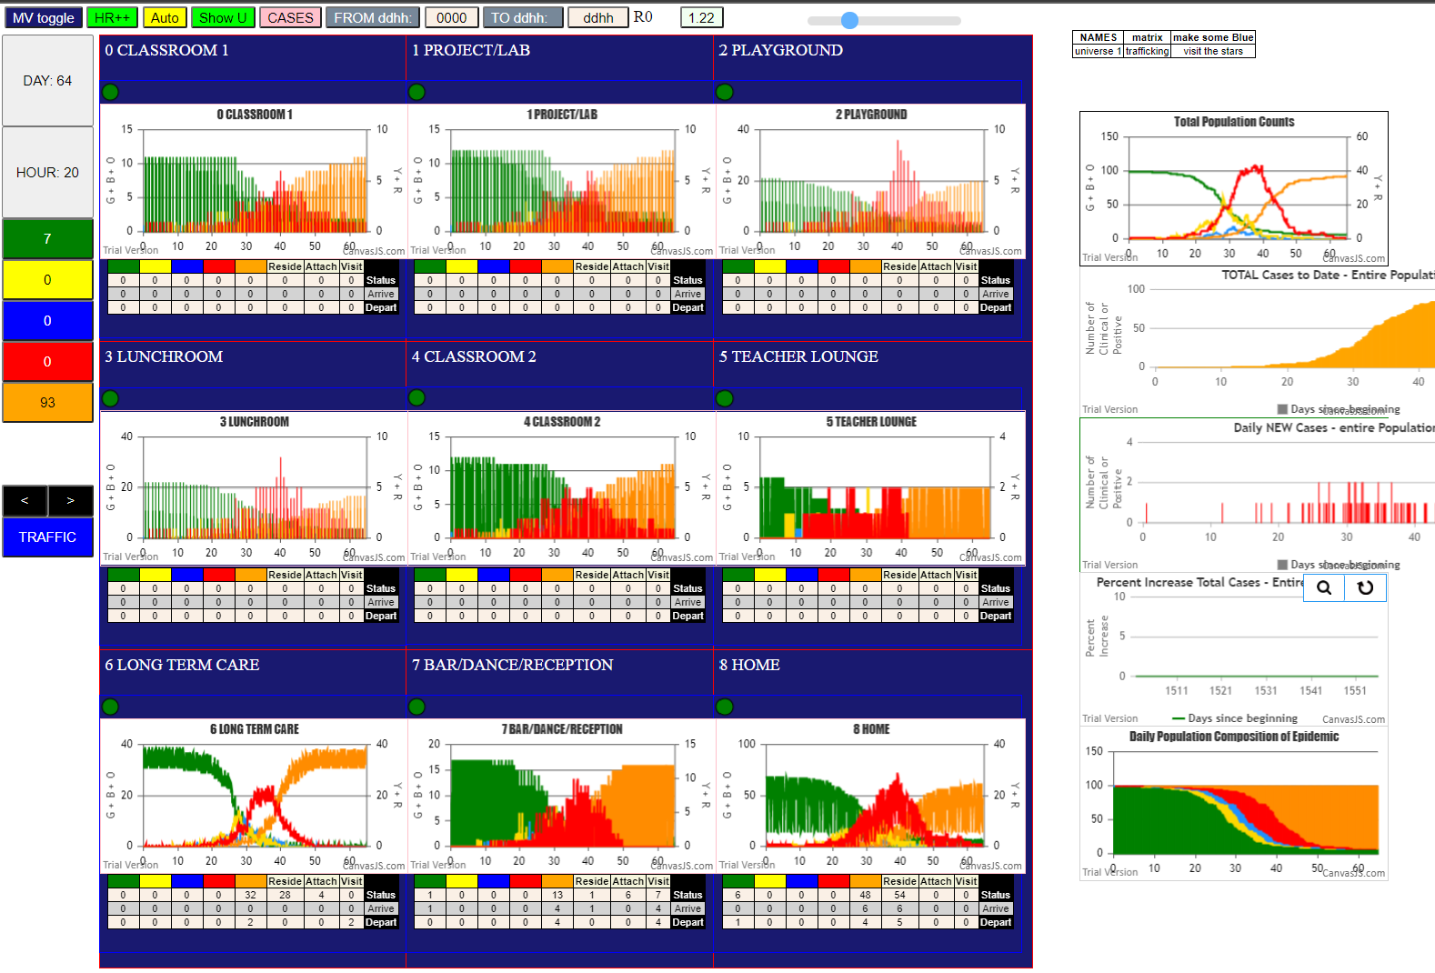
simulation.js | 2006 39I i | famKey 72 | -1 infected by blue j | famKey 58 | F14 at gen 644 in U6
simulation.js | 2006 40I i | famKey 15 | F07 infected by blue j | famKey 52 | F07 at gen 653 in U8
simulation.js | 2006 41I i | famKey 78 | -1 infected by red j | famKey 54 | F09 at gen 656 in U6
simulation.js | 2006 42I i | famKey 26 | F08 infected by red j | famKey 35 | F18 at gen 659 in U3
simulation.js | 2006 42I i | famKey 63 | F02 infected by red j | famKey 97 | F10 at gen 659 in U6
5simulation.js | 2006 42I i | famKey 28 | F10 infected by red j | famKey 29 | F17 at gen 660 in U4
2simulation.js | 1990 45I j | famKey 84 | -1 infected by red i | famKey 71 | F18 at gen 665 in Univ6
simulation.js | 2006 45I i | famKey 9 | F17 infected by red j | famKey 29 | F17 at gen 665 in U8
simulation.js | 1990 47I j | famKey 34 | F15 infected by red i | famKey 97 | F10 at gen 670 in Univ7
simulation.js | 2006 47I i | famKey 98 | F16 infected by red j | famKey 52 | F07 at gen 670 in U7
simulation.js | 2006 47I i | famKey 46 | F10 infected by red j | famKey 97 | F10 at gen 671 in U8
simulation.js | 1990 50I j | famKey 94 | F07 infected by red i | famKey 52 | F07 at gen 674 in Univ8
simulation.js | 1990 50I j | famKey 95 | F08 infected by red i | famKey 53 | F08 at gen 675 in Univ8
simulation.js | 1990 52I j | famKey 99 | F17 infected by red i | famKey 29 | F17 at gen 680 in Univ8
simulation.js | 2006 53I i | famKey 66 | F06 infected by red j | famKey 53 | F08 at gen 682 in U6
simulation.js | 2006 54I i | famKey 80 | -1 infected by red j | famKey 81 | -1 at gen 705 in U6
simulation.js | 2006 55I i | famKey 75 | -1 infected by red j | famKey 58 | F14 at gen 711 in U6
simulation.js | 1990 55I j | famKey 5 | F08 infected by red i | famKey 53 | F08 at gen 712 in Univ8
2simulation.js | 1990 56I j | famKey 30 | F01 infected by blue i | famKey 83 | -1 at gen 713 in Univ6
simulation.js | 1990 58I j | famKey 79 | -1 infected by blue i | famKey 73 | -1 at gen 715 in Univ6
simulation.js | 2006 59I i | famKey 18 | F17 infected by red j | famKey 29 | F17 at gen 719 in U8
simulation.js | 1990 60I j | famKey 40 | F14 infected by red i | famKey 54 | F09 at gen 729 in Univ6
simulation.js | 2006 60I i | famKey 48 | F00 infected by red j | famKey 52 | F07 at gen 730 in U6
3simulation.js | 2006 62I i | famKey 77 | -1 infected by blue j | famKey 85 | -1 at gen 733 in U6
simulation.js | 1990 63I j | famKey 56 | F12 infected by red i | famKey 71 | F18 at gen 738 in Univ6
simulation.js | 2006 64I i | famKey 96 | F09 infected by red j | famKey 52 | F07 at gen 741 in U7
simulation.js | 2006 65I i | famKey 44 | F06 infected by red j | famKey 51 | F06 at gen 760 in U8
simulation.js | 1990 65I j | famKey 16 | F16 infected by blue i | famKey 98 | F16 at gen 760 in Univ8
simulation.js | 2006 67I i | famKey 82 | -1 infected by red j | famKey 85 | -1 at gen 778 in U6
simulation.js | 2006 68I i | famKey 36 | F10 infected by red j | famKey 55 | F11 at gen 783 in U6
simulation.js | 1990 69I j | famKey 93 | F05 infected by red i | famKey 57 | F13 at gen 785 in Univ6
simulation.js | 1990 70I j | famKey 61 | F17 infected by red i | famKey 72 | -1 at gen 791 in Univ6
simulation.js | 2006 71I i | famKey 4 | F07 infected by red j | famKey 15 | F07 at gen 795 in U8
simulation.js | 1990 72I j | famKey 60 | F16 infected by red i | famKey 98 | F16 at gen 800 in Univ8
simulation.js | 2006 73I i | famKey 6 | F09 infected by blue j | famKey 30 | F01 at gen 809 in U6
simulation.js | 2006 74I i | famKey 47 | F15 infected by red j | famKey 34 | F15 at gen 812 in U8
2simulation.js | 1990 75I j | famKey 64 | F03 infected by red i | famKey 85 | -1 at gen 824 in Univ6
simulation.js | 1990 75I j | famKey 50 | F03 infected by red i | famKey 63 | F02 at gen 825 in Univ6
simulation.js | 1990 76I j | famKey 14 | F07 infected by blue i | famKey 5 | F08 at gen 826 in Univ2
simulation.js | 2006 77I i | famKey 37 | F11 infected by red j | famKey 99 | F17 at gen 827 in U7
simulation.js | 2006 79I i | famKey 3 | F06 infected by red j | famKey 9 | F17 at gen 829 in U4
simulation.js | 1990 80I j | famKey 59 | F15 infected by red i | famKey 76 | -1 at gen 839 in Univ6
simulation.js | 2006 81I i | famKey 41 | F02 infected by red j | famKey 49 | F02 at gen 844 in U8
simulation.js | 1990 82I j | famKey 90 | F00 infected by red i | famKey 63 | F02 at gen 882 in Univ6
simulation.js | 1990 82I j | famKey 88 | -1 infected by red i | famKey 72 | -1 at gen 882 in Univ6
simulation.js | 1990 82I j | famKey 90 | F00 infected by red i | famKey 63 | F02 at gen 882 in Univ6
simulation.js | 2006 82I i | famKey 39 | F13 infected by red j | famKey 99 | F17 at gen 882 in U7
simulation.js | 2006 85I i | famKey 23 | F03 infected by red j | famKey 28 | F10 at gen 923 in U3
simulation.js | 2006 86I i | famKey 1 | F05 infected by red j | famKey 93 | F05 at gen 936 in U8
simulation.js | 2006 87I i | famKey 0 | -1 infected by red j | famKey 30 | F01 at gen 995 in U3
simulation.js | 1990 88I j | famKey 17 | F16 infected by red i | famKey 16 | F16 at gen 1003 in Univ8
3simulation.js | 1990 89I j | famKey 27 | F09 infected by red i | famKey 88 | -1 at gen 1097 in Univ6
simulation.js | 2006 90I i | famKey 2 | F00 infected by red j | famKey 90 | F00 at gen 1099 in U8
simulation.js | 2006 91I i | famKey 11 | F03 infected by red j | famKey 23 | F03 at gen 1169 in U8
simulation.js | 1990 92I j | famKey 20 | F00 infected by red i | famKey 2 | F00 at gen 1246 in Univ8

Sheet12
File {name | "VL1.csv", lastModified | 1603760180000, lastModifiedDate | Mon Oct 26 2020 17 | 56 | 20 GMT-0700 (Pacific Daylight Time), webkitRelativePath | "", size | 66, …}
simulation.js | 1990 1I j | famKey 35 | F18 infected by red i | famKey 10 | F02 at gen 33 in Univ4
simulation.js | 2006 2I i | famKey 70 | F15 infected by red j | famKey 10 | F02 at gen 42 in U6
simulation.js | 2006 3I i | famKey 87 | -1 infected by red j | famKey 10 | F02 at gen 66 in U6
simulation.js | 2006 4I i | famKey 22 | F02 infected by red j | famKey 10 | F02 at gen 92 in U8
2simulation.js | 1990 5I j | famKey 79 | -1 infected by blue i | famKey 70 | F15 at gen 119 in Univ6
simulation.js | 1990 6I j | famKey 49 | F02 infected by red i | famKey 10 | F02 at gen 121 in Univ8
simulation.js | 2006 7I i | famKey 58 | F14 infected by red j | famKey 10 | F02 at gen 138 in U6
simulation.js | 2006 8I i | famKey 62 | F01 infected by red j | famKey 70 | F15 at gen 163 in U6
simulation.js | 2006 9I i | famKey 19 | F18 infected by red j | famKey 35 | F18 at gen 170 in U8
simulation.js | 1990 10I j | famKey 67 | F13 infected by red i | famKey 70 | F15 at gen 179 in Univ6
simulation.js | 1990 10I j | famKey 72 | -1 infected by red i | famKey 70 | F15 at gen 180 in Univ6
simulation.js | 2006 12I i | famKey 81 | -1 infected by red j | famKey 87 | -1 at gen 184 in U6
simulation.js | 1990 12I j | famKey 75 | -1 infected by red i | famKey 70 | F15 at gen 185 in Univ6
simulation.js | 1990 14I j | famKey 89 | -1 infected by red i | famKey 70 | F15 at gen 201 in Univ6
simulation.js | 1990 15I j | famKey 50 | F03 infected by blue i | famKey 79 | -1 at gen 226 in Univ6
simulation.js | 1990 16I j | famKey 46 | F10 infected by red i | famKey 70 | F15 at gen 230 in Univ6
simulation.js | 1990 17I j | famKey 71 | F18 infected by red i | famKey 70 | F15 at gen 232 in Univ6
simulation.js | 1990 18I j | famKey 63 | F02 infected by red i | famKey 87 | -1 at gen 234 in Univ6
simulation.js | 1990 18I j | famKey 51 | F06 infected by red i | famKey 49 | F02 at gen 235 in Univ7
simulation.js | 2006 19I i | famKey 78 | -1 infected by blue j | famKey 58 | F14 at gen 236 in U6
simulation.js | 2006 21I i | famKey 20 | F00 infected by red j | famKey 22 | F02 at gen 255 in U1
simulation.js | 1990 21I j | famKey 56 | F12 infected by red i | famKey 70 | F15 at gen 255 in Univ6
simulation.js | 1990 23I j | famKey 5 | F08 infected by blue i | famKey 75 | -1 at gen 257 in Univ6
simulation.js | 2006 24I i | famKey 83 | -1 infected by red j | famKey 87 | -1 at gen 261 in U6
simulation.js | 1990 25I j | famKey 84 | -1 infected by red i | famKey 79 | -1 at gen 264 in Univ6
simulation.js | 2006 26I i | famKey 73 | -1 infected by blue j | famKey 81 | -1 at gen 267 in U6
simulation.js | 1990 27I j | famKey 74 | -1 infected by red i | famKey 70 | F15 at gen 272 in Univ6
simulation.js | 1990 28I j | famKey 54 | F09 infected by blue i | famKey 62 | F01 at gen 274 in Univ6
simulation.js | 2006 29I i | famKey 91 | F01 infected by red j | famKey 58 | F14 at gen 276 in U7
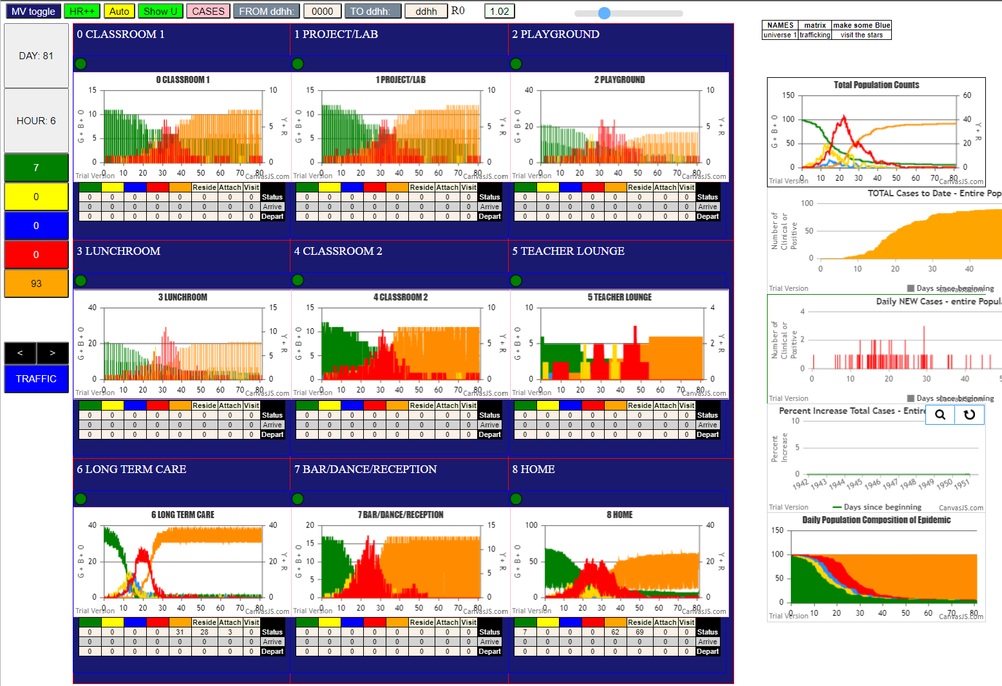
simulation.js | 1990 29I j | famKey 88 | -1 infected by blue i | famKey 75 | -1 at gen 277 in Univ6
simulation.js | 1990 29I j | famKey 64 | F03 infected by blue i | famKey 72 | -1 at gen 277 in Univ6
simulation.js | 2006 32I i | famKey 76 | -1 infected by red j | famKey 79 | -1 at gen 280 in U6
simulation.js | 2006 32I i | famKey 82 | -1 infected by red j | famKey 58 | F14 at gen 281 in U6
simulation.js | 1990 34I j | famKey 80 | -1 infected by blue i | famKey 72 | -1 at gen 284 in Univ6
2simulation.js | 1990 35I j | famKey 68 | F14 infected by red i | famKey 62 | F01 at gen 294 in Univ6
simulation.js | 1990 36I j | famKey 99 | F17 infected by red i | famKey 75 | -1 at gen 303 in Univ6
simulation.js | 2006 37I i | famKey 96 | F09 infected by red j | famKey 35 | F18 at gen 306 in U7
simulation.js | 1990 38I j | famKey 65 | F03 infected by blue i | famKey 89 | -1 at gen 310 in Univ6
simulation.js | 1990 39I j | famKey 86 | -1 infected by red i | famKey 79 | -1 at gen 319 in Univ6
simulation.js | 2006 40I i | famKey 77 | -1 infected by blue j | famKey 50 | F03 at gen 323 in U6
simulation.js | 2006 40I i | famKey 40 | F14 infected by red j | famKey 58 | F14 at gen 323 in U8
simulation.js | 1990 42I j | famKey 48 | F00 infected by red i | famKey 72 | -1 at gen 326 in Univ6
simulation.js | 1990 42I j | famKey 55 | F11 infected by red i | famKey 62 | F01 at gen 327 in Univ6
simulation.js | 1990 44I j | famKey 21 | F01 infected by red i | famKey 81 | -1 at gen 329 in Univ6
simulation.js | 2006 45I i | famKey 85 | -1 infected by blue j | famKey 63 | F02 at gen 344 in U6
simulation.js | 2006 46I i | famKey 69 | F14 infected by blue j | famKey 78 | -1 at gen 347 in U6
simulation.js | 1990 46I j | famKey 94 | F07 infected by red i | famKey 72 | -1 at gen 348 in Univ6
simulation.js | 1990 48I j | famKey 66 | F06 infected by blue i | famKey 84 | -1 at gen 361 in Univ6
simulation.js | 1990 49I j | famKey 52 | F07 infected by blue i | famKey 68 | F14 at gen 369 in Univ6
simulation.js | 1990 50I j | famKey 39 | F13 infected by red i | famKey 75 | -1 at gen 376 in Univ6
simulation.js | 2006 51I i | famKey 98 | F16 infected by blue j | famKey 54 | F09 at gen 380 in U7
simulation.js | 1990 52I j | famKey 57 | F13 infected by red i | famKey 63 | F02 at gen 382 in Univ6
simulation.js | 1990 52I j | famKey 61 | F17 infected by red i | famKey 72 | -1 at gen 383 in Univ6
simulation.js | 1990 54I j | famKey 59 | F15 infected by red i | famKey 74 | -1 at gen 385 in Univ6
simulation.js | 1990 55I j | famKey 95 | F08 infected by red i | famKey 50 | F03 at gen 403 in Univ7
simulation.js | 1990 56I j | famKey 53 | F08 infected by red i | famKey 5 | F08 at gen 409 in Univ8
simulation.js | 1990 56I j | famKey 60 | F16 infected by red i | famKey 88 | -1 at gen 410 in Univ6
simulation.js | 2006 58I i | famKey 25 | F06 infected by red j | famKey 51 | F06 at gen 412 in U8
simulation.js | 1990 59I j | famKey 93 | F05 infected by red i | famKey 68 | F14 at gen 425 in Univ6
simulation.js | 2006 60I i | famKey 90 | F00 infected by red j | famKey 68 | F14 at gen 444 in U7
2simulation.js | 1990 60I j | famKey 6 | F09 infected by red i | famKey 5 | F08 at gen 445 in Univ4
simulation.js | 1990 62I j | famKey 8 | F16 infected by red i | famKey 5 | F08 at gen 465 in Univ1
simulation.js | 1990 63I j | famKey 97 | F10 infected by red i | famKey 80 | -1 at gen 467 in Univ6
simulation.js | 2006 63I i | famKey 37 | F11 infected by red j | famKey 68 | F14 at gen 468 in U7
simulation.js | 1990 65I j | famKey 30 | F01 infected by red i | famKey 71 | F18 at gen 473 in Univ6
simulation.js | 1990 66I j | famKey 92 | F03 infected by red i | famKey 50 | F03 at gen 483 in Univ8
simulation.js | 1990 67I j | famKey 27 | F09 infected by red i | famKey 20 | F00 at gen 492 in Univ4
simulation.js | 1990 68I j | famKey 34 | F15 infected by blue i | famKey 25 | F06 at gen 519 in Univ1
simulation.js | 2006 69I i | famKey 17 | F16 infected by red j | famKey 60 | F16 at gen 545 in U8
simulation.js | 1990 70I j | famKey 28 | F10 infected by red i | famKey 21 | F01 at gen 565 in Univ2
simulation.js | 2006 71I i | famKey 0 | -1 infected by red j | famKey 6 | F09 at gen 567 in U4
simulation.js | 2006 72I i | famKey 24 | F05 infected by red j | famKey 93 | F05 at gen 580 in U8
simulation.js | 2006 73I i | famKey 7 | F10 infected by red j | famKey 8 | F16 at gen 585 in U1
simulation.js | 1990 73I j | famKey 43 | F04 infected by red i | famKey 65 | F03 at gen 586 in Univ6
simulation.js | 2006 73I i | famKey 38 | F12 infected by red j | famKey 39 | F13 at gen 586 in U7
simulation.js | 1990 74I j | famKey 42 | F04 infected by red i | famKey 93 | F05 at gen 587 in Univ7
simulation.js | 2006 77I i | famKey 29 | F17 infected by red j | famKey 61 | F17 at gen 594 in U8
simulation.js | 2006 78I i | famKey 45 | F06 infected by red j | famKey 25 | F06 at gen 596 in U8
simulation.js | 2006 79I i | famKey 4 | F07 infected by red j | famKey 52 | F07 at gen 606 in U8
simulation.js | 2006 80I i | famKey 26 | F08 infected by red j | famKey 95 | F08 at gen 627 in U8
simulation.js | 2006 81I i | famKey 1 | F05 infected by red j | famKey 93 | F05 at gen 631 in U8
simulation.js | 2006 82I i | famKey 11 | F03 infected by red j | famKey 30 | F01 at gen 735 in U0
simulation.js | 2006 83I i | famKey 9 | F17 infected by red j | famKey 29 | F17 at gen 742 in U8
simulation.js | 2006 84I i | famKey 2 | F00 infected by red j | famKey 4 | F07 at gen 757 in U4
simulation.js | 1990 85I j | famKey 36 | F10 infected by red i | famKey 28 | F10 at gen 760 in Univ8
simulation.js | 1990 86I j | famKey 31 | F02 infected by blue i | famKey 2 | F00 at gen 850 in Univ2
simulation.js | 1990 87I j | famKey 32 | F05 infected by red i | famKey 1 | F05 at gen 871 in Univ8
simulation.js | 1990 88I j | famKey 16 | F16 infected by red i | famKey 11 | F03 at gen 945 in Univ4
simulation.js | 1990 89I j | famKey 33 | F06 infected by blue i | famKey 32 | F05 at gen 992 in Univ5
simulation.js | 2006 90I i | famKey 3 | F06 infected by red j | famKey 33 | F06 at gen 1231 in U8
simulation.js | 2006 91I i | famKey 44 | F06 infected by red j | famKey 3 | F06 at gen 1422 in U8
simulation.js | 1990 92I j | famKey 13 | F06 infected by red i | famKey 44 | F06 at gen 1651 in Univ8

Sheet13
1I i | famKey 62 | F01 infected by red j | famKey 10 | F02 at gen 42 in U6
simulation.js | 2006 2I i | famKey 68 | F14 infected by red j | famKey 10 | F02 at gen 66 in U6
simulation.js | 2006 3I i | famKey 75 | -1 infected by blue j | famKey 68 | F14 at gen 140 in U6
simulation.js | 1990 4I j | famKey 69 | F14 infected by blue i | famKey 62 | F01 at gen 142 in Univ6
2simulation.js | 1990 5I j | famKey 89 | -1 infected by blue i | famKey 62 | F01 at gen 146 in Univ6
simulation.js | 2006 6I i | famKey 76 | -1 infected by blue j | famKey 68 | F14 at gen 165 in U6
simulation.js | 1990 7I j | famKey 71 | F18 infected by red i | famKey 62 | F01 at gen 175 in Univ6
simulation.js | 2006 8I i | famKey 81 | -1 infected by blue j | famKey 68 | F14 at gen 178 in U6
simulation.js | 2006 8I i | famKey 66 | F06 infected by blue j | famKey 68 | F14 at gen 178 in U6
simulation.js | 2006 10I i | famKey 82 | -1 infected by red j | famKey 68 | F14 at gen 211 in U6
simulation.js | 1990 11I j | famKey 61 | F17 infected by red i | famKey 62 | F01 at gen 221 in Univ6
simulation.js | 1990 11I j | famKey 84 | -1 infected by red i | famKey 62 | F01 at gen 222 in Univ6
simulation.js | 1990 12I j | famKey 49 | F02 infected by red i | famKey 62 | F01 at gen 223 in Univ6
simulation.js | 2006 14I i | famKey 79 | -1 infected by red j | famKey 68 | F14 at gen 234 in U6
simulation.js | 1990 15I j | famKey 74 | -1 infected by blue i | famKey 69 | F14 at gen 246 in Univ6
simulation.js | 2006 16I i | famKey 70 | F15 infected by blue j | famKey 89 | -1 at gen 250 in U6
simulation.js | 2006 16I i | famKey 72 | -1 infected by blue j | famKey 75 | -1 at gen 251 in U6
simulation.js | 1990 18I j | famKey 53 | F08 infected by red i | famKey 62 | F01 at gen 253 in Univ6
3simulation.js | 2006 19I i | famKey 88 | -1 infected by blue j | famKey 89 | -1 at gen 264 in U6
simulation.js | 1990 20I j | famKey 78 | -1 infected by red i | famKey 62 | F01 at gen 268 in Univ6
simulation.js | 1990 20I j | famKey 65 | F03 infected by red i | famKey 89 | -1 at gen 268 in Univ6
simulation.js | 2006 22I i | famKey 80 | -1 infected by red j | famKey 68 | F14 at gen 270 in U6
simulation.js | 1990 23I j | famKey 50 | F03 infected by red i | famKey 89 | -1 at gen 272 in Univ6
simulation.js | 1990 24I j | famKey 63 | F02 infected by red i | famKey 69 | F14 at gen 274 in Univ6
simulation.js | 1990 25I j | famKey 51 | F06 infected by blue i | famKey 76 | -1 at gen 276 in Univ6
simulation.js | 1990 26I j | famKey 77 | -1 infected by red i | famKey 75 | -1 at gen 279 in Univ6
simulation.js | 1990 27I j | famKey 58 | F14 infected by red i | famKey 89 | -1 at gen 281 in Univ6
simulation.js | 1990 27I j | famKey 21 | F01 infected by blue i | famKey 66 | F06 at gen 281 in Univ6
simulation.js | 1990 29I j | famKey 85 | -1 infected by blue i | famKey 81 | -1 at gen 293 in Univ6
simulation.js | 1990 30I j | famKey 83 | -1 infected by red i | famKey 76 | -1 at gen 297 in Univ6
simulation.js | 1990 31I j | famKey 64 | F03 infected by red i | famKey 89 | -1 at gen 313 in Univ6
simulation.js | 1990 32I j | famKey 52 | F07 infected by blue i | famKey 84 | -1 at gen 324 in Univ6
simulation.js | 1990 32I j | famKey 73 | -1 infected by red i | famKey 69 | F14 at gen 325 in Univ6
simulation.js | 1990 33I j | famKey 67 | F13 infected by red i | famKey 69 | F14 at gen 326 in Univ6
simulation.js | 1990 35I j | famKey 56 | F12 infected by red i | famKey 75 | -1 at gen 328 in Univ6
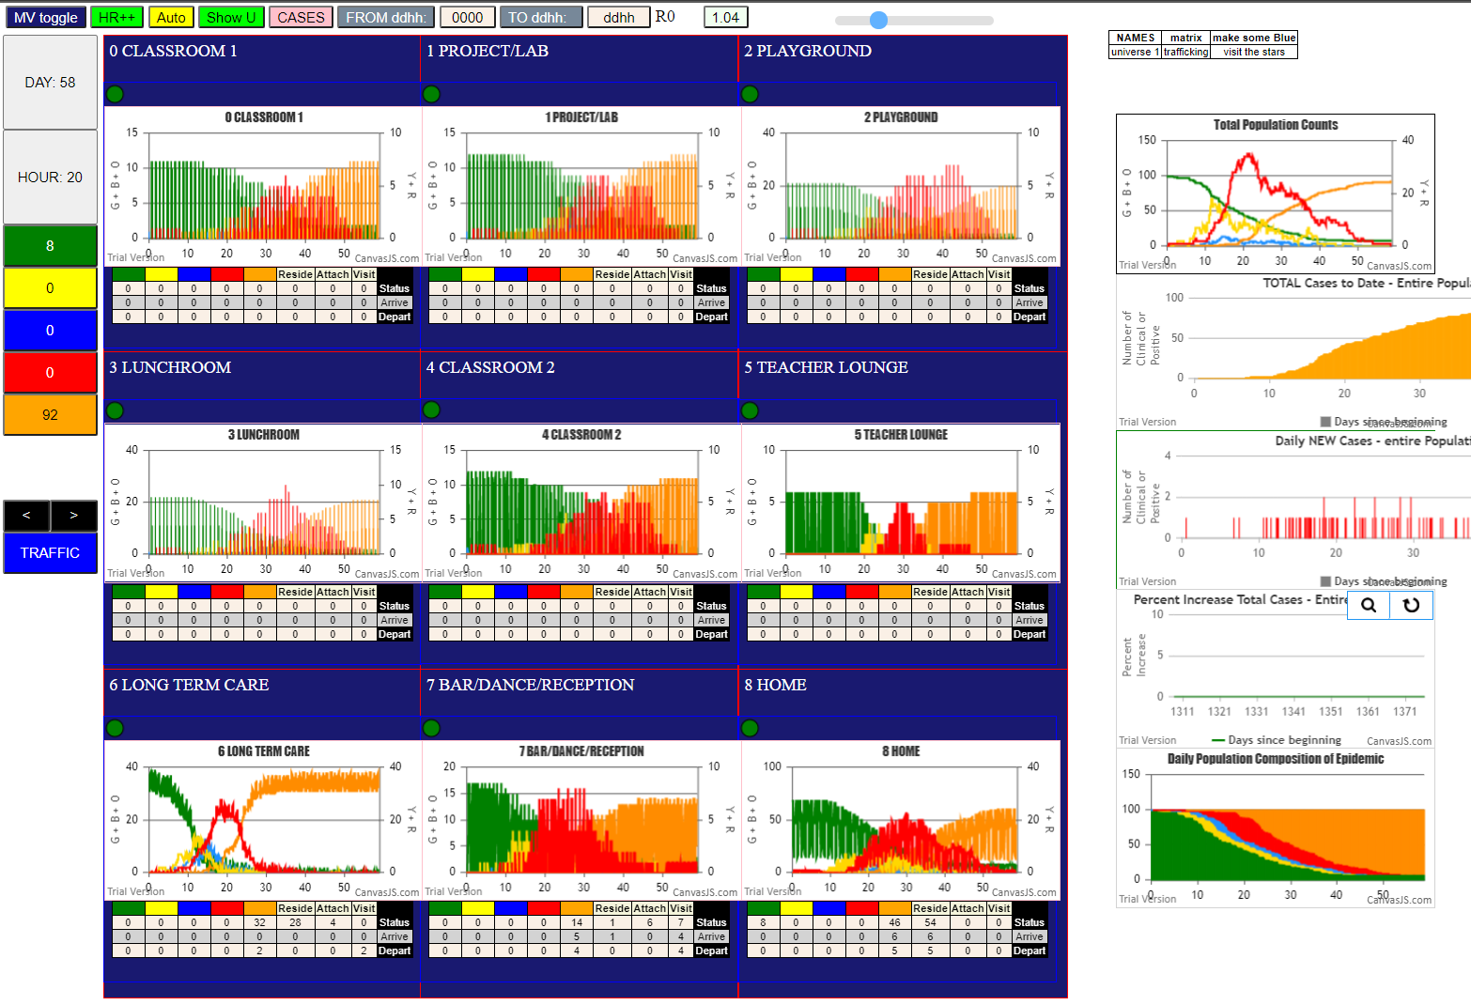
simulation.js | 1990 36I j | famKey 99 | F17 infected by blue i | famKey 49 | F02 at gen 331 in Univ7
simulation.js | 1990 37I j | famKey 59 | F15 infected by blue i | famKey 74 | -1 at gen 342 in Univ6
simulation.js | 2006 38I i | famKey 48 | F00 infected by blue j | famKey 53 | F08 at gen 349 in U6
simulation.js | 2006 39I i | famKey 86 | -1 infected by red j | famKey 89 | -1 at gen 354 in U6
simulation.js | 1990 40I j | famKey 57 | F13 infected by red i | famKey 79 | -1 at gen 356 in Univ6
simulation.js | 1990 40I j | famKey 87 | -1 infected by red i | famKey 82 | -1 at gen 356 in Univ6
2simulation.js | 2006 42I i | famKey 20 | F00 infected by blue j | famKey 21 | F01 at gen 370 in U4
simulation.js | 2006 42I i | famKey 7 | F10 infected by blue j | famKey 21 | F01 at gen 371 in U3
simulation.js | 1990 44I j | famKey 39 | F13 infected by red i | famKey 76 | -1 at gen 395 in Univ6
simulation.js | 1990 44I j | famKey 54 | F09 infected by red i | famKey 49 | F02 at gen 395 in Univ6
simulation.js | 1990 46I j | famKey 97 | F10 infected by red i | famKey 76 | -1 at gen 419 in Univ6
simulation.js | 1990 47I j | famKey 46 | F10 infected by red i | famKey 49 | F02 at gen 422 in Univ6
simulation.js | 1990 48I j | famKey 55 | F11 infected by blue i | famKey 86 | -1 at gen 426 in Univ6
simulation.js | 1990 49I j | famKey 24 | F05 infected by red i | famKey 21 | F01 at gen 441 in Univ0
simulation.js | 2006 50I i | famKey 31 | F02 infected by blue j | famKey 99 | F17 at gen 449 in U7
simulation.js | 1990 50I j | famKey 95 | F08 infected by red i | famKey 49 | F02 at gen 450 in Univ7
simulation.js | 1990 51I j | famKey 91 | F01 infected by red i | famKey 58 | F14 at gen 451 in Univ6
simulation.js | 2006 53I i | famKey 33 | F06 infected by red j | famKey 99 | F17 at gen 473 in U7
simulation.js | 1990 54I j | famKey 60 | F16 infected by red i | famKey 64 | F03 at gen 481 in Univ6
simulation.js | 2006 54I i | famKey 5 | F08 infected by red j | famKey 53 | F08 at gen 482 in U8
simulation.js | 2006 56I i | famKey 38 | F12 infected by red j | famKey 56 | F12 at gen 487 in U8
simulation.js | 1990 57I j | famKey 30 | F01 infected by red i | famKey 21 | F01 at gen 504 in Univ8
simulation.js | 1990 58I j | famKey 43 | F04 infected by red i | famKey 63 | F02 at gen 514 in Univ6
simulation.js | 2006 59I i | famKey 47 | F15 infected by red j | famKey 59 | F15 at gen 521 in U8
simulation.js | 2006 60I i | famKey 9 | F17 infected by red j | famKey 20 | F00 at gen 539 in U3
simulation.js | 1990 61I j | famKey 32 | F05 infected by blue i | famKey 24 | F05 at gen 547 in Univ8
simulation.js | 2006 62I i | famKey 36 | F10 infected by red j | famKey 97 | F10 at gen 558 in U8
simulation.js | 1990 63I j | famKey 34 | F15 infected by red i | famKey 21 | F01 at gen 562 in Univ4
2simulation.js | 2006 63I i | famKey 22 | F02 infected by red j | famKey 24 | F05 at gen 562 in U4
simulation.js | 2006 65I i | famKey 1 | F05 infected by red j | famKey 7 | F10 at gen 564 in U0
simulation.js | 1990 66I j | famKey 94 | F07 infected by red i | famKey 48 | F00 at gen 588 in Univ6
simulation.js | 1990 67I j | famKey 28 | F10 infected by red i | famKey 24 | F05 at gen 591 in Univ1
simulation.js | 1990 68I j | famKey 27 | F09 infected by red i | famKey 86 | -1 at gen 593 in Univ6
simulation.js | 1990 69I j | famKey 12 | F04 infected by red i | famKey 55 | F11 at gen 595 in Univ6
simulation.js | 1990 70I j | famKey 6 | F09 infected by red i | famKey 57 | F13 at gen 617 in Univ6
simulation.js | 1990 71I j | famKey 37 | F11 infected by red i | famKey 91 | F01 at gen 635 in Univ7
simulation.js | 1990 72I j | famKey 96 | F09 infected by red i | famKey 33 | F06 at gen 641 in Univ7
simulation.js | 2006 73I i | famKey 0 | -1 infected by red j | famKey 30 | F01 at gen 659 in U3
simulation.js | 1990 73I j | famKey 44 | F06 infected by red i | famKey 54 | F09 at gen 659 in Univ6
simulation.js | 1990 75I j | famKey 23 | F03 infected by blue i | famKey 22 | F02 at gen 662 in Univ4
simulation.js | 2006 76I i | famKey 26 | F08 infected by red j | famKey 31 | F02 at gen 685 in U2
simulation.js | 2006 77I i | famKey 3 | F06 infected by red j | famKey 33 | F06 at gen 698 in U8
simulation.js | 2006 78I i | famKey 17 | F16 infected by red j | famKey 60 | F16 at gen 727 in U8
simulation.js | 1990 79I j | famKey 98 | F16 infected by red i | famKey 36 | F10 at gen 731 in Univ7
simulation.js | 1990 80I j | famKey 4 | F07 infected by blue i | famKey 0 | -1 at gen 759 in Univ4
simulation.js | 1990 81I j | famKey 2 | F00 infected by red i | famKey 0 | -1 at gen 778 in Univ2
simulation.js | 2006 82I i | famKey 14 | F07 infected by red j | famKey 94 | F07 at gen 824 in U8
simulation.js | 1990 83I j | famKey 35 | F18 infected by red i | famKey 26 | F08 at gen 828 in Univ4
simulation.js | 1990 84I j | famKey 13 | F06 infected by red i | famKey 3 | F06 at gen 841 in Univ8
simulation.js | 2006 85I i | famKey 11 | F03 infected by red j | famKey 23 | F03 at gen 844 in U8
simulation.js | 2006 86I i | famKey 25 | F06 infected by red j | famKey 28 | F10 at gen 877 in U2
simulation.js | 1990 86I j | famKey 45 | F06 infected by red i | famKey 44 | F06 at gen 878 in Univ8
simulation.js | 1990 88I j | famKey 15 | F07 infected by red i | famKey 4 | F07 at gen 883 in Univ8
simulation.js | 2006 89I i | famKey 8 | F16 infected by red j | famKey 98 | F16 at gen 920 in U8
simulation.js | 1990 90I j | famKey 16 | F16 infected by red i | famKey 3 | F06 at gen 994 in Univ2
simulation.js | 1990 91I j | famKey 92 | F03 infected by red i | famKey 11 | F03 at gen 1103 in Univ8

Sheet14
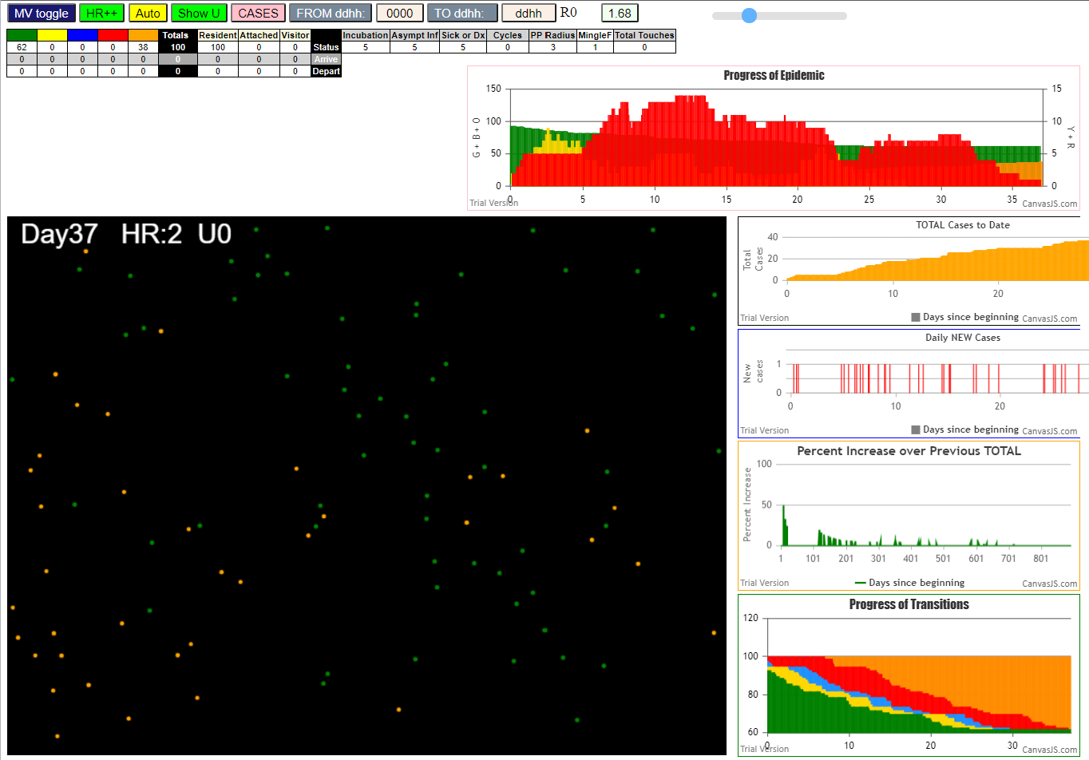
File
simulation.js:1990 0I j:famKey 92:-1 infected by green i:famKey 10:-1 at gen 0 in Univ0
simulation.js:1990 0I j:famKey 47:-1 infected by green i:famKey 14:-1 at gen 0 in Univ0
3simulation.js:1990 7I j:famKey 90:-1 infected by red i:famKey 12:-1 at gen 13 in Univ0
simulation.js:1990 8I j:famKey 87:-1 infected by red i:famKey 14:-1 at gen 25 in Univ0
simulation.js:1990 9I j:famKey 41:-1 infected by red i:famKey 12:-1 at gen 28 in Univ0
simulation.js:2006 10I i:famKey 2:-1 infected by red j:famKey 14:-1 at gen 38 in U0
simulation.js:1990 11I j:famKey 63:-1 infected by red i:famKey 13:-1 at gen 52 in Univ0
4simulation.js:1990 12I j:famKey 26:-1 infected by red i:famKey 11:-1 at gen 57 in Univ0
simulation.js:1990 12I j:famKey 97:-1 infected by red i:famKey 12:-1 at gen 58 in Univ0
3simulation.js:2006 14I i:famKey 24:-1 infected by blue j:famKey 92:-1 at gen 76 in U0
simulation.js:1990 15I j:famKey 98:-1 infected by blue i:famKey 47:-1 at gen 97 in Univ0
5simulation.js:2006 16I i:famKey 4:-1 infected by blue j:famKey 90:-1 at gen 99 in U0
simulation.js:1990 17I j:famKey 48:-1 infected by red i:famKey 13:-1 at gen 107 in Univ0
simulation.js:1990 18I j:famKey 57:-1 infected by red i:famKey 10:-1 at gen 158 in Univ0
4simulation.js:1990 19I j:famKey 73:-1 infected by red i:famKey 10:-1 at gen 171 in Univ0
2simulation.js:1990 20I j:famKey 79:-1 infected by blue i:famKey 24:-1 at gen 180 in Univ0
simulation.js:2006 21I i:famKey 7:-1 infected by red j:famKey 87:-1 at gen 233 in U0
simulation.js:1990 21I j:famKey 70:-1 infected by red i:famKey 24:-1 at gen 234 in Univ0
simulation.js:1990 23I j:famKey 53:-1 infected by red i:famKey 4:-1 at gen 240 in Univ0
4simulation.js:1990 24I j:famKey 60:-1 infected by red i:famKey 4:-1 at gen 242 in Univ0
simulation.js:2006 25I i:famKey 58:-1 infected by red j:famKey 90:-1 at gen 247 in U0
simulation.js:2006 26I i:famKey 62:-1 infected by blue j:famKey 79:-1 at gen 298 in U0
simulation.js:1990 27I j:famKey 93:-1 infected by red i:famKey 48:-1 at gen 301 in Univ0
simulation.js:1990 28I j:famKey 81:-1 infected by red i:famKey 24:-1 at gen 339 in Univ0
4simulation.js:2006 29I i:famKey 68:-1 infected by red j:famKey 70:-1 at gen 360 in U0
2simulation.js:2006 30I i:famKey 25:-1 infected by red j:famKey 70:-1 at gen 458 in U0
simulation.js:2006 31I i:famKey 61:-1 infected by blue j:famKey 68:-1 at gen 466 in U0
3simulation.js:2006 32I i:famKey 37:-1 infected by red j:famKey 81:-1 at gen 481 in U0
simulation.js:2006 33I i:famKey 72:-1 infected by red j:famKey 81:-1 at gen 484 in U0
simulation.js:1990 34I j:famKey 77:-1 infected by red i:famKey 7:-1 at gen 507 in Univ0
3simulation.js:2006 35I i:famKey 64:-1 infected by red j:famKey 70:-1 at gen 512 in U0
4simulation.js:2006 36I i:famKey 5:-1 infected by red j:famKey 93:-1 at gen 543 in U0
3simulation.js:1990 37I j:famKey 85:-1 infected by red i:famKey 81:-1 at gen 594 in Univ0

Sheet15
1I j:famKey 47:-1 infected by red i:famKey 10:-1 at gen 29 in Univ0
simulation.js:1990 2I j:famKey 69:-1 infected by red i:famKey 10:-1 at gen 36 in Univ0
simulation.js:1990 3I j:famKey 28:-1 infected by red i:famKey 10:-1 at gen 49 in Univ0
simulation.js:1990 4I j:famKey 26:-1 infected by red i:famKey 10:-1 at gen 71 in Univ0
simulation.js:1990 5I j:famKey 45:-1 infected by red i:famKey 10:-1 at gen 97 in Univ0
simulation.js:1990 6I j:famKey 78:-1 infected by red i:famKey 10:-1 at gen 113 in Univ0
simulation.js:1990 7I j:famKey 56:-1 infected by blue i:famKey 28:-1 at gen 124 in Univ0
simulation.js:1990 8I j:famKey 79:-1 infected by blue i:famKey 69:-1 at gen 133 in Univ0
simulation.js:1990 9I j:famKey 80:-1 infected by red i:famKey 69:-1 at gen 169 in Univ0
simulation.js:2006 10I i:famKey 64:-1 infected by red j:famKey 69:-1 at gen 185 in U0
simulation.js:1990 11I j:famKey 60:-1 infected by red i:famKey 47:-1 at gen 213 in Univ0
simulation.js:1990 11I j:famKey 70:-1 infected by red i:famKey 26:-1 at gen 213 in Univ0
simulation.js:1990 13I j:famKey 40:-1 infected by red i:famKey 26:-1 at gen 215 in Univ0
simulation.js:1990 14I j:famKey 83:-1 infected by red i:famKey 28:-1 at gen 225 in Univ0
simulation.js:2006 14I i:famKey 17:-1 infected by red j:famKey 28:-1 at gen 226 in U0
simulation.js:1990 16I j:famKey 95:-1 infected by red i:famKey 78:-1 at gen 231 in Univ0
simulation.js:2006 16I i:famKey 6:-1 infected by red j:famKey 28:-1 at gen 232 in U0
simulation.js:1990 18I j:famKey 67:-1 infected by blue i:famKey 56:-1 at gen 234 in Univ0
simulation.js:2006 18I i:famKey 41:-1 infected by blue j:famKey 79:-1 at gen 234 in U0
simulation.js:2006 20I i:famKey 25:-1 infected by red j:famKey 26:-1 at gen 239 in U0
simulation.js:2006 21I i:famKey 14:-1 infected by red j:famKey 56:-1 at gen 249 in U0
simulation.js:2006 21I i:famKey 9:-1 infected by red j:famKey 28:-1 at gen 250 in U0
simulation.js:1990 21I j:famKey 68:-1 infected by red i:famKey 45:-1 at gen 250 in Univ0
simulation.js:1990 24I j:famKey 31:-1 infected by red i:famKey 28:-1 at gen 254 in Univ0
simulation.js:2006 25I i:famKey 22:-1 infected by red j:famKey 79:-1 at gen 256 in U0
simulation.js:2006 25I i:famKey 50:-1 infected by red j:famKey 79:-1 at gen 256 in U0
simulation.js:1990 27I j:famKey 85:-1 infected by red i:famKey 28:-1 at gen 259 in Univ0
simulation.js:2006 28I i:famKey 29:-1 infected by red j:famKey 56:-1 at gen 263 in U0
simulation.js:1990 28I j:famKey 58:-1 infected by red i:famKey 47:-1 at gen 263 in Univ0
simulation.js:2006 30I i:famKey 0:-1 infected by red j:famKey 47:-1 at gen 268 in U0
simulation.js:2006 31I i:famKey 39:-1 infected by red j:famKey 79:-1 at gen 277 in U0
simulation.js:2006 32I i:famKey 16:-1 infected by red j:famKey 47:-1 at gen 279 in U0
2simulation.js:2006 33I i:famKey 12:-1 infected by red j:famKey 56:-1 at gen 281 in U0
simulation.js:2006 33I i:famKey 11:-1 infected by blue j:famKey 80:-1 at gen 282 in U0
simulation.js:2006 34I i:famKey 19:-1 infected by blue j:famKey 64:-1 at gen 283 in U0
simulation.js:2006 34I i:famKey 2:-1 infected by red j:famKey 80:-1 at gen 283 in U0
simulation.js:1990 37I j:famKey 63:-1 infected by red i:famKey 45:-1 at gen 290 in Univ0
simulation.js:1990 38I j:famKey 99:-1 infected by red i:famKey 56:-1 at gen 294 in Univ0
simulation.js:2006 39I i:famKey 35:-1 infected by red j:famKey 78:-1 at gen 298 in U0
simulation.js:2006 40I i:famKey 34:-1 infected by red j:famKey 80:-1 at gen 300 in U0
simulation.js:2006 40I i:famKey 27:-1 infected by red j:famKey 47:-1 at gen 300 in U0
simulation.js:2006 42I i:famKey 57:-1 infected by red j:famKey 64:-1 at gen 303 in U0
simulation.js:2006 43I i:famKey 3:-1 infected by red j:famKey 78:-1 at gen 307 in U0
simulation.js:1990 43I j:famKey 81:-1 infected by red i:famKey 45:-1 at gen 307 in Univ0
simulation.js:2006 43I i:famKey 43:-1 infected by red j:famKey 45:-1 at gen 307 in U0
simulation.js:1990 43I j:famKey 86:-1 infected by blue i:famKey 17:-1 at gen 308 in Univ0
simulation.js:2006 47I i:famKey 8:-1 infected by red j:famKey 26:-1 at gen 312 in U0
simulation.js:1990 48I j:famKey 33:-1 infected by red i:famKey 26:-1 at gen 320 in Univ0
simulation.js:1990 49I j:famKey 74:-1 infected by red i:famKey 56:-1 at gen 328 in Univ0
simulation.js:2006 50I i:famKey 49:-1 infected by red j:famKey 56:-1 at gen 331 in U0
simulation.js:1990 51I j:famKey 71:-1 infected by blue i:famKey 0:-1 at gen 341 in Univ0
simulation.js:2006 51I i:famKey 37:-1 infected by blue j:famKey 68:-1 at gen 342 in U0
simulation.js:1990 51I j:famKey 42:-1 infected by red i:famKey 40:-1 at gen 342 in Univ0
simulation.js:1990 54I j:famKey 65:-1 infected by red i:famKey 6:-1 at gen 346 in Univ0
simulation.js:2006 55I i:famKey 5:-1 infected by red j:famKey 70:-1 at gen 349 in U0
simulation.js:2006 56I i:famKey 18:-1 infected by blue j:famKey 68:-1 at gen 353 in U0
simulation.js:1990 56I j:famKey 55:-1 infected by blue i:famKey 9:-1 at gen 353 in Univ0
simulation.js:1990 56I j:famKey 97:-1 infected by red i:famKey 70:-1 at gen 354 in Univ0
simulation.js:2006 58I i:famKey 15:-1 infected by blue j:famKey 31:-1 at gen 355 in U0
simulation.js:1990 58I j:famKey 59:-1 infected by red i:famKey 45:-1 at gen 355 in Univ0
simulation.js:1990 59I j:famKey 72:-1 infected by red i:famKey 41:-1 at gen 356 in Univ0
simulation.js:1990 59I j:famKey 94:-1 infected by red i:famKey 83:-1 at gen 356 in Univ0
simulation.js:2006 63I i:famKey 1:-1 infected by blue j:famKey 68:-1 at gen 361 in U0
simulation.js:2006 64I i:famKey 4:-1 infected by red j:famKey 40:-1 at gen 367 in U0
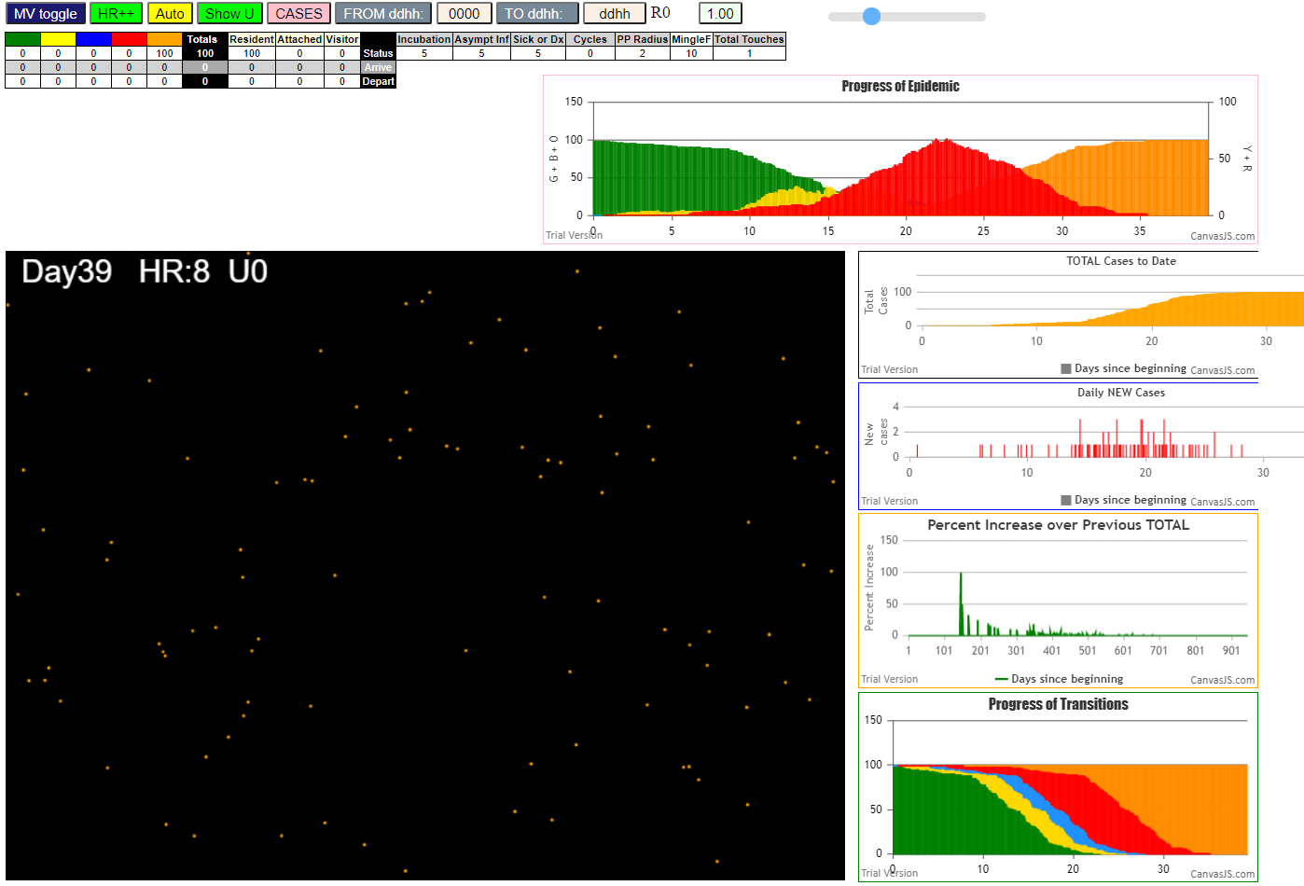
simulation.js:1990 64I j:famKey 30:-1 infected by red i:famKey 25:-1 at gen 368 in Univ0
simulation.js:2006 66I i:famKey 23:-1 infected by blue j:famKey 29:-1 at gen 370 in U0
simulation.js:1990 67I j:famKey 77:-1 infected by red i:famKey 56:-1 at gen 377 in Univ0
simulation.js:2006 68I i:famKey 20:-1 infected by red j:famKey 80:-1 at gen 382 in U0
simulation.js:1990 69I j:famKey 52:-1 infected by red i:famKey 25:-1 at gen 384 in Univ0
simulation.js:2006 70I i:famKey 21:-1 infected by red j:famKey 80:-1 at gen 387 in U0
simulation.js:1990 71I j:famKey 32:-1 infected by red i:famKey 25:-1 at gen 390 in Univ0
simulation.js:1990 72I j:famKey 87:-1 infected by red i:famKey 6:-1 at gen 392 in Univ0
simulation.js:1990 73I j:famKey 51:-1 infected by blue i:famKey 16:-1 at gen 394 in Univ0
simulation.js:1990 73I j:famKey 96:-1 infected by blue i:famKey 16:-1 at gen 394 in Univ0
simulation.js:1990 75I j:famKey 48:-1 infected by blue i:famKey 2:-1 at gen 396 in Univ0
simulation.js:1990 76I j:famKey 76:-1 infected by red i:famKey 40:-1 at gen 400 in Univ0
simulation.js:1990 76I j:famKey 82:-1 infected by red i:famKey 41:-1 at gen 401 in Univ0
simulation.js:1990 77I j:famKey 75:-1 infected by red i:famKey 12:-1 at gen 402 in Univ0
simulation.js:1990 79I j:famKey 91:-1 infected by red i:famKey 25:-1 at gen 405 in Univ0
simulation.js:1990 80I j:famKey 84:-1 infected by red i:famKey 56:-1 at gen 407 in Univ0
simulation.js:2006 81I i:famKey 90:-1 infected by red j:famKey 99:-1 at gen 411 in U0
simulation.js:2006 82I i:famKey 7:-1 infected by blue j:famKey 34:-1 at gen 414 in U0
simulation.js:1990 82I j:famKey 53:-1 infected by blue i:famKey 49:-1 at gen 414 in Univ0
simulation.js:1990 82I j:famKey 92:-1 infected by blue i:famKey 34:-1 at gen 415 in Univ0
simulation.js:1990 85I j:famKey 89:-1 infected by blue i:famKey 81:-1 at gen 417 in Univ0
simulation.js:2006 86I i:famKey 36:-1 infected by red j:famKey 95:-1 at gen 420 in U0
simulation.js:1990 87I j:famKey 98:-1 infected by red i:famKey 81:-1 at gen 427 in Univ0
simulation.js:2006 88I i:famKey 62:-1 infected by red j:famKey 85:-1 at gen 437 in U0
simulation.js:1990 89I j:famKey 88:-1 infected by red i:famKey 60:-1 at gen 447 in Univ0
simulation.js:1990 90I j:famKey 61:-1 infected by blue i:famKey 59:-1 at gen 455 in Univ0
simulation.js:1990 90I j:famKey 93:-1 infected by blue i:famKey 71:-1 at gen 455 in Univ0
simulation.js:1990 92I j:famKey 46:-1 infected by red i:famKey 35:-1 at gen 470 in Univ0
simulation.js:1990 93I j:famKey 66:-1 infected by red i:famKey 57:-1 at gen 476 in Univ0
simulation.js:1990 93I j:famKey 73:-1 infected by red i:famKey 43:-1 at gen 476 in Univ0
simulation.js:2006 95I i:famKey 44:-1 infected by red j:famKey 95:-1 at gen 491 in U0
simulation.js:1990 96I j:famKey 54:-1 infected by red i:famKey 34:-1 at gen 500 in Univ0
simulation.js:1990 97I j:famKey 24:-1 infected by red i:famKey 22:-1 at gen 507 in Univ0
simulation.js:1990 98I j:famKey 13:-1 infected by red i:famKey 2:-1 at gen 534 in Univ0
simulation.js:2006 99I i:famKey 38:-1 infected by red j:famKey 76:-1 at gen 556 in U0

Sheet16
File {name: "VL1.csv", lastModified: 1603760180000, lastModifiedDate: Mon Oct 26 2020 17:56:20 GMT-0700 (Pacific Daylight Time), webkitRelativePath: "", size: 66, …}
simulation.js:2006 1I i:famKey 6:-1 infected by blue j:famKey 10:-1 at gen 15 in U0
simulation.js:1990 2I j:famKey 20:-1 infected by blue i:famKey 10:-1 at gen 19 in Univ0
simulation.js:2006 3I i:famKey 9:-1 infected by red j:famKey 10:-1 at gen 30 in U0
simulation.js:1990 4I j:famKey 23:-1 infected by red i:famKey 10:-1 at gen 33 in Univ0
simulation.js:1990 4I j:famKey 50:-1 infected by red i:famKey 10:-1 at gen 34 in Univ0
simulation.js:1990 6I j:famKey 92:-1 infected by blue i:famKey 6:-1 at gen 101 in Univ0
simulation.js:2006 7I i:famKey 49:-1 infected by blue j:famKey 50:-1 at gen 120 in U0
simulation.js:1990 8I j:famKey 26:-1 infected by red i:famKey 10:-1 at gen 128 in Univ0
simulation.js:1990 9I j:famKey 44:-1 infected by red i:famKey 10:-1 at gen 133 in Univ0
2simulation.js:1990 10I j:famKey 85:-1 infected by blue i:famKey 50:-1 at gen 139 in Univ0
simulation.js:1990 11I j:famKey 99:-1 infected by red i:famKey 6:-1 at gen 142 in Univ0
simulation.js:2006 12I i:famKey 48:-1 infected by blue j:famKey 50:-1 at gen 146 in U0
simulation.js:2006 13I i:famKey 13:-1 infected by red j:famKey 23:-1 at gen 154 in U0
simulation.js:1990 14I j:famKey 53:-1 infected by red i:famKey 6:-1 at gen 165 in Univ0
2simulation.js:1990 15I j:famKey 69:-1 infected by red i:famKey 23:-1 at gen 180 in Univ0
simulation.js:1990 16I j:famKey 97:-1 infected by blue i:famKey 92:-1 at gen 187 in Univ0
simulation.js:1990 16I j:famKey 45:-1 infected by red i:famKey 23:-1 at gen 187 in Univ0
simulation.js:2006 18I i:famKey 2:-1 infected by red j:famKey 6:-1 at gen 196 in U0
simulation.js:1990 19I j:famKey 88:-1 infected by red i:famKey 20:-1 at gen 204 in Univ0
simulation.js:2006 20I i:famKey 35:-1 infected by red j:famKey 50:-1 at gen 211 in U0
simulation.js:1990 20I j:famKey 77:-1 infected by blue i:famKey 44:-1 at gen 212 in Univ0
simulation.js:1990 22I j:famKey 67:-1 infected by blue i:famKey 26:-1 at gen 231 in Univ0
simulation.js:1990 23I j:famKey 98:-1 infected by blue i:famKey 26:-1 at gen 237 in Univ0
simulation.js:1990 24I j:famKey 29:-1 infected by red i:famKey 20:-1 at gen 244 in Univ0
simulation.js:1990 25I j:famKey 84:-1 infected by red i:famKey 49:-1 at gen 247 in Univ0
simulation.js:2006 26I i:famKey 4:-1 infected by blue j:famKey 99:-1 at gen 251 in U0
simulation.js:2006 26I i:famKey 38:-1 infected by red j:famKey 49:-1 at gen 252 in U0
simulation.js:1990 27I j:famKey 37:-1 infected by blue i:famKey 13:-1 at gen 253 in Univ0
simulation.js:1990 29I j:famKey 75:-1 infected by red i:famKey 49:-1 at gen 255 in Univ0
simulation.js:2006 30I i:famKey 31:-1 infected by blue j:famKey 48:-1 at gen 257 in U0
simulation.js:1990 30I j:famKey 83:-1 infected by red i:famKey 20:-1 at gen 258 in Univ0
simulation.js:2006 31I i:famKey 57:-1 infected by red j:famKey 99:-1 at gen 259 in U0
3simulation.js:2006 33I i:famKey 28:-1 infected by red j:famKey 85:-1 at gen 263 in U0
2simulation.js:1990 33I j:famKey 96:-1 infected by red i:famKey 49:-1 at gen 264 in Univ0
simulation.js:1990 35I j:famKey 52:-1 infected by red i:famKey 49:-1 at gen 267 in Univ0
simulation.js:1990 36I j:famKey 95:-1 infected by red i:famKey 48:-1 at gen 273 in Univ0
simulation.js:2006 36I i:famKey 11:-1 infected by blue j:famKey 45:-1 at gen 273 in U0
simulation.js:2006 36I i:famKey 17:-1 infected by red j:famKey 99:-1 at gen 274 in U0
simulation.js:1990 39I j:famKey 42:-1 infected by red i:famKey 6:-1 at gen 277 in Univ0
simulation.js:2006 40I i:famKey 18:-1 infected by red j:famKey 53:-1 at gen 286 in U0
simulation.js:1990 40I j:famKey 51:-1 infected by red i:famKey 48:-1 at gen 287 in Univ0
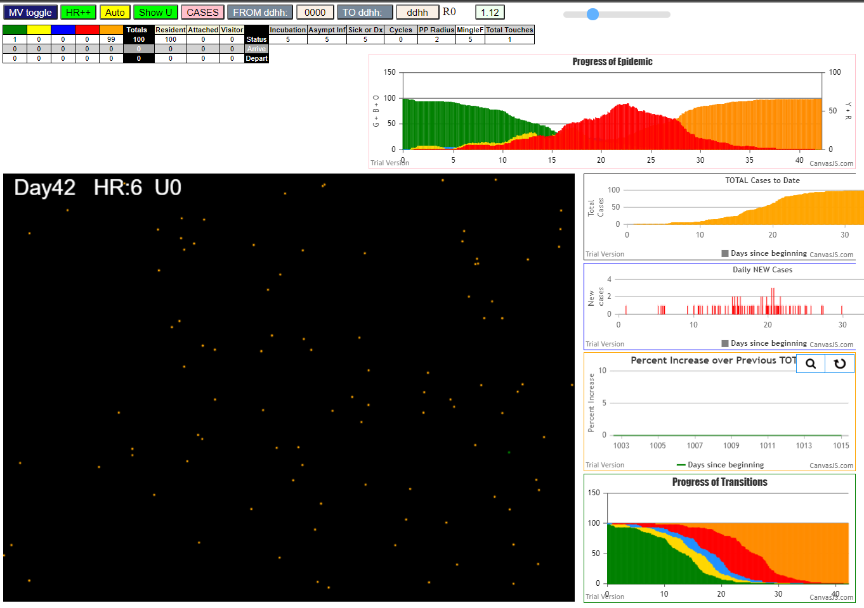
simulation.js:1990 42I j:famKey 5:-1 infected by blue i:famKey 2:-1 at gen 292 in Univ0
simulation.js:2006 43I i:famKey 47:-1 infected by red j:famKey 99:-1 at gen 298 in U0
simulation.js:2006 44I i:famKey 19:-1 infected by red j:famKey 69:-1 at gen 302 in U0
simulation.js:2006 44I i:famKey 46:-1 infected by red j:famKey 99:-1 at gen 303 in U0
simulation.js:2006 46I i:famKey 1:-1 infected by red j:famKey 26:-1 at gen 309 in U0
simulation.js:1990 47I j:famKey 22:-1 infected by red i:famKey 2:-1 at gen 313 in Univ0
simulation.js:2006 48I i:famKey 93:-1 infected by red j:famKey 97:-1 at gen 316 in U0
simulation.js:2006 49I i:famKey 12:-1 infected by red j:famKey 85:-1 at gen 329 in U0
simulation.js:2006 50I i:famKey 64:-1 infected by red j:famKey 97:-1 at gen 332 in U0
2simulation.js:2006 50I i:famKey 65:-1 infected by red j:famKey 85:-1 at gen 333 in U0
simulation.js:2006 51I i:famKey 33:-1 infected by red j:famKey 45:-1 at gen 334 in U0
simulation.js:1990 53I j:famKey 34:-1 infected by blue i:famKey 29:-1 at gen 347 in Univ0
simulation.js:2006 53I i:famKey 8:-1 infected by red j:famKey 69:-1 at gen 347 in U0
simulation.js:1990 53I j:famKey 41:-1 infected by blue i:famKey 29:-1 at gen 348 in Univ0
simulation.js:1990 56I j:famKey 81:-1 infected by red i:famKey 67:-1 at gen 356 in Univ0
2simulation.js:2006 56I i:famKey 3:-1 infected by red j:famKey 97:-1 at gen 357 in U0
simulation.js:1990 58I j:famKey 36:-1 infected by blue i:famKey 31:-1 at gen 359 in Univ0
2simulation.js:1990 58I j:famKey 89:-1 infected by blue i:famKey 31:-1 at gen 360 in Univ0
simulation.js:1990 58I j:famKey 86:-1 infected by red i:famKey 48:-1 at gen 360 in Univ0
2simulation.js:1990 59I j:famKey 54:-1 infected by red i:famKey 44:-1 at gen 361 in Univ0
simulation.js:1990 59I j:famKey 73:-1 infected by red i:famKey 26:-1 at gen 361 in Univ0
simulation.js:1990 63I j:famKey 79:-1 infected by blue i:famKey 75:-1 at gen 370 in Univ0
simulation.js:2006 63I i:famKey 68:-1 infected by red j:famKey 69:-1 at gen 370 in U0
simulation.js:1990 63I j:famKey 79:-1 infected by blue i:famKey 75:-1 at gen 370 in Univ0
simulation.js:2006 65I i:famKey 16:-1 infected by blue j:famKey 52:-1 at gen 372 in U0
2simulation.js:2006 66I i:famKey 60:-1 infected by red j:famKey 88:-1 at gen 374 in U0
simulation.js:1990 67I j:famKey 55:-1 infected by red i:famKey 2:-1 at gen 378 in Univ0
2simulation.js:1990 68I j:famKey 39:-1 infected by red i:famKey 35:-1 at gen 380 in Univ0
simulation.js:1990 69I j:famKey 61:-1 infected by red i:famKey 2:-1 at gen 382 in Univ0
simulation.js:1990 69I j:famKey 74:-1 infected by red i:famKey 31:-1 at gen 382 in Univ0
simulation.js:1990 69I j:famKey 80:-1 infected by red i:famKey 2:-1 at gen 383 in Univ0
simulation.js:2006 72I i:famKey 43:-1 infected by blue j:famKey 47:-1 at gen 386 in U0
simulation.js:1990 72I j:famKey 90:-1 infected by red i:famKey 31:-1 at gen 387 in Univ0
simulation.js:2006 74I i:famKey 15:-1 infected by red j:famKey 97:-1 at gen 389 in U0
simulation.js:2006 75I i:famKey 40:-1 infected by red j:famKey 75:-1 at gen 392 in U0
simulation.js:1990 76I j:famKey 70:-1 infected by red i:famKey 57:-1 at gen 395 in Univ0
simulation.js:1990 77I j:famKey 21:-1 infected by red i:famKey 11:-1 at gen 400 in Univ0
simulation.js:1990 78I j:famKey 91:-1 infected by red i:famKey 85:-1 at gen 402 in Univ0
simulation.js:1990 78I j:famKey 56:-1 infected by red i:famKey 11:-1 at gen 403 in Univ0
2simulation.js:2006 79I i:famKey 27:-1 infected by red j:famKey 31:-1 at gen 404 in U0
simulation.js:1990 81I j:famKey 87:-1 infected by red i:famKey 75:-1 at gen 410 in Univ0
simulation.js:2006 82I i:famKey 24:-1 infected by red j:famKey 35:-1 at gen 416 in U0
simulation.js:2006 83I i:famKey 58:-1 infected by red j:famKey 75:-1 at gen 426 in U0
simulation.js:1990 84I j:famKey 78:-1 infected by blue i:famKey 12:-1 at gen 429 in Univ0
simulation.js:2006 85I i:famKey 25:-1 infected by red j:famKey 47:-1 at gen 445 in U0
simulation.js:1990 86I j:famKey 71:-1 infected by red i:famKey 53:-1 at gen 452 in Univ0
simulation.js:1990 87I j:famKey 82:-1 infected by blue i:famKey 60:-1 at gen 457 in Univ0
simulation.js:2006 87I i:famKey 72:-1 infected by blue j:famKey 73:-1 at gen 457 in U0
simulation.js:2006 89I i:famKey 14:-1 infected by red j:famKey 84:-1 at gen 469 in U0
simulation.js:1990 90I j:famKey 59:-1 infected by red i:famKey 54:-1 at gen 477 in Univ0
simulation.js:2006 91I i:famKey 66:-1 infected by red j:famKey 86:-1 at gen 481 in U0
simulation.js:2006 92I i:famKey 30:-1 infected by red j:famKey 89:-1 at gen 483 in U0
simulation.js:2006 93I i:famKey 0:-1 infected by red j:famKey 55:-1 at gen 503 in U0
simulation.js:1990 94I j:famKey 94:-1 infected by red i:famKey 16:-1 at gen 530 in Univ0
simulation.js:1990 95I j:famKey 76:-1 infected by red i:famKey 1:-1 at gen 534 in Univ0
simulation.js:2006 96I i:famKey 32:-1 infected by blue j:famKey 58:-1 at gen 541 in U0
simulation.js:1990 97I j:famKey 63:-1 infected by blue i:famKey 0:-1 at gen 604 in Univ0
simulation.js:1990 98I j:famKey 62:-1 infected by red i:famKey 32:-1 at gen 704 in Univ0

Sheet17
ile {name: "VL1.csv", lastModified: 1603760180000, lastModifiedDate: Mon Oct 26 2020 17:56:20 GMT-0700 (Pacific Daylight Time), webkitRelativePath: "", size: 66, …}
simulation.js:1990 1I j:famKey 16:-1 infected by red i:famKey 10:-1 at gen 71 in Univ0
simulation.js:1990 2I j:famKey 26:-1 infected by red i:famKey 10:-1 at gen 132 in Univ0
simulation.js:1990 3I j:famKey 72:-1 infected by blue i:famKey 16:-1 at gen 158 in Univ0
simulation.js:1990 4I j:famKey 20:-1 infected by blue i:famKey 16:-1 at gen 173 in Univ0
simulation.js:1990 5I j:famKey 30:-1 infected by blue i:famKey 20:-1 at gen 274 in Univ0
simulation.js:2006 6I i:famKey 9:-1 infected by red j:famKey 16:-1 at gen 309 in U0
simulation.js:1990 7I j:famKey 94:-1 infected by red i:famKey 20:-1 at gen 327 in Univ0
simulation.js:2006 8I i:famKey 37:-1 infected by red j:famKey 72:-1 at gen 342 in U0
simulation.js:1990 9I j:famKey 60:-1 infected by red i:famKey 20:-1 at gen 391 in Univ0
simulation.js:1990 10I j:famKey 23:-1 infected by blue i:famKey 9:-1 at gen 412 in Univ0
simulation.js:1990 11I j:famKey 79:-1 infected by red i:famKey 30:-1 at gen 415 in Univ0
simulation.js:1990 12I j:famKey 47:-1 infected by red i:famKey 20:-1 at gen 429 in Univ0
simulation.js:1990 13I j:famKey 95:-1 infected by red i:famKey 30:-1 at gen 442 in Univ0
simulation.js:1990 14I j:famKey 44:-1 infected by red i:famKey 30:-1 at gen 468 in Univ0
simulation.js:1990 15I j:famKey 75:-1 infected by red i:famKey 9:-1 at gen 489 in Univ0
simulation.js:1990 16I j:famKey 62:-1 infected by red i:famKey 37:-1 at gen 497 in Univ0
simulation.js:2006 17I i:famKey 19:-1 infected by red j:famKey 37:-1 at gen 500 in U0
simulation.js:1990 17I j:famKey 85:-1 infected by blue i:famKey 47:-1 at gen 501 in Univ0
simulation.js:2006 19I i:famKey 52:-1 infected by blue j:famKey 79:-1 at gen 514 in U0
simulation.js:2006 20I i:famKey 35:-1 infected by blue j:famKey 79:-1 at gen 517 in U0
simulation.js:2006 20I i:famKey 15:-1 infected by blue j:famKey 95:-1 at gen 518 in U0
simulation.js:1990 22I j:famKey 68:-1 infected by red i:famKey 37:-1 at gen 521 in Univ0
simulation.js:2006 23I i:famKey 3:-1 infected by blue j:famKey 44:-1 at gen 565 in U0
simulation.js:2006 24I i:famKey 24:-1 infected by red j:famKey 94:-1 at gen 585 in U0
simulation.js:2006 25I i:famKey 33:-1 infected by blue j:famKey 68:-1 at gen 634 in U0
simulation.js:2006 26I i:famKey 38:-1 infected by red j:famKey 47:-1 at gen 643 in U0
2simulation.js:2006 27I i:famKey 6:-1 infected by red j:famKey 85:-1 at gen 648 in U0
simulation.js:2006 28I i:famKey 17:-1 infected by red j:famKey 52:-1 at gen 657 in U0
2simulation.js:2006 29I i:famKey 4:-1 infected by red j:famKey 62:-1 at gen 665 in U0
simulation.js:2006 30I i:famKey 71:-1 infected by red j:famKey 95:-1 at gen 677 in U0
simulation.js:1990 31I j:famKey 96:-1 infected by red i:famKey 68:-1 at gen 694 in Univ0
2simulation.js:2006 31I i:famKey 31:-1 infected by red j:famKey 75:-1 at gen 695 in U0
simulation.js:2006 33I i:famKey 14:-1 infected by red j:famKey 47:-1 at gen 701 in U0
simulation.js:2006 34I i:famKey 55:-1 infected by red j:famKey 85:-1 at gen 729 in U0
simulation.js:1990 35I j:famKey 59:-1 infected by red i:famKey 35:-1 at gen 748 in Univ0
simulation.js:2006 36I i:famKey 2:-1 infected by red j:famKey 68:-1 at gen 751 in U0
simulation.js:1990 37I j:famKey 87:-1 infected by blue i:famKey 6:-1 at gen 761 in Univ0
simulation.js:2006 38I i:famKey 50:-1 infected by red j:famKey 68:-1 at gen 783 in U0
simulation.js:2006 39I i:famKey 61:-1 infected by red j:famKey 68:-1 at gen 808 in U0
simulation.js:1990 40I j:famKey 54:-1 infected by red i:famKey 17:-1 at gen 836 in Univ0
simulation.js:2006 41I i:famKey 27:-1 infected by blue j:famKey 59:-1 at gen 862 in U0
simulation.js:2006 42I i:famKey 83:-1 infected by blue j:famKey 87:-1 at gen 867 in U0
simulation.js:1990 43I j:famKey 90:-1 infected by blue i:famKey 87:-1 at gen 876 in Univ0
simulation.js:2006 44I i:famKey 1:-1 infected by red j:famKey 17:-1 at gen 881 in U0
simulation.js:2006 45I i:famKey 46:-1 infected by red j:famKey 96:-1 at gen 886 in U0
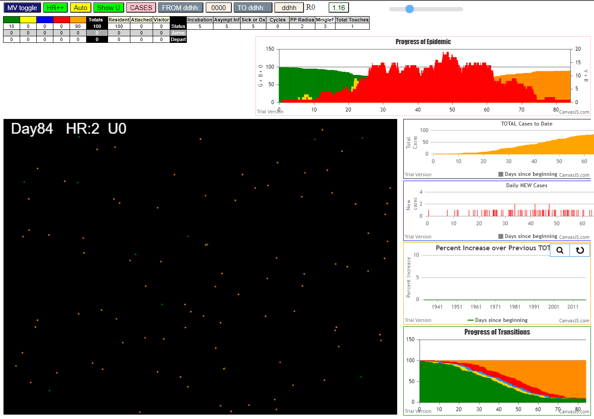
simulation.js:2006 46I i:famKey 66:-1 infected by red j:famKey 87:-1 at gen 888 in U0
simulation.js:2006 47I i:famKey 29:-1 infected by red j:famKey 55:-1 at gen 907 in U0
simulation.js:1990 48I j:famKey 13:-1 infected by red i:famKey 6:-1 at gen 916 in Univ0
simulation.js:2006 49I i:famKey 36:-1 infected by blue j:famKey 54:-1 at gen 936 in U0
2simulation.js:2006 50I i:famKey 40:-1 infected by red j:famKey 50:-1 at gen 949 in U0
simulation.js:2006 51I i:famKey 48:-1 infected by blue j:famKey 54:-1 at gen 952 in U0
simulation.js:2006 52I i:famKey 70:-1 infected by blue j:famKey 83:-1 at gen 955 in U0
2simulation.js:2006 53I i:famKey 5:-1 infected by red j:famKey 87:-1 at gen 965 in U0
2simulation.js:1990 54I j:famKey 78:-1 infected by red i:famKey 14:-1 at gen 982 in Univ0
simulation.js:1990 55I j:famKey 76:-1 infected by blue i:famKey 66:-1 at gen 1000 in Univ0
simulation.js:2006 56I i:famKey 28:-1 infected by blue j:famKey 36:-1 at gen 1008 in U0
simulation.js:1990 57I j:famKey 93:-1 infected by red i:famKey 50:-1 at gen 1010 in Univ0
simulation.js:2006 58I i:famKey 39:-1 infected by red j:famKey 54:-1 at gen 1014 in U0
2simulation.js:1990 59I j:famKey 58:-1 infected by red i:famKey 13:-1 at gen 1043 in Univ0
simulation.js:1990 60I j:famKey 32:-1 infected by red i:famKey 1:-1 at gen 1059 in Univ0
3simulation.js:1990 60I j:famKey 92:-1 infected by red i:famKey 54:-1 at gen 1060 in Univ0
simulation.js:1990 62I j:famKey 42:-1 infected by red i:famKey 1:-1 at gen 1073 in Univ0
2simulation.js:1990 63I j:famKey 63:-1 infected by red i:famKey 36:-1 at gen 1077 in Univ0
simulation.js:1990 64I j:famKey 97:-1 infected by red i:famKey 40:-1 at gen 1116 in Univ0
simulation.js:1990 65I j:famKey 73:-1 infected by red i:famKey 66:-1 at gen 1141 in Univ0
simulation.js:2006 66I i:famKey 18:-1 infected by red j:famKey 40:-1 at gen 1148 in U0
simulation.js:1990 67I j:famKey 84:-1 infected by red i:famKey 58:-1 at gen 1159 in Univ0
simulation.js:1990 68I j:famKey 77:-1 infected by red i:famKey 48:-1 at gen 1170 in Univ0
simulation.js:1990 68I j:famKey 67:-1 infected by blue i:famKey 42:-1 at gen 1171 in Univ0
simulation.js:1990 70I j:famKey 56:-1 infected by blue i:famKey 42:-1 at gen 1186 in Univ0
simulation.js:1990 70I j:famKey 69:-1 infected by red i:famKey 39:-1 at gen 1187 in Univ0
2simulation.js:1990 72I j:famKey 98:-1 infected by red i:famKey 32:-1 at gen 1189 in Univ0
simulation.js:2006 73I i:famKey 12:-1 infected by red j:famKey 28:-1 at gen 1216 in U0
simulation.js:2006 74I i:famKey 8:-1 infected by red j:famKey 48:-1 at gen 1228 in U0
2simulation.js:2006 75I i:famKey 53:-1 infected by red j:famKey 97:-1 at gen 1241 in U0
simulation.js:2006 76I i:famKey 7:-1 infected by blue j:famKey 77:-1 at gen 1254 in U0
simulation.js:2006 77I i:famKey 21:-1 infected by red j:famKey 39:-1 at gen 1272 in U0
simulation.js:2006 78I i:famKey 51:-1 infected by red j:famKey 92:-1 at gen 1287 in U0
2simulation.js:1990 79I j:famKey 81:-1 infected by red i:famKey 56:-1 at gen 1323 in Univ0
simulation.js:1990 80I j:famKey 86:-1 infected by red i:famKey 77:-1 at gen 1338 in Univ0
simulation.js:2006 81I i:famKey 45:-1 infected by red j:famKey 98:-1 at gen 1388 in U0
simulation.js:2006 82I i:famKey 41:-1 infected by red j:famKey 77:-1 at gen 1402 in U0
simulation.js:1990 83I j:famKey 91:-1 infected by red i:famKey 53:-1 at gen 1444 in Univ0
simulation.js:1990 84I j:famKey 88:-1 infected by red i:famKey 18:-1 at gen 1451 in Univ0
2simulation.js:2006 85I i:famKey 34:-1 infected by red j:famKey 69:-1 at gen 1459 in U0
2simulation.js:2006 86I i:famKey 11:-1 infected by red j:famKey 69:-1 at gen 1465 in U0
simulation.js:2006 87I i:famKey 22:-1 infected by red j:famKey 86:-1 at gen 1488 in U0
simulation.js:1990 88I j:famKey 99:-1 infected by red i:famKey 11:-1 at gen 1591 in Univ0
simulation.js:1990 89I j:famKey 25:-1 infected by red i:famKey 22:-1 at gen 1725 in Univ0

Sheet18
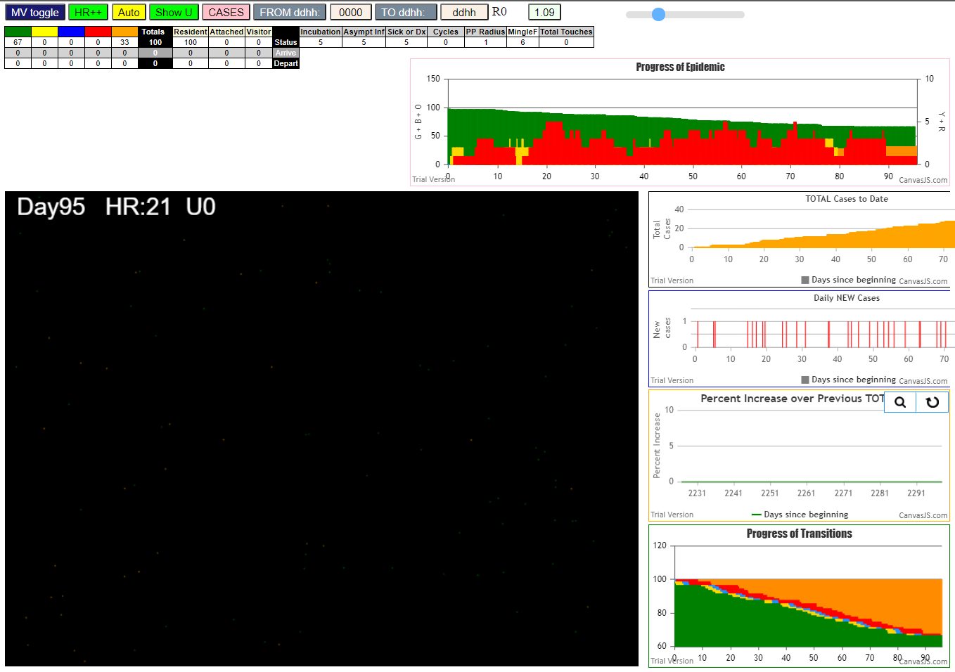
File {name: "VL1.csv", lastModified: 1603760180000, lastModifiedDate: Mon Oct 26 2020 17:56:20 GMT-0700 (Pacific Daylight Time), webkitRelativePath: "", size: 66, …}
simulation.js:1990 1I j:famKey 51:-1 infected by blue i:famKey 10:-1 at gen 10 in Univ0
simulation.js:1990 2I j:famKey 19:-1 infected by blue i:famKey 10:-1 at gen 19 in Univ0
simulation.js:1990 3I j:famKey 62:-1 infected by red i:famKey 51:-1 at gen 237 in Univ0
2simulation.js:2006 4I i:famKey 35:-1 infected by red j:famKey 51:-1 at gen 273 in U0
simulation.js:1990 5I j:famKey 93:-1 infected by red i:famKey 51:-1 at gen 297 in Univ0
simulation.js:1990 6I j:famKey 91:-1 infected by blue i:famKey 62:-1 at gen 333 in Univ0
simulation.js:2006 7I i:famKey 8:-1 infected by red j:famKey 62:-1 at gen 358 in U0
simulation.js:1990 8I j:famKey 55:-1 infected by blue i:famKey 8:-1 at gen 467 in Univ0
simulation.js:1990 9I j:famKey 52:-1 infected by red i:famKey 35:-1 at gen 505 in Univ0
simulation.js:1990 10I j:famKey 92:-1 infected by red i:famKey 8:-1 at gen 569 in Univ0
simulation.js:2006 11I i:famKey 12:-1 infected by red j:famKey 91:-1 at gen 621 in U0
simulation.js:1990 12I j:famKey 99:-1 infected by red i:famKey 12:-1 at gen 781 in Univ0
simulation.js:2006 13I i:famKey 73:-1 infected by red j:famKey 92:-1 at gen 783 in U0
2simulation.js:1990 14I j:famKey 80:-1 infected by red i:famKey 73:-1 at gen 921 in Univ0
simulation.js:2006 15I i:famKey 72:-1 infected by red j:famKey 99:-1 at gen 934 in U0
simulation.js:2006 16I i:famKey 23:-1 infected by red j:famKey 99:-1 at gen 987 in U0
simulation.js:2006 17I i:famKey 21:-1 infected by blue j:famKey 72:-1 at gen 1052 in U0
2simulation.js:1990 18I j:famKey 89:-1 infected by red i:famKey 23:-1 at gen 1107 in Univ0
simulation.js:2006 19I i:famKey 31:-1 infected by red j:famKey 80:-1 at gen 1150 in U0
simulation.js:2006 20I i:famKey 71:-1 infected by red j:famKey 72:-1 at gen 1184 in U0
simulation.js:2006 21I i:famKey 9:-1 infected by red j:famKey 23:-1 at gen 1230 in U0
simulation.js:2006 22I i:famKey 7:-1 infected by red j:famKey 89:-1 at gen 1297 in U0
simulation.js:2006 23I i:famKey 0:-1 infected by red j:famKey 9:-1 at gen 1388 in U0
simulation.js:2006 24I i:famKey 84:-1 infected by red j:famKey 89:-1 at gen 1392 in U0
simulation.js:2006 25I i:famKey 36:-1 infected by blue j:famKey 84:-1 at gen 1506 in U0
simulation.js:2006 26I i:famKey 32:-1 infected by red j:famKey 84:-1 at gen 1542 in U0
simulation.js:1990 27I j:famKey 42:-1 infected by red i:famKey 0:-1 at gen 1577 in Univ0
simulation.js:1990 28I j:famKey 75:-1 infected by red i:famKey 0:-1 at gen 1675 in Univ0
simulation.js:2006 29I i:famKey 54:-1 infected by red j:famKey 75:-1 at gen 1823 in U0
simulation.js:2006 30I i:famKey 11:-1 infected by red j:famKey 42:-1 at gen 1839 in U0
2simulation.js:2006 31I i:famKey 40:-1 infected by red j:famKey 75:-1 at gen 1844 in U0
simulation.js:2006 32I i:famKey 16:-1 infected by red j:famKey 54:-1 at gen 2004 in U0

Sheet19
File {name: "VL1.csv", lastModified: 1603760180000, lastModifiedDate: Mon Oct 26 2020 17:56:20 GMT-0700 (Pacific Daylight Time), webkitRelativePath: "", size: 66, …}lastModified: 1603760180000lastModifiedDate: Mon Oct 26 2020 17:56:20 GMT-0700 (Pacific Daylight Time) {}name: "VL1.csv"size: 66type: "application/vnd.ms-excel"webkitRelativePath: ""__proto__: File
simulation.js:1990 1I j:famKey 15:-1 infected by red i:famKey 10:-1 at gen 33 in Univ0
simulation.js:2006 2I i:famKey 12:-1 infected by red j:famKey 15:-1 at gen 206 in U0
simulation.js:1990 3I j:famKey 96:-1 infected by red i:famKey 15:-1 at gen 216 in Univ0
simulation.js:2006 4I i:famKey 65:-1 infected by blue j:famKey 96:-1 at gen 330 in U0
simulation.js:2006 5I i:famKey 9:-1 infected by red j:famKey 96:-1 at gen 416 in U0
simulation.js:1990 6I j:famKey 34:-1 infected by red i:famKey 12:-1 at gen 436 in Univ0
simulation.js:2006 7I i:famKey 49:-1 infected by red j:famKey 96:-1 at gen 473 in U0
simulation.js:2006 7I i:famKey 13:-1 infected by red j:famKey 65:-1 at gen 474 in U0
simulation.js:1990 9I j:famKey 98:-1 infected by red i:famKey 65:-1 at gen 545 in Univ0
simulation.js:1990 10I j:famKey 42:-1 infected by red i:famKey 34:-1 at gen 585 in Univ0
simulation.js:1990 11I j:famKey 51:-1 infected by red i:famKey 13:-1 at gen 607 in Univ0
simulation.js:2006 12I i:famKey 25:-1 infected by red j:famKey 49:-1 at gen 647 in U0
simulation.js:2006 13I i:famKey 20:-1 infected by blue j:famKey 51:-1 at gen 682 in U0
simulation.js:2006 13I i:famKey 31:-1 infected by blue j:famKey 51:-1 at gen 682 in U0
simulation.js:2006 15I i:famKey 2:-1 infected by red j:famKey 13:-1 at gen 695 in U0
simulation.js:1990 16I j:famKey 84:-1 infected by red i:famKey 42:-1 at gen 709 in Univ0
simulation.js:1990 17I j:famKey 52:-1 infected by red i:famKey 42:-1 at gen 712 in Univ0
simulation.js:1990 18I j:famKey 75:-1 infected by red i:famKey 51:-1 at gen 735 in Univ0
simulation.js:1990 19I j:famKey 78:-1 infected by red i:famKey 25:-1 at gen 805 in Univ0
simulation.js:1990 19I j:famKey 55:-1 infected by red i:famKey 51:-1 at gen 805 in Univ0
simulation.js:1990 21I j:famKey 91:-1 infected by red i:famKey 42:-1 at gen 826 in Univ0
simulation.js:2006 22I i:famKey 0:-1 infected by red j:famKey 51:-1 at gen 834 in U0
simulation.js:1990 23I j:famKey 69:-1 infected by red i:famKey 31:-1 at gen 841 in Univ0
simulation.js:2006 24I i:famKey 11:-1 infected by red j:famKey 75:-1 at gen 857 in U0
simulation.js:1990 25I j:famKey 26:-1 infected by red i:famKey 20:-1 at gen 861 in Univ0
2simulation.js:2006 26I i:famKey 21:-1 infected by red j:famKey 52:-1 at gen 889 in U0
simulation.js:2006 27I i:famKey 43:-1 infected by red j:famKey 84:-1 at gen 894 in U0
simulation.js:1990 28I j:famKey 27:-1 infected by red i:famKey 20:-1 at gen 896 in Univ0
simulation.js:1990 29I j:famKey 93:-1 infected by red i:famKey 2:-1 at gen 914 in Univ0
simulation.js:2006 30I i:famKey 16:-1 infected by red j:famKey 31:-1 at gen 933 in U0
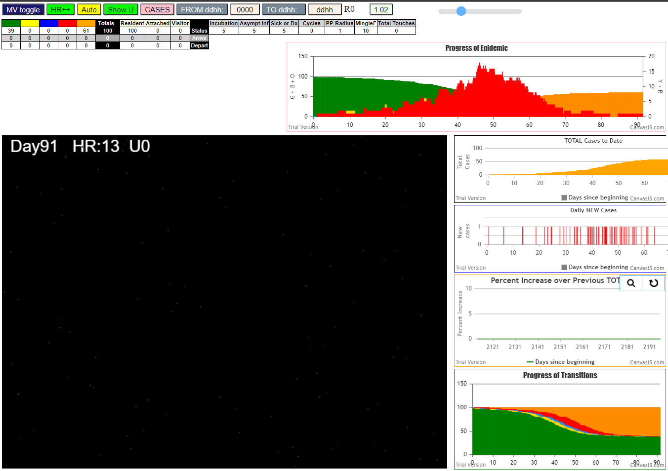
simulation.js:2006 31I i:famKey 47:-1 infected by blue j:famKey 69:-1 at gen 940 in U0
simulation.js:2006 32I i:famKey 83:-1 infected by red j:famKey 91:-1 at gen 961 in U0
simulation.js:2006 33I i:famKey 32:-1 infected by red j:famKey 69:-1 at gen 965 in U0
simulation.js:1990 34I j:famKey 29:-1 infected by red i:famKey 0:-1 at gen 967 in Univ0
simulation.js:1990 35I j:famKey 79:-1 infected by red i:famKey 0:-1 at gen 977 in Univ0
simulation.js:1990 36I j:famKey 60:-1 infected by blue i:famKey 26:-1 at gen 983 in Univ0
simulation.js:1990 37I j:famKey 80:-1 infected by red i:famKey 11:-1 at gen 1009 in Univ0
simulation.js:1990 38I j:famKey 95:-1 infected by blue i:famKey 27:-1 at gen 1019 in Univ0
simulation.js:2006 39I i:famKey 92:-1 infected by blue j:famKey 93:-1 at gen 1024 in U0
simulation.js:1990 40I j:famKey 59:-1 infected by blue i:famKey 47:-1 at gen 1046 in Univ0
simulation.js:2006 41I i:famKey 50:-1 infected by red j:famKey 55:-1 at gen 1054 in U0
simulation.js:1990 42I j:famKey 90:-1 infected by red i:famKey 16:-1 at gen 1075 in Univ0
simulation.js:2006 43I i:famKey 38:-1 infected by red j:famKey 60:-1 at gen 1097 in U0
simulation.js:1990 44I j:famKey 61:-1 infected by red i:famKey 43:-1 at gen 1117 in Univ0
simulation.js:2006 44I i:famKey 23:-1 infected by blue j:famKey 92:-1 at gen 1118 in U0
simulation.js:1990 46I j:famKey 58:-1 infected by red i:famKey 32:-1 at gen 1135 in Univ0
simulation.js:2006 47I i:famKey 45:-1 infected by red j:famKey 60:-1 at gen 1146 in U0
simulation.js:2006 48I i:famKey 17:-1 infected by red j:famKey 32:-1 at gen 1157 in U0
2simulation.js:2006 49I i:famKey 53:-1 infected by red j:famKey 60:-1 at gen 1184 in U0
simulation.js:2006 50I i:famKey 28:-1 infected by red j:famKey 95:-1 at gen 1209 in U0
simulation.js:1990 51I j:famKey 54:-1 infected by red i:famKey 50:-1 at gen 1227 in Univ0
simulation.js:2006 52I i:famKey 1:-1 infected by red j:famKey 59:-1 at gen 1231 in U0
simulation.js:1990 53I j:famKey 94:-1 infected by red i:famKey 38:-1 at gen 1247 in Univ0
simulation.js:2006 54I i:famKey 14:-1 infected by red j:famKey 61:-1 at gen 1289 in U0
simulation.js:1990 55I j:famKey 99:-1 infected by red i:famKey 38:-1 at gen 1340 in Univ0
simulation.js:2006 56I i:famKey 24:-1 infected by red j:famKey 54:-1 at gen 1354 in U0
simulation.js:1990 57I j:famKey 41:-1 infected by red i:famKey 1:-1 at gen 1413 in Univ0
simulation.js:1990 58I j:famKey 71:-1 infected by red i:famKey 24:-1 at gen 1548 in Univ0
simulation.js:1990 59I j:famKey 72:-1 infected by blue i:famKey 71:-1 at gen 1659 in Univ0
simulation.js:1990 60I j:famKey 77:-1 infected by red i:famKey 72:-1 at gen 1903 in Univ0

