Cover Page


2023 CELT Report
2023–2032 Forecast Report of Capacity, Energy, Loads, and Transmission
© ISO New England Inc. System Planning
May 1, 2023

ISO-NE PUBLIC USE

Appendix A.1 Resources
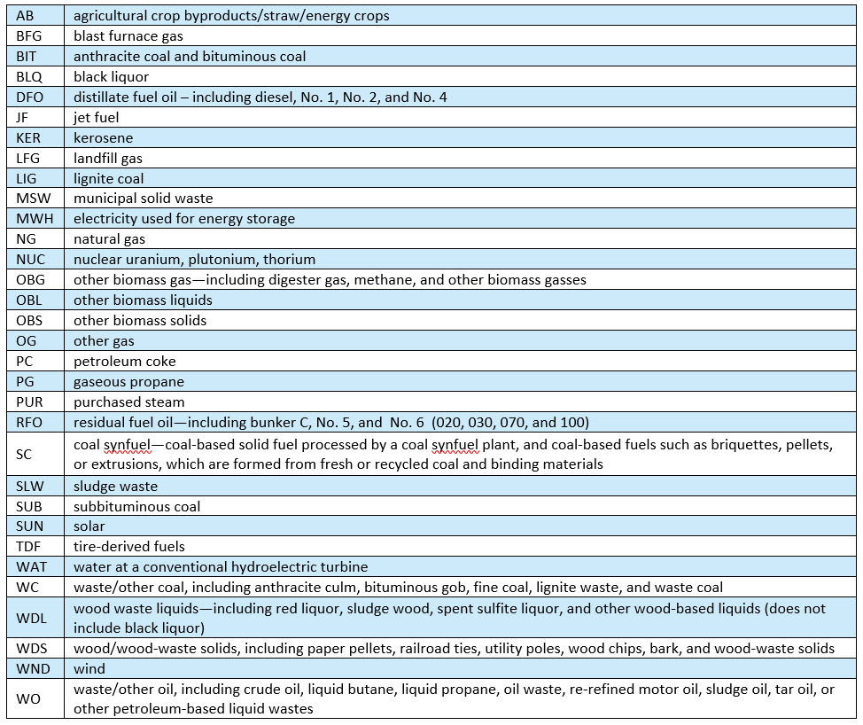
A.1 Resources

Link: | Glossary and Acronyms

Link: | System Planning Subareas

Link: | Load Zones

Generator Type
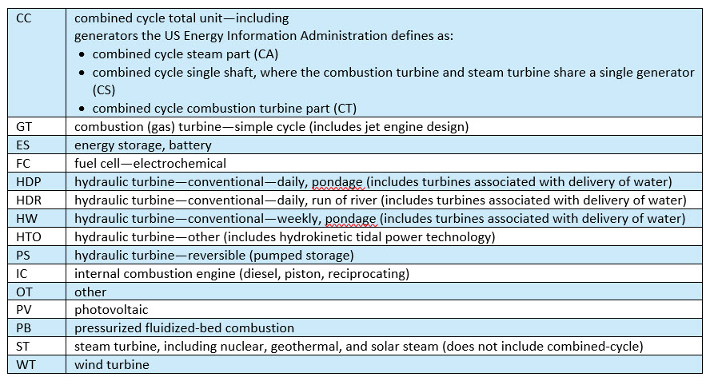

Fuel Type

