change-1
9800 | 4871500.3046
9801 | 4871517.5
9802 | 4871535
9803 | 4871552.5
9804 | 4871570
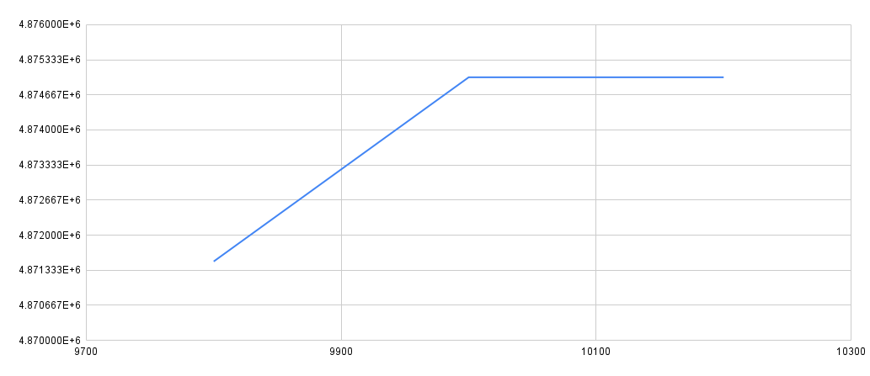
9805 | 4871587.5
9806 | 4871605
9807 | 4871622.5
9808 | 4871640
9809 | 4871657.5
9810 | 4871675
9811 | 4871692.5
9812 | 4871710
9813 | 4871727.5
9814 | 4871745
9815 | 4871762.5
9816 | 4871780
9817 | 4871797.5
9818 | 4871815.3046
9819 | 4871832.5
9820 | 4871850.2796
9821 | 4871867.5
9822 | 4871885
9823 | 4871902.5
9824 | 4871920
9825 | 4871937.5
9826 | 4871955
9827 | 4871972.5
9828 | 4871990
9829 | 4872007.5
9830 | 4872025
9831 | 4872042.5
9832 | 4872060
9833 | 4872077.5
9834 | 4872095
9835 | 4872112.5
9836 | 4872130
9837 | 4872147.5
9838 | 4872165.2795
9839 | 4872182.5
9840 | 4872200
9841 | 4872217.5
9842 | 4872235.2794
9843 | 4872252.5
9844 | 4872270
9845 | 4872287.5
9846 | 4872305
9847 | 4872322.5
9848 | 4872340
9849 | 4872357.5
9850 | 4872375
9851 | 4872392.6589
9852 | 4872410.4848
9853 | 4872427.5
9854 | 4872445
9855 | 4872462.5
9856 | 4872480
9857 | 4872497.5
9858 | 4872515
9859 | 4872532.5
9860 | 4872550
9861 | 4872567.5
9862 | 4872585
9863 | 4872602.5
9864 | 4872620
9865 | 4872637.5
9866 | 4872655
9867 | 4872672.5
9868 | 4872690
9869 | 4872707.5
9870 | 4872725
9871 | 4872742.5
9872 | 4872760
9873 | 4872777.5
9874 | 4872795
9875 | 4872812.6589
9876 | 4872830
9877 | 4872847.5
9878 | 4872865
9879 | 4872882.5
9880 | 4872900
9881 | 4872917.5
9882 | 4872935
9883 | 4872952.5
9884 | 4872970
9885 | 4872987.6987
9886 | 4873005
9887 | 4873022.5
9888 | 4873040
9889 | 4873057.6987
9890 | 4873075
9891 | 4873092.5
9892 | 4873110
9893 | 4873127.5
9894 | 4873145
9895 | 4873162.5
9896 | 4873180
9897 | 4873197.5
9898 | 4873215.2649
9899 | 4873232.5
9900 | 4873250
9901 | 4873267.5
9902 | 4873285
9903 | 4873302.5
9904 | 4873320.4474
9905 | 4873337.5
9906 | 4873355
9907 | 4873372.5
9908 | 4873390
9909 | 4873407.5
9910 | 4873425
9911 | 4873442.5
9912 | 4873460
9913 | 4873477.5
9914 | 4873495
9915 | 4873512.5
9916 | 4873530
9917 | 4873547.5
9918 | 4873565
9919 | 4873582.5
9920 | 4873600
9921 | 4873617.5
9922 | 4873635
9923 | 4873652.5
9924 | 4873670
9925 | 4873687.5
9926 | 4873705
9927 | 4873722.5
9928 | 4873740
9929 | 4873757.8812
9930 | 4873775.4768
9931 | 4873792.5
9932 | 4873810
9933 | 4873827.5
9934 | 4873845.3179
9935 | 4873862.9768
9936 | 4873880
9937 | 4873897.5
9938 | 4873915
9939 | 4873932.5
9940 | 4873950
9941 | 4873967.6987
9942 | 4873985
9943 | 4874002.5
9944 | 4874020.1987
9945 | 4874037.5
9946 | 4874055
9947 | 4874072.5
9948 | 4874090
9949 | 4874107.5
9950 | 4874125
9951 | 4874142.5
9952 | 4874160.1987
9953 | 4874177.5
9954 | 4874195
9955 | 4874212.5
9956 | 4874230
9957 | 4874247.5
9958 | 4874265.1987
9959 | 4874282.6987
9960 | 4874300.1987
9961 | 4874317.5
9962 | 4874335
9963 | 4874352.5
9964 | 4874370
9965 | 4874387.6325
9966 | 4874405.1987
9967 | 4874422.5
9968 | 4874440
9969 | 4874457.6987
9970 | 4874475
9971 | 4874492.6589
9972 | 4874510
9973 | 4874527.5
9974 | 4874545
9975 | 4874562.5
9976 | 4874580
9977 | 4874597.5
9978 | 4874615
9979 | 4874632.6987
9980 | 4874650
9981 | 4874667.5
9982 | 4874685
9983 | 4874702.5
9984 | 4874720.2649
9985 | 4874737.5
9986 | 4874755
9987 | 4874772.5
9988 | 4874790
9989 | 4874807.7649
9990 | 4874825
9991 | 4874842.5
9992 | 4874860
9993 | 4874877.6987
9994 | 4874895.1987
9995 | 4874912.5
9996 | 4874930
9997 | 4874947.6987
9998 | 4874965
9999 | 4874982.5
10000 | 4875000
10001 | 4875000.1589
10002 | 4875000
10003 | 4875000
10004 | 4875000
10005 | 4875000
10006 | 4875000
10007 | 4875000
10008 | 4875000
10009 | 4875000.7462
10010 | 4875000
10011 | 4875000.1722
10012 | 4875000
10013 | 4875000
10014 | 4875000
10015 | 4875000.7462
10016 | 4875000.0132
10017 | 4875000.4503
10018 | 4875000
10019 | 4875000
10020 | 4875000
10021 | 4875000.3179
10022 | 4875000
10023 | 4875000
10024 | 4875000
10025 | 4875000
10026 | 4875000
10027 | 4875000
10028 | 4875000
10029 | 4875000
10030 | 4875000.3179
10031 | 4875000.5563
10032 | 4875000
10033 | 4875000
10034 | 4875000
10035 | 4875000.1722
10036 | 4875000
10037 | 4875000.053
10038 | 4875000
10039 | 4875000
10040 | 4875000
10041 | 4875000
10042 | 4875000.5166
10043 | 4875000
10044 | 4875000
10045 | 4875000
10046 | 4875000.0848
10047 | 4875000.7462
10048 | 4875000
10049 | 4875000.7462
10050 | 4875000.1907
10051 | 4875000
10052 | 4875000.7462
10053 | 4875000
10054 | 4875000
10055 | 4875000
10056 | 4875000
10057 | 4875000
10058 | 4875000
10059 | 4875000.5166
10060 | 4875000
10061 | 4875000
10062 | 4875000
10063 | 4875000
10064 | 4875000
10065 | 4875000
10066 | 4875000
10067 | 4875000
10068 | 4875000
10069 | 4875000.2384
10070 | 4875000
10071 | 4875000
10072 | 4875000
10073 | 4875000.053
10074 | 4875000.1148
10075 | 4875000.7462
10076 | 4875000
10077 | 4875000
10078 | 4875000
10079 | 4875000.5166
10080 | 4875000.0795
10081 | 4875000
10082 | 4875000
10083 | 4875000.2384
10084 | 4875000
10085 | 4875000
10086 | 4875000
10087 | 4875000
10088 | 4875000
10089 | 4875000.0795
10090 | 4875000
10091 | 4875000.1722
10092 | 4875000
10093 | 4875000.7462
10094 | 4875000
10095 | 4875000
10096 | 4875000
10097 | 4875000.1589
10098 | 4875000
10099 | 4875000
10100 | 4875000
10101 | 4875000
10102 | 4875000
10103 | 4875000
10104 | 4875000.0318
10105 | 4875000
10106 | 4875000
10107 | 4875000.0318
10108 | 4875000
10109 | 4875000
10110 | 4875000
10111 | 4875000
10112 | 4875000
10113 | 4875000
10114 | 4875000.0318
10115 | 4875000
10116 | 4875000
10117 | 4875000
10118 | 4875000.0318
10119 | 4875000.0318
10120 | 4875000
10121 | 4875000.0318
10122 | 4875000.3179
10123 | 4875000.3497
10124 | 4875000
10125 | 4875000
10126 | 4875000
10127 | 4875000
10128 | 4875000
10129 | 4875000.0318
10130 | 4875000
10131 | 4875000
10132 | 4875000
10133 | 4875000
10134 | 4875000.3497
10135 | 4875000
10136 | 4875000.3576
10137 | 4875000
10138 | 4875000
10139 | 4875000.1589
10140 | 4875000
10141 | 4875000
10142 | 4875000
10143 | 4875000.1589
10144 | 4875000
10145 | 4875000.3179
10146 | 4875000
10147 | 4875000
10148 | 4875000
10149 | 4875000.1589
10150 | 4875000
10151 | 4875000
10152 | 4875000
10153 | 4875000
10154 | 4875000
10155 | 4875000.1589
10156 | 4875000
10157 | 4875000
10158 | 4875000
10159 | 4875000
10160 | 4875000
10161 | 4875000
10162 | 4875000
10163 | 4875000
10164 | 4875000
10165 | 4875000
10166 | 4875000.2543
10167 | 4875000.2583
10168 | 4875000
10169 | 4875000
10170 | 4875000
10171 | 4875000
10172 | 4875000
10173 | 4875000
10174 | 4875000.1272
10175 | 4875000
10176 | 4875000
10177 | 4875000
10178 | 4875000.0795
10179 | 4875000.1589
10180 | 4875000
10181 | 4875000
10182 | 4875000
10183 | 4875000
10184 | 4875000
10185 | 4875000
10186 | 4875000
10187 | 4875000
10188 | 4875000
10189 | 4875000
10190 | 4875000
10191 | 4875000
10192 | 4875000
10193 | 4875000
10194 | 4875000.1325
10195 | 4875000
10196 | 4875000
10197 | 4875000.1589
10198 | 4875000
10199 | 4875000
10200 | 4875000

