Decision Tree Prediction
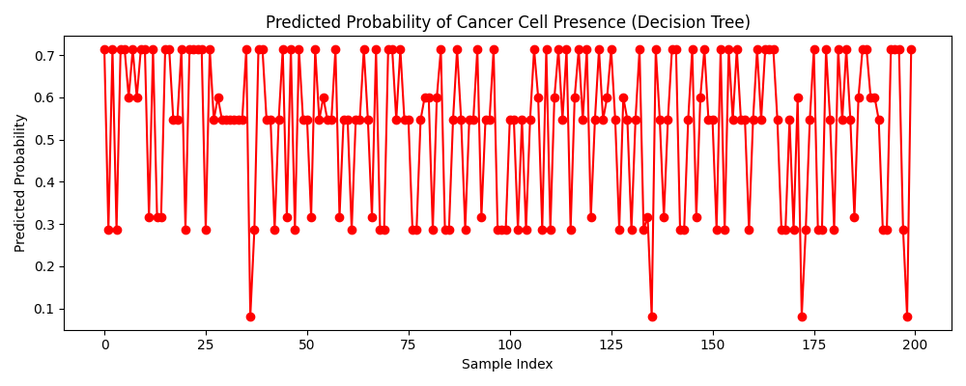
Predicted Probability of Cancer Cell Presence

