Logistic Regression Prediction
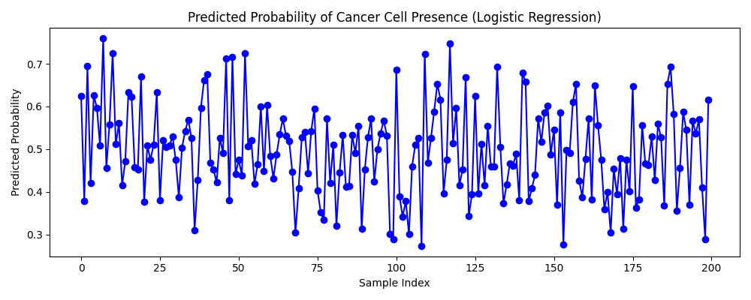
Predicted Probability of Cancer Cell Presence

