Random Forest Prediction
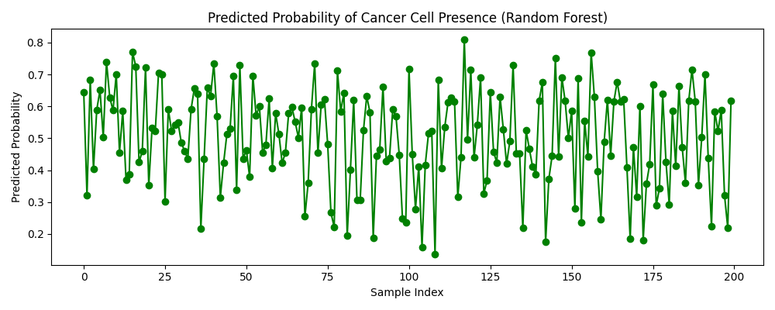
Predicted Probability of Cancer Cell Presence

