Overview
 Portolio Project | Grammy.com Web Analytics

— Your Job
Are you excited to dive into data work for an exciting project at The Recording Academy? You know, the non-profit organization behind the Grammy Awards! In this project, you'll work on real data from both websites owned by The Recording Academy, the non-profit organization behind the famous Grammy Awards. As you just learned, Ray Starck, the VP of Digital Strategy, decided to split the websites into grammy.com and recordingacademy.com to better serve the Recording Academy's various audience needs. Now, you are tasked with examining the effect of splitting up the two websites, and analyzing the data for a better understanding of trends and audience behavior on both sites. Are you ready?!?! Let's do this!

— Your Skills
For this task, you'll engage the following skills: (1) Prepare the data by transforming it. (2) Calculate business KPIs (3) Make recommendations for the organization.

— Ready to Begin? Click the next tab below to explore the data dictionary!

Complete Your Analysis!
About Your Analysis
• All of your answers should be typed or pasted into the grey boxes. • Questions with grey answer boxes expect a specific answer. If you input the correct answer, the question number box will change from blue to green. • Questions with yellow answer boxes are free response questions. There will be no change in the question number boxes (in blue), regardless of answer. • For hints for each question, hover your mouse over the blue hint box to get helpful information!

Now, it's time to analyze!

Part 1: Explore the Data
 | To begin the data exploration you will be looking at the Grammys Data sheet. The data contained there includes all the data provided by The Recording Academy, the organization behind The Grammy Awards. |  | Note!

1a | Create a line chart of the number of daily visitors to the Grammy.com website. See if you can spot the days the Grammy Awards are hosted. Use the Grammys Data sheet for this graph. The horizontal axis should be the date field. |  | Hint!

 | visitors
1/1/17 | 9611
1/2/17 | 10752
1/3/17 | 11425
1/4/17 | 13098
1/5/17 | 12234
1/6/17 | 11461
1/7/17 | 11183
1/8/17 | 16265
1/9/17 | 17852
1/10/17 | 14211
1/11/17 | 13456
1/12/17 | 13616
1/13/17 | 11880
1/14/17 | 11888
1/15/17 | 12706
1/16/17 | 12691
1/17/17 | 13260
1/18/17 | 14483
1/19/17 | 13551
1/20/17 | 13215
1/21/17 | 12578
1/22/17 | 16502
1/23/17 | 14620
1/24/17 | 17787
1/25/17 | 15447
1/26/17 | 15211
1/27/17 | 14007
1/28/17 | 12950
1/29/17 | 16137
1/30/17 | 18765
1/31/17 | 35148
2/1/17 | 28565
2/2/17 | 27502
2/3/17 | 22888
2/4/17 | 25069
2/5/17 | 30728
2/6/17 | 34723
2/7/17 | 47583
2/8/17 | 52279
2/9/17 | 73648
2/10/17 | 91058
2/11/17 | 133362
2/12/17 | 1930245
2/13/17 | 1057729
2/14/17 | 213939
2/15/17 | 105345
2/16/17 | 72888
2/17/17 | 62042
2/18/17 | 56309
2/19/17 | 45545
...

1b | What can you say about the visitors to the website by looking at the graph?

 | We can see that there is a significant increase in the vistitors when its is a Grammy Awards day

 |  |  |  | Place the PivotTable for Task 2a below.
2a | Using the Grammys Data sheet, create a PivotTable to compare the average daily website visitors on days when an award ceremony was held to those when no awards ceremonies were held. |  | Hint! | Row Labels | Average of visitors
 |  |  |  | Grammy Awards | 1389590.2308
2b | What can you say about these results? Roughly how many more visitors are on the website for the Grammy Awards ceremony versus a regular day? |  |  | Regular Day | 32388.276943
 |  |  |  | Grand Total | 39921.848847
 | The average number of visitors to the Grammy Awards website on the day of the ceremony was significantly more than on a usual day, according to the results. The average number of visitors on the day of the Grammy Awards is roughly 1,389,590, as opposed to roughly 32,388 on a typical day. This means that compared to an average day, there were approximately 1,357,202 more people who browsed the website on the day of the Grammy Awards.

3 | February 1st, 2022 marks the transition from when Grammy.com began to only host Grammys content instead of both Recording Academy and Grammys content. Fill in the values in the website_content column in the Grammys Data sheet. This column will have the value "Grammys" if the date occurred on or after 2/1/2022 and the value "Grammys + TRA" otherwise. |  | Hint!

Part 2: Analyze the Data
 | The Recording Academy is interested in several KPIs (Key Performance Indicators) to determine if the change from one site to two separate sites has improved these KPIs. In the section below you will calculate bounce rate, pages per session, and average time on site KPIs. |  | Note!

 | Calculate the pages_per_session metric by first finding the total pageviews and then dividing that by the total number of sessions. Pages per session is an important measure of how many unique pages a user views before leaving the site -- it's a strong indicator of user engagement.
4a | What is the pages_per_session on the Recording Academy data? | 2.78 | Hint!
4b | What is the pages_per_session on the Grammys data? | 2.25
4c | What is the pages_per_session on the Grammys + TRA data? | 1.86
 | Calculate the bounce_rate metric. You will need to first calculate the total bounced_sessions and divide by the total number of sessions. Bounce rate is an important metric that calculates the percentage of users (aka sessions) that come to your site and never interact with the page and leave. They are said to have "bounced" off your home page. It is a measure of how engaging your home page is with users.
5a | What is the bounce_rate on the Recording Academy data? | 33.7% | Hint!
5b | What is the bounce_rate on the Grammys data? | 40.2%
5c | What is the bounce_rate on the Grammys + TRA data? | 41.6%
 | Calculate the average_time_on_site metric. To do this, you only need to calculate the average of the avg_session_duration_secs column. Average Time on Site measures how engaging your website experience is for your users. The higher the number, the longer they are staying on your page and engaging with the content.
6a | What is the average_time_on_site on the Recording Academy data? | 128.50 | Hint!
6b | What is the average_time_on_site on the Grammys data? | 82.99
6c | What is the average_time_on_site on the Grammys + TRA data? | 102.85
Part 3: Device Breakdown
 | Ray and team want to know the percentage of visitors coming from mobile devices (iOS, Android, Tablets). They want to optimize the experience for mobile users but need to understand the percentage of mobile users in order to determine the impact it will have on the site.

7a | In the Grammys Data sheet, use XLOOKUP to populate the missing column in the grammys table. Search for dates within the mobile_visits table, return corresponding mobile_visitors values. If the date is not found, the function should return the numeric value 0. |  | Hint!

7b | What percentage of uses across all dates in the dataset use a mobile device to visit the website? To calculate this value, you will calculate the total number of mobile_visitors and divide by the total number of visitors | 73.7% | Hint!
Part 4: Communicate Findings
8 | Using the work you did in this project, would you recommend that the websites stay separate? Please give a 2-3 paragraph answer using details from the analysis work above explaining why or why not they should stay separate. |  | Hint!

 | The findings made during the research point towards the fact that having an online presence in the form of the Grammy Awards website should exist independently from the Recording Academy’s main site. The graph is very illustrative and from it we can see that there is a big gap in the traffic simply because of the Grammy Awards, meaning the Grammy Awards attract a lot more visitors. This is backed by the fact that flows on Grammy days were equal to an approximate average number of 1,389,590 persons while in ordinary days, it was just 32,388 persons. It could also quickly become a problem of information overloading, that is, the main site could not handle the sudden increased influx of visitors or Grammy-specific content could be lost in the flow of regular Academy information. Besides, the results of the PPC campaign indicate changes in the:c pages per session and average time on site during the Grammy days differ from those on the regular days. The number of page views per session and average time on site are two of the most useful metrics of user interest. This could be hardly surprising since the session behavior looks significantly different on Grammy day The data also disprove the assumption that people get more involved in the social Web platforms when significant events are taking place, at least in terms of raw volume of activity The visitors’ sessions on the Academy may be short because people go there and search for specific information related to the event, but are not particularly active otherwise. This means that there can exist a stand-alone dedicated Grammy site that can be made to function in any required capacity without compromising the functionality or experience inherent to either of the two sites. Last, taking into considerations the mobile visitor statistics where up to 27% of the total visits are using mobile devices on Grammy days it underlines the need for having the separate site. For example, a dedicated Grammy site used has the advantage

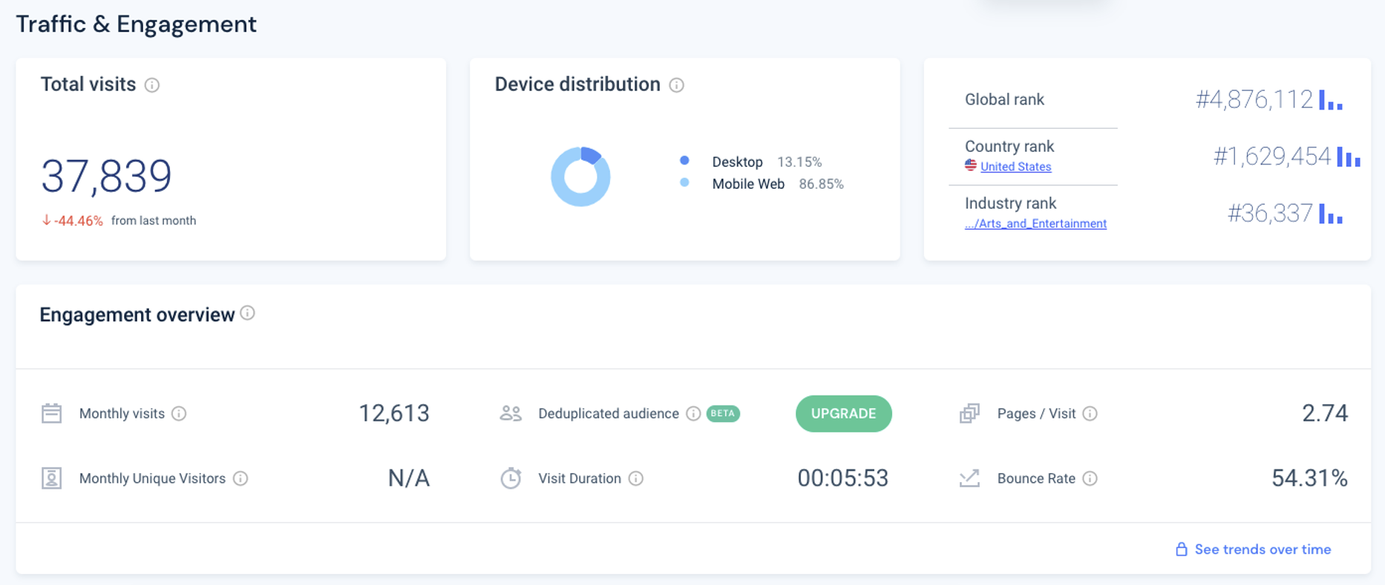
9 | Ray's team is also interested in comparing metrics of the Grammy.com website to that of their main competitor, The American Music Awards (theAMAs.com). On the right you will find a dashboard of the key metrics from The AMAs, use your findings from above to give feedback to Ray and team on which metrics are performing better / worse relative to the competition.

 | The Grammy Awards website significantly outperforms the American Music Awards (AMA) site in key performance metrics. It attracts considerably more traffic, with about 1.4 million visits on event days compared to the AMA's 37,839 visits. Both sites have a strong preference for mobile access, with the AMA showing 86.5% mobile usage. Additionally, the Grammy site engages users more deeply, evidenced by higher pages per session and longer average visit durations than the AMA's metrics. This suggests that the Grammy Awards website not only draws more visitors but also offers richer or more compelling content that keeps users engaged longer.

LevelUp! A/B Test in Excel
 | In your calculations for Ray, you noticed that there was indeed a difference in the pages_per_session metric between the "Grammys + TRA" content and the Recording Academy Data sheet. He wants to know if that difference is statistically significant and wants you to performan an A/B Test on the results. You have been provided with the control and test numbers in the AB Testing sheet. Use those to complete the analysis below.

10a | In words, state the null hypothesis for the A/B test. |  | Hint!
 | There is no significant difference in pages_per_session between the Grammys + TRA and Recording Academy data.

 | In words, state the alternative hypothesis for the A/B test.
 | There is a significant difference in pages_per_session between the Grammys + TRA and Recording Academy data.

10b | Use the Data Analysis Toolpak to run an A/B test between the control group and test group. |  | Note!

10c | From the output of the A/B test, is there evidence at the 95% confidence level that the pages_per_session between the two websites are different? Why or Why not? Note: Pay attention to scientific notation when analyzing the results!

