PRD
Product Requirement Document (PRD) - Version: 1.0

Template Name |  | Staff Module of a Restaurant
Goals & Objective |  | The goal of this website is to provide a secure and efficient platform for individuals(staffs of restuaurants) to maintain the inner activities of a restaurant. From this website a staff can : -modify orders -modify kitechen items -modify inventory items -modify staff scheduling -send and recieve messages -modify and see tables orders -view and modify payments -view all statistics as described
Client Information
Product Type |  | Web Application
Domain |  | Web2
Access Layers |  | Staff
Design Required |  | Yes

Phase | Item No | Specification [Role] | Screen Definition | User Story | Acceptance Criteria | UI Screen / Wireframe | Tags
Feature: 1 |  | Auth Feature
Feature: 2 |  | 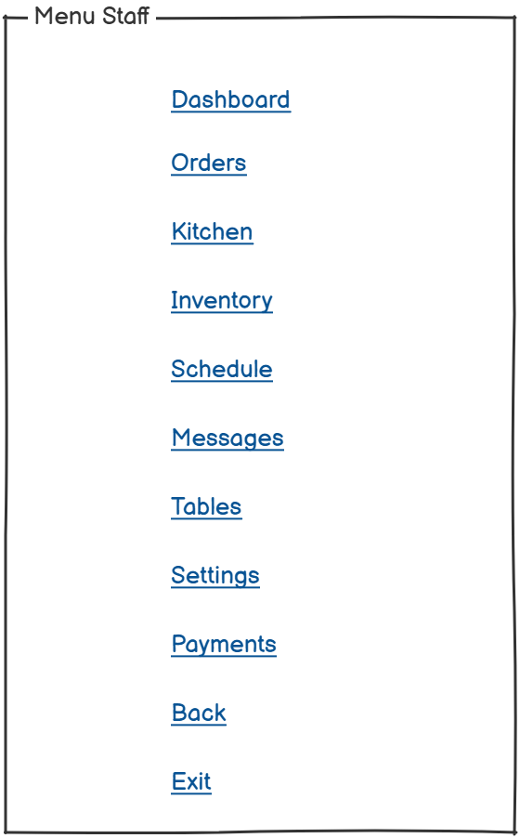 Dashboard

