PRD
Product Requirement Document (PRD) - Version: 1.0

Template Name |  | Staff Module of a Restaurant
Goals & Objective |  | The goal of this website is to provide a secure and efficient platform for individuals(staffs of restuaurants) to maintain the inner activities of a restaurant. From this website a staff can : -modify orders -modify kitechen items -modify inventory items -modify staff scheduling -send and recieve messages -modify and see tables orders -view and modify payments -view all statistics as described
Client Information
Product Type |  | Web Application
Domain |  | Web2
Access Layers |  | Staff
Design Required |  | Yes

Phase | Item No | Specification [Role] | Screen Definition | User Story | Acceptance Criteria | UI Screen / Wireframe | Tags
Feature: 1 |  | Auth Feature
phase 1 | 1 | Signup [Staff] | <Form> <input=name> <input=email> <input=gender> <input=dob> <input=password> <input=re-password> <button=signup> <link=signin> | - Enter Full name (input) - Enter unregistered email (input) - Enter password (input) [Logic: At least 8 characters long, atleast one special character] - Enter password again (input) [Logic: should match password input] - Click Signup (button) [Logic: If the email is unique, user will be registered to the sysmem (databse)] - Signin (link) [Logic: redirect user to Login page] | - Email (input) field should only accept valid unregistered email address as input, otherwise will show an 'email already used' message. - Password (input) should be minimum 8 characters long. Otherwise show an invalid message. - Re-password (input) should match password. Otherwise show 'password do not match' message. - On clicking signup button, credential will be stored in database, user will be redirected to his dashboard. - A copy of the login information will be sent to his email. | 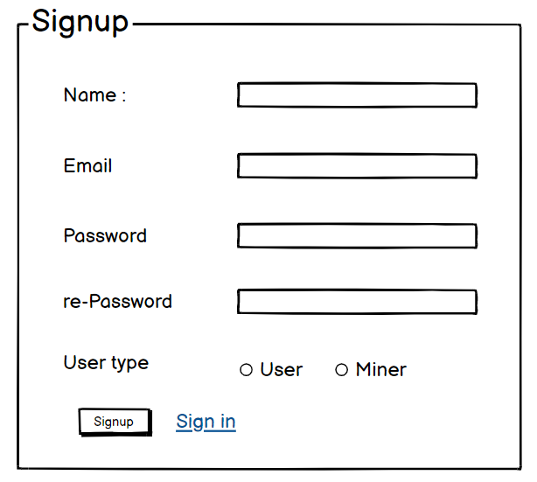 | signup
phase 1 | 2 | Signin [Staff] | <Form> <input=email> <input=password> <option=remember me> <button=signin> <link=signup> <link=forgot password> | - Enter Email (input) - Enter password (input) - signin (button) - signup (link) - forgot password (link) | - Email must match database email - password must match database password - User go to dashboard (if email & password match with database) - User is promt with an error. "Email or password does not match!". (if email & password match with database) - clicking signup should take user to signup page - clicking forgot password should take him to forgot password page | 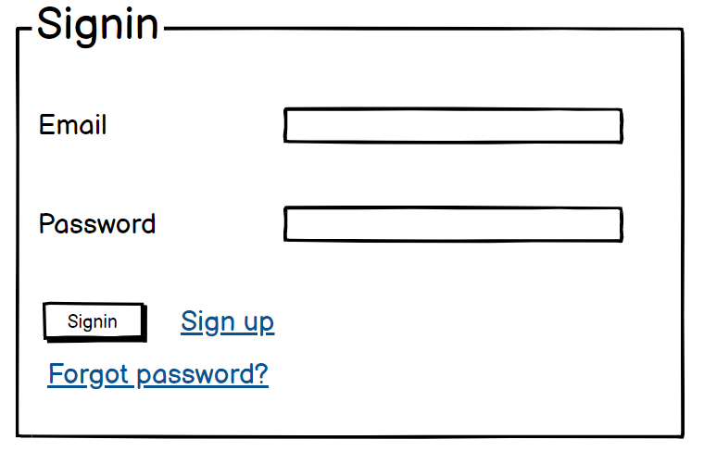 | signin
phase 1 | 3 | Forgot password[Staff] | <Form> <input=email> <button=send code> <input=code> <input=password> <input=confirm Password> <button=submit> | - Enter email (input) - Press send code (button) - Enter new password (input) - Re-type new password (input) - click on change passowrd to update password (button) | - email must match DB email or promt "No email found!" - pressing send code will print a message "code sent!" and the code can be found at user info row. - enter new password [At least 8 characters long, atleast one special character] - re-type new password [it should match new password] - clicking submit button will show user -> "password changed" if all info match criteria or it'll indicate what's wrong | 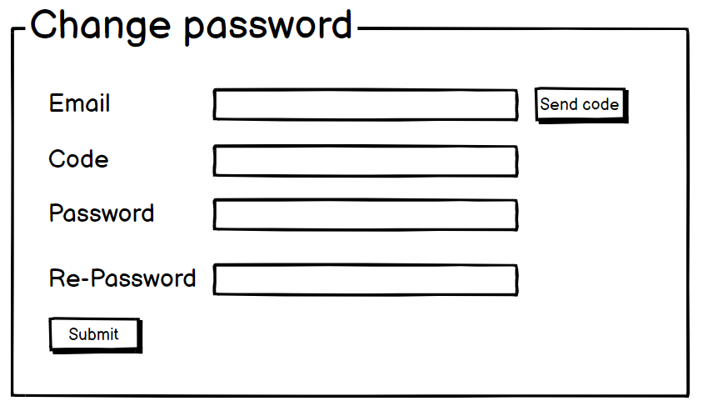 | forgot_password
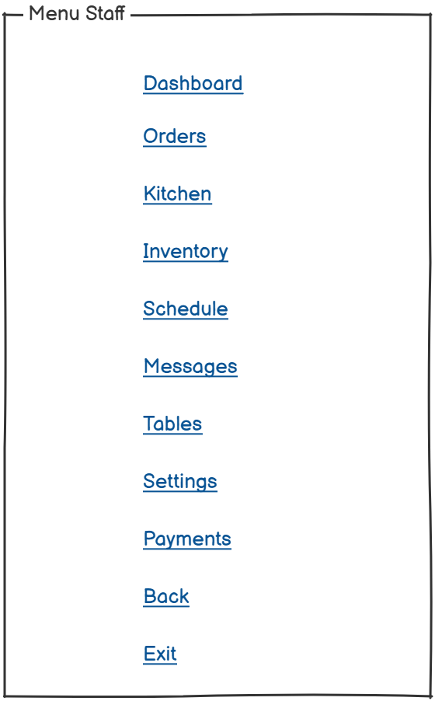
Feature: 2 |  | Dashboard
phase 1 | 4 | Menu Bar [Staff] | <Unordered list> Dashboard Orders Kitchen Inventory Schedule Message Tables Settings Payment Back Exit | - Dashboard(link) - Orders(link) - Kitchen (link) - Inventory (link) - Schedule(link) - Message(link) - Tables(link) - Settings(link) - Payments (link) - Back (link) - Exit (link) | - clicking dashboard will take user to dashboard page - go to orders page on click - go to Kitchen page on Click - go to Inventory page on click - go to schedule page on click - go to Message page on Click - go to Tables page on Click - go to Settings page on Click - go to Payment page on Click - go to Previous page on Click - Show dialog box to confirm for logout from the website |  | Menu
phase 1 | 6 | Dashboard [Staff] | <table> <row=1> <col= Search Bar> <col=notification> <col= Settings> <col=Message> <col=staff name> <col=Staff Picture> <row=2> <col= Total Orders> <col= Total Customer> <col= Total Revenue> <col= Trending items> <row=3> <col= Line chart with customers, products , revenue> <col= Pie chart for top categories> <col= first trending item with description and image> <row=4> <col= Bar chart of Orders Overview> <col= Order Types> <col= Second trending item with description, image> <row=5> <col= Recents orders with details> <col= Third trending item with description, image> <row=6> <col= Customer Review with details> <col= Recent Activity log> | - Staffs Can search anything using text (input text) - can go to notification box by clicking the icon - can go to settings page by clicking the icon - can go to message box by clicking the icon - show staff full name (View) - Show staff profile picture (View) - Total Orders (View) - Total Customers (View) - Total Revenue (View) - Trending items (Drop-down list) - Line chart (View) - Pie chart (View) - First Treding item (link to see details of it) - Bar Chart (View) - Order types (View) - Second Trending item (link to see details of it) - Recent orders with details (View) - Third trending item (link to see details of it) - Customer reviews with details (View) - Recent Activity Log with activity list (View) | -staffs can search anything by using text in the search bar - Can go to notification Page on click - Can go to settings Page on click - Can go to Message Page on click - Can see own name - Can see own profile picture - Can view total orders - Can View Total Customer - Can View Total Revenue - Can view trending items by choosing the period from the drop-down list - Can view statistics of orders, customers and revenue using line chart - Can view top categories of food using pie chart - Can View trending items with details - Can View Orders statistics Using Bar charts - Can view Orders types in quantity and percentage - Can view recent orders and all orders with details - Can view Customer Reviews with details - Can see recent activities with details by clicking each activity | 