WBS_Scope_Final
WBS 0 | WBS Level | Activity ID | Activity Description | Immediate Predecessor | Time (Weeks) | Other Details
 | Project Initiation | 1 | Define Project Goals & Objectives | None | 0.5 | Must be completed first, sets project direction.
 |  | 2 | Conduct Kick-off Meeting | 1 | 0.5 | Aligns all stakeholders and defines initial scope.
 |  | 3 | Identify Stakeholders | 1 | 0.5 | Document key internal and external stakeholders.

 | Needs Assessment | 4 | Conduct Interviews and Surveys | 3 | 1 | Gather data from departments using current systems.
 |  | 5 | Compile System Requirements | 3 | 1 | Consolidate needs and capacity for the new system.

 | System Design | 6 | Define Infrastructure Requirements | 5 | 1 | Specify hardware, software, and network needs.
 |  | 7 | Create System Specifications | 5 | 1 | Detailed specs for server, storage, and network.
CSUEB - Data Migration
 | Vendor Selection | 8 | Research Potential Vendors & RFPs | 7 | 1 | Identify vendors for hardware and services.
 |  | 9 | Evaluate Vendor Proposals | 8 | 1 | Review proposals based on performance, cost, etc.
 |  | 10 | Finalize Vendor Contracts | 8 | 0.5 | Select vendor and finalize contract terms.

 | Implementation & Testing | 11 | Infrastructure Setup | 10 | 2 | Install servers, storage, and configure network.
 |  | 12 | Data Migration (ETL) | 10 | 2 | Migrate data using Extract, Transform, Load (ETL).
 |  | 13 | Pilot Testing | 12 | 1 | Test limited data to ensure accuracy and security.
 |  | 14 | Staff Training | 12 | 1 | Conduct training sessions for IT staff and users.
 |  | 15 | End-to-End Testing | 13 | 1.5 | Test the entire system (performance, security, etc).

 | Feedback, Risk Management & Closure | 16 | Collect User Feedback | 15 | 0.5 | Gather feedback from pilot testing.
 |  | 17 | Final Implementation | 15 | 1.5 | Deploy system fully after successful testing.
 |  | 18 | Post-Implementation Review | 17 | 0.5 | Evaluate system performance, gather final feedback.
 |  | 19 | Risk Monitoring & Mitigation | Continuous | Ongoing | Ensure continuous risk monitoring during the project.
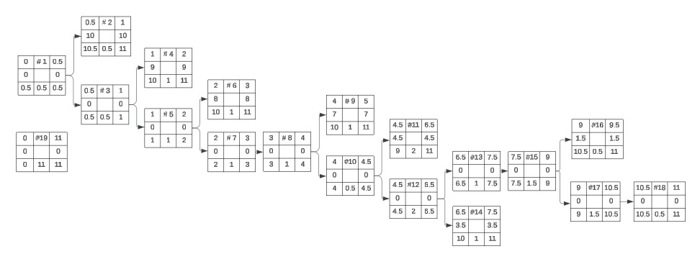
Project Timeline (12 Weeks Breakdown)

Weeks 1-4: |  | 2 Conduct Kick-off Meeting
Project Initiation (Task 1-3) | 1 Define Project Goals & Objectives
Needs Assessment (Task 4-5) |  | 3 Identify Stakeholders |  | 4 Conduct Interviews and Surveys
System Design (Task 6-7)
 |  |  |  | 5 Compile System Requirements
Weeks 5-8:
Vendor Selection (Task 8-10) |  |  |  | 6 Define Infrastructure Requirements
Infrastructure Setup & Data Migration (Task 11-12)
 |  |  |  | 7 Create System Specifications
Weeks 9-12:
Pilot Testing & Staff Training (Task 13-14) |  |  |  | 8 Research Potential Vendors
End-to-End Testing (Task 15)
Full Implementation (Task 17) |  |  |  | 9 Evaluate Vendor Proposals
Closure and Risk Management (Task 16, 18-19)
 |  |  |  | 10 Finalize Vendor Contracts

 |  |  |  | 11 Infrastructure Setup
 |  |  |  |  |  | 13. Pilot Testing | 16 Collect User Feedback
 |  |  |  | 12 Data Migration (ETL)
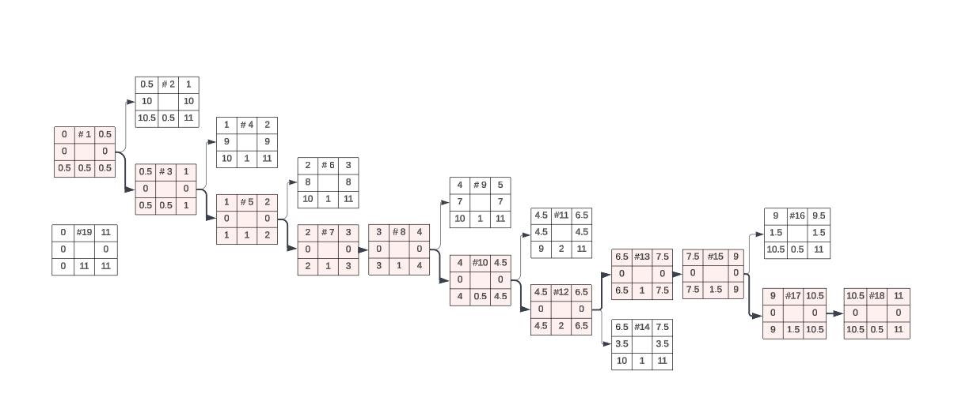
 |  |  |  |  |  | 14 Staff Training | 15 End-to-End Testing | 17 Final Implementation | 18 Post-Implementation Review

 | 19 Risk Monitoring & Mitigation

