WU_Data_FINALcsv Descriptions
Columns | Descrption | More description | Pictures
tile_id | link to Polygon geometry
MultipolygonCount | how many polygons make up the watershed unit. E.g. coastal areas may have a value larger than 1 as they may contain multiple islands as defined in the NHN | suggest to ignore
PercentAreaLargest | if multipolygon count is greater than 1, only largest is kept and stats are un on it. | suggest to ignore
MeanElevation | simple mean | this is the mean elevation of the work unit - based on the geoidal Height - will see larger variation across country
MeanAbsolueElevation | mean of relative elevation (min of WS subtracted from all values) | This is the mean of the Relative elevation - so these values are based on using 0 as the minimum and provide a more consistent way (for comparison) to view mean elevation across the country
Range | simple Max minus Min | Overall difference from the Maximum to the Minimum elevation value in a WU
MeanRoughness | roughness: Roughness is the degree of irregularity of the surface | Roughness is the difference between the maximum and the minimum value of a cell and its 8 surrounding cells. it’s useful for calculations of the river morphology, in climatology and physical geography in general. | figure from: publication
MeanPlanCurvature | The curvature is parallel to the slope and indicates the direction of maximum slope. It affects the acceleration and deceleration of flow across the surface. A negative value (A) indicates that the surface is upwardly convex at that cell, and flow will be decelerated. | gdal | 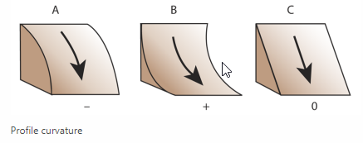 figure from esri | wbt
MeanProfileCurvature | perpendicular to the direction of the maximum slope.Planform curvature relates to the convergence and divergence of flow across a surface. A positive value (A) indicates that the surface is laterally convex at that cell. A negative plan (B) indicates that the surface is laterally concave at that cell. A value of zero indicates that the surface is linear (C). | gdal | 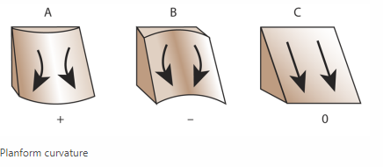 figure from esri | wbt
MeanSlope | terrain> slope, degrees and 8 neighbors | Average slope (rate of change of elevation for each cell of dtm)
HypsometricIntegral | A hypsometric curve (or area-altitude curve) is a histogram or cumulative distribution function of elevations in a geographical area. The HI is non-dimensional and is calculated by dividing the difference of the catchments average and minimum elevation by the difference of the maximum and minimum elevation (HI = (Hmean – Hmin)/(Hmax – Hmin)). Values of HI generally range between 0.15 and 0.85, and typically cluster between 0.4 and 0.6. Lowland areas with isolated high-standing surfaces have lower values whereas high values denote landscapes with mainly elevated surfaces which are steeply dissected by valleys. Imagine a large geologically young plateau. The plateau will be dissected by numerous gorges and thus possess high relief, but most of the area will lie high in the basin. Hypsometric curves of watersheds draining the plateau will be convex. As the plateau is gradually eroded, the uplands will be eroded and valleys will widen. As this happens, the area of the basin at low relief (valleys) increases while the area of the basin at high relief decreases (mountains or plateau surfaces). Thus, with time the hypsometric curve will be concave. Therefore, we can compare hypsometric curves from different watersheds and indirectly arrive at conclusions about more than their distribution of area relative to relief. We can compare evolution of the landscapes and directly compare degrees of dissection (assuming the basins all began with a similar distribution of area versus relief). Such comparisons are all the easier given that hypsometric proportions are unitless and possess values between zero and one. (https://www.google.com/url?sa=i&url=https%3A%2F%2Fsites.warnercnr.colostate.edu%2Fwp-content%2Fuploads%2Fsites%2F93%2F2016%2F12%2FLab4_Basins_revised.pdf&psig=AOvVaw0CWiBuyhH3YnytZ0crH4GE&ust=1718897401570000&source=images&cd=vfe&opi=89978449&ved=0CBQQ3YkBahcKEwjI1OP7_eeGAxUAAAAAHQAAAAAQBA) | as an index of basin maturity. area below the hypsometric curve is known as the hypsometric integral (HI). Sensitive to subtle changes in overall basin slope and basin developments as mass is removed by erosion over a long geological time. | 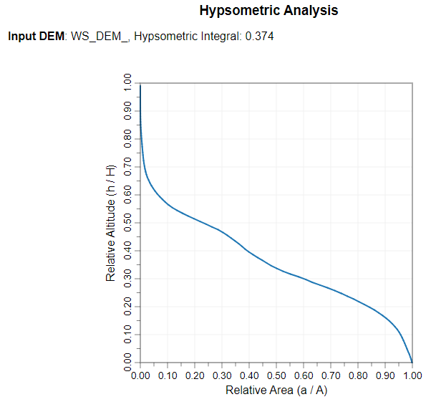 https://www.researchgate.net/publication/263304878_Morphometry_Governs_the_Dynamics_of_a_Drainage_Basin_Analysis_and_Implications
MeanTRI | Most terrain indices are according to Wilson et al. (2007), as in gdaldem. TRI (Terrain Ruggedness Index) is the mean of the absolute differences between the value of a cell and its 8 surrounding cell ( descriptionf rom R terrain package|) | gdal
MaxTRI | max of tri in the geometric boundary
MeanTPI | TPI (Topographic Position Index) is the difference between the value of a cell and the mean value of its 8 surrounding cells.
MaxTPI | max of tpi in the boundary
ForestedPercent | source: 2020 Land Cover Land use.https://open.canada.ca/data/en/dataset/ee1580ab-a23d-4f86-a09b-79763677eb47 percent of polygon in the forest category, pixel values: 1,2,5,6,
ShrubsGrassPercent | source: 2020 Land Cover Land use.https://open.canada.ca/data/en/dataset/ee1580ab-a23d-4f86-a09b-79763677eb47 pixel values: 8, 10, 11, 12, 13, 14
WetlandPercent | source: 2020 Land Cover Land use.https://open.canada.ca/data/en/dataset/ee1580ab-a23d-4f86-a09b-79763677eb47 pixel values: 14
CropsPercent | source: 2020 Land Cover Land use.https://open.canada.ca/data/en/dataset/ee1580ab-a23d-4f86-a09b-79763677eb47 pixel values: 15
BarrenPercent | pixel values 16
UrbanPercent | pixel values 17
PermWaterPercent | pixel values 18
SnowIcePercent | pixel values 19
CatchmentAreaSQkm | area of polygons, converted to km.
PerimeterAreaRatio | The perimeter-area ratio is an indicator of polygon shape complexity. - inverse of compatcness | Inverse of Compactness Ratio
CompactnessRatio | wbt - The compactness ratio is defined as the polygon area divided by its perimeter. compactness ratio does not standardize to a simple Euclidean shape. Although widely used for landscape analysis, compactness ratio, like its inverse, the PerimeterAreaRatio, exhibits the undesirable property of polygon size dependence (Mcgarigal et al. 2002). That is, holding shape constant, an increase in polygon size will cause a change in the compactness ratio. | Inverse of PerimeterAreaRatio. A circle is the most compact shape. Elliptical or irregular shapes will decrease the measure. | 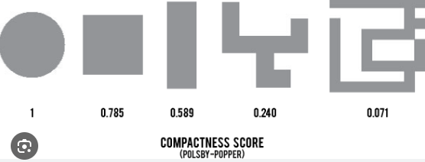 Figure - for urban, but, for demonstration of changing values
ElongationRatio | E = 1 - S/L, where S is short axis length, L is lon axis length (similar to Linearity index) | similar measure to Linearity Index. This ratio is not an adequate measure of overall narrowness. May see high correlation between elongation and linearity. Axis lenghts based on Min bounding box lenghts to determien short and long axis lenghts
LinearityIndex | the coefficient of determination (r-squared) calculated from a regression analysis of the x and y coordinates of the exterior hull nodes of a vector polygon | mesure of how well a polygon (work unit) can be described by a straight line. Related to Elongation ratio. *not usefuel for identifying narrow, sinuous polygons - e.g. meandering rivers.
PatchOrientation | This tool calculates the orientation of polygon features based on the slope of a reduced major axis (RMA) regression line. The regression analysis use the vertices of the exterior hull nodes of a vector polygon. The only required input is the name of the vector polygon file. The orientation values, measured in degrees from north, will be placed in the accompanying attribute table as a new field (ORIENT). The value of the orientation measure for any polygon will depend on how elongated the feature is. | the outpus values are Orientations - not true directions. Orientation is expressed as an angle between 0° and 180°, clockwise from North. It may be unstable if polygonsa re nearly Vertical or Horizontal
RelatedCircumscribingCircle | The circumscribing circle provides a measure of polygon elongation. Unlike the ElongationRatio, however, it does not provide a measure of polygon direction in addition to overall elongation. | values range 0 to 1. 0 == circle, 1 == highly elongated. Does not provide measure of direction (elongation does provide orientation) does not provide measure of Narrowness
ShapeComplexityIndex | This tool provides a measure of overall polygon shape complexity, or irregularity, for vector polygons. Several shape indices have been created to compare a polygon's shape to simple Euclidean shapes (e.g. circles, squares, etc.). One of the problems with this approach is that it inherently convolves the characteristics of polygon complexity and elongation. The Shape Complexity Index (SCI) was developed as a parameter for assessing the complexity of a polygon that is independent of its elongation. | Convex polygons, i.e. those that do not contain concavities or holes, have a value of 0. As the shape of the polygon becomes more complex, the SCI approaches 1
GraveliusShapeIndex | Is defined as the relation between the perimeter of the watershed and that of a circle having a surface equal to that of a watershed. | one of most widely used shape indices. 1 == circular and increases with elongation and irregularity. | 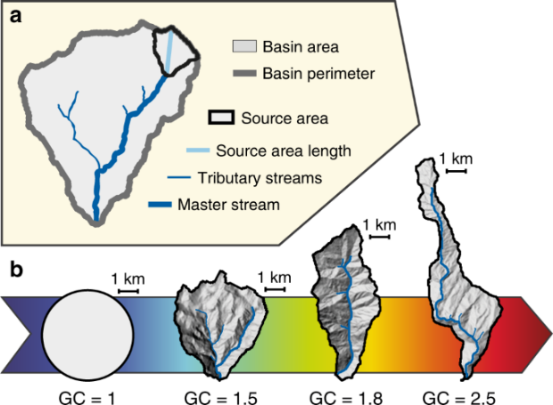 https://www.nature.com/articles/s41467-018-06210-4#:~:text=Basin%20shape,-The%20shape%20of&text=Here%20we%20use%20the%20Gravelius,equal%20to%20the%20basin%20area.
PercentDraingeCoast | percent of boundary which drains to the coast. Length of shoreline drainign to coast / total perimeters
PercentDraingeCoastorLargeLakes | percent of boundary which drains to large lakes. Length of shoreline drainign to lakes / total perimeters. Great lakes and a few other lakes - e.g. Lake Manitoba
TotalPrecip2 | climate normals data, https://climate.weather.gc.ca/climate_normals/index_e.html from 1990 to 2020. Selected stations in the polygon and got an avg. of the totals from the stations. Alternatively, for watersheds without stations, took the 3 clostest stations and using IDW computed the avg total precip
HydrometricCount | count of how many stations in the watershed which measure river discharge or height. Source of data: https://api.weather.gc.ca/collections/hydrometric-stations/
MeanTWI | topographic wetness index | per : https://vt-hydroinformatics.github.io/rgeoraster.html = using specific contributing area and slope
MaxTWI | max of twi in the geometric boundary
MinTWI | min of twi in the geometric boundary
$$BF= \frac{\sum_{i}^{n−1}{\frac{{SO}_{i}}{{SO}_{i+1}}}}{n}$$
BifurcationRatio | shows the relationship between the Number of streams of one order to that of the next order. Sum of all. Useful measure to determien the extent to which area is Flooding. Highest value == greater probability of flooding. Larger basins generally have larger numbers. larger basin: greater surface area, can capture greater amount of precip and greater peak discharge, and longer lag time |  | where SO is stream order.
ReliefRatio | Relief ratio, or Rh, is a metric used to measure the steepness and topographic variability of a drainage basin. It's calculated by dividing the difference in height between the highest and lowest points in the basin by the horizontal distance along the basin's longest dimension:
LengthHack1River_km | length of all rivers, using hack order 1
DrainageDensity_hack4 | total stream length divided by area
LongestFlowPathKM | length of main river in WS
ApproxAvgLengthOverlandFlowKM

