Alt Route (Libby)
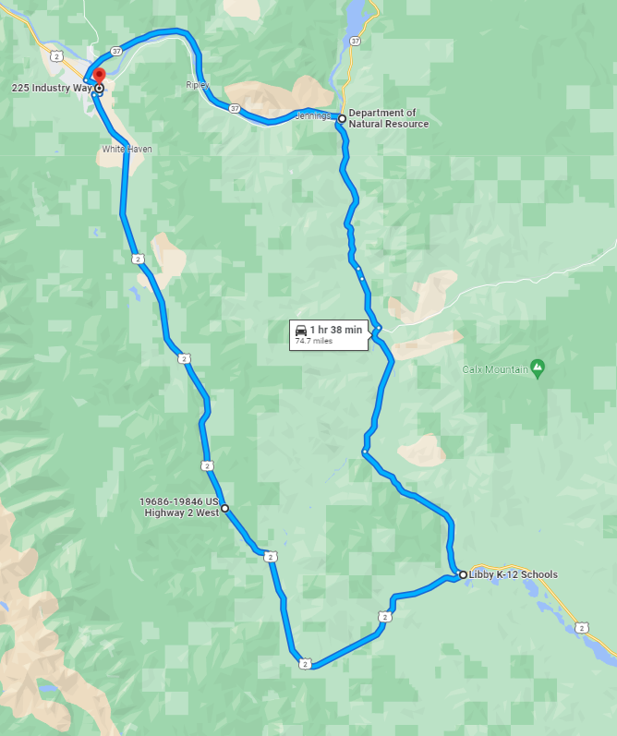
Possible Alternate Route for the Libby area. (2 laps for 149.4 miles.)

