Dashboard
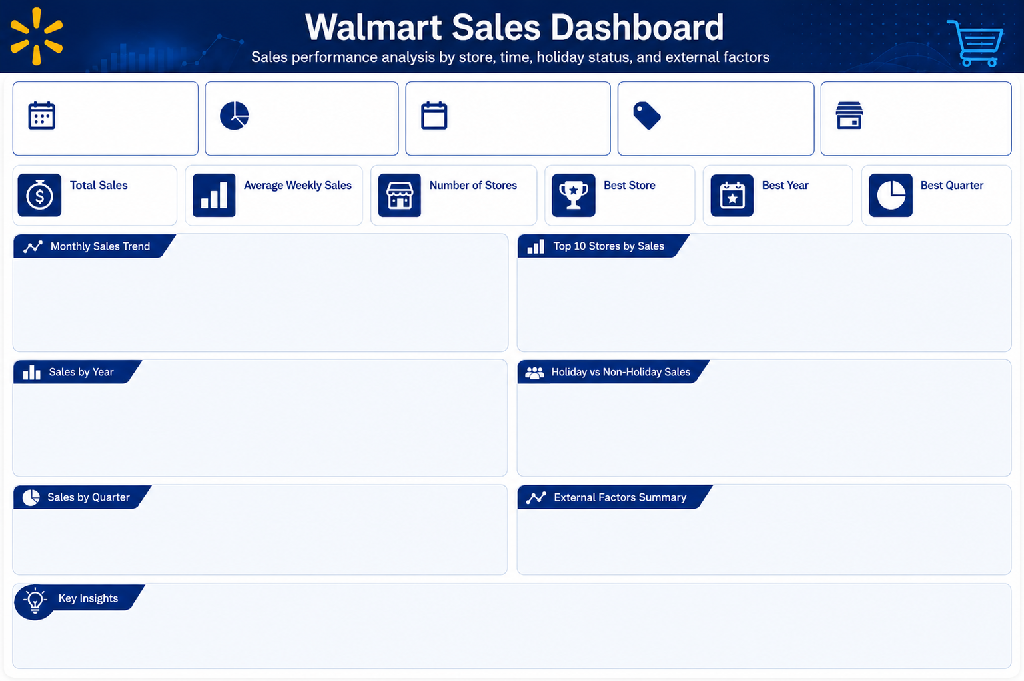

$6.74B
$1.05M
45
Store 20
2011
Q2

 | Total
1 | $426,426,265
2 | $522,025,683
3 | $553,486,410
4 | $645,323,890
5 | $605,696,592
6 | $575,017,964
7 | $593,313,937
8 | $564,231,700
9 | $590,532,263
10 | $602,918,857
11 | $459,169,336
12 | $599,076,091
 | Total
39 | $207,445,542
1 | $222,402,809
6 | $223,756,131
27 | $253,855,917
10 | $271,617,714
2 | $275,382,441
13 | $286,517,704
14 | $288,999,911
4 | $299,543,953
20 | $301,397,792

 | Total
2010 | $2,288,886,120
2011 | $2,448,200,007
2012 | $2,000,132,859
 | Total
Holiday | $505,299,552
Non-Holiday | $6,231,919,436

 | Total
Q1 | $1,501,938,358
Q2 | $1,826,038,446
Q3 | $1,748,077,900
Q4 | $1,661,164,284
 | Avg Unemployment | Avg CPI | Avg Fuel Price | Avg Temperature
2010 | 8.493 | 168.1018 | 2.824 | 60.27
2011 | 8.082 | 171.5457 | 3.562 | 58.80
2012 | 7.348 | 175.4988 | 3.710 | 63.36

• Store 20 achieved the highest total sales with approximately $301.4M.
• 2011 recorded the highest total sales in the dataset.
• Q2 recorded the highest total sales, while Q1 recorded the lowest.
• Month 4 recorded the highest total sales with approximately $645.3M.
• Non-Holiday weeks generated most total sales because they are more frequent.
• Fuel price increased from 2010 to 2012, while unemployment decreased.

