Sheet1
name | vendor_policy | start_date | end_date | img | accepts_voucher | accepts_vendor | accepts_direct | is_archived
Virgin | noneneonehbs | 31/10/2022 | 11/11/2022 | https://encrypted-tbn0.gstatic.com/images?q=tbn:ANd9GcT6x664g1c3qApB1-GHOlo4JThQjKVDpZ2ji3y8us4PCw&s | 1 | 0 | 0 | 0
H&M | nliubljik | 11/10/2022 | 11/11/2022 | 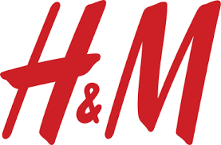 | 0 | 1 | 1 | 0

