Form Responses 1
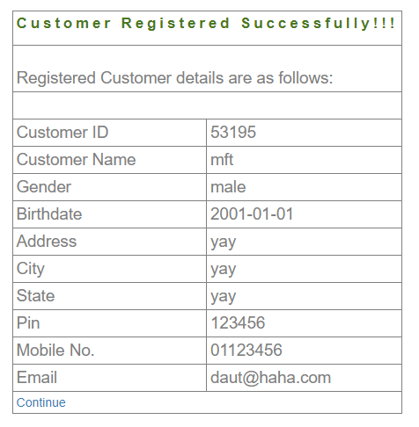
Timestamp | Untitled Question

