M.Bug-001
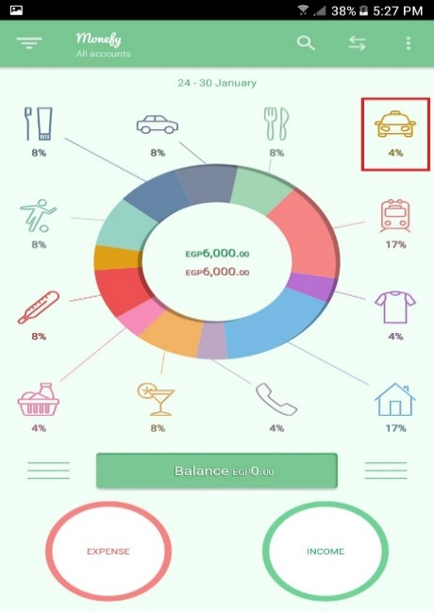
Test Case ID |  | M.Bug-001 |  |  | Project Name |  | Monefy Android mobile app
Created By |  | Mahmoud Nasser |  |  | Assigned to |  | Android developer team

Summary |  | Not all categories connected to the center of chart in the home screen |  |  | Priority |  | High | Severity |  | Critical

Tester's Name |  | Mahmoud Nasser | Defect Reported Date |  | 2021-01-30 |  | Test Case (Pass/Fail/Not Executed) |  | Fail

S # | Prerequisites: |  |  |  | S # | Environment
1 | Access Android device |  |  |  | 1 | Android mobile (Samsung Note5)
2 | Access to paly store |  |  |  | 2 | Android version 7.0
3 | Connect to network (Wifi) |  |  |  | 3 | Newtwork Wifi
4 |  |  |  |  | 4 | Monefy app version 1.9.18

Test Scenario | Verify that all categories with expenses will be connected to the chart in the home screen.

Step # | Step Details |  | Expected Results |  | Actual Results |  |  | Pass / Fail / Not executed / Suspended

1 | Navigate to : https://play.google.com/store/apps/details?id=com.monefy.app.lite |  | Monefy app in the play store will open. |  | As Expected |  |  | Pass
2 | Install the app from the playstore |  | Monefy app will be installed successfully. |  | As Expected |  |  | Pass
3 | open the Monefy app from the apps. |  | Monefy app will open successfully. |  | As Expected |  |  | Pass
4 | choose Taxi category and click on it to insert new expense. |  | New expense screen will open. |  | As Expected |  |  | Pass
5 | Insert a value using the displayed keybaord. |  | the value will be inserted successfully. |  | As Expected |  |  | Pass
6 | Click on add to Taxi. |  | The chart will updated with the new added value and popup message will appear. |  | As Expected |  |  | Pass
7 | Repeat the steps 4, 5 and 6 for all the displayed categories in the home screen. |  | All categories have one expenses and all connected to the center of the chart. |  | Taxi Category did not connect to the chart! |  |  | Fail
Attachment | Expected Results |  |  | Actual Results

M.Bug-002
Test Case ID |  | M.Bug-002 |  |  | Project Name |  | Monefy Android mobile app
Created By |  | Mahmoud Nasser |  |  | Assigned to |  | Android developer team

Summary |  | The sum of the percentages of the categories in the home screen are wrong |  |  | Priority |  | High | Severity |  | Major

Tester's Name |  | Mahmoud Nasser | Defect Reported Date |  | 2021-01-30 |  | Test Case (Pass/Fail/Not Executed) |  | Fail

S # | Prerequisites: |  |  |  | S # | Environment
1 | Access Android device |  |  |  | 1 | Android mobile (Samsung Note5)
2 | Access to paly store |  |  |  | 2 | Android version 7.0
3 | Connect to network (Wifi) |  |  |  | 3 | Newtwork Wifi
4 |  |  |  |  | 4 | Monefy app version 1.9.18

Test Scenario | Verify that the sum of the percentages of the categories in the home screen are correct. (Expenses percentage)

Step # | Step Details |  | Expected Results |  | Actual Results |  |  | Pass / Fail / Not executed / Suspended

1 | Navigate to : https://play.google.com/store/apps/details?id=com.monefy.app.lite |  | Monefy app in the play store will open. |  | As Expected |  |  | Pass
2 | Install the app from the playstore |  | Monefy app will be installed successfully. |  | As Expected |  |  | Pass
3 | open the Monefy app from the apps. |  | Monefy app will open successfully. |  | As Expected |  |  | Pass
4 | choose Taxi category and click on it to insert new expense. |  | New expense screen will open. |  | As Expected |  |  | Pass
5 | Insert a value using the displayed keybaord. |  | the value will be inserted successfully. |  | As Expected |  |  | Pass
6 | Click on add to Taxi. |  | The chart will updated with the new added value and popup message will appear. |  | As Expected |  |  | Pass
7 | Repeat the steps 4, 5 and 6 for all the displayed categories in the home screen. |  | All categories have one expenses and their percentages will be equal to 100 |  | The sum of the percentages of all categories do not equal to 100 |  |  | Fail
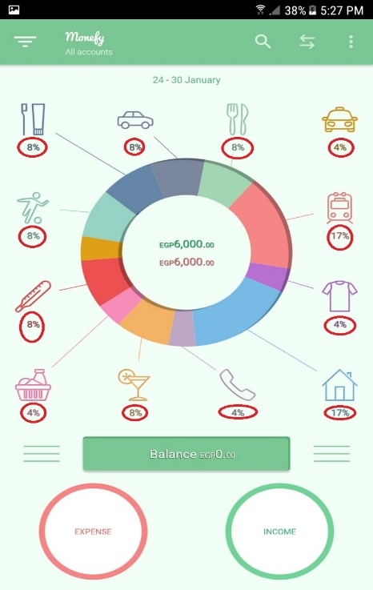
Attachment | Expected Results |  |  | Actual Results

 | The sum of the expenses percentage=100

M.Bug-003
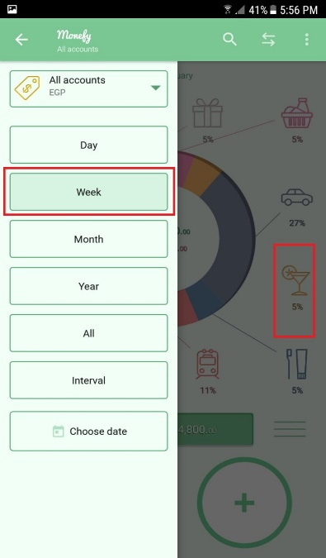
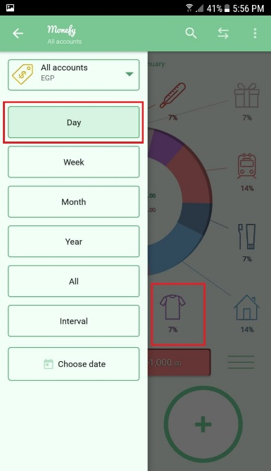
Test Case ID |  | M.Bug-003 |  |  | Project Name |  | Monefy Android mobile app
Created By |  | Mahmoud Nasser |  |  | Assigned to |  | Android developer team

Summary |  | One different Category did not connect to the center of the chart with every feature from the sidemenu. |  |  | Priority |  | High | Severity |  | Major

Tester's Name |  | Mahmoud Nasser | Defect Reported Date |  | 2021-01-30 |  | Test Case (Pass/Fail/Not Executed) |  | Fail

S # | Prerequisites: |  |  |  | S # | Environment
1 | Access Android device |  |  |  | 1 | Android mobile (Samsung Note5)
2 | Access to paly store |  |  |  | 2 | Android version 7.0
3 | Connect to network (Wifi) |  |  |  | 3 | Newtwork Wifi
4 |  |  |  |  | 4 | Monefy app version 1.9.18

Test Scenario | Verify that all categories with expenses will be connected to the chart in the home screen with Day, week, month, year, all or interval

Step # | Step Details |  | Expected Results |  | Actual Results |  |  | Pass / Fail / Not executed / Suspended

1 | Navigate to : https://play.google.com/store/apps/details?id=com.monefy.app.lite |  | Monefy app in the play store will open. |  | As Expected |  |  | Pass
2 | Install the app from the playstore |  | Monefy app will be installed successfully. |  | As Expected |  |  | Pass
3 | open the Monefy app from the apps. |  | Monefy app will open successfully. |  | As Expected |  |  | Pass
4 | choose Taxi category and click on it to insert new expense. |  | New expense screen will open. |  | As Expected |  |  | Pass
5 | Insert a value using the displayed keybaord. |  | the value will be inserted successfully. |  | As Expected |  |  | Pass
6 | Click on add to Clothes. |  | The chart will updated with the new added value and popup message will appear. |  | As Expected |  |  | Pass
7 | Repeat the steps 4, 5 and 6 for all the displayed categories in the home screen. |  | All categories have one expenses and all connected to the center of the chart. |  | Clothes Category did not connect to the chart! |  |  | Fail
8 | Open the left sidemenu and change from DAY to WEEK |  | All categories have one expenses and all connected to the center of the chart. |  | Clothes Category connected to the chart and the Entertainment did not connect to the chart! |  |  | Fail
Attachment | Expected Results |  |  | Actual Results

M.Bug-004
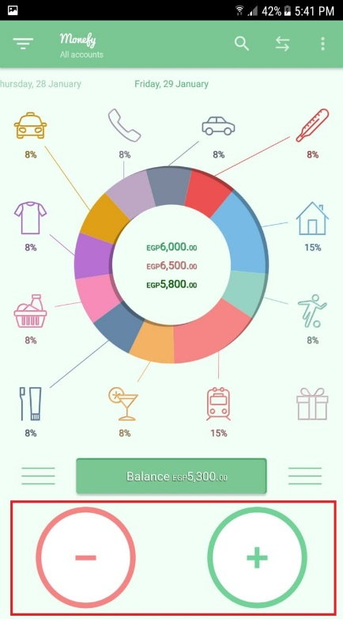
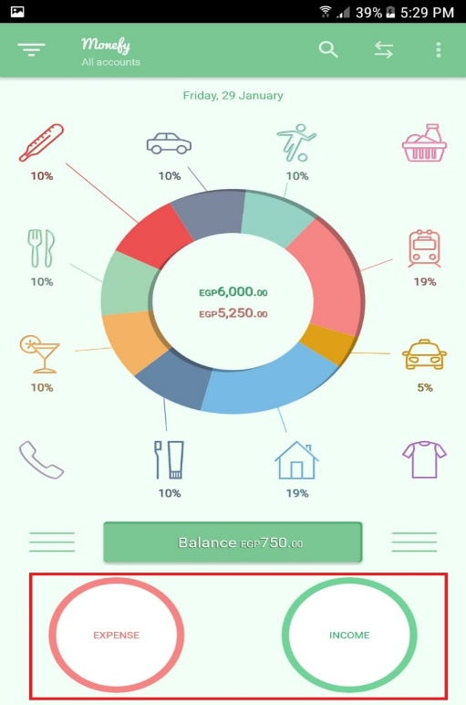
Test Case ID |  | M.Bug-004 |  |  | Project Name |  | Monefy Android mobile app
Created By |  | Mahmoud Nasser |  |  | Assigned to |  | Android developer team

Summary |  | Unique design for the expense and income buttons in the home screen |  |  | Priority |  | Low | Severity |  | Minor

Tester's Name |  | Mahmoud Nasser | Defect Reported Date |  | 2021-01-30 |  | Test Case (Pass/Fail/Not Executed) |  | Fail

S # | Prerequisites: |  |  |  | S # | Environment
1 | Access Android device |  |  |  | 1 | Android mobile (Samsung Note5)
2 | Access to paly store |  |  |  | 2 | Android version 7.0
3 | Connect to network (Wifi) |  |  |  | 3 | Newtwork Wifi
4 |  |  |  |  | 4 | Monefy app version 1.9.18

Test Scenario | Verify that the app will not be affected by killing it.

Step # | Step Details |  | Expected Results |  | Actual Results |  |  | Pass / Fail / Not executed / Suspended

1 | Navigate to : https://play.google.com/store/apps/details?id=com.monefy.app.lite |  | Monefy app in the play store will open. |  | As Expected |  |  | Pass
2 | Install the app from the playstore |  | Monefy app will be installed successfully. |  | As Expected |  |  | Pass
3 | open the Monefy app from the apps. |  | Monefy app will open successfully. |  | As Expected |  |  | Pass
4 | Take screenshot for the home screen. |  | Homescreen design with two buttons called expense and income. |  | As Expected |  |  | Pass
5 | Kill the app and reopen it. |  | Homescreen design will not changed after killing the app. |  | The design of the expense and income button changed to be buttons with +,- |  |  | Fail
Attachment | Expected Results - After killing the app. |  |  | Actual Results

M.Bug-005
Test Case ID |  | M.Bug-005 |  |  | Project Name |  | Monefy Android mobile app
Created By |  | Mahmoud Nasser |  |  | Assigned to |  | Android developer team

Summary |  | The choose date in the side menu icon is dimmed and the date formart is misleading |  |  | Priority |  | Low | Severity |  | Minor

Tester's Name |  | Mahmoud Nasser | Defect Reported Date |  | 2021-01-30 |  | Test Case (Pass/Fail/Not Executed) |  | Fail

S # | Prerequisites: |  |  |  | S # | Environment
1 | Access Android device |  |  |  | 1 | Android mobile (Samsung Note5)
2 | Access to paly store |  |  |  | 2 | Android version 7.0
3 | Connect to network (Wifi) |  |  |  | 3 | Newtwork Wifi
4 |  |  |  |  | 4 | Monefy app version 1.9.18

Test Scenario | Verify that all icons are displayed and the correct date format

Step # | Step Details |  | Expected Results |  | Actual Results |  |  | Pass / Fail / Not executed / Suspended

1 | Navigate to : https://play.google.com/store/apps/details?id=com.monefy.app.lite |  | Monefy app in the play store will open. |  | As Expected |  |  | Pass
2 | Install the app from the playstore |  | Monefy app will be installed successfully. |  | As Expected |  |  | Pass
3 | open the Monefy app from the apps. |  | Monefy app will open successfully. |  | As Expected |  |  | Pass
4 | Open the sidemenu. |  | All options will appear in the sidemenu (Day, week, ..etc) |  | As Expected |  |  | Pass
5 | Check the choose date icon. |  | The icon is displayed and clickable. |  | The choose date icon is dimmed and appears like unclickable! |  |  | Fail
6 | Click on choose date. |  | the calendar will open to choose the date. |  | As Expected |  |  | Pass
7 | Click on the pen to write a specifi date |  | the keyboard will open and the current date will displayed in the field with the correct format to be changed. |  | The current date is dispalyed with wrong format! (1/27/21) which is misleading! |  |  | Fail

Attachment | Expected Results |  |  | Actual Results

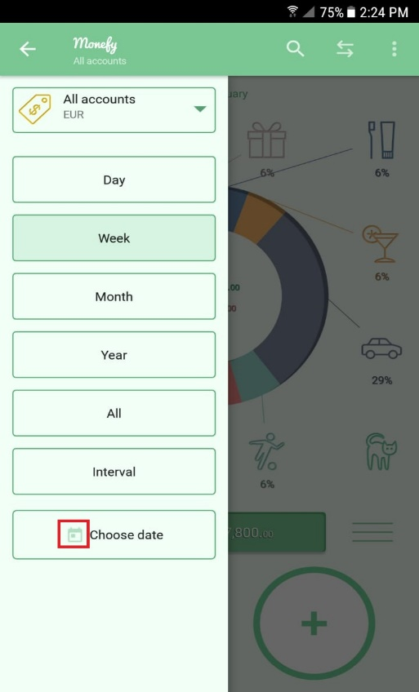
1

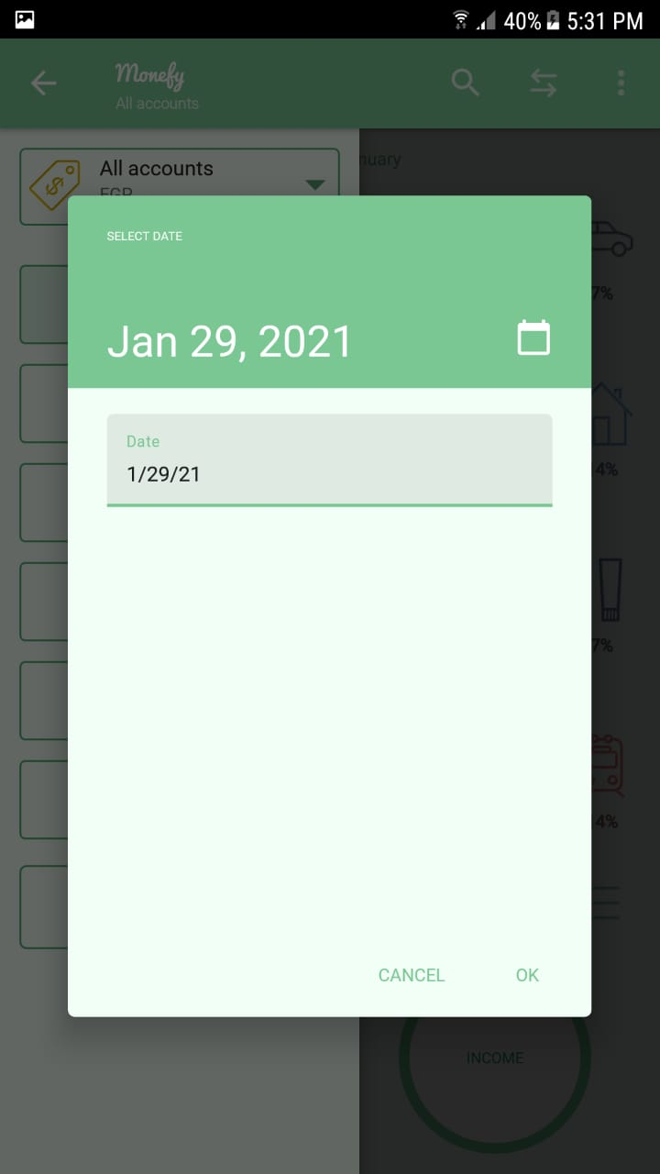
2 | Expected Date: 1/29/2021

M.Bug-006
Test Case ID |  | M.Bug-006 |  |  | Project Name |  | Monefy Android mobile app
Created By |  | Mahmoud Nasser |  |  | Assigned to |  | Android developer team

Summary |  | The tooltip displayed is located far from the desired position. |  |  | Priority |  | low | Severity |  | Minor

Tester's Name |  | Mahmoud Nasser | Defect Reported Date |  | 2021-01-30 |  | Test Case (Pass/Fail/Not Executed) |  | Fail

S # | Prerequisites: |  |  |  | S # | Environment
1 | Access Android device |  |  |  | 1 | Android mobile (Samsung Note5)
2 | Access to paly store |  |  |  | 2 | Android version 7.0
3 | Connect to network (Wifi) |  |  |  | 3 | Newtwork Wifi
4 |  |  |  |  | 4 | Monefy app version 1.9.18

Test Scenario | Verify that all tooltips are located in the right places and meaningfull

Step # | Step Details |  | Expected Results |  | Actual Results |  |  | Pass / Fail / Not executed / Suspended

1 | Navigate to : https://play.google.com/store/apps/details?id=com.monefy.app.lite |  | Monefy app in the play store will open. |  | As Expected |  |  | Pass
2 | Install the app from the playstore |  | Monefy app will be installed successfully. |  | As Expected |  |  | Pass
3 | open the Monefy app from the apps. |  | Monefy app will open successfully. |  | As Expected |  |  | Pass
4 | Once home screen open |  | tooltips should appear to give hints for the user |  | As Expected |  |  | Pass
5 | Open the right side menu |  | Tooltips will appear in the right positions! |  | Tooltip for the carry over is shifted and far from the checkbox of the carry over |  |  | Fail
Attachment | Expected Results |  |  | Actual Results
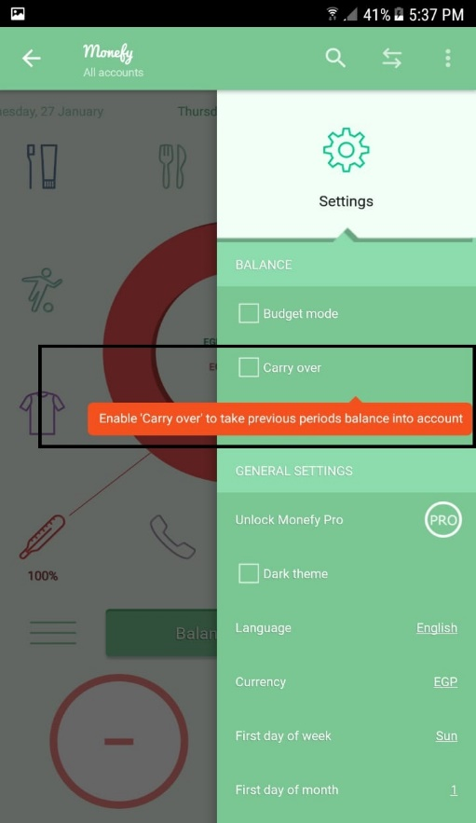
 | Toottip to be near from the carry over checkbox

