White Rat Male
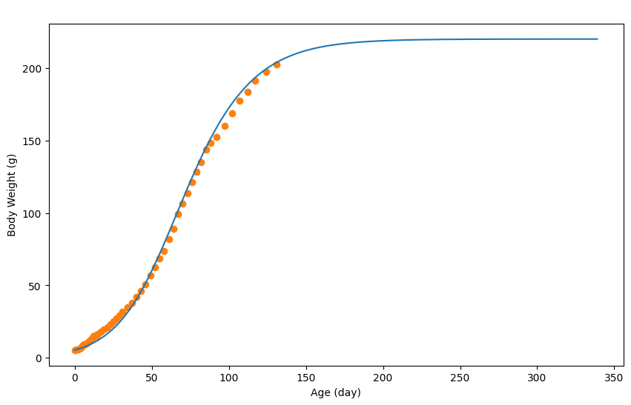
Age (day) | Body Weight (g) | Theoretical | AUC-Exp | AUC-Theo
0 | 5.4 | 5.4
1 | 5.6 | 5.7100144462 | 5.5 | 5.5550072231 | 0.015537495051
2 | 5.8 | 6.0300293583 | 5.7 | 5.8700219022
3 | 6.3 | 6.3700452025 | 6.05 | 6.2000372804
4 | 6.9 | 6.7300619787 | 6.6 | 6.5500535906
5 | 8.3 | 7.1000792208 | 7.6 | 6.9150705997
6 | 9.1 | 7.500097861 | 8.7 | 7.3000885409
7 | 9.2 | 7.9101169672 | 9.15 | 7.7051074141
8 | 10.4 | 8.3501374715 | 9.8 | 8.1301272193
9 | 11.3 | 8.8101589077 | 10.85 | 8.5801481896
10 | 12.2 | 9.3001817419 | 11.75 | 9.0551703248
11 | 13.3 | 9.8002050422 | 12.75 | 9.550193392
12 | 14.8 | 10.340230206 | 14.05 | 10.070217624
13 | 15.3 | 10.900256303 | 15.05 | 10.620243255
14 | 15.2 | 11.490283797 | 15.25 | 11.19527005
15 | 16.5 | 12.110312689 | 15.85 | 11.800298243
17 | 17.8 | 13.450375134 | 17.15 | 12.780343912
19 | 19.5 | 14.910443171 | 18.65 | 14.180409152
21 | 21.2 | 16.510517731 | 20.35 | 15.710480451
23 | 22.9 | 18.270599748 | 22.05 | 17.39055874
25 | 25.3 | 20.190689221 | 24.1 | 19.230644485
27 | 27.4 | 22.27078615 | 26.35 | 21.230737686
29 | 29.5 | 24.540891933 | 28.45 | 23.405839042
31 | 31.8 | 26.991006105 | 30.65 | 25.765949019
34 | 34.9 | 31.031194371 | 33.35 | 29.011100238
37 | 37.8 | 35.521403607 | 36.35 | 33.276298989
40 | 42.2 | 40.471634279 | 40 | 37.996518943
43 | 46.3 | 45.891886854 | 44.25 | 43.181760567
46 | 50.5 | 51.752159933 | 48.4 | 48.822023393
49 | 56.7 | 58.032452584 | 53.6 | 54.892306258
52 | 62.5 | 64.692762943 | 59.6 | 61.362607764
55 | 68.5 | 71.693089147 | 65.5 | 68.192926045
58 | 73.9 | 78.953427466 | 71.2 | 75.323258307
61 | 81.7 | 86.423775572 | 77.8 | 82.688601519
64 | 89.1 | 94.024129736 | 85.4 | 90.223952654
67 | 99.3 | 101.67448623 | 94.2 | 97.849307983
70 | 106.6 | 109.30484179 | 102.95 | 105.48966401
73 | 113.8 | 116.83519269 | 110.2 | 113.07001724
76 | 121.3 | 124.20553614 | 117.55 | 120.52036442
79 | 128.2 | 131.3658698 | 124.75 | 127.78570297
82 | 135 | 138.25619088 | 131.6 | 134.81103034
85 | 143.8 | 144.84649797 | 139.4 | 141.55134442
88 | 148.4 | 151.10678969 | 146.1 | 147.97664383
92 | 152.3 | 158.90715318 | 150.35 | 155.00697143
97 | 160 | 167.72756419 | 156.15 | 163.31735868
102 | 168.8 | 175.53792814 | 164.4 | 171.63274617
107 | 177.6 | 182.36824642 | 173.2 | 178.95308728
112 | 183.8 | 188.2885223 | 180.7 | 185.32838436
117 | 191.4 | 193.36875903 | 187.6 | 190.82864066
124 | 197.3 | 199.24903304 | 194.35 | 196.30889603
131 | 202.5 | 203.89924973 | 199.9 | 201.57414139

White Rat Female
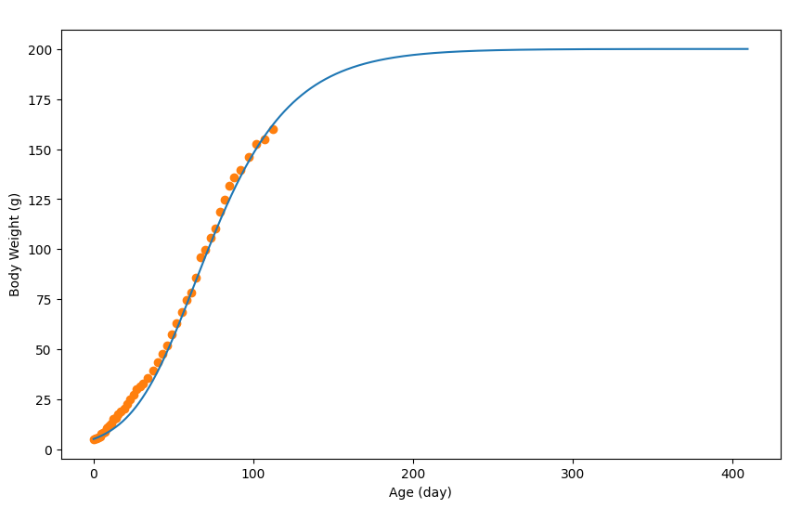
Age (day) | Body Weight (g) | Theoretical | AUC-Exp | AUC-Theo
0 | 5.2 | 5.2
1 | 5.5 | 5.5100159146 | 5.35 | 5.3550079573 | 6.7776916036
2 | 5.7 | 5.8300323425 | 5.6 | 5.6700241285
3 | 6.2 | 6.1600492838 | 5.95 | 5.9950408132
4 | 6.5 | 6.5200677653 | 6.35 | 6.3400585246
5 | 7.7 | 6.8900867601 | 7.1 | 6.7050772627
6 | 8.5 | 7.290107295 | 8.1 | 7.0900970276
7 | 8.7 | 7.7001283433 | 8.6 | 7.4951178192
8 | 10.6 | 8.1401509318 | 9.65 | 7.9201396376
9 | 11.1 | 8.6001745469 | 10.85 | 8.3701627394
10 | 12.1 | 9.0801991889 | 11.6 | 8.8401868679
11 | 12.8 | 9.5902253709 | 12.45 | 9.3352122799
12 | 15.1 | 10.12025258 | 13.95 | 9.8552389753
13 | 15.1 | 10.680281329 | 15.1 | 10.400266954
14 | 15.6 | 11.270311618 | 15.35 | 10.975296473
15 | 17.7 | 11.880342933 | 16.65 | 11.575327276
17 | 19.2 | 13.200410699 | 18.45 | 12.540376816
19 | 20.6 | 14.650485138 | 19.9 | 13.925447918
21 | 22.6 | 16.230566251 | 21.6 | 15.440525694
23 | 24.9 | 17.950654551 | 23.75 | 17.090610401
25 | 27.4 | 19.810750039 | 26.15 | 18.880702295
27 | 30 | 21.83085374 | 28.7 | 20.820801889
29 | 31.4 | 24.000965142 | 30.7 | 22.915909441
31 | 32.9 | 26.341085271 | 32.15 | 25.171025207
34 | 35.7 | 30.141280353 | 34.3 | 28.241182812
37 | 39.5 | 34.321494943 | 37.6 | 32.231387648
40 | 43.7 | 38.841726988 | 41.6 | 36.581610966
43 | 47.9 | 43.711977001 | 45.8 | 41.276851994
46 | 52 | 48.892242928 | 49.95 | 46.302109965
49 | 57.7 | 54.35252323 | 54.85 | 51.622383079
52 | 62.9 | 60.052815853 | 60.3 | 57.202669542
55 | 68.4 | 65.94311823 | 65.65 | 62.997967041
58 | 74.6 | 71.973427794 | 71.5 | 68.958273012
61 | 78.4 | 78.093741979 | 76.5 | 75.033584886
64 | 85.8 | 84.254058217 | 82.1 | 81.173900098
67 | 96 | 90.414374455 | 90.9 | 87.334216336
70 | 99.8 | 96.504687099 | 97.9 | 93.459530777
73 | 105.6 | 102.50499512 | 102.7 | 99.504841111
76 | 110.4 | 108.37529647 | 108 | 105.4401458
79 | 118.8 | 114.0755891 | 114.6 | 111.22544278
82 | 124.7 | 119.59587248 | 121.75 | 116.83573079
85 | 131.5 | 124.89614457 | 128.1 | 122.24600852
88 | 136 | 129.97640536 | 133.75 | 127.43627496
92 | 139.6 | 136.37673392 | 137.8 | 133.17656964
97 | 145.9 | 143.77711381 | 142.75 | 140.07692387
102 | 152.4 | 150.48745829 | 149.15 | 147.13228605
107 | 154.9 | 156.53776888 | 153.65 | 153.51261358
112 | 160.2 | 161.94804661 | 157.55 | 159.24290775

Male Albino Rat
Age (day) | Weight (g) | Theoretical | AUC-Exp | AUC-Theo
0 | 13.5 | 13.5
1 | 13.3 | 14.140024664 | 13.4 | 13.820012332 | 0.11583101919
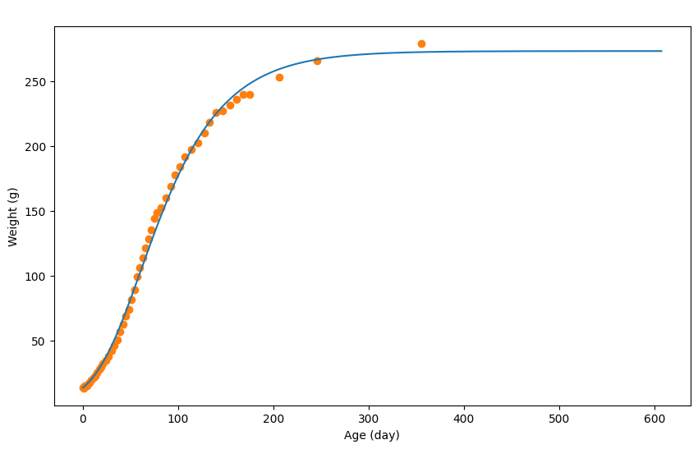
2 | 14.8 | 14.800050098 | 14.05 | 14.470037381
3 | 15.3 | 15.480076304 | 15.05 | 15.140063201
4 | 15.2 | 16.190103665 | 15.25 | 15.835089984
5 | 16.5 | 16.930132182 | 15.85 | 16.560117924
7 | 17.8 | 18.500192686 | 17.15 | 17.715162434
9 | 19.5 | 20.180257428 | 18.65 | 19.340225057
11 | 21.2 | 21.980326795 | 20.35 | 21.080292111
13 | 22.9 | 23.910401172 | 22.05 | 22.945363983
15 | 25.3 | 25.970480558 | 24.1 | 24.940440865
17 | 27.4 | 28.150564569 | 26.35 | 27.060522563
19 | 29.5 | 30.48065436 | 28.45 | 29.315609465
21 | 31.8 | 32.930748776 | 30.65 | 31.705701568
24 | 34.9 | 36.860900227 | 33.35 | 34.895824502
27 | 37.8 | 41.091063239 | 36.35 | 38.975981733
30 | 42.2 | 45.611237427 | 40 | 43.351150333
33 | 46.3 | 50.411422405 | 44.25 | 48.011329916
36 | 50.5 | 55.461617018 | 48.4 | 52.936519712
39 | 56.7 | 60.761821265 | 53.6 | 58.111719141
42 | 62.5 | 66.262033219 | 59.6 | 63.511927242
45 | 68.5 | 71.94225211 | 65.5 | 69.102142664
48 | 73.9 | 77.792477552 | 71.2 | 74.867364831
51 | 81.7 | 83.752707233 | 77.8 | 80.772592393
54 | 89.1 | 89.812940768 | 85.4 | 86.782824001
57 | 99.3 | 95.933176616 | 94.2 | 92.873058692
60 | 106.3 | 102.093414 | 102.8 | 99.01329531
63 | 113.8 | 108.26365178 | 110.05 | 105.17853289
66 | 121.3 | 114.4038884 | 117.55 | 111.33377009
69 | 128.2 | 120.50412347 | 124.75 | 117.45400593
72 | 135 | 126.54435624 | 131.6 | 123.52423986
75 | 143.8 | 132.48458515 | 139.4 | 129.51447069
78 | 148.4 | 138.33481059 | 146.1 | 135.40969787
82 | 152.3 | 145.94510386 | 150.35 | 142.13995722
87 | 160 | 155.11545724 | 156.15 | 150.53028055
92 | 168.8 | 163.87579483 | 164.4 | 159.49562604
97 | 177.6 | 172.18611507 | 173.2 | 168.03095495
102 | 183.8 | 180.0264172 | 180.7 | 176.10626614
107 | 191.4 | 187.40670161 | 187.6 | 183.7165594
114 | 197.4 | 196.94706925 | 194.4 | 192.17688543
121 | 202.5 | 205.5974026 | 199.95 | 201.27223592
128 | 209.7 | 213.3877028 | 206.1 | 209.4925527
133 | 218.3 | 218.45789818 | 214 | 215.92280049
140 | 225.4 | 224.90814675 | 221.85 | 221.68302247
147 | 227 | 230.65836834 | 226.2 | 227.78325754
154 | 231.4 | 235.76856526 | 229.2 | 233.2134668
161 | 235.8 | 240.28873945 | 233.6 | 238.02865236
168 | 239.4 | 244.29889398 | 237.6 | 242.29381672
175 | 239.8 | 247.82903002 | 239.6 | 246.063962
206 | 252.9 | 259.02946164 | 246.35 | 253.42924583
246 | 265.4 | 266.53975105 | 259.15 | 262.78460634
355 | 279 | 272.22997033 | 272.2 | 269.38486069

Female Albino Rat
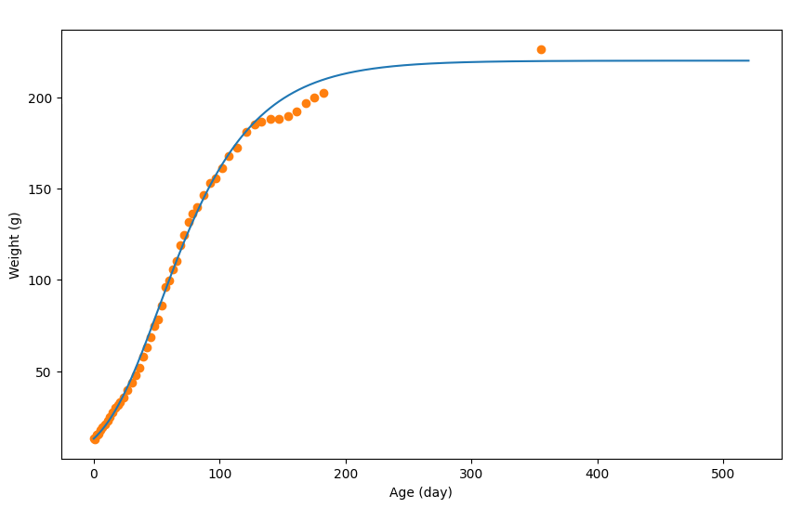
Age (day) | Weight (g) | Theoretical | AUC-Exp | AUC-Theo
0 | 13 | 13
1 | 12.8 | 13.660031886 | 12.9 | 13.330015943 | 1.1881019398
2 | 15.1 | 14.340064737 | 13.95 | 14.000048312
3 | 15.1 | 15.050099039 | 15.1 | 14.695081888
4 | 15.6 | 15.790134789 | 15.35 | 15.420116914
5 | 17.7 | 16.550171506 | 16.65 | 16.170153147
7 | 19.2 | 18.180250254 | 18.45 | 17.36521088
9 | 20.6 | 19.930334799 | 19.9 | 19.055292526
11 | 22.6 | 21.800425141 | 21.6 | 20.86537997
13 | 24.9 | 23.810522247 | 23.75 | 22.805473694
15 | 27.4 | 25.950625634 | 26.15 | 24.880573941
17 | 30 | 28.230735784 | 28.7 | 27.090680709
19 | 31.4 | 30.630851732 | 30.7 | 29.430793758
21 | 32.9 | 33.170974443 | 32.15 | 31.900913088
24 | 35.7 | 37.211169622 | 34.3 | 35.191072032
27 | 39.5 | 41.541378811 | 37.6 | 39.376274216
30 | 43.7 | 46.111599594 | 41.6 | 43.826489202
33 | 47.9 | 50.931832456 | 45.8 | 48.521716025
36 | 52 | 55.942074496 | 49.95 | 53.436953476
39 | 57.7 | 61.132325233 | 54.85 | 58.537199865
42 | 62.9 | 66.462582733 | 60.3 | 63.797453983
45 | 68.4 | 71.902845548 | 65.65 | 69.182714141
48 | 74.6 | 77.423112228 | 71.5 | 74.662978888
51 | 78.4 | 82.973380357 | 76.5 | 80.198246292
54 | 85.8 | 88.533648969 | 82.1 | 85.753514663
57 | 96 | 94.073916614 | 90.9 | 91.303782791
60 | 99.8 | 99.564181845 | 97.9 | 96.819049229
63 | 105.6 | 104.98444369 | 102.7 | 102.27431277
66 | 110.4 | 110.31470119 | 108 | 107.64957244
69 | 118.8 | 115.5249529 | 114.6 | 112.91982704
72 | 124.7 | 120.60519832 | 121.75 | 118.06507561
75 | 131.5 | 125.55543746 | 128.1 | 123.08031789
78 | 136 | 130.34566887 | 133.75 | 127.95055317
82 | 139.8 | 136.48596551 | 137.9 | 133.41581719
87 | 146.3 | 143.74631625 | 143.05 | 140.11614088
92 | 153.1 | 150.53664428 | 149.7 | 147.14148026
97 | 155.8 | 156.83694864 | 154.45 | 153.68679646
102 | 161.4 | 162.6672303 | 158.6 | 159.75208947
107 | 168 | 168.04749022 | 164.7 | 165.35736026
114 | 172.6 | 174.83781825 | 170.3 | 171.44265423
121 | 181 | 180.83810812 | 176.8 | 177.83796319
128 | 185 | 186.09836224 | 183 | 183.46823518
133 | 186.6 | 189.44852408 | 185.8 | 187.77344316
140 | 188.2 | 193.62872603 | 187.4 | 191.53862505
147 | 188 | 197.26890188 | 188.1 | 195.44881395
154 | 189.5 | 200.41905406 | 188.75 | 198.84397797
161 | 192.2 | 203.14918595 | 190.85 | 201.78412001
168 | 197 | 205.50929997 | 194.6 | 204.32924296
175 | 200 | 207.54939852 | 198.5 | 206.52934924
182 | 202.2 | 209.30948355 | 201.1 | 208.42944104
355 | 226.4 | 219.76998889 | 214.3 | 214.53973622

Cucurpita Pepo
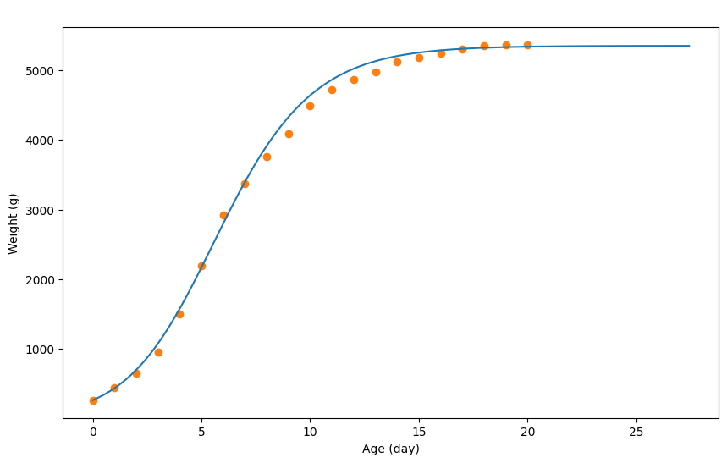
Age (day) | Weight (g) | Theoretical | AUC-Exp | AUC-Theo
0 | 267 | 267
1 | 443 | 439.03384494 | 355 | 353.01692247 | 1.695198499
2 | 658 | 702.08559622 | 550.5 | 570.55972058
3 | 961 | 1080.1599764 | 809.5 | 891.1227863
4 | 1498 | 1579.2581661 | 1229.5 | 1329.7090712
5 | 2200 | 2172.3748524 | 1849 | 1875.8165092
6 | 2920 | 2800.4984258 | 2560 | 2486.4366391
7 | 3366 | 3398.616096 | 3143 | 3099.5572609
8 | 3758 | 3914.7176309 | 3562 | 3656.6668634
9 | 4092 | 4327.7988981 | 3925 | 4121.2582645
10 | 4488 | 4638.8600945 | 4290 | 4483.3294963
11 | 4720 | 4863.9043684 | 4604 | 4751.3822314
12 | 4864 | 5020.9352617 | 4792 | 4942.419815
13 | 4980 | 5129.95671 | 4922 | 5075.4459858
14 | 5114 | 5202.9710744 | 5047 | 5166.4638922
15 | 5176 | 5251.9807163 | 5145 | 5227.4758953
16 | 5242 | 5284.9872098 | 5209 | 5268.483963
17 | 5298 | 5306.9915388 | 5270 | 5295.9893743
18 | 5352 | 5321.9944904 | 5325 | 5314.4930146
19 | 5360 | 5330.9962613 | 5356 | 5326.4953758
20 | 5366 | 5337.9976387 | 5363 | 5334.49695

Tadpole Tail Regeneration
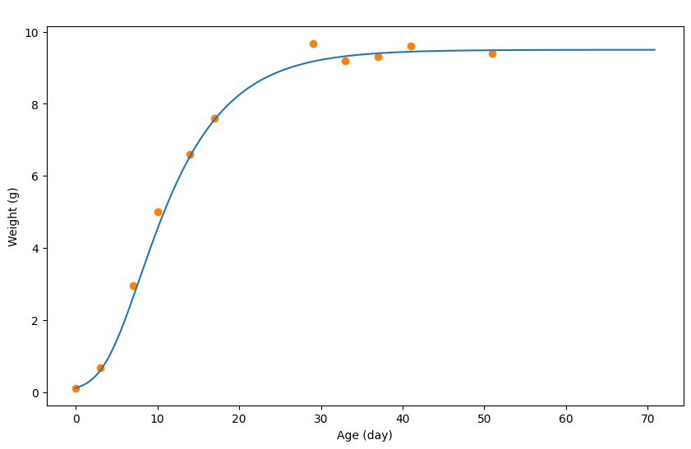
Age (day) | Weight (g) | Theoretical | AUC-Exp | AUC-Theo
0 | 0.11 | 0.11
3 | 0.68 | 0.59805197572 | 1.185 | 1.0620779636 | 2.1468613992
7 | 2.95 | 2.6122664821 | 5.445 | 4.8154776867
10 | 5 | 4.5264703376 | 11.925 | 10.70810523
14 | 6.6 | 6.5456853765 | 17.4 | 16.608233571
17 | 7.6 | 7.5637938013 | 21.3 | 21.164218767
29 | 9.68 | 9.1739652785 | 25.92 | 25.10663862
33 | 9.2 | 9.3219810416 | 28.32 | 27.74391948
37 | 9.3 | 9.4029896688 | 27.75 | 28.087456066
41 | 9.6 | 9.4469943551 | 28.35 | 28.274976036
51 | 9.4 | 9.4879987219 | 28.5 | 28.402489616

Yeast Cells
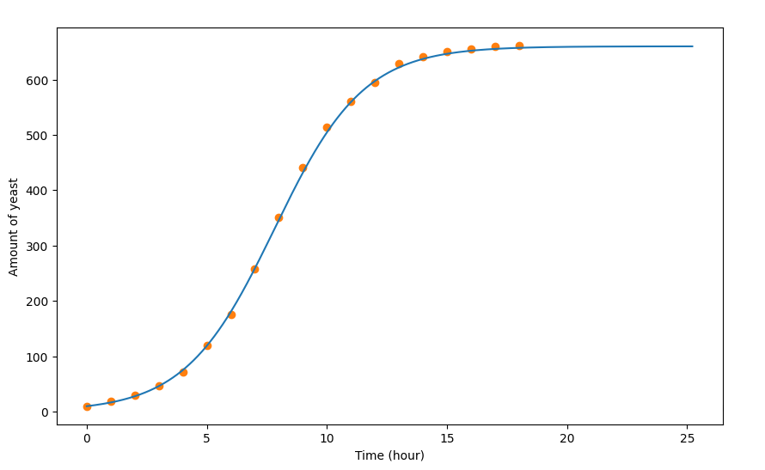
Time (hour) | Amount of yeast | Theoretical | AUC-Exp | AUC-Theo
0 | 9.6 | 9.6
1 | 18.3 | 16.402091664 | 13.95 | 13.001045832 | 0.59838106051
2 | 29 | 27.605536758 | 23.65 | 22.003814211
3 | 47.2 | 45.911165795 | 38.1 | 36.758351277
4 | 71.1 | 74.920086127 | 59.15 | 60.415625961
5 | 119.1 | 118.7335589 | 95.1 | 96.826822516
6 | 174.6 | 180.35250692 | 146.85 | 149.54303291
7 | 257 | 258.57656106 | 215.8 | 219.46453399
8 | 350.7 | 346.30353737 | 303.85 | 302.44004922
9 | 441 | 431.82983697 | 395.85 | 389.06668717
10 | 513.3 | 504.45216856 | 477.15 | 468.14100277
11 | 559.7 | 559.36905568 | 536.5 | 531.91061212
12 | 594.8 | 597.28071363 | 577.25 | 578.32488465
13 | 629.4 | 621.88828053 | 612.1 | 609.58449708
14 | 640.8 | 637.19298677 | 635.1 | 629.54063365
15 | 651.1 | 646.49584743 | 645.95 | 641.8444171
16 | 655.9 | 652.09756998 | 653.5 | 649.29670871
17 | 659.6 | 655.29855429 | 657.75 | 653.69806213
18 | 661.8 | 657.29916949 | 660.7 | 656.29886189

Guinea Pig
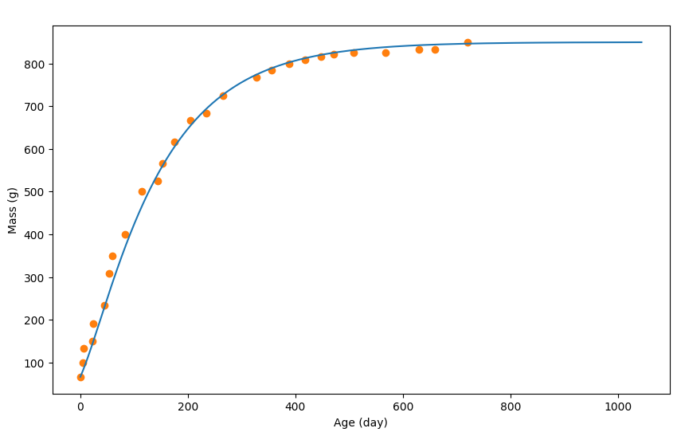
Age (day) | Mass (g) | Theoretical | AUC-Exp | AUC-Theo
0 | 66.666666667 | 66.666666667
4.5454545455 | 100 | 80.681576145 | 378.78787879 | 334.88237003 | 1.6112747516
6.0606060606 | 133.33333333 | 85.686900958 | 530.3030303 | 378.11017523
22.727272727 | 150 | 144.74973376 | 643.93939394 | 523.71962436
24.242424242 | 191.66666667 | 150.75612354 | 776.51515152 | 671.60422112
43.939393939 | 233.33333333 | 226.8370607 | 965.90909091 | 858.16632781
53.03030303 | 308.33333333 | 261.8743344 | 1231.0606061 | 1110.7077161
59.090909091 | 350 | 284.39829606 | 1496.2121212 | 1241.5287056
83.333333333 | 400 | 370.48988285 | 1704.5454545 | 1488.3822248
113.63636364 | 500 | 463.58892439 | 2045.4545455 | 1895.6336528
143.93939394 | 525 | 540.67092652 | 2329.5454545 | 2282.4087521
153.03030303 | 566.66666667 | 561.19275825 | 2481.0606061 | 2504.2356472
174.24242424 | 616.66666667 | 603.73801917 | 2689.3939394 | 2647.5699487
204.54545455 | 666.66666667 | 654.29179979 | 2916.6666667 | 2859.1586794
234.84848485 | 683.33333333 | 694.83493078 | 3068.1818182 | 3066.1971149
265.15151515 | 725 | 726.86900958 | 3200.7575758 | 3231.145319
327.27272727 | 766.66666667 | 773.91906283 | 3390.1515152 | 3410.8819828
356.06060606 | 783.33333333 | 788.93503727 | 3522.7272727 | 3551.9411366
387.87878788 | 800 | 802.44941427 | 3598.4848485 | 3616.7828444
418.18181818 | 808.33333333 | 812.4600639 | 3655.3030303 | 3670.248814
446.96969697 | 816.66666667 | 819.96805112 | 3693.1818182 | 3710.0638978
471.21212121 | 820.83333333 | 824.97337593 | 3721.5909091 | 3738.5032433
507.57575758 | 825 | 831.48029819 | 3740.530303 | 3764.6674412
568.18181818 | 825 | 838.48775293 | 3750 | 3795.3819344
630.3030303 | 833.33333333 | 842.99254526 | 3768.9393939 | 3821.5461322
659.09090909 | 833.33333333 | 844.49414271 | 3787.8787879 | 3835.1970181
719.6969697 | 850 | 846.49627263 | 3825.7575758 | 3843.1600349

Hen
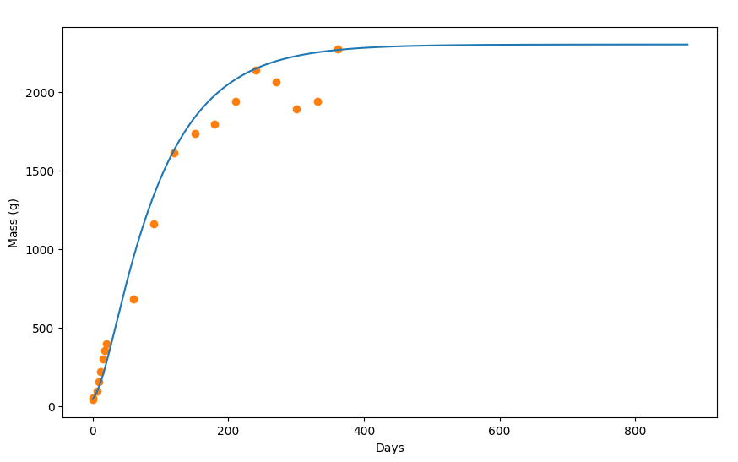
Days | Mass (g) | Theoretical | AUC-Exp | AUC-Theo
0 | 42.253521127 | 42.253521127
1.0416666667 | 52.816901408 | 48.35391691 | 49.51584507 | 47.191373978 | 5.8699796466
6.25 | 95.070422535 | 88.556525189 | 77.024647887 | 71.307521927
8.8541666667 | 151.4084507 | 115.25825755 | 128.37441315 | 106.15353268
11.458333333 | 218.30985915 | 145.96024945 | 192.56161972 | 136.05130573
15.104166667 | 299.29577465 | 194.96342869 | 269.58626761 | 177.5644157
18.229166667 | 352.11267606 | 241.46644573 | 339.27523474 | 227.30722626
20.833333333 | 394.36619718 | 282.66911889 | 388.79107981 | 272.98727324
59.895833333 | 683.09859155 | 938.71168186 | 561.17957746 | 636.13583372
90.104166667 | 1158.4507042 | 1339.1376608 | 959.14025822 | 1186.379866
120.3125 | 1612.6760563 | 1630.0565352 | 1443.2951878 | 1546.4553104
150.52083333 | 1732.3943662 | 1835.669875 | 1742.2241784 | 1805.0658386
180.20833333 | 1792.2535211 | 1977.1790559 | 1835.754108 | 1985.8588182
210.9375 | 1936.6197183 | 2078.8856545 | 1942.1214789 | 2112.5337033
240.625 | 2137.3239437 | 2146.79006 | 2121.8456573 | 2200.8727679
270.83333333 | 2063.3802817 | 2194.5931614 | 2187.866784 | 2261.1370945
301.04166667 | 1887.3239437 | 2227.495296 | 2057.6584507 | 2303.1710716
331.25 | 1940.1408451 | 2250.1967688 | 1993.4712441 | 2332.1312838
361.45833333 | 2271.1267606 | 2265.797781 | 2193.3685446 | 2352.0804947

Guppy
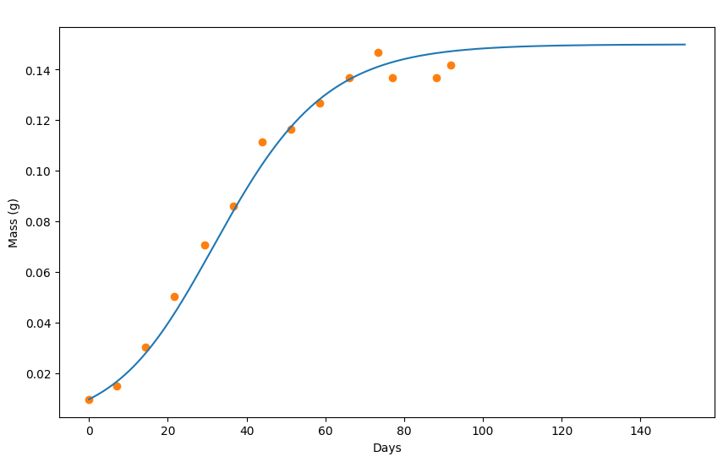
Days | Mass (g) | Theoretical | AUC-Exp | AUC-Theo
0 | 0.0097777777778 | 0.0097777777778
7.0731707317 | 0.015111111111 | 0.016883971766 | 0.088021680217 | 0.094291553265 | 0.74801366873
14.390243902 | 0.030222222222 | 0.028093742565 | 0.16032520325 | 0.15906752629
21.707317073 | 0.050444444444 | 0.043807439131 | 0.28528455285 | 0.25428466697
29.268292683 | 0.070666666667 | 0.063724799746 | 0.4283197832 | 0.38029694237
36.585365854 | 0.086 | 0.084042509319 | 0.55406504065 | 0.52259170279
43.902439024 | 0.11155555556 | 0.10245856135 | 0.69867208672 | 0.65957695723
51.341463415 | 0.11644444444 | 0.11757173448 | 0.80634146341 | 0.77815592424
58.658536585 | 0.12666666667 | 0.12848124356 | 0.85978319783 | 0.87018736133
66.097560976 | 0.13666666667 | 0.13618796098 | 0.93130081301 | 0.93602523556
73.414634146 | 0.14688888889 | 0.14119232294 | 1.0028184282 | 0.9809790529
77.073170732 | 0.13666666667 | 0.14299389325 | 1.0028184282 | 1.0050488134
88.170731707 | 0.13666666667 | 0.14659703386 | 0.96666666667 | 1.0241630349
91.829268293 | 0.14177777778 | 0.14729764454 | 0.98474254743 | 1.0393836187

Cow
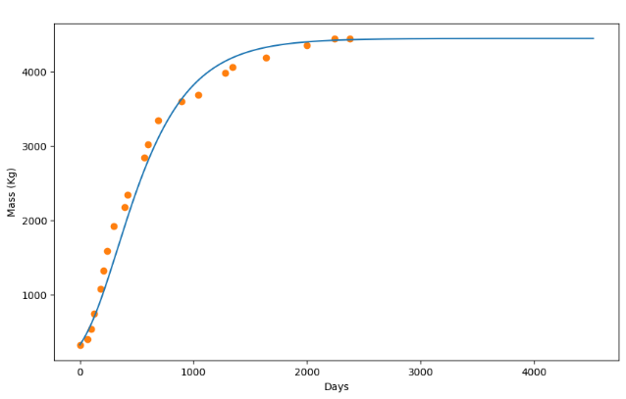
Days | Mass (Kg) | Theoretical | AUC-Exp | AUC-Theo
0 | 330 | 330
63.636363636 | 410 | 494.60400496 | 23545.454545 | 26237.400158 | 3.5233321426
95.454545455 | 540 | 595.30645514 | 30227.272727 | 34678.969185
122.72727273 | 750 | 691.1087861 | 41045.454545 | 40931.39404
181.81818182 | 1080 | 925.41448697 | 58227.272727 | 51434.831416
209.09090909 | 1330 | 1043.9173703 | 76681.818182 | 62660.559093
240.90909091 | 1590 | 1188.4208862 | 92909.090909 | 71028.944522
300 | 1920 | 1468.427699 | 111681.81818 | 84536.091345
390.90909091 | 2180 | 1905.6383367 | 130454.54545 | 107356.64659
418.18181818 | 2340 | 2033.7414536 | 143818.18182 | 125343.90242
568.18181818 | 2840 | 2678.1571328 | 164818.18182 | 149924.04593
600 | 3020 | 2798.3600574 | 186454.54545 | 174252.81969
686.36363636 | 3340 | 3093.2672328 | 202363.63636 | 187460.86832
895.45454545 | 3600 | 3627.780238 | 220818.18182 | 213851.51043
1040.9090909 | 3680 | 3876.6862941 | 231636.36364 | 238778.48056
1281.8181818 | 3980 | 4136.9926276 | 243727.27273 | 254980.69296
1340.9090909 | 4060 | 4180.2936811 | 255818.18182 | 264640.928
1636.3636364 | 4180 | 4320.39709 | 262181.81818 | 270476.52453
1995.4545455 | 4350 | 4393.6988735 | 271409.09091 | 277266.68974
2240.9090909 | 4440 | 4415.8994136 | 279681.81818 | 280305.40004
2377.2727273 | 4440 | 4423.1995912 | 282545.45455 | 281244.05924

Tumor Volume
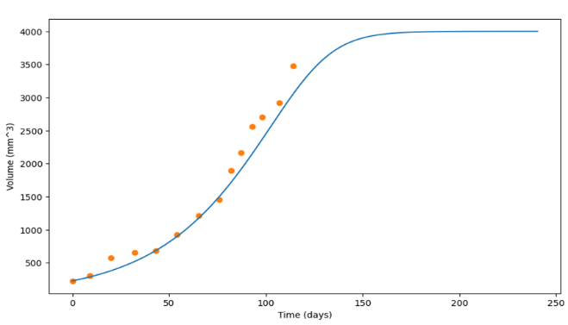
Time (days) | Volume (mm^3) | Theoretical | AUC-Exp | AUC-Theo
0 | 225.535 | 225.535
9.02266 | 302.957 | 285.537623 | 2384.2018144 | 2305.6172563 | 10.8140236
19.9959 | 575.619 | 379.54173237 | 3963.5462661 | 3000.3924483
32.0659 | 651.358 | 517.34775654 | 5535.2981494 | 4046.164458
43.0385 | 681.654 | 682.65498291 | 6013.657026 | 5413.6083586
54.0117 | 927.807 | 895.76429894 | 7260.8096931 | 7120.7702588
65.1538 | 1211.83 | 1170.8763254 | 9652.6085872 | 9323.2978479
76.0425 | 1457.98 | 1504.2909006 | 12044.393947 | 12068.562162
82.0364 | 1897.27 | 1716.1001598 | 15136.639983 | 14528.246802
87.1014 | 2166.15 | 1909.8086277 | 18331.428549 | 16357.67109
93.0013 | 2557.04 | 2150.1191328 | 21307.868743 | 18315.673904
97.9909 | 2707.68 | 2362.6284226 | 23750.889278 | 20358.493429
106.957 | 2916.81 | 2752.4454634 | 25373.930472 | 23075.786274
114.03 | 3480.22 | 3048.9584254 | 28859.11335 | 26172.047406

