White Rat Male
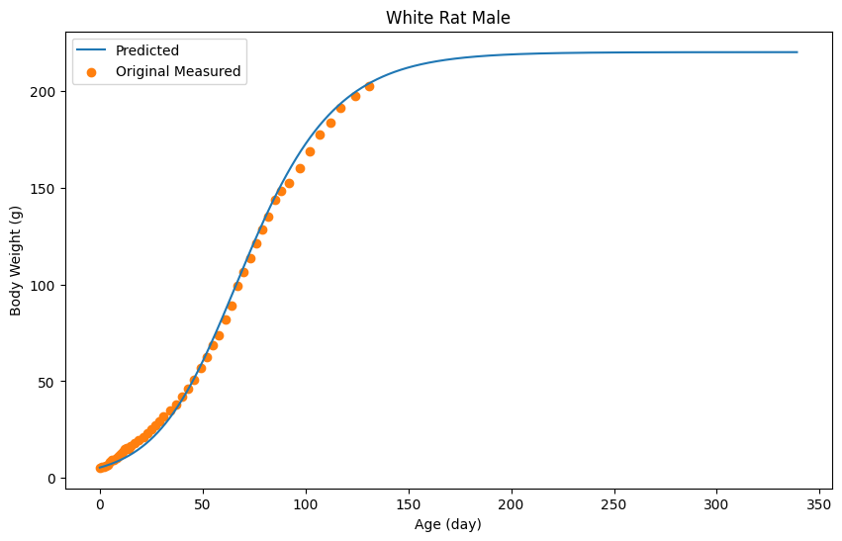
Age (day) | Body Weight (g) | Pred
0 | 5.4 | 5.4
1 | 5.6 | 5.7100144462
2 | 5.8 | 6.0300293583
3 | 6.3 | 6.3700452025
4 | 6.9 | 6.7300619787
5 | 8.3 | 7.1000792208
6 | 9.1 | 7.500097861
7 | 9.2 | 7.9101169672
8 | 10.4 | 8.3501374715
9 | 11.3 | 8.8101589077
10 | 12.2 | 9.3001817419
11 | 13.3 | 9.8002050422
12 | 14.8 | 10.340230206
13 | 15.3 | 10.900256303
14 | 15.2 | 11.490283797
15 | 16.5 | 12.110312689
17 | 17.8 | 13.450375134
19 | 19.5 | 14.910443171
21 | 21.2 | 16.510517731
23 | 22.9 | 18.270599748
25 | 25.3 | 20.190689221
27 | 27.4 | 22.27078615
29 | 29.5 | 24.540891933
31 | 31.8 | 26.991006105
34 | 34.9 | 31.031194371
37 | 37.8 | 35.521403607
40 | 42.2 | 40.471634279
43 | 46.3 | 45.891886854
46 | 50.5 | 51.752159933
49 | 56.7 | 58.032452584
52 | 62.5 | 64.692762943
55 | 68.5 | 71.693089147
58 | 73.9 | 78.953427466
61 | 81.7 | 86.423775572
64 | 89.1 | 94.024129736
67 | 99.3 | 101.67448623
70 | 106.6 | 109.30484179
73 | 113.8 | 116.83519269
76 | 121.3 | 124.20553614
79 | 128.2 | 131.3658698
82 | 135 | 138.25619088
85 | 143.8 | 144.84649797
88 | 148.4 | 151.10678969
92 | 152.3 | 158.90715318
97 | 160 | 167.72756419
102 | 168.8 | 175.53792814
107 | 177.6 | 182.36824642
112 | 183.8 | 188.2885223
117 | 191.4 | 193.36875903
124 | 197.3 | 199.24903304
131 | 202.5 | 203.89924973

White Rat Female
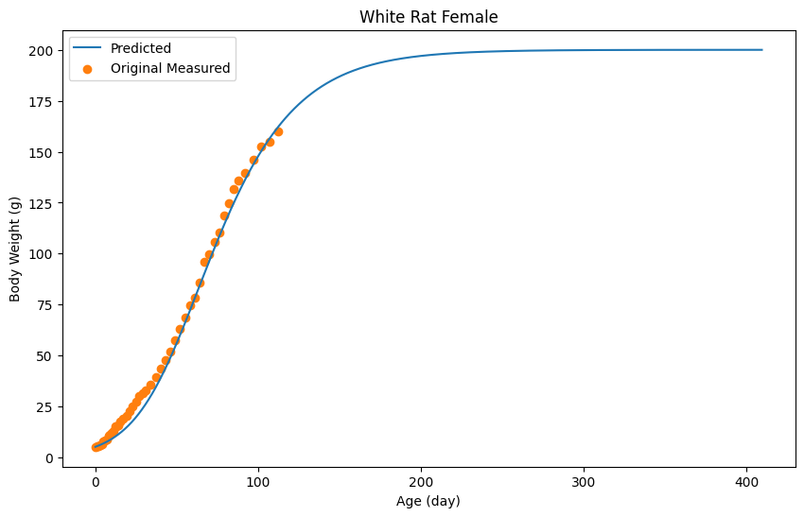
Age (day) | Body Weight (g) | Predicted
0 | 5.2 | 5.2
1 | 5.5 | 5.5100159146
2 | 5.7 | 5.8300323425
3 | 6.2 | 6.1600492838
4 | 6.5 | 6.5200677653
5 | 7.7 | 6.8900867601
6 | 8.5 | 7.290107295
7 | 8.7 | 7.7001283433
8 | 10.6 | 8.1401509318
9 | 11.1 | 8.6001745469
10 | 12.1 | 9.0801991889
11 | 12.8 | 9.5902253709
12 | 15.1 | 10.12025258
13 | 15.1 | 10.680281329
14 | 15.6 | 11.270311618
15 | 17.7 | 11.880342933
17 | 19.2 | 13.200410699
19 | 20.6 | 14.650485138
21 | 22.6 | 16.230566251
23 | 24.9 | 17.950654551
25 | 27.4 | 19.810750039
27 | 30 | 21.83085374
29 | 31.4 | 24.000965142
31 | 32.9 | 26.341085271
34 | 35.7 | 30.141280353
37 | 39.5 | 34.321494943
40 | 43.7 | 38.841726988
43 | 47.9 | 43.711977001
46 | 52 | 48.892242928
49 | 57.7 | 54.35252323
52 | 62.9 | 60.052815853
55 | 68.4 | 65.94311823
58 | 74.6 | 71.973427794
61 | 78.4 | 78.093741979
64 | 85.8 | 84.254058217
67 | 96 | 90.414374455
70 | 99.8 | 96.504687099
73 | 105.6 | 102.50499512
76 | 110.4 | 108.37529647
79 | 118.8 | 114.0755891
82 | 124.7 | 119.59587248
85 | 131.5 | 124.89614457
88 | 136 | 129.97640536
92 | 139.6 | 136.37673392
97 | 145.9 | 143.77711381
102 | 152.4 | 150.48745829
107 | 154.9 | 156.53776888
112 | 160.2 | 161.94804661

Male Albino Rat
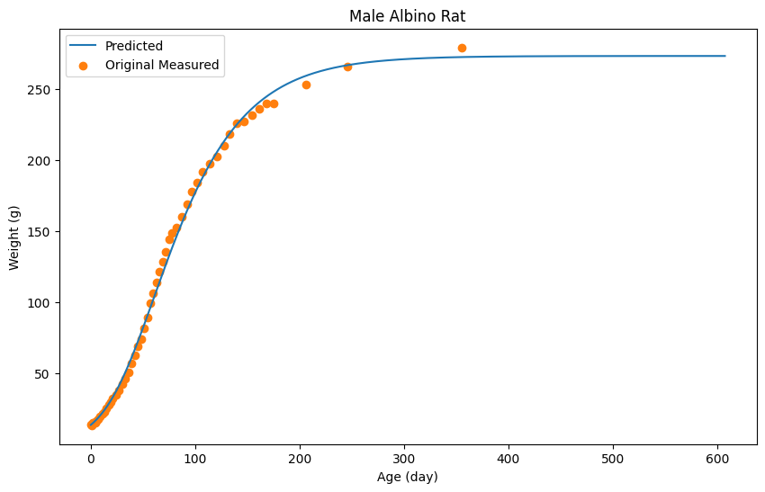
Age (day) | Weight (g) | Pred
0 | 13.5 | 13.5
1 | 13.3 | 14.140024664
2 | 14.8 | 14.800050098
3 | 15.3 | 15.480076304
4 | 15.2 | 16.190103665
5 | 16.5 | 16.930132182
7 | 17.8 | 18.500192686
9 | 19.5 | 20.180257428
11 | 21.2 | 21.980326795
13 | 22.9 | 23.910401172
15 | 25.3 | 25.970480558
17 | 27.4 | 28.150564569
19 | 29.5 | 30.48065436
21 | 31.8 | 32.930748776
24 | 34.9 | 36.860900227
27 | 37.8 | 41.091063239
30 | 42.2 | 45.611237427
33 | 46.3 | 50.411422405
36 | 50.5 | 55.461617018
39 | 56.7 | 60.761821265
42 | 62.5 | 66.262033219
45 | 68.5 | 71.94225211
48 | 73.9 | 77.792477552
51 | 81.7 | 83.752707233
54 | 89.1 | 89.812940768
57 | 99.3 | 95.933176616
60 | 106.3 | 102.093414
63 | 113.8 | 108.26365178
66 | 121.3 | 114.4038884
69 | 128.2 | 120.50412347
72 | 135 | 126.54435624
75 | 143.8 | 132.48458515
78 | 148.4 | 138.33481059
82 | 152.3 | 145.94510386
87 | 160 | 155.11545724
92 | 168.8 | 163.87579483
97 | 177.6 | 172.18611507
102 | 183.8 | 180.0264172
107 | 191.4 | 187.40670161
114 | 197.4 | 196.94706925
121 | 202.5 | 205.5974026
128 | 209.7 | 213.3877028
133 | 218.3 | 218.45789818
140 | 225.4 | 224.90814675
147 | 227 | 230.65836834
154 | 231.4 | 235.76856526
161 | 235.8 | 240.28873945
168 | 239.4 | 244.29889398
175 | 239.8 | 247.82903002
206 | 252.9 | 259.02946164
246 | 265.4 | 266.53975105
355 | 279 | 272.22997033

Female Albino Rat
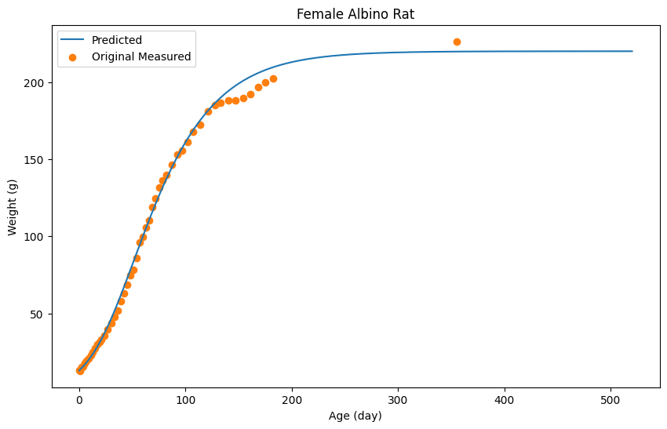
Age (day) | Weight (g) | Pred
0 | 13 | 13
1 | 12.8 | 13.660031886
2 | 15.1 | 14.340064737
3 | 15.1 | 15.050099039
4 | 15.6 | 15.790134789
5 | 17.7 | 16.550171506
7 | 19.2 | 18.180250254
9 | 20.6 | 19.930334799
11 | 22.6 | 21.800425141
13 | 24.9 | 23.810522247
15 | 27.4 | 25.950625634
17 | 30 | 28.230735784
19 | 31.4 | 30.630851732
21 | 32.9 | 33.170974443
24 | 35.7 | 37.211169622
27 | 39.5 | 41.541378811
30 | 43.7 | 46.111599594
33 | 47.9 | 50.931832456
36 | 52 | 55.942074496
39 | 57.7 | 61.132325233
42 | 62.9 | 66.462582733
45 | 68.4 | 71.902845548
48 | 74.6 | 77.423112228
51 | 78.4 | 82.973380357
54 | 85.8 | 88.533648969
57 | 96 | 94.073916614
60 | 99.8 | 99.564181845
63 | 105.6 | 104.98444369
66 | 110.4 | 110.31470119
69 | 118.8 | 115.5249529
72 | 124.7 | 120.60519832
75 | 131.5 | 125.55543746
78 | 136 | 130.34566887
82 | 139.8 | 136.48596551
87 | 146.3 | 143.74631625
92 | 153.1 | 150.53664428
97 | 155.8 | 156.83694864
102 | 161.4 | 162.6672303
107 | 168 | 168.04749022
114 | 172.6 | 174.83781825
121 | 181 | 180.83810812
128 | 185 | 186.09836224
133 | 186.6 | 189.44852408
140 | 188.2 | 193.62872603
147 | 188 | 197.26890188
154 | 189.5 | 200.41905406
161 | 192.2 | 203.14918595
168 | 197 | 205.50929997
175 | 200 | 207.54939852
182 | 202.2 | 209.30948355
355 | 226.4 | 219.76998889

Cucurpita Pepo
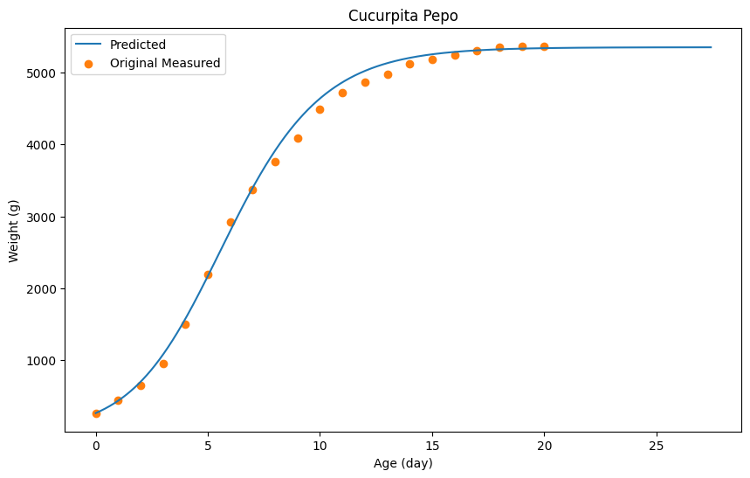
Age (day) | Weight (g) | Pred
0 | 267 | 267
1 | 443 | 439.03384494
2 | 658 | 702.08559622
3 | 961 | 1080.1599764
4 | 1498 | 1579.2581661
5 | 2200 | 2172.3748524
6 | 2920 | 2800.4984258
7 | 3366 | 3398.616096
8 | 3758 | 3914.7176309
9 | 4092 | 4327.7988981
10 | 4488 | 4638.8600945
11 | 4720 | 4863.9043684
12 | 4864 | 5020.9352617
13 | 4980 | 5129.95671
14 | 5114 | 5202.9710744
15 | 5176 | 5251.9807163
16 | 5242 | 5284.9872098
17 | 5298 | 5306.9915388
18 | 5352 | 5321.9944904
19 | 5360 | 5330.9962613
20 | 5366 | 5337.9976387

Tadpole Tail Regeneratio
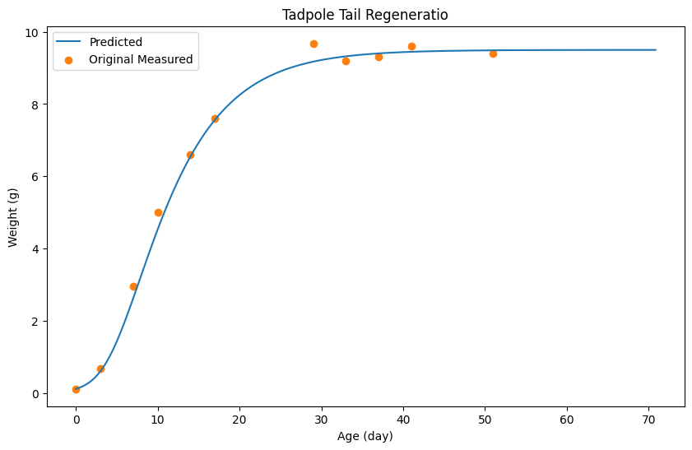
Age (day) | Weight (g) | Pred
0 | 0.11 | 0.11
3 | 0.68 | 0.59805197572
7 | 2.95 | 2.6122664821
10 | 5 | 4.5264703376
14 | 6.6 | 6.5456853765
17 | 7.6 | 7.5637938013
29 | 9.68 | 9.1739652785
33 | 9.2 | 9.3219810416
37 | 9.3 | 9.4029896688
41 | 9.6 | 9.4469943551
51 | 9.4 | 9.4879987219

Yeast Cells
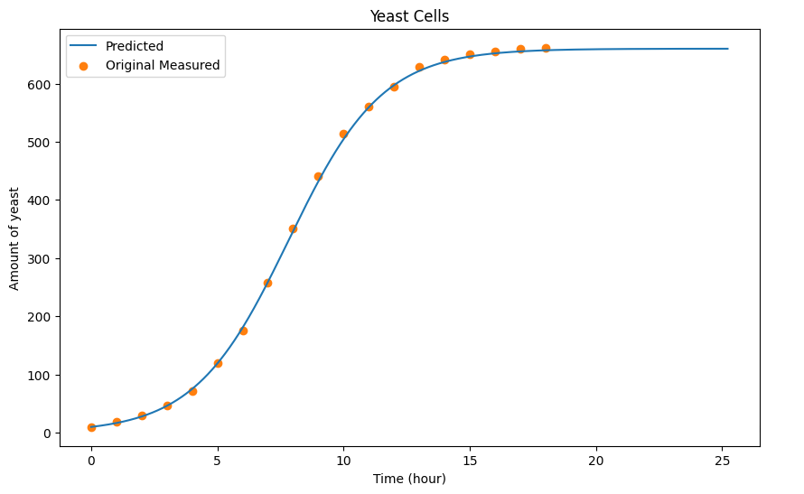
Time (hour) | Amount of yeast | Pred
0 | 9.6 | 9.6
1 | 18.3 | 16.402091664
2 | 29 | 27.605536758
3 | 47.2 | 45.911165795
4 | 71.1 | 74.920086127
5 | 119.1 | 118.7335589
6 | 174.6 | 180.35250692
7 | 257 | 258.57656106
8 | 350.7 | 346.30353737
9 | 441 | 431.82983697
10 | 513.3 | 504.45216856
11 | 559.7 | 559.36905568
12 | 594.8 | 597.28071363
13 | 629.4 | 621.88828053
14 | 640.8 | 637.19298677
15 | 651.1 | 646.49584743
16 | 655.9 | 652.09756998
17 | 659.6 | 655.29855429
18 | 661.8 | 657.29916949

Guinea Pig
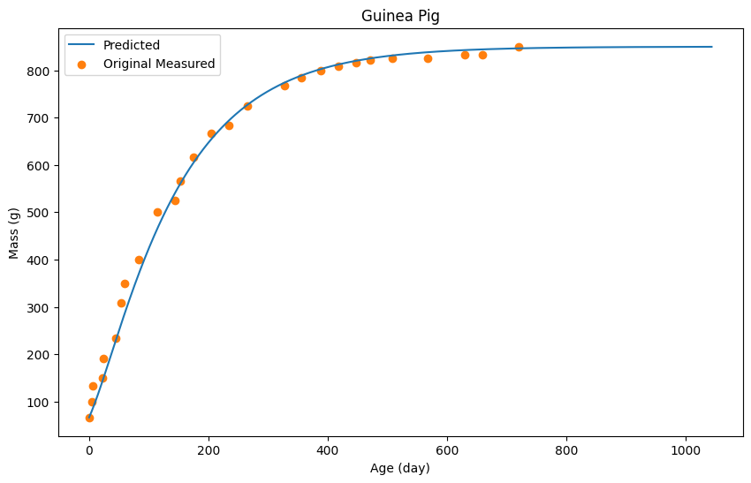
Age (day) | Mass (g) | Pred
0 | 66.666666667 | 66.666666667
4.5454545455 | 100 | 80.681576145
6.0606060606 | 133.33333333 | 85.686900958
22.727272727 | 150 | 144.74973376
24.242424242 | 191.66666667 | 150.75612354
43.939393939 | 233.33333333 | 226.8370607
53.03030303 | 308.33333333 | 261.8743344
59.090909091 | 350 | 284.39829606
83.333333333 | 400 | 370.48988285
113.63636364 | 500 | 463.58892439
143.93939394 | 525 | 540.67092652
153.03030303 | 566.66666667 | 561.19275825
174.24242424 | 616.66666667 | 603.73801917
204.54545455 | 666.66666667 | 654.29179979
234.84848485 | 683.33333333 | 694.83493078
265.15151515 | 725 | 726.86900958
327.27272727 | 766.66666667 | 773.91906283
356.06060606 | 783.33333333 | 788.93503727
387.87878788 | 800 | 802.44941427
418.18181818 | 808.33333333 | 812.4600639
446.96969697 | 816.66666667 | 819.96805112
471.21212121 | 820.83333333 | 824.97337593
507.57575758 | 825 | 831.48029819
568.18181818 | 825 | 838.48775293
630.3030303 | 833.33333333 | 842.99254526
659.09090909 | 833.33333333 | 844.49414271
719.6969697 | 850 | 846.49627263

Hen
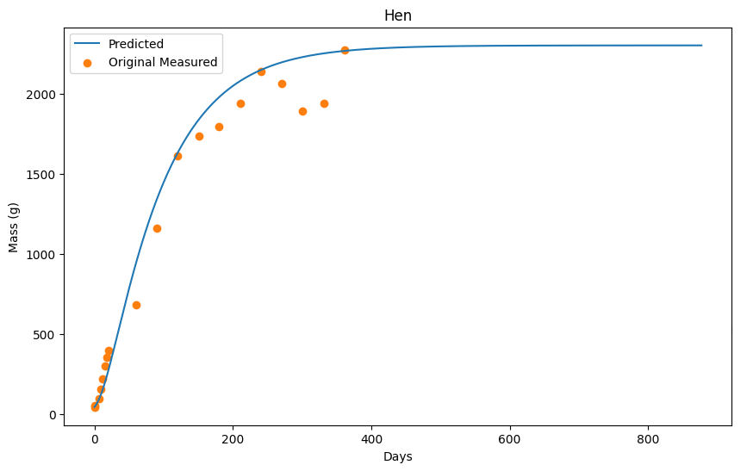
Days | Mass (g) | Pred
0 | 42.253521127 | 42.253521127
1.0416666667 | 52.816901408 | 48.35391691
6.25 | 95.070422535 | 88.556525189
8.8541666667 | 151.4084507 | 115.25825755
11.458333333 | 218.30985915 | 145.96024945
15.104166667 | 299.29577465 | 194.96342869
18.229166667 | 352.11267606 | 241.46644573
20.833333333 | 394.36619718 | 282.66911889
59.895833333 | 683.09859155 | 938.71168186
90.104166667 | 1158.4507042 | 1339.1376608
120.3125 | 1612.6760563 | 1630.0565352
150.52083333 | 1732.3943662 | 1835.669875
180.20833333 | 1792.2535211 | 1977.1790559
210.9375 | 1936.6197183 | 2078.8856545
240.625 | 2137.3239437 | 2146.79006
270.83333333 | 2063.3802817 | 2194.5931614
301.04166667 | 1887.3239437 | 2227.495296
331.25 | 1940.1408451 | 2250.1967688
361.45833333 | 2271.1267606 | 2265.797781

Guppy
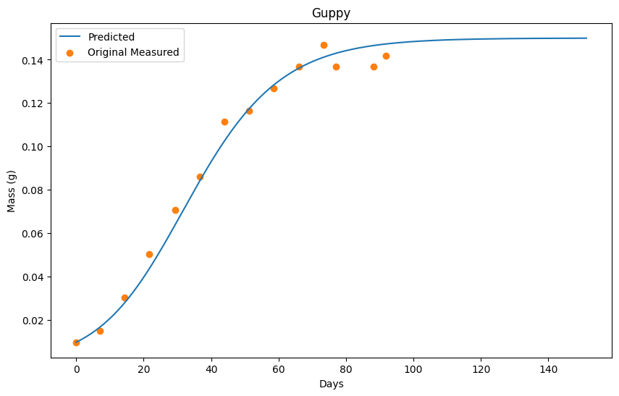
Days | Mass (g) | Pred
0 | 0.0097777777778 | 0.0097777777778
7.0731707317 | 0.015111111111 | 0.016883971766
14.390243902 | 0.030222222222 | 0.028093742565
21.707317073 | 0.050444444444 | 0.043807439131
29.268292683 | 0.070666666667 | 0.063724799746
36.585365854 | 0.086 | 0.084042509319
43.902439024 | 0.11155555556 | 0.10245856135
51.341463415 | 0.11644444444 | 0.11757173448
58.658536585 | 0.12666666667 | 0.12848124356
66.097560976 | 0.13666666667 | 0.13618796098
73.414634146 | 0.14688888889 | 0.14119232294
77.073170732 | 0.13666666667 | 0.14299389325
88.170731707 | 0.13666666667 | 0.14659703386
91.829268293 | 0.14177777778 | 0.14729764454

Cow
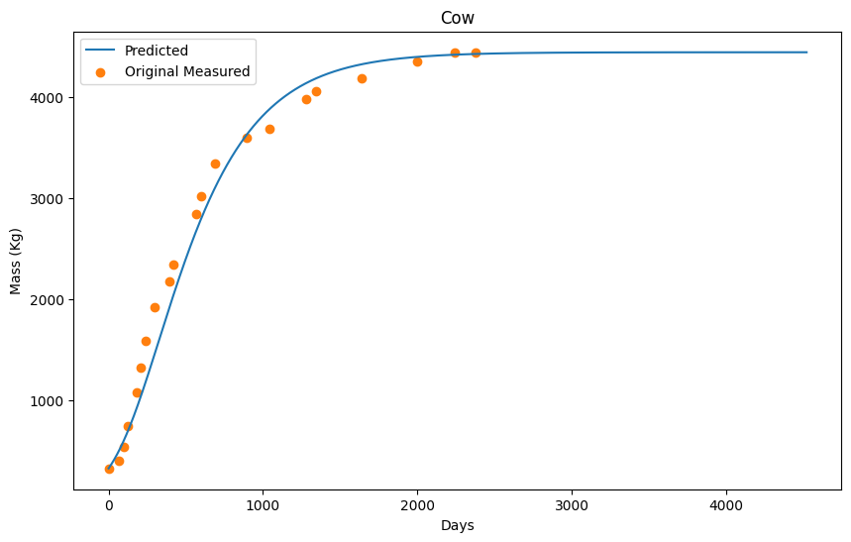
Days | Mass (Kg) | Pred
0 | 330 | 330
63.636363636 | 410 | 494.60400496
95.454545455 | 540 | 595.30645514
122.72727273 | 750 | 691.1087861
181.81818182 | 1080 | 925.41448697
209.09090909 | 1330 | 1043.9173703
240.90909091 | 1590 | 1188.4208862
300 | 1920 | 1468.427699
390.90909091 | 2180 | 1905.6383367
418.18181818 | 2340 | 2033.7414536
568.18181818 | 2840 | 2678.1571328
600 | 3020 | 2798.3600574
686.36363636 | 3340 | 3093.2672328
895.45454545 | 3600 | 3627.780238
1040.9090909 | 3680 | 3876.6862941
1281.8181818 | 3980 | 4136.9926276
1340.9090909 | 4060 | 4180.2936811
1636.3636364 | 4180 | 4320.39709
1995.4545455 | 4350 | 4393.6988735
2240.9090909 | 4440 | 4415.8994136
2377.2727273 | 4440 | 4423.1995912

