Dashboard
A study of how various aspects can affect 6000 students' performance and how can we help them achieve their best. | Our Students .. Our future!

Performance compared to previous score
 | Total
Down | 4332
Improved | 2140
Stable | 135
Effect of access to resources
 | Average of Average score | Average of Hours_Studied
High | 71.572438163 | 19.995949367
Low | 70.401719902 | 20.121096725
Medium | 70.868775934 | 19.905393191

 | Average of Hours_Studied | Average of Sleep_Hours
A | 21.67 | 6.22
A+ | 22.00 | 6.64
B | 21.14 | 6.96
B+ | 22.64 | 7.10
C | 23.01 | 7.01
C+ | 21.62 | 7.03
D | 19.06 | 7.04
How each group performs in the exam score
 | Total
Active | 69.655266758
Lazy | 65.146012931
Normal | 67.339312861
Average score VS study hours
 | Average score
23 | 70
19 | 60
24 | 82.5
29 | 84.5
19 | 67.5
19 | 80
29 | 67.5
25 | 58
17 | 74.5
23 | 71.5
17 | 78
17 | 79
21 | 83.5
9 | 69
10 | 69.5
17 | 67
14 | 62.5
22 | 73.5
15 | 79
12 | 62
29 | 84
19 | 78
20 | 77.5
11 | 83
17 | 69
21 | 59
13 | 77.5
22 | 82.5
16 | 62
18 | 57.5
16 | 60
31 | 67.5
20 | 81.5
25 | 79
13 | 77
21 | 77.5
8 | 60.5
12 | 73.5
21 | 81
24 | 61.5
21 | 58.5
19 | 79
18 | 76
11 | 75
16 | 81.5
17 | 78
26 | 67
22 | 70
9 | 60
22 | 64.5
...

 | Tutoring_Sessions
23 | 0
19 | 2
24 | 2
29 | 1
19 | 3
19 | 3
29 | 1
25 | 1
17 | 0
23 | 0
17 | 4
17 | 2
21 | 2
9 | 2
10 | 1
17 | 2
14 | 0
22 | 1
15 | 3
12 | 3
29 | 0
19 | 1
20 | 1
11 | 1
17 | 2
21 | 0
13 | 1
22 | 0
16 | 1
18 | 2
16 | 0
31 | 1
20 | 2
25 | 2
13 | 1
21 | 2
8 | 2
12 | 1
21 | 1
24 | 3
21 | 1
19 | 1
18 | 3
11 | 1
16 | 2
17 | 1
26 | 2
22 | 3
9 | 2
22 | 1
...

School
 | Average of Attendance | Average of Hours_Studied
Private | 80.303135889 | 19.972623196
Public | 79.835145716 | 19.976511527

Progress
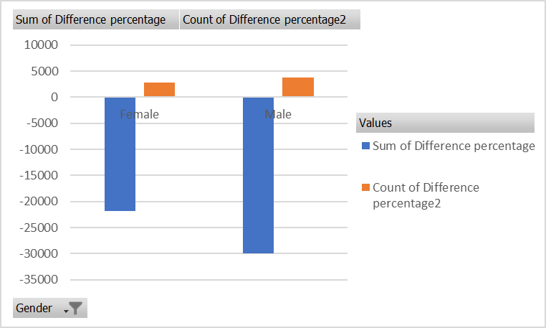
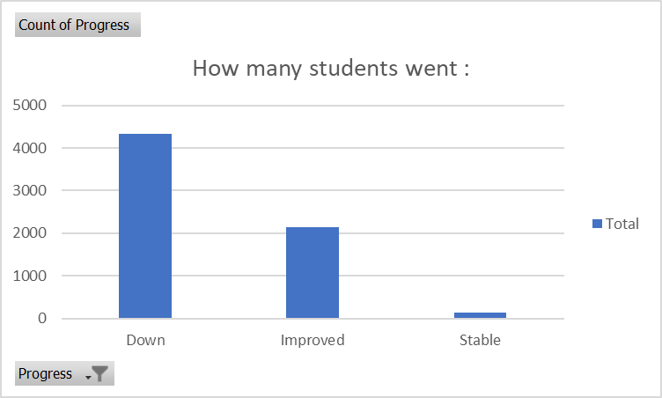

Row Labels
Down
Improved
Stable
Grand Total

Study hours
 | Attendance
23 | 84
19 | 64
24 | 98
29 | 89
19 | 92
19 | 88
29 | 84
25 | 78
17 | 94
23 | 98
17 | 80
17 | 97
21 | 83
9 | 82
10 | 78
17 | 68
14 | 60
22 | 70
15 | 80
12 | 75
29 | 78
19 | 99
20 | 74
11 | 78
17 | 65
21 | 62
13 | 91
22 | 83
16 | 90
18 | 66
16 | 83
31 | 70
20 | 69
25 | 65
13 | 72
21 | 65
8 | 99
12 | 72
21 | 65
24 | 68
21 | 84
19 | 63
18 | 94
11 | 98
16 | 70
17 | 78
26 | 61
22 | 86
9 | 77
22 | 71
...
How each group performs in the exam score
 | Total
Active | 69.655266758
Lazy | 65.146012931
Normal | 67.339312861
 | Tutoring_Sessions
23 | 0
19 | 2
24 | 2
29 | 1
19 | 3
19 | 3
29 | 1
25 | 1
17 | 0
23 | 0
17 | 4
17 | 2
21 | 2
9 | 2
10 | 1
17 | 2
14 | 0
22 | 1
15 | 3
12 | 3
29 | 0
19 | 1
20 | 1
11 | 1
17 | 2
21 | 0
13 | 1
22 | 0
16 | 1
18 | 2
16 | 0
31 | 1
20 | 2
25 | 2
13 | 1
21 | 2
8 | 2
12 | 1
21 | 1
24 | 3
21 | 1
19 | 1
18 | 3
11 | 1
16 | 2
17 | 1
26 | 2
22 | 3
9 | 2
22 | 1
...

Exam_Score VS study hours
 | Exam_Score
23 | 67
19 | 61
24 | 74
29 | 71
19 | 70
19 | 71
29 | 67
25 | 66
17 | 69
23 | 72
17 | 68
17 | 71
21 | 70
9 | 66
10 | 65
17 | 64
14 | 60
22 | 65
15 | 67
12 | 66
29 | 69
19 | 72
20 | 66
11 | 66
17 | 63
21 | 64
13 | 65
22 | 71
16 | 66
18 | 64
16 | 63
31 | 69
20 | 67
25 | 68
13 | 61
21 | 64
8 | 67
12 | 63
21 | 64
24 | 67
21 | 65
19 | 64
18 | 70
11 | 68
16 | 65
17 | 68
26 | 64
22 | 68
9 | 63
22 | 64
...

Class
Attendance rate per class
 | Total
Active | 79.844733242
Lazy | 79.952586207
Normal | 80.050471268

Row Labels | Average of Hours_Studied | Average of Sleep_Hours
A | 21.67 | 6.22
A+ | 22.00 | 6.64
B | 21.14 | 6.96
B+ | 22.64 | 7.10
C | 23.01 | 7.01
C+ | 21.62 | 7.03
D | 19.06 | 7.04
Grand Total | 19.98 | 7.03

How parental involvment affects hours of study?
 | High | Low | Medium
Active | 28.173913043 | 27.830508475 | 28.022576361
Lazy | 12.668468468 | 12.864788732 | 12.805496829
Normal | 20.434504792 | 20.586608443 | 20.420324714

