PRD
Product Requirement Document (PRD) - Version: 1.0
Phase | Item No | Specification [Role] | Screen Definition | User Story | Acceptance Criteria | UI Screen / Wireframe | Tags
Feature: 1 |  | Dashboard
phase 1 | 1 | Menu [Admin] | Dashboard Add Users Advertisement Payment Earnings | - Dashboard(link) - Add Users(link) - Advertisement(link) - Payment(link) - Earnings(link) | - clicking dashboard will take user to dashboard page - go to Add Users page on click - go to Advertisement page on Click - go to Payment page on click - go to Earnings page on click |  | Menu
phase 1 | 2 | Dashboard[Admin] | <Form> <input=Car Model> <input=Date> <button=Check> <View> <Text>Car Owners</Text> <Text>Passengers</Text> <Text>Rented Cars</Text> <Text>Available Cars</Text> </View> | - Enter Car Model - Enter Date | - Type Car Model - car model input should be string: Otherwise show invalid input. - Input date - select date: Otherwise show date must be selected. | 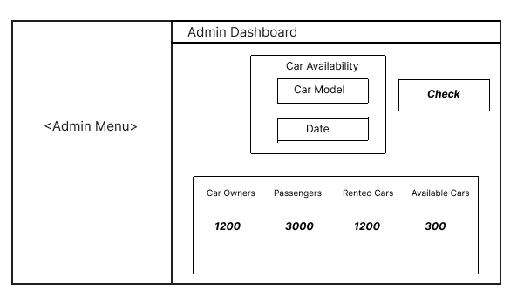 | Dashboard

