Sheet1
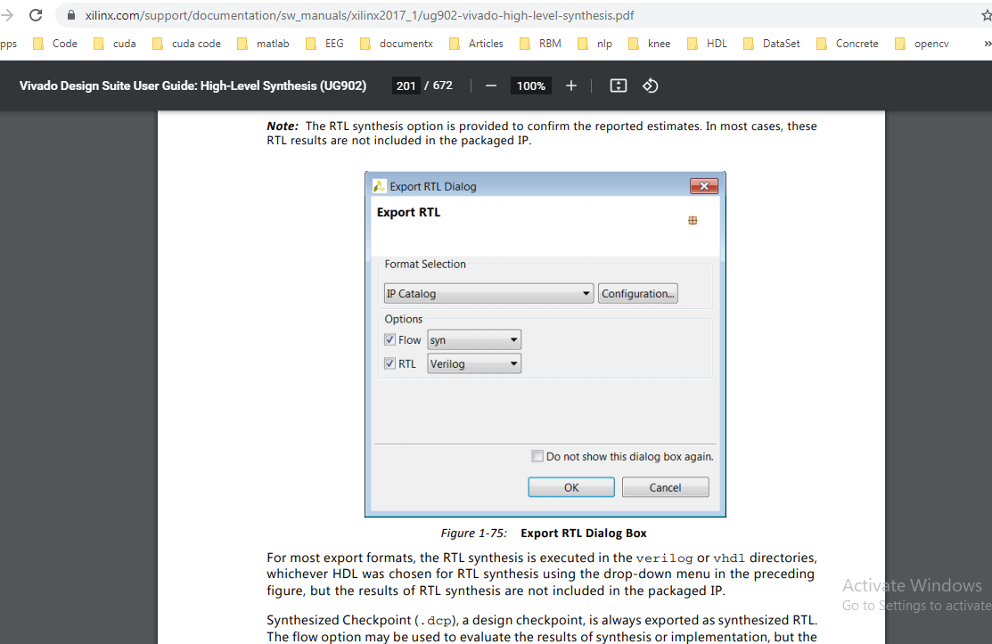
Conditions | Look up | RALUT | Cordic | Piecewise | Power2
8 bits |  |  |  |  |  | Conclusion
(-5,0.08,5)
FPGA
Xilinx Vivado
Memory bits | 48 | 30 | 134,568 | 4,662 | 4,662 | Cordic has less error
Delay | 8.5 | 0.03 | 800 | 40 | 40
Error | 0.0078125 | 0.0078125 | 3.9E-16 | 0.019953 | 0.0007440684
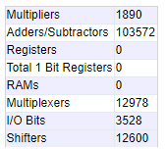
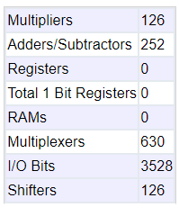
 |  |  |  |  |  | RALUT has less delay and memory usage

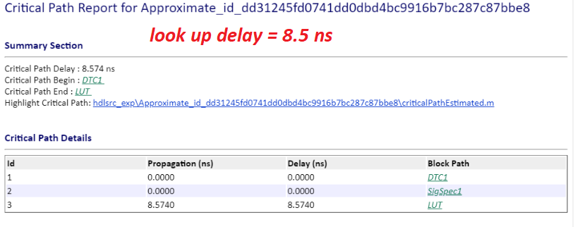


https://www.xilinx.com/support/documentation/sw_manuals/xilinx2017_1/ug902-vivado-high-level-synthesis.pdf

