S01_Main
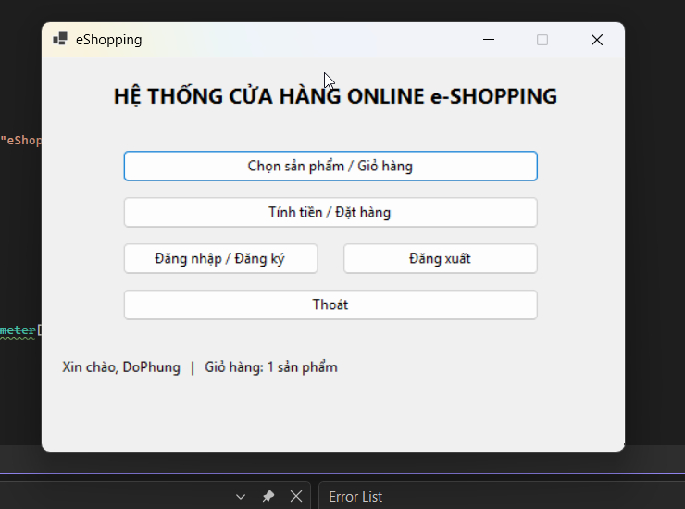
S01 - MAN HINH CHINH (FrmMain)
Hinh 8 (chua DN) + Hinh 10 (da DN). Cua ngo UC01-UC07.

Thuoc tinh | Noi dung
Ten form | FrmMain - HE THONG CUA HANG ONLINE e-SHOPPING
Actor | Khach hang
UC lien quan | Tat ca (dieu huong sang S02/S03/S04)
Trang thai | Status: 'Chua dang nhap | Gio: 0 SP' <-> 'Xin chao, <ten> | Gio: n SP'; btnDangXuat disabled/enabled theo phien (BR03).

BANG CONTROLS
STT | Ten control | Loai | Bat buoc | Mo ta / Rang buoc | Xu ly
1 | btnChonSP | Button | -- | Mo S03. | Sang S03.
2 | btnTinhTien | Button | -- | Neu chua DN -> S02; gio rong -> canh bao; nguoc lai S04. | Dieu huong co DK (BR03).
3 | btnDangNhap | Button | -- | Mo S02. | Sang S02.
4 | btnDangXuat | Button | -- | Disabled khi chua DN (Hinh 8); enabled khi da DN (Hinh 10). | Xoa phien, ve chua DN.
5 | btnThoat | Button | -- | Dong ung dung. | Thoat.
6 | statusBar | Label | -- | Hien phien + so SP trong gio (bo nho). | Chi hien thi.
Ghi chu: Nut Dang xuat khoa/mo theo phien la diem kiem tra BR03 ro nhat tren UI.

HINH CHUP PROTOTYPE (crop tu Word)
Hinh 8 - Chua dang nhap (Dang xuat disabled)
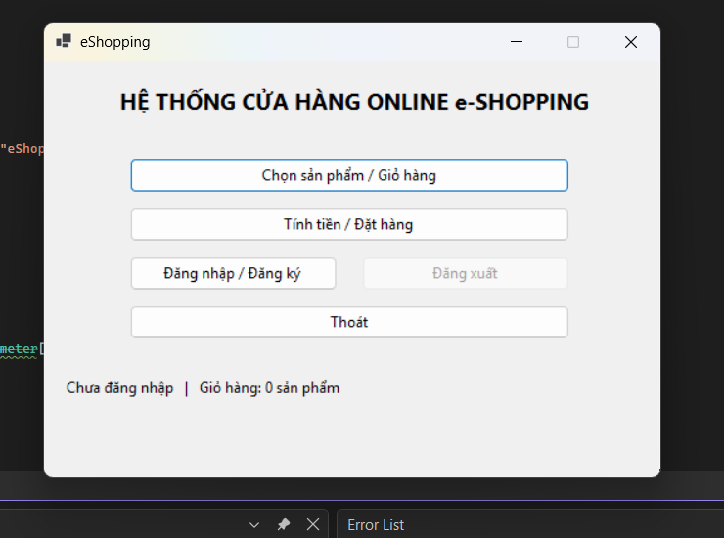
Hinh 10 - Da dang nhap (Xin chao, DoPhung)

S02_Login
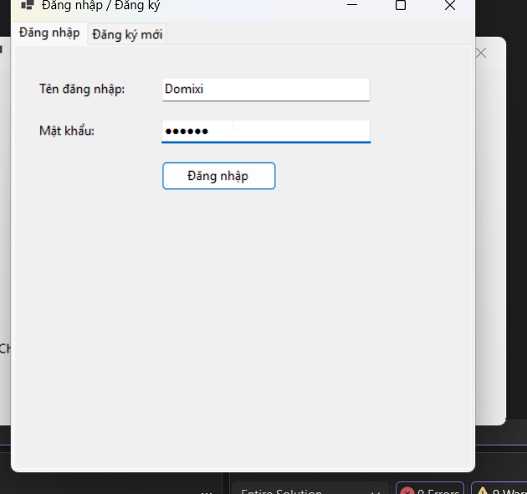
S02 - DANG NHAP / DANG KY (FrmDangNhap)
Hinh 9. UC05/UC06. Tab Dang ky suy tu Customer.cs + Word (khong co anh tab nay).

Thuoc tinh | Noi dung
Ten form | FrmDangNhap - 2 tab: Dang nhap | Dang ky moi
Actor | Khach hang
UC lien quan | UC05 Dang nhap (<<include>> trong UC07); UC06 Dang ky (<<extend>> UC05).
Xu ly chung | Bam MK (VARBINARY(64)); trung TenDN/SoGiayTo thi tu choi; hop le -> tao phien, cap nhat S01.

BANG CONTROLS
STT | Ten control | Loai | Bat buoc | Mo ta / Rang buoc | Xu ly
1 | txtTenDangNhap | Textbox | Co | VD Hinh 9: Domixi. Trong -> bao thieu. | Nhap.
2 | txtMatKhau | Password (*) | Co | Che *; sai -> bao loi. | Nhap + bam.
3 | btnDangNhap | Button | -- | Goi KhachHangService.DangNhap. | Xac thuc, tao phien.
4 | txtHoTen | Textbox (tab Dang ky) | Co | Ho ten khach. | Nhap.
5 | dtNgaySinh | DatePicker (tab Dang ky) | Co | Ngay sinh. | Chon.
6 | txtSoGiayTo | Textbox (tab Dang ky) | Co (UQ) | CMND/CCCD, duy nhat. | Trung -> tu choi.
7 | txtDiaChi_DienThoai | Textbox (tab Dang ky) | Co | DT chi so. | Sai -> tu choi.
8 | txtTenDN_MK | Textbox (tab Dang ky) | Co (TenDN UQ) | Ten DN duy nhat. | Trung -> tu choi.
9 | txtEmail | Textbox (tab Dang ky) | Khong | De trong duoc (BR10); neu co phai dung format. | Sai format -> tu choi.
10 | btnDangKy / btnHuy | Button | -- | Luu KhachHang (MK bam) -> tu DN / Huy ve trang thai cu. | Luu + tao phien.
Ghi chu: MK chi luu dang bam; Email trong van dang ky duoc nhung se bo qua gui mail o UC07.

HINH CHUP PROTOTYPE (crop tu Word)
Hinh 9 - Tab Dang nhap (Domixi)

S03_Shop
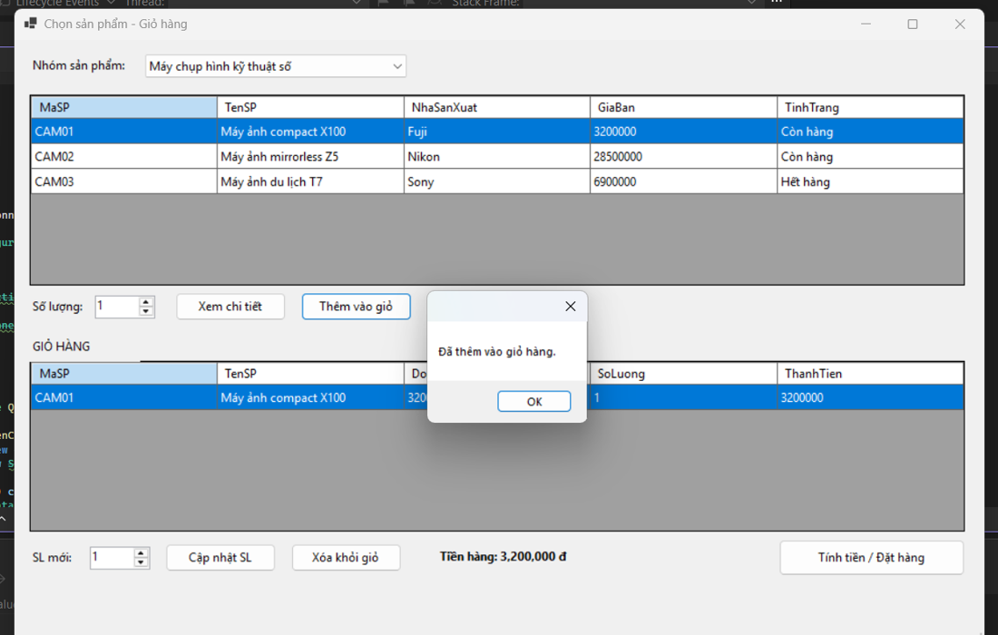
S03 - CHON SAN PHAM / GIO HANG (FrmCuaHang)
Hinh 11 (gio trong) + Hinh 12 (CAM01 + popup). UC01-UC04.

Thuoc tinh | Noi dung
Ten form | FrmCuaHang - tren: luoi SP; duoi: GIO HANG
Actor | Khach hang (+ HT QLSP qua IProductSystem).
UC lien quan | UC01 Xem DS; UC02 Them; UC03 Chi tiet; UC04 Cap nhat gio.
Du lieu luoi SP | MaSP, TenSP, NhaSanXuat, GiaBan, TinhTrang. VD CAM01 Fuji 3.200.000 Con hang; CAM03 Het hang -> chan them.

BANG CONTROLS
STT | Ten control | Loai | Bat buoc | Mo ta / Rang buoc | Xu ly
1 | cboNhomSP | Combobox | Co | VD: May chup hinh KTS. | Goi LaySanPham, load luoi.
2 | grdSanPham | DataGrid (5 cot) | -- | Chon 1 dong. | Giu dong chon.
3 | numSoLuong | NumericUpDown | Co | Mac dinh 1; >0. | Nhap SL.
4 | btnXemChiTiet | Button | -- | Mo FrmChiTiet. | LayChiTiet(maSP).
5 | btnThemVaoGio | Button | -- | Chan neu Het hang/SL<=0; OK -> popup 'Da them' (Hinh 12). | Them/cong don, tinh lai.
6 | grdGioHang | DataGrid (MaSP/TenSP/DonGia/SoLuong/ThanhTien) | -- | Bo nho theo phien. | Hien thi.
7 | numSLMoi | NumericUpDown | Co (khi sua) | SL moi >0. | Nhap.
8 | btnCapNhatSL | Button | -- | SL<=0 -> tu choi (TC03). | Cap nhat + tinh lai.
9 | btnXoaKhoiGio | Button | -- | Xoa dong chon; xoa dong cuoi -> gio Rong. | Xoa.
10 | lblTienHang | Label | -- | SUM(DonGia x SL). VD 3.200.000 / 0. | Tinh tu dong.
11 | btnTinhTien | Button | -- | Chua DN -> S02; gio rong -> canh bao; nguoc lai S04. | Sang UC07.
Ghi chu: CAM03 'Het hang' la case TC02; popup 'Da them vao gio hang' la bang chung TC01 (Dat - Hinh 12).

HINH CHUP PROTOTYPE (crop tu Word)
Hinh 11 - Gio trong (Tien hang 0)
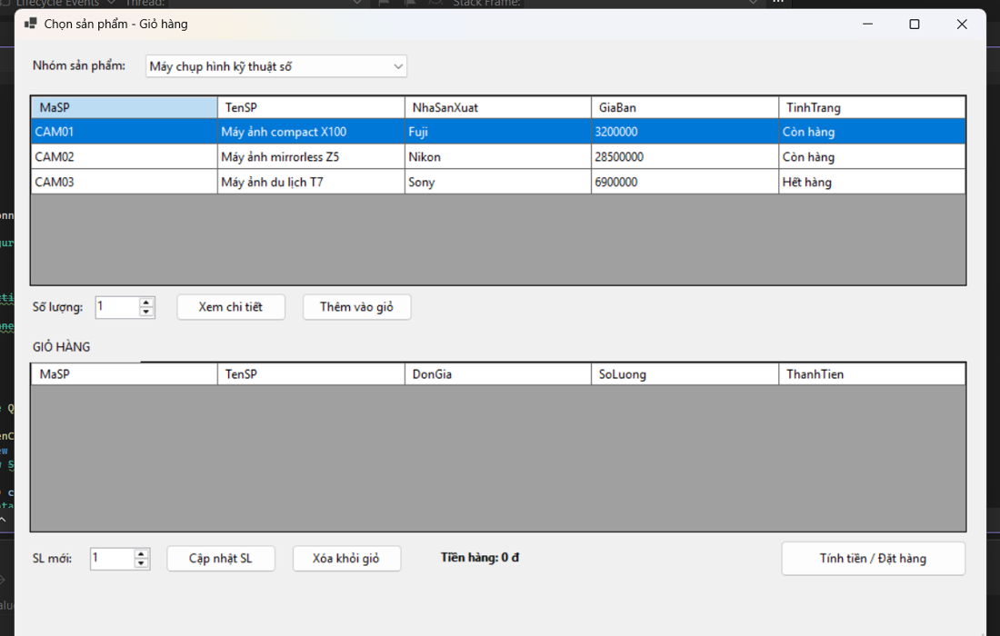
Hinh 12 - Da them CAM01 + popup (3.200.000)

S04_Order
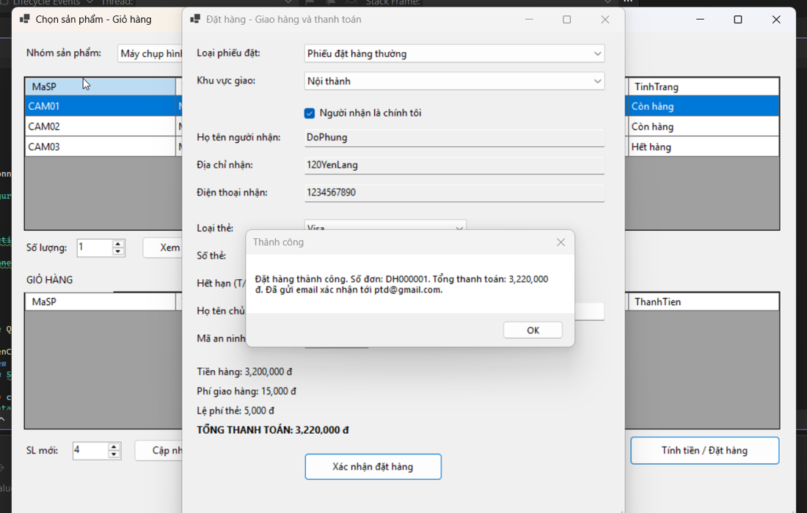
S04 - DAT HANG / THANH TOAN (FrmDatHang)
Hinh 13 + Hinh 14. UC07. Tong = Hang + Giao + The, tinh lai ngay khi doi combo.

Thuoc tinh | Noi dung
Ten form | FrmDatHang - Giao hang va thanh toan
Actor | Khach hang.
UC lien quan | UC07 (<<include>> UC05; goi IPaymentGateway + IEmailService).
Tong ket | lblTienHang / lblPhiGiao / lblPhiThe / lblTONG.
Vi du | H13: thuong + Ngoai thanh + AmEx = 3.200.000+25.000+9.000=3.234.000. H14: thuong + Noi thanh + Visa = 3.200.000+15.000+5.000=3.220.000, don DH000001.

BANG CONTROLS
STT | Ten control | Loai | Bat buoc | Mo ta / Rang buoc | Xu ly
1 | cboLoaiPhieu | Combobox | Co | 3 loai (BR04). | Doi -> tinh lai + xet mien phi BR05.
2 | cboKhuVuc | Combobox | Co | Noi/Ngoai thanh. | Doi -> tinh lai (BR06).
3 | chkChinhToi | Checkbox | -- | Tick -> dien san tu TK + khoa o (BR07). | Dien san + khoa.
4 | txtNguoiNhan | Textbox | Co | Ho ten nguoi nhan. | Nhap / tu dien.
5 | txtDiaChiNhan | Textbox | Co | Dia chi giao. | Nhap / tu dien.
6 | txtDienThoaiNhan | Textbox | Co | So DT. | Nhap / tu dien.
7 | cboLoaiThe | Combobox | Co | Visa/Master/Discover/AmEx. | Doi -> tinh lai le phi.
8 | txtSoThe | Textbox | Co | Visa 16/CSV 3; AmEx 15/4. | Sai -> bao loi (TC08).
9 | numThang_Nam | NumericUpDown | Co | Het han phai tuong lai. | Chon.
10 | txtChuThe | Textbox | Co | Ten in tren the. | Nhap.
11 | txtCSV | Textbox | Co | Do dai theo loai the. | Sai -> bao loi.
12 | lblTienHang | Label | -- | SUM hang. | Tu tinh.
13 | lblPhiGiao | Label | -- | Theo (khu vuc, phieu) / 0 neu mien phi. | Tu tinh.
14 | lblPhiThe | Label | -- | Theo LoaiThe (Visa 5.000, AmEx 9.000). | Tu tinh.
15 | lblTONG | Label (bold) | -- | Tong = Hang + Giao + The. | Tu tinh.
16 | btnXacNhan | Button | -- | Chay chuoi UC07: doi chieu -> the -> thanh toan -> transaction -> email. | Ghi don + popup so don + rong gio.
17 | popup ThanhCong/ThatBai | Dialog | -- | H14: 'Dat hang thanh cong. So don DH000001... Da gui email ptd@gmail.com'. | Xac nhan.
Ghi chu: Moi nhanh loi (het hang/doi gia/the sai/tu choi) deu KHONG tao don; chi nhanh thanh cong moi ghi don + gui mail (sau commit) + rong gio.

HINH CHUP PROTOTYPE (crop tu Word)
Hinh 13 - Nhap lieu (3.234.000)
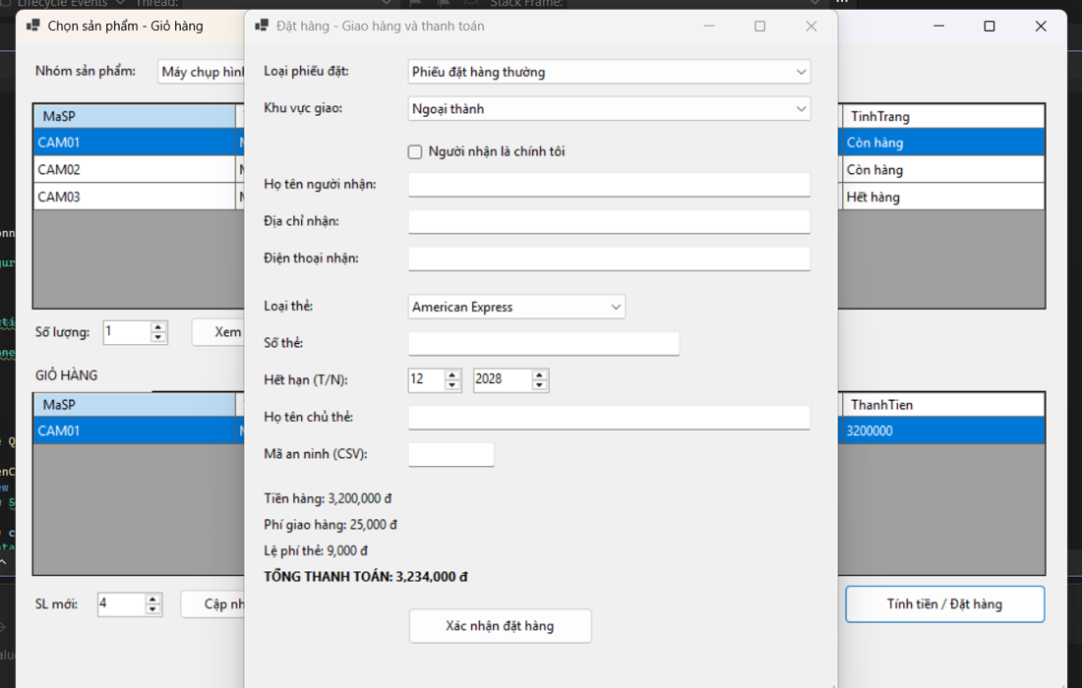
Hinh 14 - Thanh cong (3.220.000, DH000001)

