TotalSales
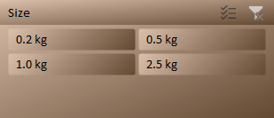

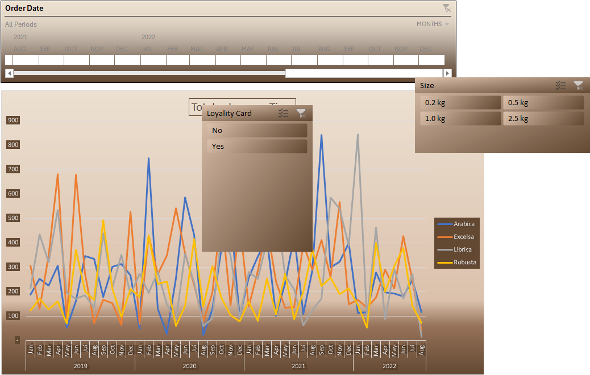
Sum of Sales |  | Coffe Type Name
Years (Order Date) | Months (Order Date) | Arabica | Excelsa | Librica | Robusta
2019
 | Jan | 41 | 33 |  | 101
 | Feb | 50 | 96 | 68
 | Mar | 165 | 105 | 186 | 18
 | Apr | 196 |  | 240 | 18
 | May |  |  | 48 | 36
 | Jun | 155 | 326 | 44 | 30
 | Jul |  | 50 |  | 69
 | Aug | 78 | 41 | 87 | 78
 | Sep |  | 77 | 201 | 314
 | Oct | 176 |  |  | 49
 | Nov | 84 | 63 | 89 | 60
 | Dec | 259 | 8 | 52
2020
 | Jan | 47 | 33 | 51 | 18
 | Feb | 291 | 81 | 26 | 18
 | Mar | 54 |  | 61 | 221
 | Apr | 27 | 270 | 77 | 144
 | May | 118 | 221 | 60 | 18
 | Jun | 267 | 146 |  | 23
 | Jul | 52 | 183 | 105
 | Aug | 23 | 28 |  | 18
 | Sep | 7 | 69 | 17 | 88
 | Oct | 258 | 162 | 58
 | Nov | 259 |  | 39 | 50
 | Dec | 37 | 73 |  | 64
2021
 | Jan | 217 | 32 | 44 | 151
 | Feb | 103 | 41 | 119
 | Mar | 14 | 279 | 169 | 96
 | Apr | 45 | 146 | 87
 | May | 194 | 58 |  | 6
 | Jun | 103 | 81 | 22 | 6
 | Jul | 63 | 225 | 9
 | Aug | 182 | 121 | 58 | 114
 | Sep | 243 | 83 | 74 | 40
 | Oct | 83 | 136 | 154 | 130
 | Nov | 79 | 241 | 244 | 148
 | Dec | 41 | 21 | 163
2022
 | Jan | 86 |  | 345 | 46
 | Feb |  | 54 | 26 | 18
 | Mar | 52 | 25 | 182 | 6
 | Apr | 133 | 25 |  | 60
 | May | 71 | 126 | 163 | 30
 | Jun | 68 | 126 | 9 | 212
 | Jul | 72 | 158 | 13 | 127
 | Aug |  | 41 |  | 15

CountrySales
Row Labels | Sum of Sales
Ireland | 1,428
United Kingdom | 993
United States | 12,179
Sales By Country

Dashboard
COFFEE SALES DASHBOARD

Total sales over Time
 | Arabica | Excelsa | Librica | Robusta
Jan | 41 | 33 |  | 101
Feb | 50 | 96 | 68
Mar | 165 | 105 | 186 | 18
Apr | 196 |  | 240 | 18
May |  |  | 48 | 36
Jun | 155 | 326 | 44 | 30
Jul |  | 50 |  | 69
Aug | 78 | 41 | 87 | 78
Sep |  | 77 | 201 | 314
Oct | 176 |  |  | 49
Nov | 84 | 63 | 89 | 60
Dec | 259 | 8 | 52
Jan | 47 | 33 | 51 | 18
Feb | 291 | 81 | 26 | 18
Mar | 54 |  | 61 | 221
Apr | 27 | 270 | 77 | 144
May | 118 | 221 | 60 | 18
Jun | 267 | 146 |  | 23
Jul | 52 | 183 | 105
Aug | 23 | 28 |  | 18
Sep | 7 | 69 | 17 | 88
Oct | 258 | 162 | 58
Nov | 259 |  | 39 | 50
Dec | 37 | 73 |  | 64
Jan | 217 | 32 | 44 | 151
Feb | 103 | 41 | 119
Mar | 14 | 279 | 169 | 96
Apr | 45 | 146 | 87
May | 194 | 58 |  | 6
Jun | 103 | 81 | 22 | 6
Jul | 63 | 225 | 9
Aug | 182 | 121 | 58 | 114
Sep | 243 | 83 | 74 | 40
Oct | 83 | 136 | 154 | 130
Nov | 79 | 241 | 244 | 148
Dec | 41 | 21 | 163
Jan | 86 |  | 345 | 46
Feb |  | 54 | 26 | 18
Mar | 52 | 25 | 182 | 6
Apr | 133 | 25 |  | 60
May | 71 | 126 | 163 | 30
Jun | 68 | 126 | 9 | 212
Jul | 72 | 158 | 13 | 127
Aug |  | 41 |  | 15
Sales By Country
 | Total
Ireland | 1,428
United Kingdom | 993
United States | 12,179

Top 5 Customers
 | Total
Claudetta Rushe | 190
Derick Snow | 251
Hall Ranner | 158
Hatty Dovydenas | 190
Lemuel Rignold | 201

top5Customer
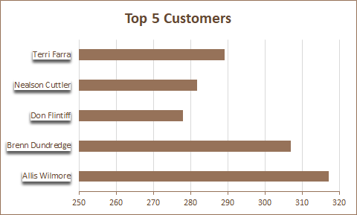
Row Labels | Sum of Sales
Claudetta Rushe | 190
Derick Snow | 251
Hall Ranner | 158
Hatty Dovydenas | 190
Lemuel Rignold | 201

