Tabelle1
Wing 5 Shape Coordinates [mm]
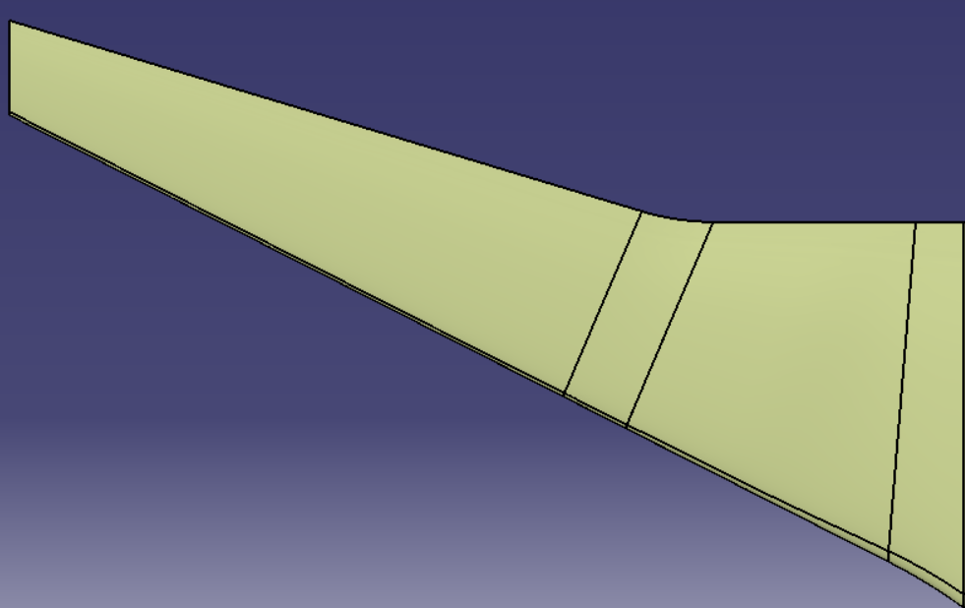
Leading Edge | X | Y | Z |  |  | 9276,94

Center Leading Edge | 0 | 0 | 0

 | 53,84 | 75,0 | 0

 | 728,36 | 1195,83 | 0

Outer Leading Edge | 7776,94 | 15150,0 | 0

 |  |  |  |  |  | x
Trailing Edge | X | Y | Z

Center Trailing Edge | 6112,24 | 0 | 0 |  |  | 0,0

 | 6112,24 | 3968,13 | 0 | 15150 | y

 | 6157,62 | 4568,34 | 0

 | 6277,91 | 5102,58 | 0

Outer Trailing Edge | 9276,94 | 15150,0 | 0

