dot_plot
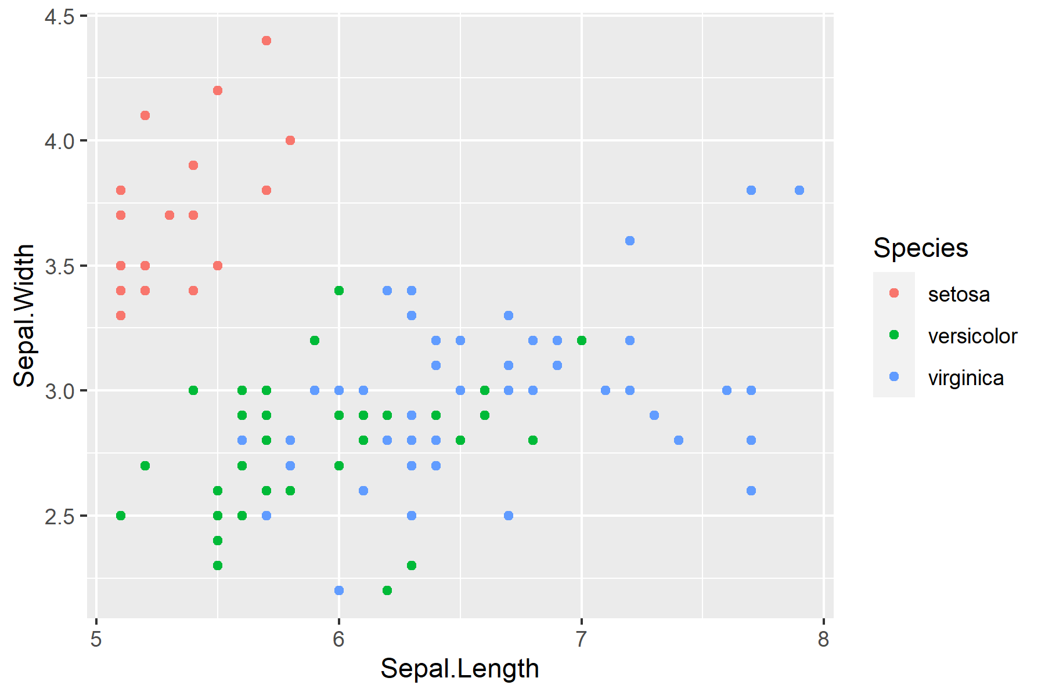
Species | Sepal.Length | Sepal.Width
setosa | 5.1 | 3.5
setosa | 5.4 | 3.9
setosa | 5.4 | 3.7
setosa | 5.8 | 4
setosa | 5.7 | 4.4
setosa | 5.4 | 3.9
setosa | 5.1 | 3.5
setosa | 5.7 | 3.8
setosa | 5.1 | 3.8
setosa | 5.4 | 3.4
setosa | 5.1 | 3.7
setosa | 5.1 | 3.3
setosa | 5.2 | 3.5
setosa | 5.2 | 3.4
setosa | 5.4 | 3.4
setosa | 5.2 | 4.1
setosa | 5.5 | 4.2
setosa | 5.5 | 3.5
setosa | 5.1 | 3.4
setosa | 5.1 | 3.8
setosa | 5.1 | 3.8
setosa | 5.3 | 3.7
versicolor | 7 | 3.2
versicolor | 6.4 | 3.2
versicolor | 6.9 | 3.1
versicolor | 5.5 | 2.3
versicolor | 6.5 | 2.8
versicolor | 5.7 | 2.8
versicolor | 6.3 | 3.3
versicolor | 6.6 | 2.9
versicolor | 5.2 | 2.7
versicolor | 5.9 | 3
versicolor | 6 | 2.2
versicolor | 6.1 | 2.9
versicolor | 5.6 | 2.9
versicolor | 6.7 | 3.1
versicolor | 5.6 | 3
versicolor | 5.8 | 2.7
versicolor | 6.2 | 2.2
versicolor | 5.6 | 2.5
versicolor | 5.9 | 3.2
versicolor | 6.1 | 2.8
versicolor | 6.3 | 2.5
versicolor | 6.1 | 2.8
versicolor | 6.4 | 2.9
versicolor | 6.6 | 3
versicolor | 6.8 | 2.8
versicolor | 6.7 | 3
versicolor | 6 | 2.9
versicolor | 5.7 | 2.6
versicolor | 5.5 | 2.4
versicolor | 5.5 | 2.4
versicolor | 5.8 | 2.7
versicolor | 6 | 2.7
versicolor | 5.4 | 3
versicolor | 6 | 3.4
versicolor | 6.7 | 3.1
versicolor | 6.3 | 2.3
versicolor | 5.6 | 3
versicolor | 5.5 | 2.5
versicolor | 5.5 | 2.6
versicolor | 6.1 | 3
versicolor | 5.8 | 2.6
versicolor | 5.6 | 2.7
versicolor | 5.7 | 3
versicolor | 5.7 | 2.9
versicolor | 6.2 | 2.9
versicolor | 5.1 | 2.5
versicolor | 5.7 | 2.8
virginica | 6.3 | 3.3
virginica | 5.8 | 2.7
virginica | 7.1 | 3
virginica | 6.3 | 2.9
virginica | 6.5 | 3
virginica | 7.6 | 3
virginica | 7.3 | 2.9
virginica | 6.7 | 2.5
virginica | 7.2 | 3.6
virginica | 6.5 | 3.2
virginica | 6.4 | 2.7
virginica | 6.8 | 3
virginica | 5.7 | 2.5
virginica | 5.8 | 2.8
virginica | 6.4 | 3.2
virginica | 6.5 | 3
virginica | 7.7 | 3.8
virginica | 7.7 | 2.6
virginica | 6 | 2.2
virginica | 6.9 | 3.2
virginica | 5.6 | 2.8
virginica | 7.7 | 2.8
virginica | 6.3 | 2.7
virginica | 6.7 | 3.3
virginica | 7.2 | 3.2
virginica | 6.2 | 2.8
virginica | 6.1 | 3
virginica | 6.4 | 2.8
virginica | 7.2 | 3
virginica | 7.4 | 2.8
virginica | 7.9 | 3.8
virginica | 6.4 | 2.8
virginica | 6.3 | 2.8
virginica | 6.1 | 2.6
virginica | 7.7 | 3
virginica | 6.3 | 3.4
virginica | 6.4 | 3.1
virginica | 6 | 3
virginica | 6.9 | 3.1
virginica | 6.7 | 3.1
virginica | 6.9 | 3.1
virginica | 5.8 | 2.7
virginica | 6.8 | 3.2
virginica | 6.7 | 3.3
virginica | 6.7 | 3
virginica | 6.3 | 2.5
virginica | 6.5 | 3
virginica | 6.2 | 3.4
virginica | 5.9 | 3

histogram
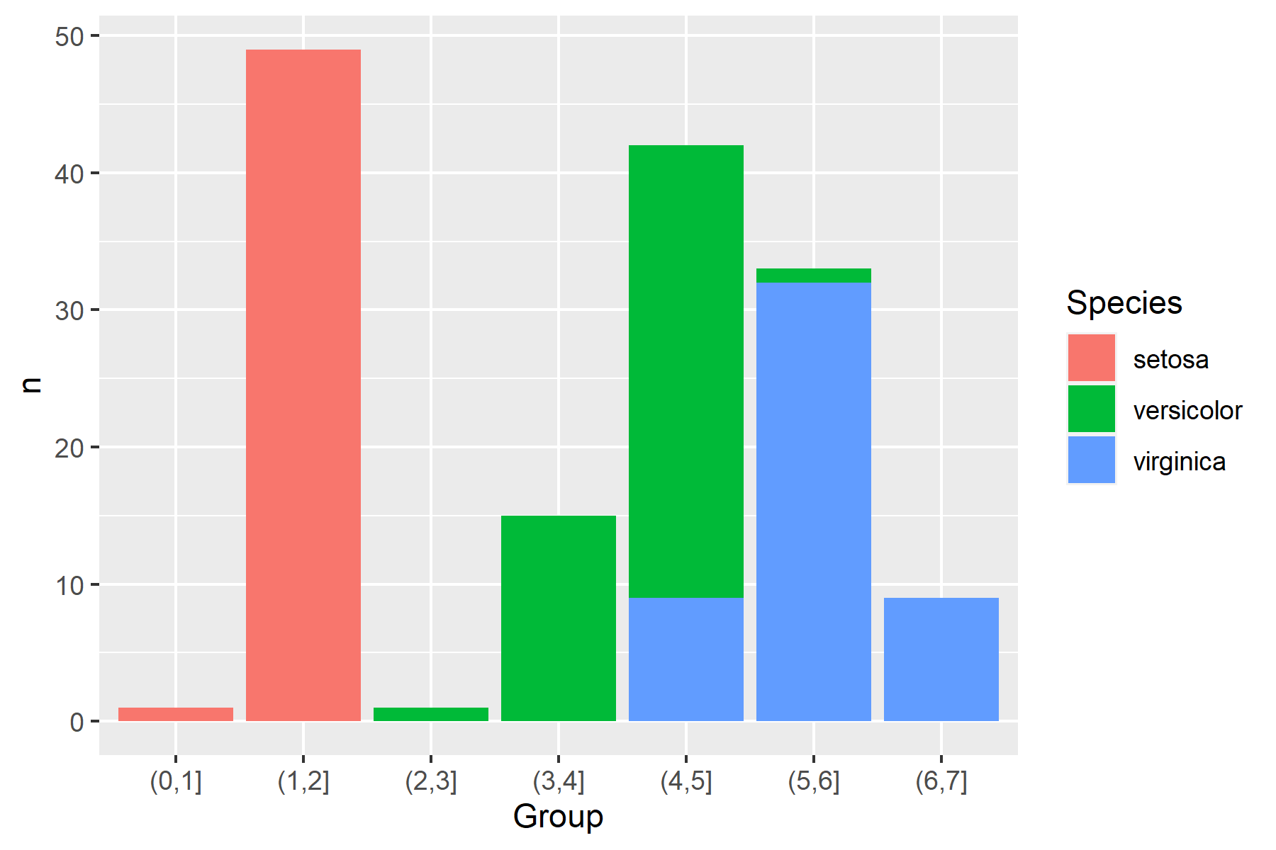
Group | setosa | versicolor | virginica
(0,1] | 1
(1,2] | 49
(2,3] |  | 1
(3,4] |  | 15
(4,5] |  | 33 | 9
(5,6] |  | 1 | 32
(6,7] |  |  | 9

