Load Testing
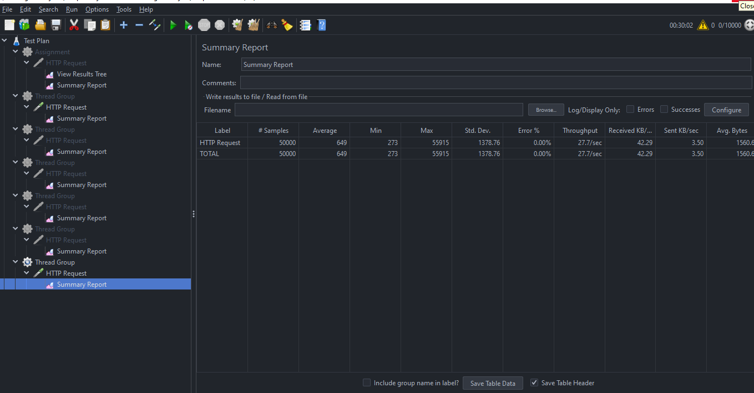
 |  |  | Load Testing |  | Expected TPS | 2.77

 | Time | Time(Sec) |  | User | Actual TPS |  | Status

 | 12 Hours | 43,200 |  | 120000

 | 1 hour | 3600 |  | 10000

 |  | 1 |  | 2.77

step 1 |  | 60 |  | 167 | 2.77 |  | Pass

step 2 |  | 300 |  | 832 | 2.77 |  | Pass

step 3 |  | 600 |  | 1666 | 2.77 |  | Pass

step 4 |  | 1200 |  | 3333 | 2.77 |  | Pass

step 5 |  | 1800 |  | 5000 with 5 iteration | 2.77 |  | Pass

Stress Testing
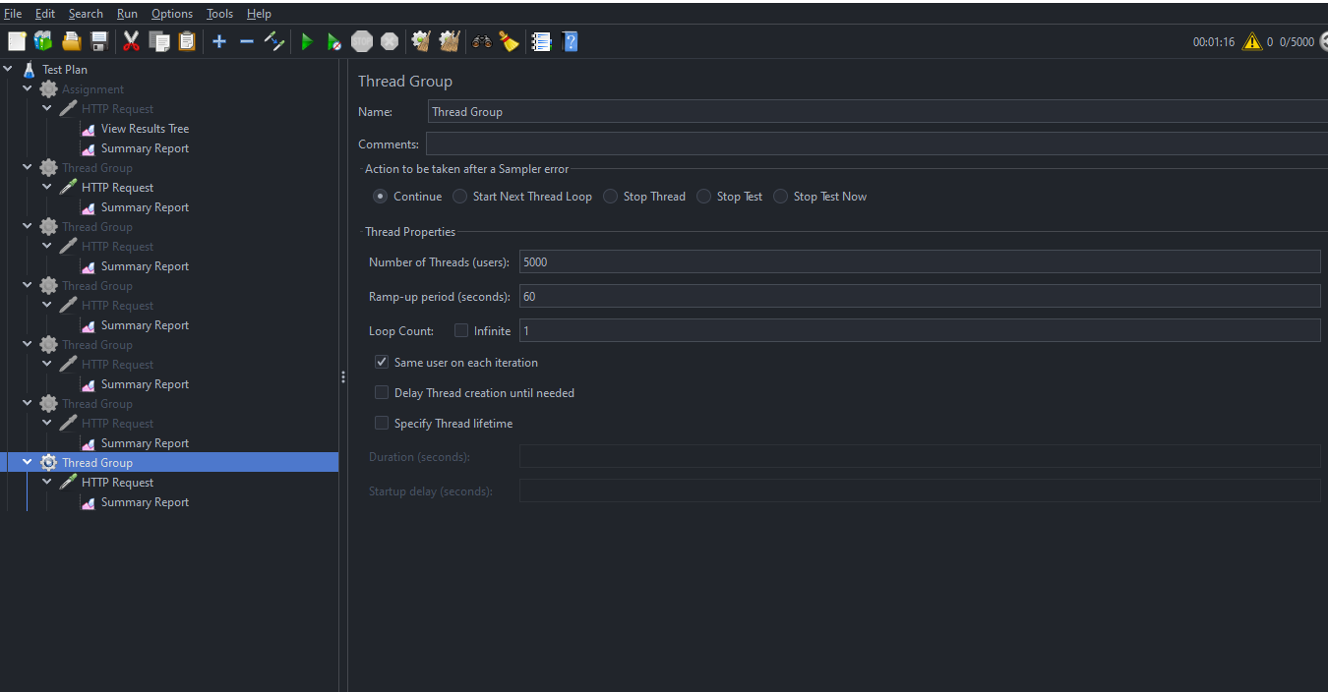
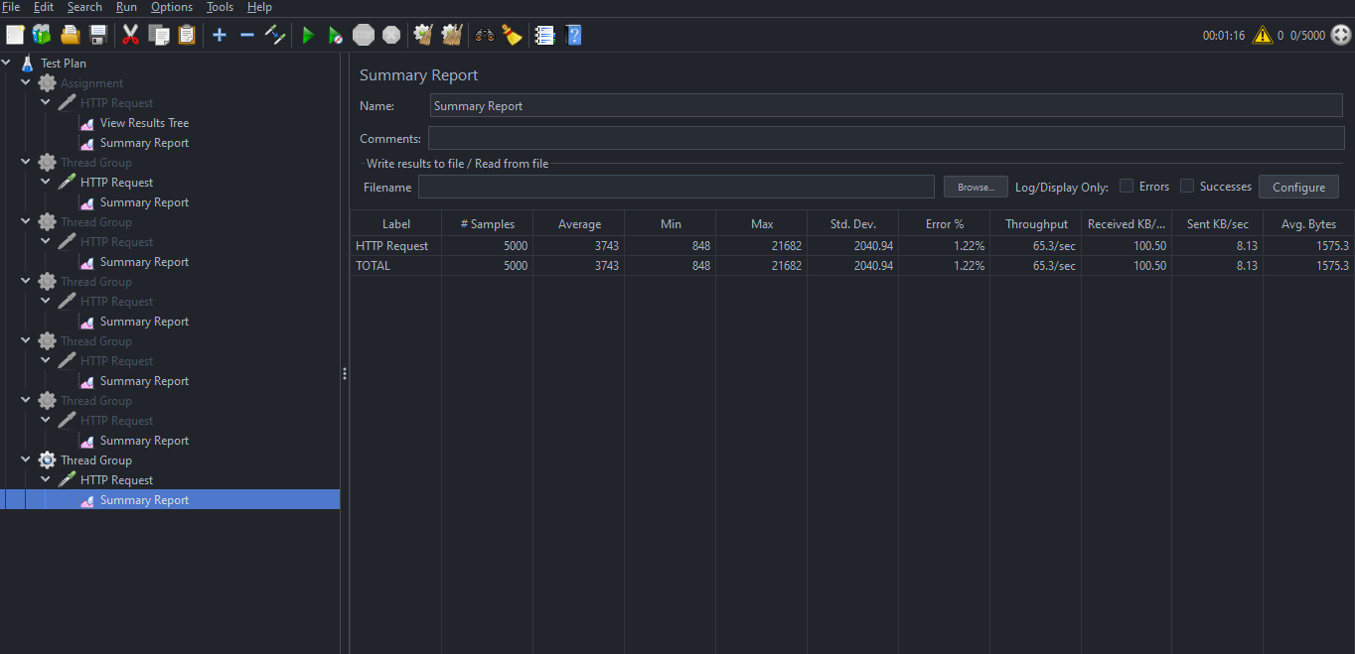
 |  | Stress Testing

 | Time | user | Expected TPS | Actual | Error

Step 1 | 60 | 167 | 2.77 | 2.77 | 0%

Step 2 | 60 | 3000 | 50 | 50 | 0%

Step 3 | 60 | 4500 | 75 | 72 | 0.04%

Step 4 | 60 | 5000 | 84 | 65 | 1.22%

