Dashboard
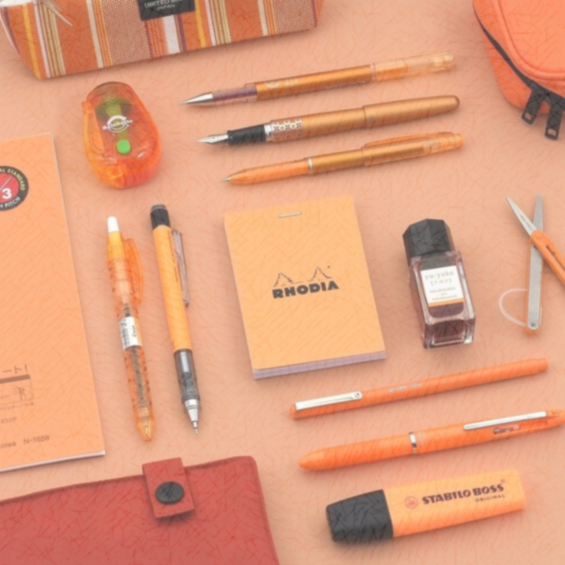
SALES DASHBOARD FOR THE TRANSACTIONS FROM 2014 TO 2015.

Sales per Region.
 | Total
1 | 11139.07
2 | 6002.09
3 | 2486.72
 | Total
7/4/2014 | 309.38
7/12/2014 | 57.71
7/21/2014 | 686.95
7/29/2014 | 1619.19
8/7/2014 | 1005.9
8/15/2014 | 174.65
8/24/2014 | 825
9/1/2014 | 250
9/10/2014 | 9.03
9/18/2014 | 255.84
9/27/2014 | 151.24
10/5/2014 | 251.72
10/14/2014 | 1139.43
10/22/2014 | 575.36
10/31/2014 | 18.06
11/8/2014 | 299.85
11/17/2014 | 54.89
11/25/2014 | 479.04
12/4/2014 | 1879.06
12/12/2014 | 86.43
12/21/2014 | 139.72
12/29/2014 | 1183.26
1/6/2015 | 189.05
1/15/2015 | 413.54
1/23/2015 | 999.5
2/1/2015 | 1305
2/9/2015 | 179.64
2/18/2015 | 19.96
2/26/2015 | 539.73
3/7/2015 | 139.93
3/15/2015 | 167.44
3/24/2015 | 249.5
4/1/2015 | 299.4
4/10/2015 | 131.34
4/18/2015 | 149.25
4/27/2015 | 479.04
5/5/2015 | 449.1
5/14/2015 | 68.37
5/22/2015 | 63.68
5/31/2015 | 719.2
6/8/2015 | 539.4
6/17/2015 | 625
6/25/2015 | 449.1

Total Sales per Rep.
 | Total
Matthew | 3109.44
Susan | 3102.3
Alex | 2812.19
Richard | 2363.04
Bill | 1749.87
Smith | 1641.43
Morgan | 1387.77
James | 1283.61
Thomas | 1203.11
Nick | 536.75
Rachel | 438.37
Sales per Item.
 | Total
Binder | 9577.65
Desk | 1700
Pen | 2045.22
Pen Set | 4169.87
Pencil | 2135.14

Sales per Region.
Sales per Region.
Row Labels | Sum of Sales
1 | 11139.07
2 | 6002.09
3 | 2486.72
Grand Total | 19627.88

Total Sales per Rep.
Total Sales per Rep.
Row Labels | Sum of Sales
Matthew | 3109.44
Susan | 3102.3
Alex | 2812.19
Richard | 2363.04
Bill | 1749.87
Smith | 1641.43
Morgan | 1387.77
James | 1283.61
Thomas | 1203.11
Nick | 536.75
Rachel | 438.37
Grand Total | 19627.88

Sales per Item.
Sales per Item.
Row Labels | Sum of Sales
Binder | 9577.65
Desk | 1700
Pen | 2045.22
Pen Set | 4169.87
Pencil | 2135.14
Grand Total | 19627.88

Sheet1
Row Labels | Sum of Sales
2014-07-04 | 309.38
2014-07-12 | 57.71
2014-07-21 | 686.95
2014-07-29 | 1619.19
2014-08-07 | 1005.9
2014-08-15 | 174.65
2014-08-24 | 825
2014-09-01 | 250
2014-09-10 | 9.03
2014-09-18 | 255.84
2014-09-27 | 151.24
2014-10-05 | 251.72
2014-10-14 | 1139.43
2014-10-22 | 575.36
2014-10-31 | 18.06
2014-11-08 | 299.85
2014-11-17 | 54.89
2014-11-25 | 479.04
2014-12-04 | 1879.06
2014-12-12 | 86.43
2014-12-21 | 139.72
2014-12-29 | 1183.26
2015-01-06 | 189.05
2015-01-15 | 413.54
2015-01-23 | 999.5
2015-02-01 | 1305
2015-02-09 | 179.64
2015-02-18 | 19.96
2015-02-26 | 539.73
2015-03-07 | 139.93
2015-03-15 | 167.44
2015-03-24 | 249.5
2015-04-01 | 299.4
2015-04-10 | 131.34
2015-04-18 | 149.25
2015-04-27 | 479.04
2015-05-05 | 449.1
2015-05-14 | 68.37
2015-05-22 | 63.68
2015-05-31 | 719.2
2015-06-08 | 539.4
2015-06-17 | 625
2015-06-25 | 449.1
Grand Total | 19627.88

