Placement
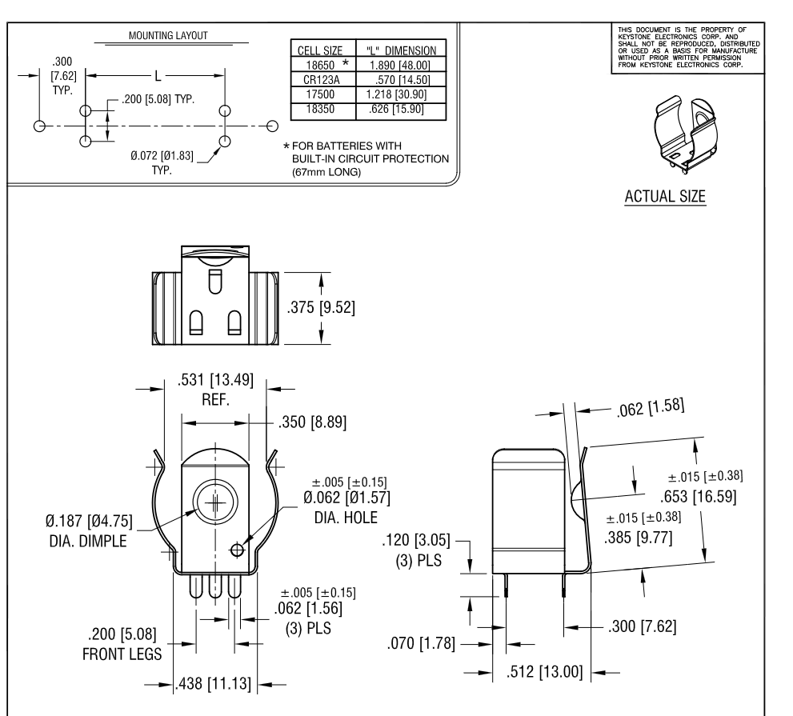
https://www.lcdwiki.com/MHS-4.0inch_Display-B

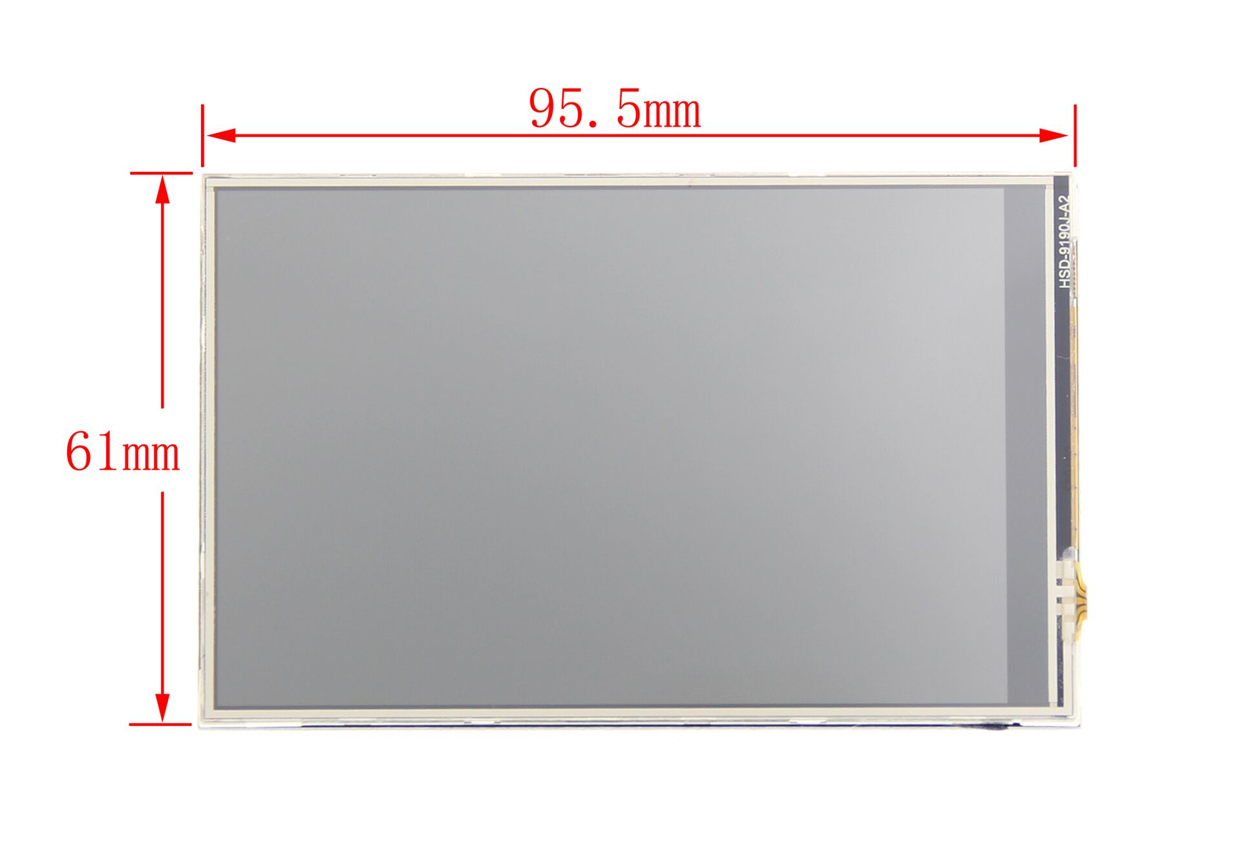
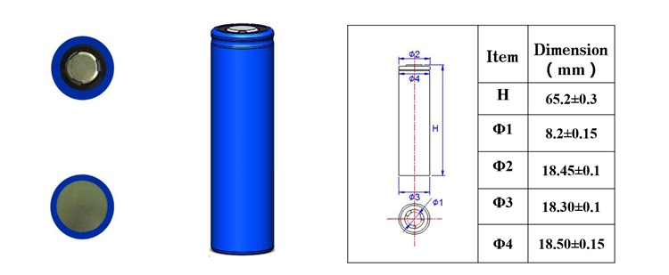

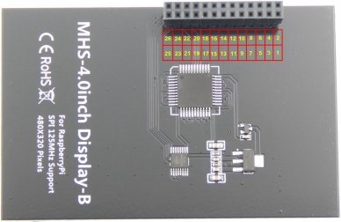

 |  |  | C22466352

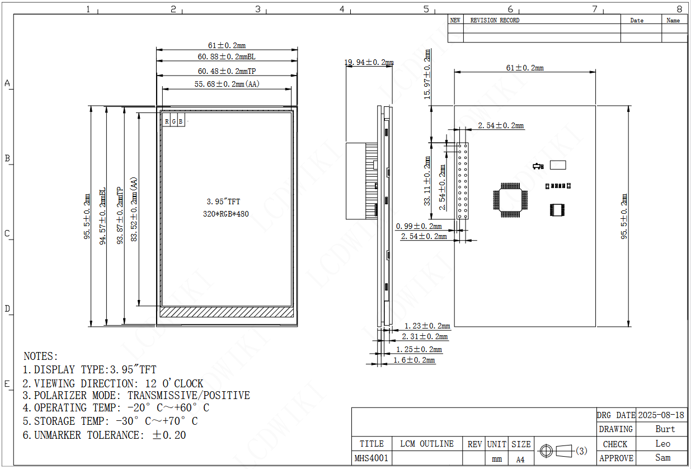
 | Donc
 | De bout en bout des cellule je vais avoir 72.4 mm
 | Ça devrait rentrer serré dans un pellican 1010
 | On va s’essayer avec un PCB de 68 mm de haut

 | En largeur, on va y aller avec le 95.5mm de l’écran

 | Les cellules vont bouffer 20mm de large.
 | Donc il reste 55.5mm pour le reste du design

 | https://www.lcdwiki.com/res/MHS4001-B/MHS-4.0inch_Display-B_User_Manual_EN.pdf

 | Screen position

 | x | 78.215
 | y | 4.855

 |  |  |  | https://www.lcdwiki.com/res/MHS4001-B/MHS4001-size.pdf

Parts Selection
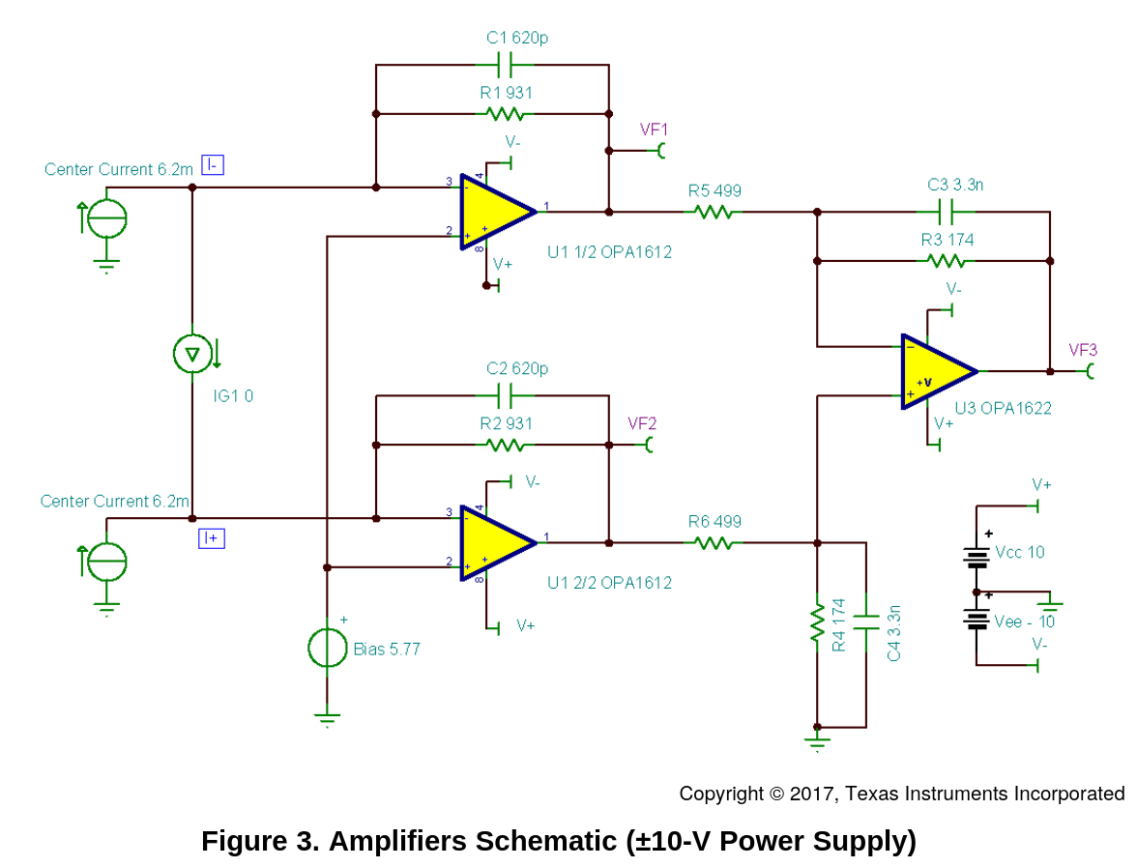
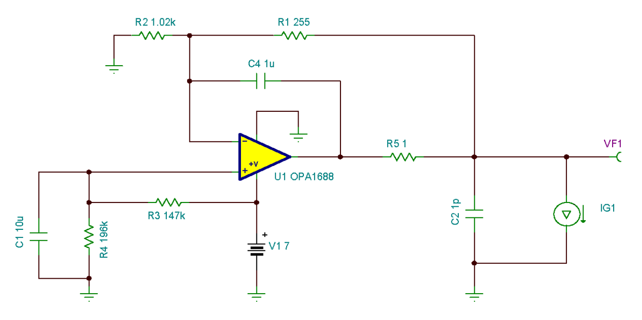
 |  | THD+N | SNR | Power
DAC | PCM1794A | -108dB | 127 dB
First stage amplifier | 2x OPA1612 | -136.5 | 1.1 nV/√Hz at 1 kHz
Second stage amplifier | 2x OPA1622 | -119dB | 2.8 nV/√Hz at 1 kHz | 100mW into 32 Ohms

Pour le 5V du DAC | OPA1688

Resistor | RT0402BRC0710KL |  | 0.1% +/-15ppm/oC

