FIG5-iDePP
 |  |  |  |  |  |  | Panel A: Root growth increment |  |  |  |  | Panel B: Number of LRPs |  |  |  |  | Panel C: Total No of cells formed during 24 h |  |  |  |  | LRP density within root growth increment portion
 |  |  |  |  |  |  | iDePP DEAD | iDePP | iDePP DEAD | iDePP |  | iDePP DEAD | iDePP | iDePP DEAD | iDePP |  | iDePP DEAD | iDePP | iDePP DEAD | iDePP |  | iDePP DEAD | iDePP | iDePP DEAD | iDePP
 |  |  |  |  |  |  | proGATA23 | proGATA23 | proXPP | proXPP |  | proGATA23 | proGATA23 | proXPP | proXPP |  | proGATA23 | proGATA23 | proXPP | proXPP |  | proGATA23 | proGATA23 | proXPP | proXPP |  |  | Combined data
 |  |  |  |  |  | Exp 6: Joseph | 8.505 | 10.25 | 8.163 | 8.607 | Exp 6: Joseph | 1 | 2 | 2 | 3 | Exp 6: Joseph | 8 | 25 | 46 | 13 | Exp 6: Joseph | 0.14770479591 | 0.22392185127 | 0.2672104634 | 0.40185657739 | Exp 6: Joseph | proGATA23 No difference: | of Joseph
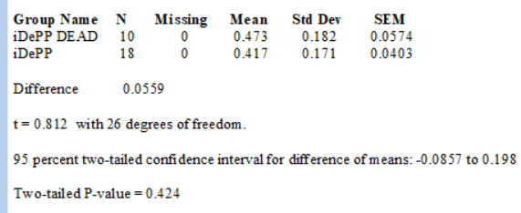
 |  |  |  |  |  |  | 6.652 | 7.837 | 9.076 | 7.57 |  | 2 | 1 | 4 | 4 |  | 24 | 16 | 23 | 25 |  | 0.29540959182 | 0.11196092564 | 0.5344209268 | 0.53580876985 | Only Exp 6 |  | and Celine
 |  |  |  |  |  |  | 5.484 | 6.936 | 7.627 | 5.863 |  | 4 | 3 | 5 | 4 |  | 31 | 16 | 4 | 16 |  | 0.59081918364 | 0.33588277691 | 0.6680261585 | 0.53580876985 |  |  | proGATA23 No difference:
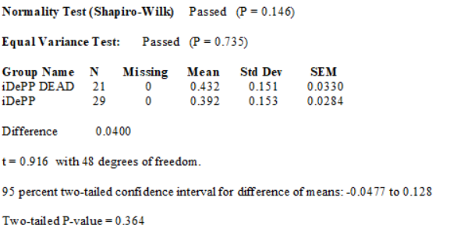
 |  |  |  |  |  |  | 4.522 | 8.026 | 7.612 | 8.014 |  | 4 | 3 | 2 | 5 |  | 16 | 20 | 14 | 20 |  | 0.59081918364 | 0.33588277691 | 0.2672104634 | 0.66976096231
 |  |  |  |  |  |  | 5.71 | 9.522 | 6.855 | 6.194 |  | 3 | 4 | 4 | 6 |  | 8 | 27 | 33 | 36 |  | 0.44311438773 | 0.44784370255 | 0.5344209268 | 0.80371315478
 |  |  |  |  |  |  | 5.671 | 10.033 | 6.53 | 8.604 |  | 5 | 5 | 2 | 3 |  | 13 | 28 | 48 | 35 |  | 0.73852397955 | 0.55980462818 | 0.2672104634 | 0.40185657739
 |  |  |  |  |  |  | 6.329 | 10.175 | 7.187 | 7.889 |  | 3 | 5 | 3 | 2 |  | 16 | 32 | 13 | 47 |  | 0.44311438773 | 0.55980462818 | 0.4008156951 | 0.26790438493
 |  |  |  |  |  |  | 7.859 | 7.741 | 7.624 | 5.078 |  | 4 | 6 | 3 | 2 |  | 20 | 30 | 24 | 38 |  | 0.59081918364 | 0.67176555382 | 0.4008156951 | 0.26790438493
 |  |  |  |  |  |  | 7.818 | 10.023 | 7.715 | 7.06 |  | 2 | 3 | 3 | 3 |  | 17 | 24 | 14 | 20 |  | 0.29540959182 | 0.33588277691 | 0.4008156951 | 0.40185657739
 |  |  |  |  |  |  | 6.903 | 9.735 | 8.913 | 5.085 |  | 4 | 7 | 3 | 4 |  | 4 | 36 | 18 | 15 |  | 0.59081918364 | 0.78372647946 | 0.4008156951 | 0.53580876985
 |  |  |  |  |  |  | 5.266 | 9.87 | 6.755 | 6.279 |  |  | 5 | 3 | 5 |  | 9 | 19 | 14 | 12 |  |  | 0.55980462818 | 0.4008156951 | 0.66976096231
 |  |  |  |  |  |  | 5.459 | 7.399 | 9.153 | 6.125 |  |  | 5 | 2 | 7 |  | 28 | 8 | 14 | 20 |  |  | 0.55980462818 | 0.2672104634 | 0.93766534724
 |  |  |  |  |  |  | 6.615 | 9.14 | 6.854 | 8.255 |  |  | 3 | 1 | 3 |  | 35 | 26 | 24 | 25 |  |  | 0.33588277691 | 0.1336052317 | 0.40185657739
 |  |  |  |  |  |  | 7.246 | 9.976 | 7.271 | 7.295 |  |  | 4 | 2 | 6 |  | 21 | 29 | 18 | 39 |  |  | 0.44784370255 | 0.2672104634 | 0.80371315478 |  | pro XPP: Significan difference
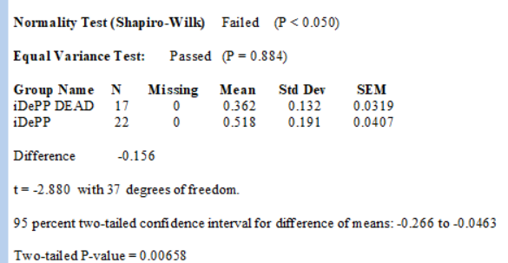
 |  |  |  |  |  |  | 9.409 | 7.391 | 7.311 | 6.86 |  |  | 2 | 3 | 3 |  | 21 | 33 | 19 | 45 |  |  | 0.22392185127 | 0.4008156951 | 0.40185657739
 |  |  |  |  |  |  | 4.354 | 8.853 | 6.749 | 10.04 |  |  | 3 | 2 | 6 |  | 20 | 47 | 17 | 23 |  |  | 0.33588277691 | 0.2672104634 | 0.80371315478
 |  |  |  |  |  |  | 6.599 | 8.9316875 | 6.705 | 9.788 |  |  | 3 | 2 | 4 |  | 22 | 35 | 13 | 48 |  |  | 0.33588277691 | 0.2672104634 | 0.53580876985
 |  |  |  |  |  |  | 7.826 |  | 7.151 | 7.312 |  |  | 3 |  | 4 |  | 8 | 32 | 10 | 25 |  |  | 0.33588277691 |  | 0.53580876985
 |  |  |  |  |  |  | 8.873 |  | 6.959 | 9.265 |  |  |  |  | 2 |  | 26 | 32 | 13 | 52 |  |  |  |  | 0.26790438493 |  |  | pro XPP: Significan difference
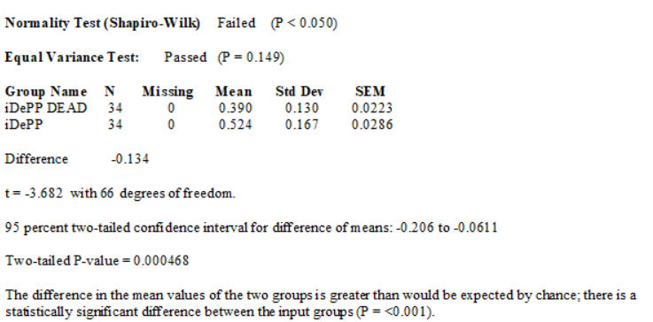
 |  | Exp 6: Joseph |  |  |  |  | 9.347 |  | 7.4847368421 | 8.124 |  |  |  |  | 3 |  |  | 36 | 17 | 39 |  |  |  |  | 0.40185657739
 |  |  |  |  |  |  | 7.442 |  |  | 7.46535 |  |  |  |  | 3 |  |  | 53 |  | 29 |  |  |  |  | 0.40185657739
 |  |  |  |  |  |  | 6.284 |  |  |  |  |  |  |  | 3 |  |  | 51 |  | 18 |  |  |  |  | 0.40185657739
 |  |  |  |  |  |  | 5.543 |  |  |  |  |  |  |  |  |  |  | 28 |  | 18
Data for panels D and E are from Exp 6 by Joseph. Celine data are in orange. |  |  |  |  |  | Average | 6.7702608696 |  |  |  |  |  |  |  |  |  |  | 38 |  | 19
Panel D: proGATA23 % by stages |  |  |  |  |  | Exp: Celine | 8.557 | 5.984 | 5.982 | 6.192 | Exp: Celine | 4 | 3 | 4 | 5 |  |  | 10 |  | 38 | Exp: Celine | 0.57903320755 | 0.41398637029 | 0.52696954869 | 0.65442321205
St I | St I | St II | St II | St III | St III |  | 6.036 | 7.253 | 7.095 | 7.419 |  | 2 | 3 | 2 | 5 |  |  | 15 |  |  |  | 0.28951660378 | 0.41398637029 | 0.26348477434 | 0.65442321205
iDePP-D | iDePP | iDePP-D | iDePP | iDePP-D | iDePP |  | 7.388 | 5.562 | 8.073 | 6.307 |  | 3 | 3 | 2 | 4 |  |  | 25 |  |  |  | 0.43427490567 | 0.41398637029 | 0.26348477434 | 0.52353856964
100 | 66.6 | 0 | 33.4 | 0 | 0 |  | 7.1 | 8.819 | 7.193 | 5.413 |  | 3 | 4 | 2 | 5 |  |  | 20 |  |  |  | 0.43427490567 | 0.55198182706 | 0.26348477434 | 0.65442321205
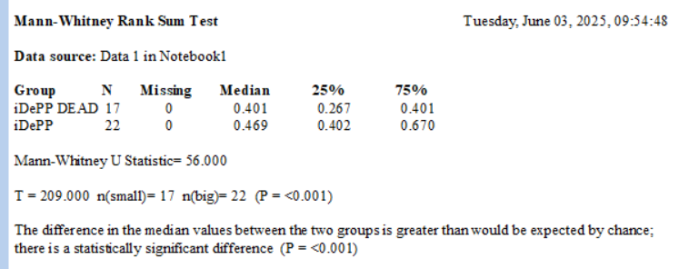
66.6 | 50 | 33.4 | 50 | 0 | 0 |  | 6.759 | 6.161 | 7.566 | 7.312 |  | 3 | 2 | 2 | 4 |  |  |  |  |  |  | 0.43427490567 | 0.27599091353 | 0.26348477434 | 0.52353856964
75 | 100 | 25 | 0 | 0 | 0 |  | 7.491 | 6.494 | 7.868 | 8.988 |  | 3 | 1 | 2 | 3 | Exp: Celine | 20 | 23 | 16 | 37 |  | 0.43427490567 | 0.13799545676 | 0.26348477434 | 0.39265392723
100 | 100 | 0 | 0 | 0 | 0 |  | 5.437 | 8.366 | 7.379 | 9.926 |  | 1 | 3 | 4 | 3 |  | 8 | 19 | 10 | 38 |  | 0.14475830189 | 0.41398637029 | 0.52696954869 | 0.39265392723
100 | 75 | 0 | 0 | 0 | 25 |  | 6.86 | 7.092 | 7.841 | 8.373 |  | 2 | 2 | 3 | 3 |  | 25 | 21 | 11 | 36 |  | 0.28951660378 | 0.27599091353 | 0.39522716152 | 0.39265392723
100 | 75 | 0 | 0 | 0 | 25 |  | 7.808 | 9.111 | 7.324 | 7.513 |  | 3 | 3 | 4 | 4 |  | 27 | 25 | 6 | 26 |  | 0.43427490567 | 0.41398637029 | 0.52696954869 | 0.52353856964
50 | 75 | 50 | 25 | 0 | 0 |  | 6.962 | 7.198 | 8.289 | 7.292 |  | 3 | 2 | 4 | 5 |  | 21 | 11 | 8 | 39 |  | 0.43427490567 | 0.27599091353 | 0.52696954869 | 0.65442321205
50 | 50 | 50 | 50 | 0 | 0 |  | 6.234 | 7.604 | 8.706 | 6.826 |  | 3 | 2 | 4 | 5 |  | 35 | 5 | 9 | 21 |  | 0.43427490567 | 0.27599091353 | 0.52696954869 | 0.65442321205
100 | 75 | 0 | 25 | 0 | 0 |  | 5.414 | 7.881 | 7.37 | 9.073 |  |  |  | 3 | 3 |  | 10 | 21 | 24 | 24 |  |  |  | 0.39522716152 | 0.39265392723
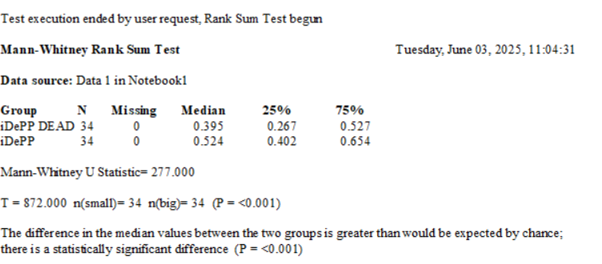
100 | 33.4 | 0 | 66.6 | 0 | 0 |  | 9.229 | 6.681 | 6.772 | 8.067 |  |  |  | 4 |  |  | 16 | 8 | 14 | 20 |  |  |  | 0.52696954869
100 | 0 | 0 | 100 | 0 | 0 |  | 6.881 | 7.2466153846 | 8.595 | 9.02 |  |  |  | 3 |  |  | 23 | 31 | 25 | 18 |  |  |  | 0.39522716152
75 | 0 | 25 | 100 | 0 | 0 |  | 5.465 |  | 7.016 | 8.254 |  |  |  | 3 |  |  | 21 | 20 | 32 | 26 |  |  |  | 0.39522716152
100 | 66.6 | 0 | 33.4 | 0 | 0 | Average | 6.9080666667 |  | 7.866 | 8.617 |  |  |  | 5 |  |  | 13 | 11 | 23 | 29 |  |  |  | 0.65871193586
33.4 | 33.4 | 66.6 | 66.6 | 0 | 0 |  |  |  | 8.388 | 8.411 |  |  |  | 3 |  |  |  |  | 17 | 13 |  |  |  | 0.39522716152
100 | 50 | 0 | 50 | 0 | 0 |  |  |  | 6.212 | 4.915 |  |  |  |  |  |  |  |  | 22 |  |  |  |  |  |  | Only
66.6 | 75 | 33.4 | 25 | 0 | 0 |  |  |  | 7.959 | 7.248 |  |  |  |  |  |  |  |  | 21 |  |  |  |  |  |  | Exp: Celine | proGATA23 Significant difference:
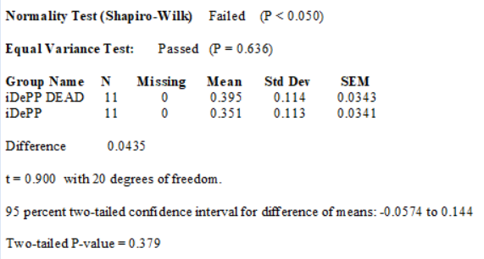
75 | 60 | 25 | 40 | 0 | 0 |  |  |  | 8.764 | 7.6403157895 |  |  |  |  |  |  |  |  | 20
100 | 60 | 0 | 20 | 0 | 20 |  |  |  | 7.144 |  |  |  |  |  |  |  |  |  | 30
75 | 83.3 | 25 | 16.6 | 0 | 0 |  |  |  | 7.5905714286 |  |  |  |  |  |  |  |  |  | 14
100 | 33.4 | 0 | 66.6 | 0 | 0
100 | 85.7 | 0 | 14.3 | 0 | 0
66.666666667 | 40 | 33.333333333 | 40 | 0 | 20
33.333333333 | 40 | 66.666666667 | 60 | 0 | 0
66.666666667 | 50 | 33.333333333 | 50 | 0 | 0
33.333333333 | 33.4 | 66.666666667 | 66.6 | 0 | 0
0 | 25 | 100 | 75 | 0 | 0
50 | 100 | 50 | 0 | 0 | 0
33.333333333 | 100 | 66.666666667 | 0 | 0 | 0
66.666666667 | 66.6 | 33.333333333 | 33.4 | 0 | 0
100 | 66.6 | 0 | 33.4 | 0 | 0
 | 33.333333333 |  | 66.666666667 |  | 0
 | 66.666666667 |  | 33.333333333 |  | 0
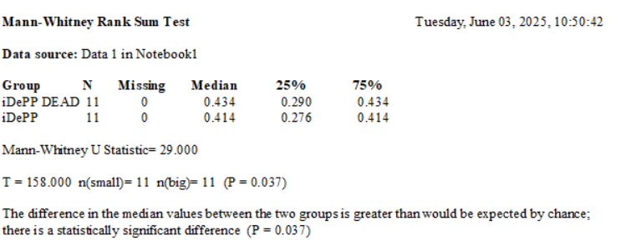
 | 66.666666667 |  | 33.333333333 |  | 0
 | 75 |  | 25 |  | 0
 | 100 |  | 0 |  | 0
 | 100 |  | 0 |  | 0
 | 66.666666667 |  | 33.333333333 |  | 0
 | 100 |  | 0 |  | 0
 | 33.333333333 |  | 66.666666667 |  | 0
 | 0 |  | 100 |  | 0
 | 100 |  | 0 |  | 0

Panel E: proXPP % by stages
St I | St I | St II | St II | St III | St III
iDePP-D | iDePP | iDePP-D | iDePP | iDePP-D | iDePP |  |  |  |  |  |  |  |  |  |  |  |  |  |  |  |  |  |  |  |  |  | pro XPP:No difference
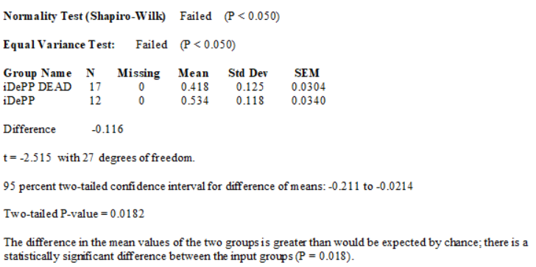
60 | 100 | 40 | 0 | 0 | 0
66.6 | 66.6 | 33.4 | 33.4 | 0 | 0
100 | 50 | 0 | 50 | 0 | 0
50 | 66.6 | 50 | 33.4 | 0 | 0
75 | 75 | 25 | 25 | 0 | 0
40 | 75 | 20 | 0 | 40 | 25
100 | 60 | 0 | 20 | 0 | 20
50 | 66.6 | 50 | 33.4 | 0 | 0
100 | 66.6 | 0 | 33.4 | 0 | 0
66.6 | 100 | 33.4 | 0 | 0 | 0
100 | 50 | 0 | 50 | 0 | 0
100 | 66.6 | 0 | 33.4 | 0 | 0
66.6 | 75 | 33.4 | 25 | 0 | 0
66.6 | 40 | 33.4 | 60 | 0 | 0
50 | 85.7 | 50 | 14.3 | 0 | 0
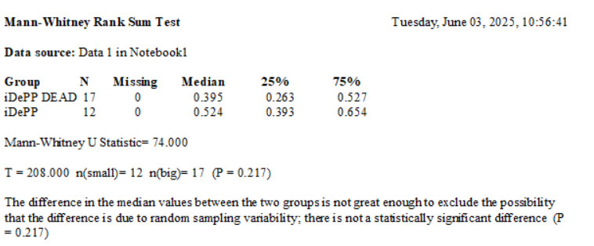
0 | 100 | 100 | 0 | 0 | 0
50 | 60 | 50 | 20 | 0 | 20
100 | 66.6 | 0 | 33.4 | 0 | 0
50 | 66.6 | 50 | 16.7 | 0 | 16.7
50 | 50 | 50 | 25 | 0 | 25
100 | 50 | 0 | 50 | 0 | 0
100 | 50 | 0 | 50 | 0 | 0
100 | 66.6 | 0 | 33.4 | 0 | 0
100 | 66.6 | 0 | 33.4 | 0 | 0
100 | 33.33 | 0 | 33.4 | 0 | 33.33
100 | 60 | 0 | 40 | 0 | 0
75 | 80 | 25 | 20 | 0 | 0
100 | 75 | 0 | 25 | 0 | 0
75 | 80 | 25 | 20 | 0 | 0
50 | 25 | 50 | 75 | 0 | 0
75 | 66.666666667 | 25 | 33.333333333 | 0 | 0
66.666666667 | 66.666666667 | 33.333333333 | 33.333333333 | 0 | 0
75 | 66.666666667 | 25 | 33.333333333 | 0 | 0
66.666666667 | 100 | 33.333333333 | 0 | 0 | 0
66.666666667 | 100 | 33.333333333 | 0 | 0 | 0
80 | 80 | 20 | 20 | 0 | 0
100 | 100 | 0 | 0 | 0 | 0

Sup Fig iDePP
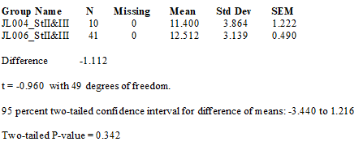
JL004 | Number of cells |  | JL006 | Number of cells |  | JL007 | Number of cells |  | JL009 | Number of cells |  | Stage I |  | Stage II &III LRP |  | Stage I |  | Stage II &III LRP
iDePP DEAD | Stage I LRP | Stage II &III LRP | iDePP | Stage I LRP | Stage II &III LRP | iDePP DEAD | Stage I LRP | Stage II &III LRP | iDePP | Stage I LRP | Stage II &III LRP | JL004 | JL006 | JL004 | JL006 | JL007 | JL009 | JL007 | JL009
r1 | 4 |  | r3 | 6 | 12 | r2 | 8 | 12 | r1 | 7 |  | 4 | 6 | 18 | 12 | 8 | 7 | 12 | 13
 | 4 |  |  | 7 |  |  | 5 | 16 |  | 3 |  | 4 | 7 | 16 | 10 | 5 | 3 | 16 | 13
r2 | 3 | 18 | r4 | 6 | 10 |  | 5 |  |  | 3 |  | 3 | 6 | 10 | 15 | 5 | 3 | 14 | 10
 | 3 |  | r5 | 6 |  | r3 | 7 | 14 | r2 | 2 | 13 | 3 | 6 | 14 | 16 | 7 | 2 | 9 | 16
r3 | 4 | 16 |  | 6 |  |  | 2 |  |  | 5 |  | 4 | 6 | 13 | 16 | 2 | 5 | 15 | 16
 | 4 |  |  | 4 |  | r5 | 4 |  |  | 5 |  | 4 | 4 | 9 | 12 | 4 | 5 | 10 | 16
 | 7 |  | r6 | 4 |  | r6 | 5 | 9 | r4 | 3 | 13 | 7 | 4 | 6 | 10 | 5 | 3 | 15 | 17
r4 | 4 |  |  | 7 |  | r7 | 7 |  | r5 | 7 | 10 | 4 | 7 | 8 | 12 | 7 | 7 | 10 | 13
 | 10 |  |  | 7 |  |  | 5 |  |  | 3 |  | 10 | 7 | 8 | 14 | 5 | 3 | 7 | 10
 | 2 |  |  | 2 |  |  | 4 |  | r6 | 10 | 16 | 2 | 2 | 12 | 16 | 4 | 10 | 11 | 14
r5 | 4 |  | r5 | 6 |  | r8 | 3 | 15 |  | 3 |  | 4 | 6 |  | 11 | 3 | 3 | 16 | 10
 | 4 |  |  | 6 |  |  | 5 | 10 |  | 7 |  | 4 | 6 |  | 8 | 5 | 7 | 10 | 8
r8 | 2 |  |  | 4 |  |  |  | 15 | r7 | 12 | 16 | 2 | 4 |  | 8 | 7 | 12 | 15 | 12
 | 7 |  | r6 | 4 |  | r9 | 7 |  |  | 3 |  | 7 | 4 |  | 18 | 6 | 3 | 17 | 12
 | 4 |  |  | 7 |  |  | 6 |  |  | 4 |  | 4 | 7 |  | 10 | 4 | 4 | 7 | 18
r10 | 6 | 10 |  | 7 |  | r10 | 4 | 10 | r8 | 2 | 16 | 6 | 7 |  | 16 | 3 | 2 | 8 | 15
r11 | 6 | 14 |  | 2 |  |  | 3 | 7 |  | 4 | 17 | 6 | 2 |  | 16 | 6 | 4 | 11 | 9
r12 | 4 |  | r7 | 3 | 15 | r12 | 6 |  |  | 8 |  | 4 | 3 |  | 14 | 8 | 8 |  | 10
 | 6 |  |  | 4 |  |  | 8 |  | r10 | 3 | 13 | 6 | 4 |  | 14 | 3 | 3 |  | 17
 | 7 |  |  | 5 |  | r14 | 3 | 11 |  | 4 |  | 7 | 5 |  | 15 | 4 | 4 |  | 10
r13 | 4 |  | r8 | 2 | 16 |  | 4 |  | r16 | 6 |  | 4 | 2 |  | 16 | 3 | 6 |  | 12
r16 | 4 |  |  | 6 |  | r15 | 3 |  |  | 9 |  | 4 | 6 |  | 8 | 4 | 9 |  | 11
 | 5 |  |  | 4 |  |  | 4 |  | r12 | 2 | 10 | 5 | 4 |  | 17 | 7 | 2 |  | 20
r17 | 3 | 13 | r9 | 4 | 16 |  | 7 |  | r15 | 2 | 14 | 3 | 4 |  | 11 | 7 | 2 |  | 15
 | 4 |  |  | 4 |  | r16 | 7 |  |  | 4 |  | 4 | 4 |  | 12 | 3 | 4 |  | 12
 | 8 |  |  | 8 |  |  | 3 |  | r17 | 3 | 10 | 8 | 8 |  | 16 | 4 | 3 |  | 10
r20 | 8 |  | r10 | 6 | 12 |  | 4 |  |  | 3 |  | 8 | 6 |  | 14 | 4 | 3 |  | 8
 | 7 |  |  | 2 | 10 | r17 | 4 | 16 |  | 9 |  | 7 | 2 |  | 11 | 4 | 9 |  | 9
 | 4 |  | r11 | 2 | 12 |  | 4 |  | r18 | 4 | 8 | 4 | 2 |  | 9 | 4 | 4 |  | 12
 | 6 |  |  | 7 |  | r18 | 4 | 10 |  | 3 | 12 | 6 | 7 |  | 16 | 4 | 3 |  | 12
r21 | 6 | 9 |  | 3 |  |  | 4 |  |  |  | 12 | 6 | 3 |  | 12 | 4 | 4 |  | 16
 |  | 6 | r12 | 6 | 14 | r19 | 4 | 15 | r19 | 4 | 18 | 2 | 6 |  | 16 | 6 | 3 |  | 19
r22 | 2 |  |  |  | 16 | r20 |  | 17 |  | 3 |  | 3 | 4 |  | 8 | 3 | 7
 | 3 |  | r13 |  | 11 | r22 | 6 | 7 |  | 7 |  | 4 | 4 |  | 8 | 4 | 5
 | 4 |  |  |  | 8 | r23 | 3 |  |  | 5 |  | 6 | 3 |  | 9 | 3 | 4
 | 6 |  | r14 |  | 8 |  | 4 |  |  | 4 |  | 6 | 4 |  | 14 | 5 | 4
 | 6 |  | r15 | 4 | 18 |  | 3 |  |  | 4 |  | 4 | 4 |  | 10 | 6 | 4
r23 | 4 | 8 |  | 4 |  | r24 | 5 | 8 | r20 | 4 | 15 | 8 | 4 |  | 13 |  | 4
 | 8 |  | r16 | 3 | 10 | r26 | 6 | 11 |  | 4 |  | 4 | 8 |  | 10 |  | 4
r25 | 4 | 8 |  |  | 16 |  |  |  | r21 | 4 | 9 | 6 | 7 |  | 14 |  | 4
 | 6 |  | r17 | 4 | 16 |  |  |  |  | 4 | 10 | 4 | 4 |  | 6 |  | 4
 | 4 |  |  | 4 | 14 |  |  |  |  | 4 | 17 | 4 | 4 |  |  |  | 3
r26 | 4 |  | r19 | 4 | 14 |  |  |  | r22 | 3 | 10 | 4 | 8 |  |  |  | 5
 | 4 |  |  | 8 |  |  |  |  |  |  | 12 | 3 | 5 |  |  |  | 5
r27 | 3 | 12 |  | 7 |  |  |  |  | r23 | 5 | 11 | 5 | 3 |  |  |  | 7
 | 5 |  | r20 | 4 | 15 |  |  |  |  | 5 | 20 | 6 | 2 |  |  |  | 4
 | 6 |  |  | 4 | 16 |  |  |  |  | 7 |  |  | 4 |  |  |  | 8
 |  |  |  | 8 |  |  |  |  |  | 4 |  |  | 2 |  |  |  | 4
 |  |  | r21 | 5 | 8 |  |  |  | r24 | 8 | 15 |  | 7 |  |  |  | 7
 |  |  |  | 3 | 17 |  |  |  |  | 4 | 12 |  | 5 |  |  |  | 4
 |  |  |  | 2 |  |  |  |  | r26 | 7 | 10 |  | 3 |  |  |  | 9
 |  |  | r22 | 4 | 11 |  |  |  |  | 4 | 8 |  | 4 |  |  |  | 2
 |  |  |  | 2 |  |  |  |  | r27 | 9 | 9 |  | 4 |  |  |  | 4
 |  |  |  | 7 |  |  |  |  | r30 | 2 | 12 |  | 3 |  |  |  | 3
 |  |  |  | 5 |  |  |  |  |  | 4 |  |  | 4 |  |  |  | 4
 |  |  |  | 3 |  |  |  |  | r32 | 3 | 12 |  | 4 |  |  |  | 3
 |  |  | r23 | 4 | 12 |  |  |  |  | 4 | 16 |  | 4
 |  |  |  |  | 16 |  |  |  | r33 | 3 | 19 |  | 3
 |  |  | r26 | 4 | 14 |  |  |  |  |  |  |  | 8
 |  |  |  | 3 |  |  |  |  |  |  |  |  | 9
 |  |  |  | 4 |  |  |  |  |  |  |  |  | 10
 |  |  |  | 4 |  |  |  |  |  |  |  |  | 5
 |  |  |  | 4 |  |  |  |  |  |  |  |  | 6
 |  |  |  | 3 |  |  |  |  |  |  |  |  | 5
 |  |  | r27 | 8 | 11 |  |  |  |  |  |  |  | 5
 |  |  |  | 9 | 9 |  |  |  |  |  |  |  | 4
 |  |  |  |  | 16 |  |  |  |  |  |  |  | 6
 |  |  | r28 | 10 | 12 |  |  |  |  |  |  |  | 3
 |  |  |  | 5 | 16 |  |  |  |  |  |  |  | 6
 |  |  |  |  | 8 |  |  |  |  |  |  |  | 6
 |  |  | r29 | 6 | 8 |  |  |  |  |  |  |  | 4
 |  |  | r30 | 5 | 9 |  |  |  |  |  |  |  | 7
 |  |  |  |  | 14 |  |  |  |  |  |  |  | 8
 |  |  | r31 | 5 | 10 |  |  |  |  |  |  |  | 6
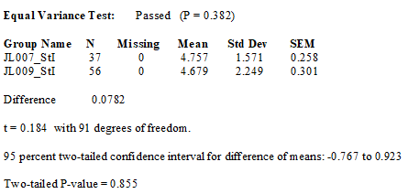
 |  |  |  |  | 13
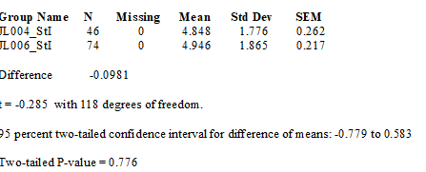
 |  |  |  |  | 10
 |  |  | r32 | 4
 |  |  |  | 6
 |  |  | r33 | 3
 |  |  |  | 6
 |  |  |  | 6
 |  |  | r34 | 4 | 14
 |  |  |  | 7
 |  |  | r35 | 8 | 6
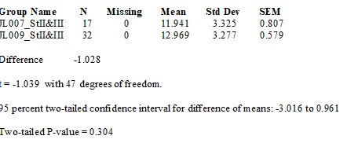
 |  |  |  | 6

