Bug report
Eventualno bih jos dodala od kolona Time stamp (odnosno vreme prijave), ko je prijavio bug I status buga kao posebne kolone.

Bug report ID | Bug report title | Description | Precondition | Steps to reproduce | Test Data | Expected Result | Actual results | Screenshot | Enviroment | Assigned to | Severity | Priority
B1 | Output Jarac didn't appear after input valid credentials. | Output Jarac didn't appear after input valid credentials in both "Unesite dan rodjenja" and "Unesite mesec rodjenja" fields. | Open IntelliJ and run horoscopeTask. | 1.Input valid day of birth in "Unesite dan rodjenja" field in console; 2.Click enter on the keybord; 3.Input valid month of birth in "Unesite mesec rodjenja" field in console; 4.Click enter on the keybord; 5.Check the results; | 1. 20 2. 1 | There shoud be output message "Vas horoskopski znak je Jarac''. | IntelliJ finished program without any message. | 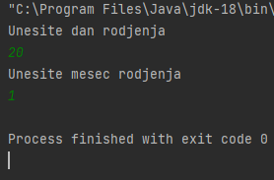 | IntelliJ IDEA Community Edition 2022.1 on Windows 10. | Petar | High | High
B2 | Output Jarac appear after input number 0 in "Unesite dan rodjenja" field. | Output Jarac appear after input number 0 in "Unesite dan rodjenja" field and with input valid credential in "Unesite mesec rodjenja" field. | Open IntelliJ and run horoscopeTask. | 1.Input number 0 in "Unesite dan rodjenja" field in console; 2.Click enter on the keybord; 3.Input valid month of birth in "Unesite mesec rodjenja" field in console; 4.Click enter on the keybord; 5.Check the results; | 1. 0 2. 1 | There should be message "Datum rodjenja nije ispravan. Unesite ponovo datum rodjenja.". | There is output message "Vas horoskopski znak je Jarac". | 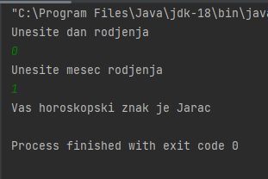 | IntelliJ IDEA Community Edition 2022.1 on Windows 10. | Sasa | Medium | Medium
B3 | Output Jarac appear after input number grather than 31 in "Unesite dan rodjenja" field. | Output Jarac appear after input number grather than 31 in "Unesite dan rodjenja" field and with input valid credential in "Unesite mesec rodjenja" field. | Open IntelliJ and run horoscopeTask. | 1.Input number grather than 31 in "Unesite dan rodjenja" field in console; 2.Click enter on the keybord; 3.Input valid month of birth in "Unesite mesec rodjenja" field in console; 4.Click enter on the keybord; 5.Check the results; | 1. 32 2. 12 | There should be message "Datum rodjenja nije ispravan. Unesite ponovo datum rodjenja.". | There is output message "Vas horoskopski znak je Jarac". | 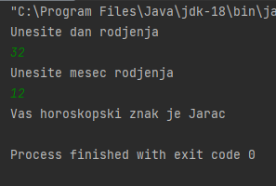 | IntelliJ IDEA Community Edition 2022.1 on Windows 10. | Petar | Medium | Medium
B4 | Output Vodolija didn't appear after input valid credentials. | Output Vodolija didn't appear after input valid credentials in both "Unesite dan rodjenja" and "Unesite mesec rodjenja" fields. | Open IntelliJ and run horoscopeTask. | 1.Input valid day of birth in "Unesite dan rodjenja" field in console; 2.Click enter on the keybord; 3.Input valid month of birth in "Unesite mesec rodjenja" field in console; 4.Click enter on the keybord; 5.Check the results; | 1. 19 2. 2 | There shoud be output message "Vas horoskopski znak je Vodolija". | There is output message "Vas horoskopski znak je ribe". | 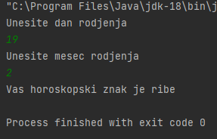 | IntelliJ IDEA Community Edition 2022.1 on Windows 10. | Sonja | High | High

Radi lakse preglednosti kao B2 bi bili TC7, TC10, TC14, TC18, TC22, TC25, TC28, TC31, TC35, TC38, TC41, samo sa izmjenjenim podacima, nazivima, isti tip baga, da ne bih pisala 30 istih bug reporta objedinjujem ovako, izdvajam samo one razlicite.
Kao B3 bi bili: TC8, TC11,TC15,TC19, TC23, TC26, TC29, TC32, TC36,TC39, TC42
Kao B4 bi bili: TC13, TC17, TC21,TC 34, TC40

B32 | Program is finished withouth any message after input number 0 in both fields. | With input number 0 in "Unesite dan rodjenja" and "Unesite mesec rodjenja" fields, program is finished without "Datum rodjenja nije ispravan. Unesite ponovo datum rodjenja." message. | Open IntelliJ and run horoscopeTask. | 1.Input number 0 in "Unesite dan rodjenja" field in console; 2.Click enter on the keybord; 3.Input number 0 in "Unesite mesec rodjenja" field in console; 4.Click enter on the keybord; 5.Check the results; | 1. 0 2. 0 | There should be message "Datum rodjenja nije ispravan. Unesite ponovo datum rodjenja.". | IntelliJ finished program without any message. | 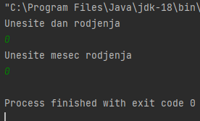 | IntelliJ IDEA Community Edition 2022.1 on Windows 10. | Petar | Medium | Medium
B33 | Program is finished without any message after input number 0 in "Unesite mesec rodjenja" field. | With input valid number in "Unesite dan rodjenja" field and 0 number in "Unesite mesec rodjenja" field, program is finished without "Datum rodjenja nije ispravan. Unesite ponovo datum rodjenja." message. | Open IntelliJ and run horoscopeTask. | 1.Input valid day of birth in "Unesite dan rodjenja" field in console; 2.Click enter on the keybord; 3.Input number 0 in "Unesite mesec rodjenja" field in console; 4.Click enter on the keybord; 5.Check the results; | 1. 1 2. 0 | There should be message "Datum rodjenja nije ispravan. Unesite ponovo datum rodjenja.". | IntelliJ finished program without any message. | 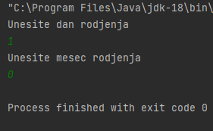 | IntelliJ IDEA Community Edition 2022.1 on Windows 10. | Bojan | Medium | Medium
B34 | Program is finished without any message after input number grather than 12 in "Unesite mesec rodjenja" field. | With input valid number in "Unesite dan rodjenja" field and number grather than 12 in "Unesite mesec rodjenja" field, program is finished without "Datum rodjenja nije ispravan. Unesite ponovo datum rodjenja." message. | Open IntelliJ and run horoscopeTask. | 1.Input valid day of birth in "Unesite dan rodjenja" field in console; 2.Click enter on the keybord; 3.Input number grather than 12 in "Unesite mesec rodjenja" field in console; 4.Click enter on the keybord; 5.Check the results; | 1. 1 2. 13 | There should be message "Datum rodjenja nije ispravan. Unesite ponovo datum rodjenja.". | IntelliJ finished program without any message. | 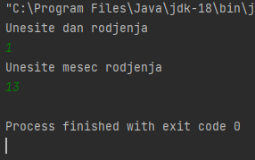 | IntelliJ IDEA Community Edition 2022.1 on Windows 10. | Sanja | Medium | Medium
B35 | Red message appear after input letter in "Unesite dan rodjenja" field and program finish. | Red message appear after input letter in "Unesite dan rodjenja" field and program finish. | Open IntelliJ and run horoscopeTask. | 1.Input letter in "Unesite dan rodjenja" field in console; 2.Click enter on the keybord; 3.Input valid credentials in "Unesite mesec rodjenja" field in console; 4.Click enter on the keybord; 5.Check the results; | 1. m 2. 1 | There should be message "Datum rodjenja nije ispravan. Unesite ponovo datum rodjenja.". | There is following message: Exception in thread "main"java.util.InputMismatchException atjava.base/java.util.Scanner.throwFor(Scanner.java:94) atjava.base/java.util.Scanner.next(Scanner.java:1598)atjava.base/java.util.Scanner.nextInt(Scanner.java:2263) atjava.base/java.util.Scanner.nextInt(Scanner.java:2217) atTestcase.main(Testcase.java:9) | 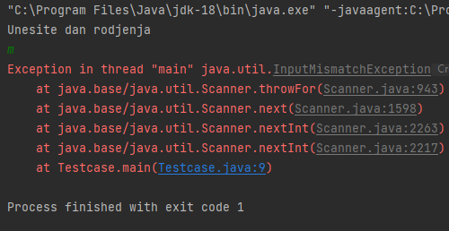 | IntelliJ IDEA Community Edition 2022.1 on Windows 10. | Jovana | High | High
B36 | Red message appear after input letter in field "Unesite dan mesec rodjenja" and program finish. | Red message appear after input valid credential in "Unesite dan rodjenja" field and with input letter in "Unesite mesec rodjenja" field and program finish. | Open IntelliJ and run horoscopeTask. | 1.Input valid day of birth in "Unesite dan rodjenja" field in console; 2.Click enter on the keybord; 3.Input letter in "Unesite mesec rodjenja" field in console; 4.Click enter on the keybord; 5.Check the results; | 1. 1 2. m | There should be message "Datum rodjenja nije ispravan. Unesite ponovo datum rodjenja.". | There is following message: Exception in thread "main"java.util.InputMismatchException atjava.base/java.util.Scanner.throwFor(Scanner.java:94) atjava.base/java.util.Scanner.next(Scanner.java:1598)atjava.base/java.util.Scanner.nextInt(Scanner.java:2263) atjava.base/java.util.Scanner.nextInt(Scanner.java:2217) atTestcase.main(Testcase.java:9) | 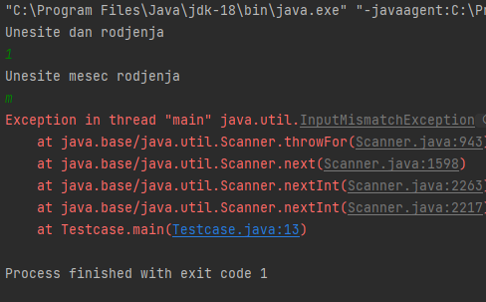 | IntelliJ IDEA Community Edition 2022.1 on Windows 10. | Goran | High | High
B37 | Red message appear after input special character in "Unesite dan rodjenja" field and program finish. | Red message appear after input special character in "Unesite dan rodjenja" field and program finish. | Open IntelliJ and run horoscopeTask. | 1.Input special character in "Unesite dan rodjenja" field in console; 2.Click enter on the keybord; 3.Input valid credentials in "Unesite mesec rodjenja" field in console; 4.Click enter on the keybord; 5.Check the results; | 1. @ 2. 1 | There should be message "Datum rodjenja nije ispravan. Unesite ponovo datum rodjenja.". | There is following message: Exception in thread "main"java.util.InputMismatchException atjava.base/java.util.Scanner.throwFor(Scanner.java:94) atjava.base/java.util.Scanner.next(Scanner.java:1598)atjava.base/java.util.Scanner.nextInt(Scanner.java:2263) atjava.base/java.util.Scanner.nextInt(Scanner.java:2217) atTestcase.main(Testcase.java:9) | 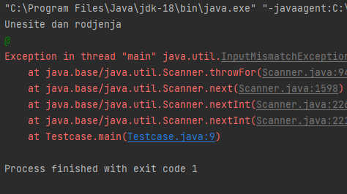 | IntelliJ IDEA Community Edition 2022.1 on Windows 10. | Jovana | High | High
B38 | Red message appear after input special character in field "Unesite mesec rodjenja" and program finish. | Red message appear after input valid credentials in "Unesite dan rodjenja" field and with input special character in "Unesite mesec rodjenja" field and program finish. | Open IntelliJ and run horoscopeTask. | 1.Input valid credentials in "Unesite dan rodjenja" field in console; 2.Click enter on the keybord; 3.Input special character in "Unesite mesec rodjenja" field in console; 4.Click enter on the keybord; 5.Check the results; | 1. 1 2. @ | There should be message "Datum rodjenja nije ispravan. Unesite ponovo datum rodjenja.". | There is following message: Exception in thread "main"java.util.InputMismatchException atjava.base/java.util.Scanner.throwFor(Scanner.java:94) atjava.base/java.util.Scanner.next(Scanner.java:1598)atjava.base/java.util.Scanner.nextInt(Scanner.java:2263) atjava.base/java.util.Scanner.nextInt(Scanner.java:2217) atTestcase.main(Testcase.java:9) | 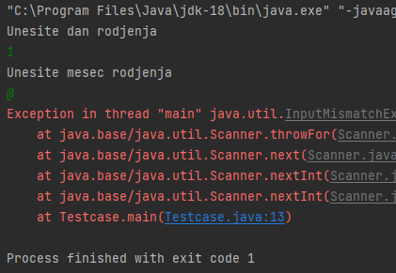 | IntelliJ IDEA Community Edition 2022.1 on Windows 10. | Maja | High | High

