Ethanol 1stGen
Ethanol 1st Gen Characterization
Ethanol CV |  |  |  |  |  |  |  |  |  |  |  |  | from Tait 2014
Ethanol CV | MJ/kg | 29.3
Ethanol Density | kg/m3 | 789 |  | R/GJ | 365 | 465 |  |  | 1b_Letsema SASA ED Presentation 15112013.pdf
Ethanol CV | GJ/m3 | 23.1177 |  | R/l(eth) | 8.4 | 10.7
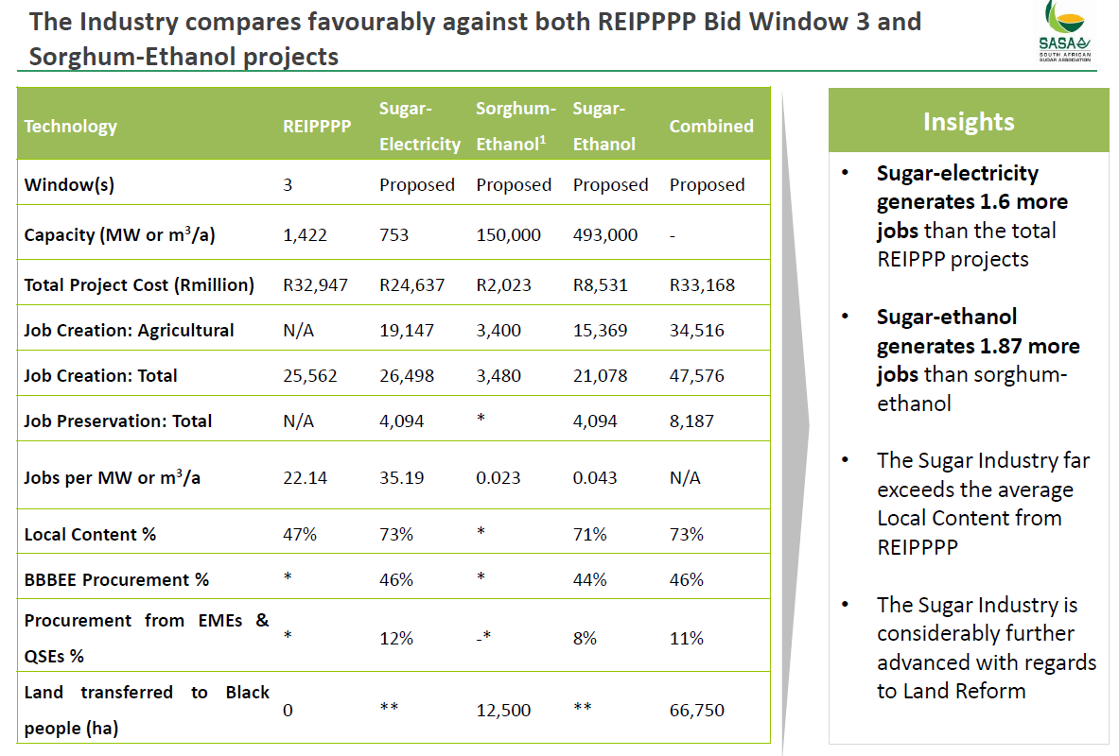
 | MJ/l | 23.1177 |  | R/l(pet) | 12.5 | 15.9 | 34.2
Sugar to Ethanol equivalence |  |  | Source
Sugar to ethanol equivalence ratio | mm3/mton | 0.57608695652 | Tait 2014
Export Sugar 2018 | mtons | 1.04
Ethanol Equivalent | mm3 | 0.60076133696
 | PJ | 0.025987072112

Ethanol Plant |  | Letsema 2015 | Tait 2014
Suggested Ethanol plant capacity | mm3/a | 0.493 | 0.065
Project Cost | 2013mR | 8531 | 743
 | 2018mR | 11090 | 1079
Investment Cost | R/m3/a | 22496 | 16597
 | R/GJ/a | 973.09 | 778.46974484
Expected Labour Costs | 2011mR | 7.62 | Tait 2014
 | 2018mR | 11.064 | 576.66954
 | R/m3/a | 22.443
Other Fixed Costs | % of capex | 5.1 | Tait 2014
 | R/m3/a | 1147
 | R/GJ/a | 49.63
Total Fixed Costs | 2018mR | 576.67
 | R/m3/a | 1169.72
 | R/GJ/a | 50.60
Availability |  | 80% | Tait 2014
Expected Output (Ethanol) | mm3/a | 0.3944
 | PJ | 9.118 |  | 0.75699572189
Expected Equivalent Sugar | mtons | 0.68461886792
Expected Input (Sugar Juice) | PJ | 14.799 | Estimate based on 2018 Energy balance
Expected Input (Electricity) | MWh/m3 | 0.3 | Tait 2014
 | PJ | 0.032866666667
Expected Input (Steam) | tons/m3 | 5.5
 | PJ/mm3 | 14.85
 | PJ | 5.86

Waste Output | PJ | 5.682

Ethanol steam and electricity requirements
Steam | PJ/mton sugar | 8.55
Electricity | MWh/ton sugar | 0.17282608696
 | PJ/mton sugar | 0.62217391304
 | PJ | 1.358716457

A-molasses to ethanol ratio |  | 1.6231372513 |  | syrup | 1.3094033778 | sugar | 1
Steam approach 2 |  | 0.15615489426 |  | heat | 0.1259719385 | c-molasses | 0.175978235 | 7.4407120731
 |  |  |  | syrup:heat | 10.394405241 | filter cake | 0.018197502773 | 71.955113517

 |  |  |  | syrup | 1.6231372513 | ethanol | 1
 |  |  |  | heat | 0.15615489426 | c-molasses | 0.21814273088
 |  |  |  | syrup:heat | 10.394405241 | filter cake | 0.022557635892

 |  |  |  |  |  |  |  |  | Source: Tait 2014
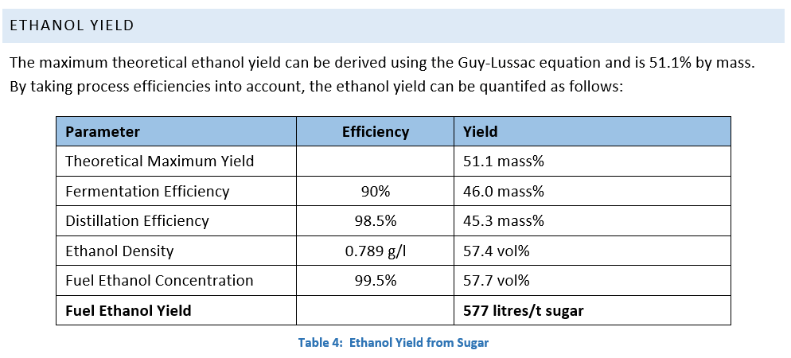

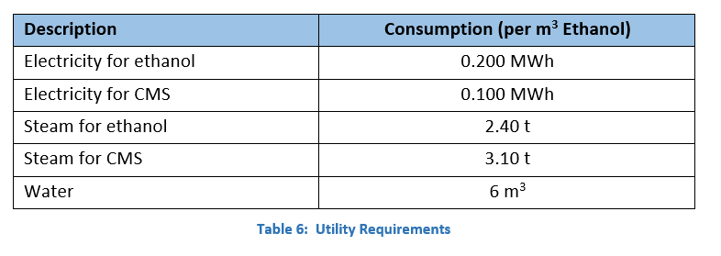

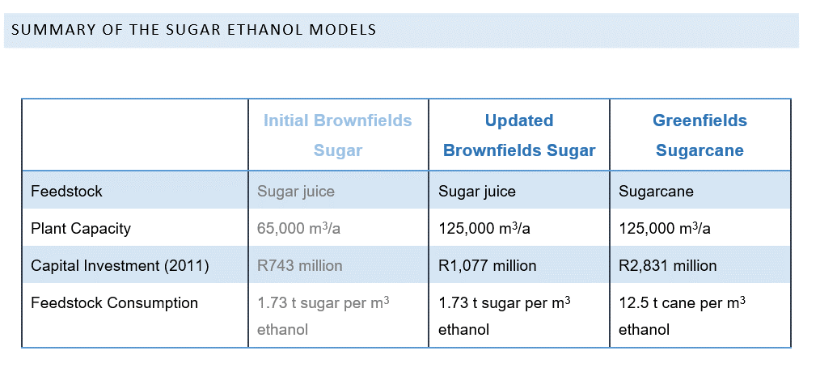

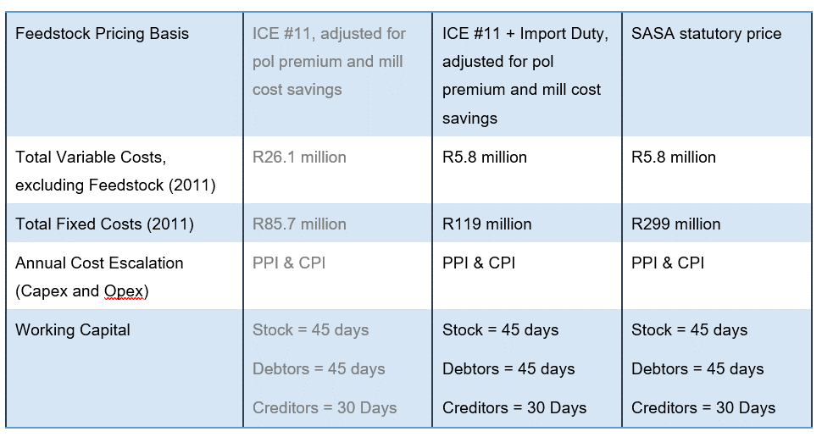

 |  |  |  |  |  |  |  |  | Check | BCS | 3.1 | 24
 |  |  |  |  |  |  |  |  |  |  | 1.94 | 38.350515464
 |  |  |  |  |  |  |  |  |  |  | 0.62580645161

