Bolt margins
MS_ty_npl | Bolt; tension yield, preload ignored
MS_tu_npl | Bolt; tension ultimate, preload ignored
MS_ty_pl | Bolt; tension yield, maximum preload included
MS_tu_pld | Bolt; tension ultimate, maximum preload included
MS_by | Bolt; bending, yield
MS_bu | Bolt; bending, ultimate
MS_su | Bolt; shear ultimate (when bolt is in bearing)
MS_slip | Joint; slip (when relying on friction)
MSins_tu_npl | Nut, insert, or tapped hole; tension ultimate for internal thread stripping, preload ignored
MSins_tu_pl | Nut, insert, or tapped hole; tension ultimate for internal thread stripping, maximum preload included
MSparent_tu | Insert; tension ultimate, pullout from parent material
FIfast_cu_minpld | Bolt; combined tension, bending, & shear, ultimate, min preload; Failure Index, fail if >= 1
FIfast_cu_maxpld | Bolt; combined tension, bending, & shear, ultimate, max preload; Failure Index, fail if >= 1
MSsep | Joint separation (gapping), minimum preload

References
 | About 90% of what's in here for threaded fasteners comes from:
 | JPL FLIGHT FASTENER GUIDE, JPL Rules DocID 66753, Rev. 1
 | There's no date in the document itself. I suppose every now and then we should try to get a new copy from
 | JPL Rules! Information System at http://rules.

 | Most of the margin of safety equations in the JPLFFG in turn are based on a Space Shuttle document:
 | CRITERIA FOR PRELOADED BOLTS, NSTS 08307 REVISION A, Johnson Space Center, July 6, 1998

 | Both of the above documents have margin equations for bolt bending in them, but don't tell you how to
 | compute the load factor (load sharing between bolt and members) for bending. For that I went to this Sandia report:
 | Guideline for Bolted Joint Design and Analysis, SAND2008-0371,
 | Kevin H. Brown, Charles Morrow, Samuel Durbin, and Allen Baca
 | Sandia National Laboratories, Albuquerque, NM 87185, Version 1.0, January 2008
 | This, BTW, describes 3 different approaches for determining the effective clamped area of the joint. One of
 | these is Shigley's cone method, but they also go over the effective cylinder method based on the head
 | diameter, effective joint diameter, hole diameter, and total thickness of clamped members used in FFG.
 | This, it turns out, was derived by Bickford, who can be cited if you're not actually on a JPL project:
 | Bickford, J. H., An Introduction to the Design and Behavior of Bolted Joints, Second Edition
 | Marcel Dekker, NY, 1990
 | hereinafter called Bickford "Intro". Ted Hill has a copy of the 1st edition of this book.
 | The library does have a copy of
 | Handbook of Bolts and Bolted Joints, Bickford & Nassar Ed.
 | henceforth "Bolts Handbook".
 | Tom Deiters keeps that squirrelled away in his office because it's his own book.

 | FEM CBAR diameter and faying surface rigid spider diameter come from the Structural Vibration Modeling
 | and Verification (SVMV) program. The documentation is ITAR controlled, so don't say any more about the
 | source. But it's been confirmed by test as a pretty good way to the right joint stiffness.
 | SVMV_TEFII_Final_All_Charts.ppt, Geoff Philbrick, ITT Industries Space Systems Div, pp 34-35.

 | The spring stiffness calcs for your FE models com from:
 | Critical Joints in Large Composite Aircraft Structure, NASA Contractor Report 3710
 | Langley Research Center, 1983.

 | Shear pin analysis page is derived from:
 | R. Abbott, BEAM IN A SOCKET METHOD, Abbott Aerospace, Inc, Report AA-SM-003, 20/10/2013.
 | Spreadsheet is "AA-SM-003_Beam_in_Socket.xlsx", available from spreadsheets@abbottaerospace.com

 | Discussion of Joint Eff Dia., Dj
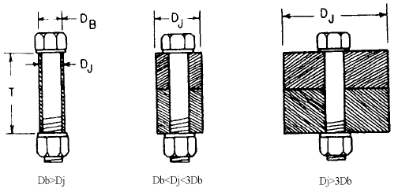
 | The FFG method for computing joint stiffness uses an "equivalent cylinder" approach. This comes from
 | the NSTS 08307 document, and their source for it is the Bickford "Intro" book. The figure at right is from
 | the FFG, but it's identical to Figure 4.9 on Bickford p55. Everything in it is pretty clear except the
 | meaning of "Dj". All Bickford says about it is, it's the "outside diameter of the joint… If the joint has a …
 | rectangular cross section, it's "diameter" is the length of … the shortest side of the rectangle."
 | The "Bolts Handbook" gives a more practical illustration in the figure labeled 'Figure 1". It says,
 | "Generally, a conservative approach for determining the joint diameter is taken by using the smallest
 | characteristic circle for the joint. Figure 1 shows a flange connection and three characteristic circles
 | concentric to the bolt hole. One circle is tangent to the flange inner diameter [D1], the second is tangent
 | to the flange outer diameter [D2], and the third is tangent to a circle of the same diameter around the next
 | nearest bolt hole on the bolt circle [D3]." So, for the geometry shown, you would select "D3" as the proper
 | value for "Dj" because it's the smallest one. You should be able to relate this to other shapes of flanges,
 | bosses, straps, or whatever other geometric features might define the limits of your characteristic circle. | FFG Fig 3.4, p40

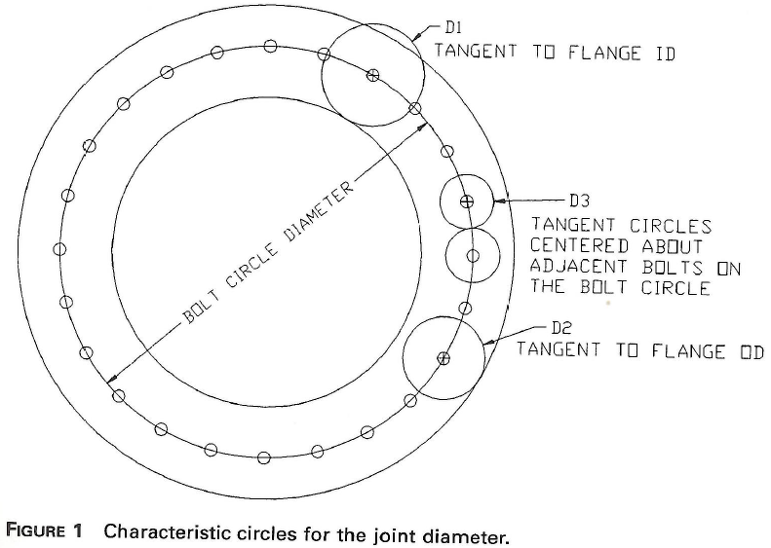

 |  | Bolts Handbook, Bickford & Nassar Ed.
 |  | Ch. 18, VDI Joint Design Procedures, Fig 1, p319

 | Tratio -- Loading plane factor
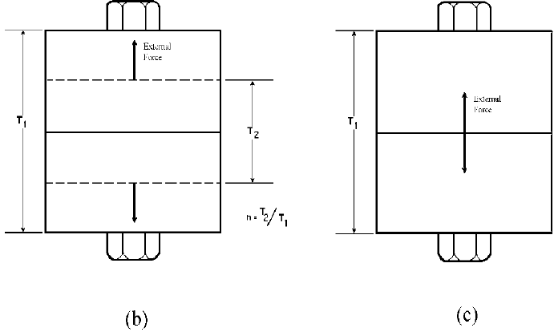
 | FFG Eq. 3.13, p 45, says this factor is the ratio of
 | "Thickness of joint which is unloaded by external load" to "Total thickness of joint"
 | (see figure 3.7(b) at right: Tratio = n = T2 / T1).
 | When it says "unloaded", it means that the external load will relieve the compressive load in the T2 part of
 | the joint, while the T1 regions are further compressed.
 | If the loading plane is the outer surface, so that T2 / T1 = 1, then you have the old joint stiffness and load
 | sharing between bolt and members you were used to before you ever heard of loading planes.
 | You can see that if the loading plane is the interface between the two clamped members, T2 = 0, so
 | T2 / T1 = 0, so Tratio = 0, and none of the external load goes into the bolt! In fact, the external load
 | doesn't even increase the compression in the clamped members! Does that make any sense?
 | Well, do a free-body diagram of each member with bolt clamping applied but no external force. On one
 | face you have the compressive force from the bolt head, P, and on the other, in the opposite direction,
 | you have the reaction force from the other clamped member, Rp. Got that in your mind's eye?
 | Now, apply loads at the interface, as in 3.7(c). OK, for the top plate, you've added the upward/compressive
 | external force, Fe. But, you're pushing the bottom plate away by exactly the same amount, so you've
 | reduced the reaction force from that plate that's acting on the top plate. That force is now (Rp - Fe).
 | So you have P, Fe, and Rp - Fe. Therefore, there is no net change | FFG Fig 3.7 (b) and (c), p43
 | in the force acting on the top plate (or the bottom plate, for the same reason). So there's no change in
 | the total force on the bolt or the plates. This is true right up to the point where the external force exceeds
 | the original preload and you gap the joint. FEA with bolt preload and contact seems to confirm this.
 | Now, the FFG says that case (b) "far better represents what happens in an actual joint", but they don't
 | say one thing about what a good value would be.
 | Bickford "Intro" says "designers can assume that true values [of T2 / T1] lie halfway between the limits"
 | because there are so many inaccuracies in the assumptions that go into these calculations anyway that
 | trying to nail this down any further isn't worth the trouble.
 | Swell.
 | I set the default to T2 / T1 = 1 because that puts the maximum possibleload into the bolt. From the
 | Bickford quote above, you could readily justify setting it to 0.5 if needed to get positive margins in a bolt.
 | If you're working on a piston engine cyclinder head joint (see Bolt Handbook p 327) or something
 | similar, you could correctly set this value to 0.

