3NF
A relation is in third normal form if it is in 2NF and no non key attribute is transitively dependent on the primary key.
A transitive functional dependency is when changing a non-key column, might cause any of the other non-key columns to change
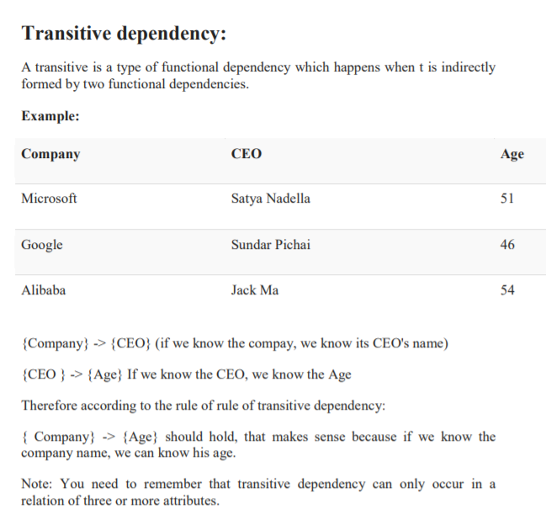

 | A-> B |  | B-> C

 | Compnay | CEO |  | CEO | Age

