Sheet1
Question 2

The tables below shows the regression output, with some numbers erased, when a simple regression model relating a response variable Y to a predictor variable X1 is fitted based on 20 observations. Complete the 7 missing numbers.
 | ANOVA Table
 | Source | Sum of Squares | df | Mean Square | F-test
 | Regression | 1848.76 | 1 | 1848.76 | 69.22
 | Residuals | 480.75 | 18 | 26.71
 | Total | 2329.51 | 19

 | Coefficients Table
 | Variable | Coefficient | s.e. | t-test | p-value
 | Constant | -23.4325 | 12.74 | -1.84 | 0.0824
 | X1 | 1.27 | 0.1528 | 8.32 | <0.0001 | 8.32
 | R^2 | 0.7936 |  |  |  | 0.00

 | n | 20 |  | df | 18

 |  | used Goal-Seek to calculate R^2 |  |  |  |  |  | G | sqrt(S^2/n)=s.e.

Question 3

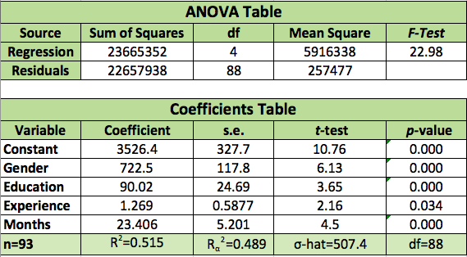
The tables below show the regression output of a multiple regression model relating the beginning salaries in dollars of employees in a given company to the following predictor variables:
 | ANOVA Table
 | Source | Sum of Squares | df | Mean Square | F-test
 | Regression | 23665352 | 4 | 5916338 | 22.98
 | Residuals | 22657938 | 88 | 257456

 | Coefficients Table
 | Variable | Coefficient | s.e. | t-test | p-value
 | Constant | 3526.40 | 327.7 | 10.76 | 0.000 | 1 | 1
 | Gender | 722.50 | 117.8 | 6.13 | 0.000 | 1 | 0
 | Education | 90.02 | 24.69 | 3.65 | 0.000 | 12 | 12
 | Experience | 1.27 | 0.5877 | 2.16 | 0.034 | 10 | 10
 | Months | 23.41 | 5.201 | 4.5 | 0.000 | 15 | 15
 |  |  |  |  | Salary_pred | 5693 | 4970
 | R^2 | 0.515
 | R_adj^2 | 0.489
 | alpha-hat | 507.4
Gender An indicator variable (1=man and 0=woman) | n | 93
Education Years of schooling at the time of hire | k | 5
Experience Number of months of previous work experience | df | 88
Months Number of months with the company

3a. What is the F-statistic for the overall fit of the regression (at a .05 level of significance)?
22.98
3b. We should

the null hypothesis.
3c. Is there a positive linear relationship between Salary and Experience, after accounting for the effect of the variables of Gender, Education, and Months?
Yes

