Sheet4
Seasonality and environmental factors
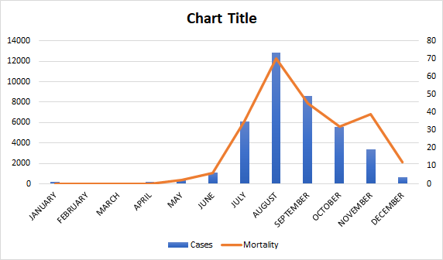
Months | Cases | Mortality | Data Source
JANUARY | 200 | 0 | 9,20,47
FEBRUARY | 100 | 0
MARCH | 100 | 0
APRIL | 180 | 0
MAY | 400 | 2
JUNE | 1130 | 6
JULY | 6080 | 35
AUGUST | 12865 | 70
SEPTEMBER | 8600 | 45
OCTOBER | 5600 | 32
NOVEMBER | 3400 | 39
DECEMBER | 630 | 12

