Defect reports
ID: 1 | Summary: Dish cards show the same salad image for different dishes on the guest Menu page | Env: Test (QA) Browser: All Priority: High Severity: Major
 | Pre-conditions: The Owner has generated and shared a valid pre-order link Reservation status is "Reserved" Guest is not logged in
 | Steps: 1. Open the shared pre-order link . 2. Enter "Anna" in the "Enter Your Name" field. 3. Click "Browse Menu". 4. Check the images on the "Fresh Avocado Toast", "Truffle Mushroom Risotto" and "Margherita Pizza" cards. Actual result: All 3 cards show the same strawberry salad image. Expected result: Each card shows the image of its own dish.
Attachments:
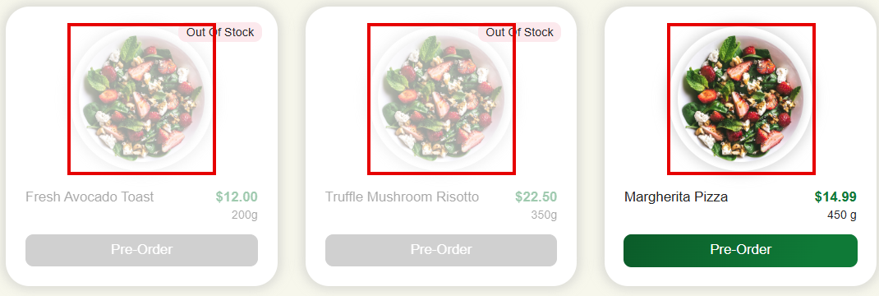
ID: 2 | Summary: Header shows "Main page", "Book a Table", "Reservations" links and the profile icon on the Menu page for an unregistered Guest | Env: Test (QA) Browser: All Priority: Medium Severity: Major
 | Pre-conditions: The Owner has generated and shared a valid pre-order link Reservation status is "Reserved" Guest is not logged in
 | Steps: 1. Open the shared pre-order link . 2. Enter "Anna" in the "Enter Your Name" field. 3. Click "Browse Menu". 4. Check the header. Actual result: Header shows the logo, "Main page", "Book a Table", "Reservations" links and the profile icon. Expected result: Header shows only the logo and the cart icon (per design).
Attachments:

ID: 3 | Summary: Reservation info strip does not show the reservation date on the guest Menu page | Env: Test (QA) Browser: Any Priority: Medium Severity: Minor
 | Pre-conditions: The Owner has generated and shared a valid pre-order link Reservation status is "Reserved" Guest is not logged in Reservation is for desired location, e.g.: 48 Rustaveli Avenue, Table 1, 15:30 - 17:00
 | Steps: 1. Open the shared pre-order link . 2. Enter "Anna" in the "Enter Your Name" field. 3. Click "Browse Menu". 4. Check the text in the green reservation info strip. Actual result: Strip shows "You are making a pre-order for the reservation 48 Rustaveli Avenue, Table 1, 15:30 - 17:00". Expected result: Strip shows the address, table, date and time (per design: "You are making a pre-order for the reservation 48 Rustaveli Avenue, Table 1, Oct 17, 2026, 12:00 - 13:30").
Attachments:

ID: 4 | Summary: Category tabs on the guest Menu page do not match the design: extra "All dishes" tab, no "Desserts" tab | Env: Test (QA) Browser: Any Priority: Medium Severity: Minor
 | Pre-conditions: The Owner has generated and shared a valid pre-order link Reservation status is "Reserved" Guest is not logged in Menu has dishes in the Appetizers, Main Courses and Desserts categories
 | Steps: 1. Open the shared pre-order link . 2. Enter "Anna" in the "Enter Your Name" field. 3. Click "Browse Menu". 4. Check the category tabs. Actual result: CASE 1: "All dishes" tab is shown and selected by default. CASE 2: "Desserts" tab is not shown. Expected result: CASE 1: There is no "All dishes" tab; "Appetizers" tab is selected by default (per design). CASE 2: "Desserts" tab is shown after "Main Courses" (per design).
Attachments:

ID: 5 | Summary: "Sort by" dropdown on the guest Menu page shows "Recommended" instead of "Popular First" by default | Env: Test (QA) Browser: Any Priority: Low Severity: Minor
 | Pre-conditions: The Owner has generated and shared a valid pre-order link Reservation status is "Reserved" Guest is not logged in
 | Steps: 1. Open the shared pre-order link . 2. Enter "Anna" in the "Enter Your Name" field. 3. Click "Browse Menu". 4. Check the value of the "Sort by" dropdown. Actual result: "Recommended" is selected. Expected result: "Popular First" is selected (per design).
Attachments:

ID: 6 | Summary: Cart icon is shown in the reservation info strip instead of the header on the guest Menu page | Env: Test (QA) Browser: Any Priority: Low Severity: Minor
 | Pre-conditions: The Owner has generated and shared a valid pre-order link Reservation status is "Reserved" Guest is not logged in
 | Steps: 1. Open the shared pre-order link . 2. Enter "Anna" in the "Enter Your Name" field. 3. Click "Browse Menu". 4. Check where the cart icon is shown. Actual result: Cart icon is shown at the right end of the green reservation info strip. Expected result: Cart icon is shown in the top right corner of the header (per design).
Attachments:

ID: 7 | Summary: Unavailable dish cards show "Out Of Stock" label instead of "Sold Out" on the guest Menu page | Env: Test (QA) Browser: Any Priority: Low Severity: Trivial
 | Pre-conditions: The Owner has generated and shared a valid pre-order link Reservation status is "Reserved" Guest is not logged in Dishes "Fresh Avocado Toast" and "Truffle Mushroom Risotto" have status "On Stop"
 | Steps: 1. Open the shared pre-order link . 2. Enter "Anna" in the "Enter Your Name" field. 3. Click "Browse Menu". 4. Check the label on the "Fresh Avocado Toast" and "Truffle Mushroom Risotto" cards. Actual result: Label "Out Of Stock" is shown. Expected result: Label "Sold Out" is shown (per design).
Attachments:
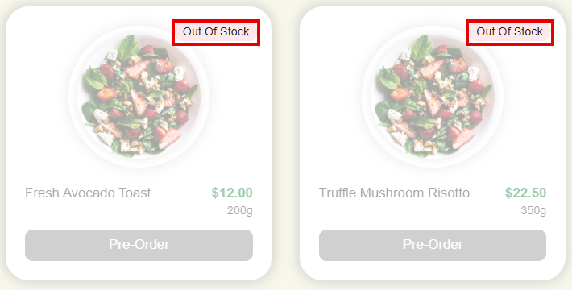
ID: 8 | Summary: Serving size on dish cards has inconsistent format ("200g" vs "450 g") on the guest Menu page | Env: Test (QA) Browser: Any Priority: Low Severity: Trivial
 | Pre-conditions: The Owner has generated and shared a valid pre-order link Reservation status is "Reserved" Guest is not logged in
 | Steps: 1. Open the shared pre-order link . 2. Enter "Anna" in the "Enter Your Name" field. 3. Click "Browse Menu". 4. Check the serving size on the "Fresh Avocado Toast", "Truffle Mushroom Risotto" and "Margherita Pizza" cards. Actual result: Serving size is shown as "200g", "350g" and "450 g". Expected result: Serving size is shown with a space before "g": "200 g", "350 g", "450 g" (per design).
Attachments:

ID: 9 | Summary: Heading section on the guest Menu page shows a background image that differs from the design | Env: Test (QA) Browser: Any Priority: Low Severity: Trivial
 | Pre-conditions: The Owner has generated and shared a valid pre-order link Reservation status is "Reserved" Guest is not logged in
 | Steps: 1. Open the shared pre-order link . 2. Enter "Anna" in the "Enter Your Name" field. 3. Click "Browse Menu". 4. Check the background image of the "Green & Tasty Restaurants / Menu" heading section. Actual result: Background image shows a salad with avocado, tomatoes and peppers. Expected result: Background image shows figs, citrus and walnuts on a light-green background (per design).
Attachments:

