Sheet1
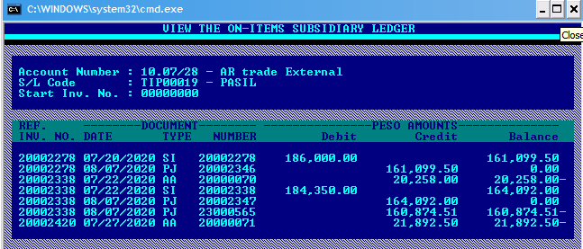

please delete PJ/20002347 = 164,092.00 in the Designex (pls see above pic, red line)
transaction number no longer exist in the AR system.
SI#20002338 was closed through PJ/23000565 amounting 160,874.51

