PJ 20002347
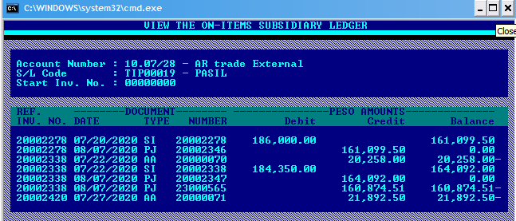

please delete PJ/20002347 = 164,092.00 in the Designex (pls see above pic, red line)
transaction number no longer exist in the AR system.
SI#20002338 was closed through PJ/23000565 amounting 160,874.51

PJ 20003159
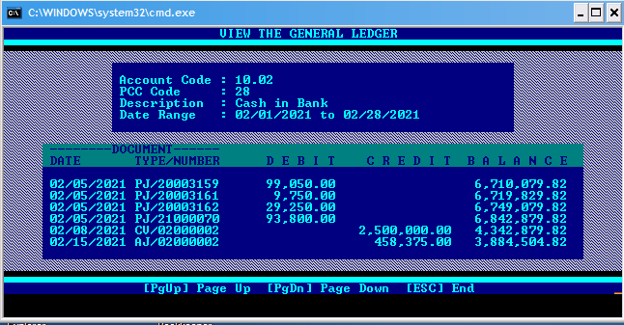
 |  | adjustment | final amount
SI#21000121 | 21,700.00 | 5,250.00 | 16,450.00
SI#21000165 | 28,700.00 | - | 28,700.00
SI#21000197 | 48,650.00 | - | 48,650.00
 | 99,050.00 |  | 93,800.00

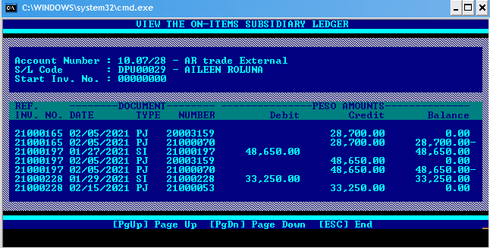
PJ/20003159 | 99,050.00
PJ/21000070 | 93,800.00

please delete PJ/20003159 = 99,050.00 in the Designex (pls see attached pic, red line)
transaction number no longer exist in the AR system.
SI#21000121/21000165/21000197 was closed through PJ/21000070 amounting 93.800.00

