PCC_Euclidean_Box
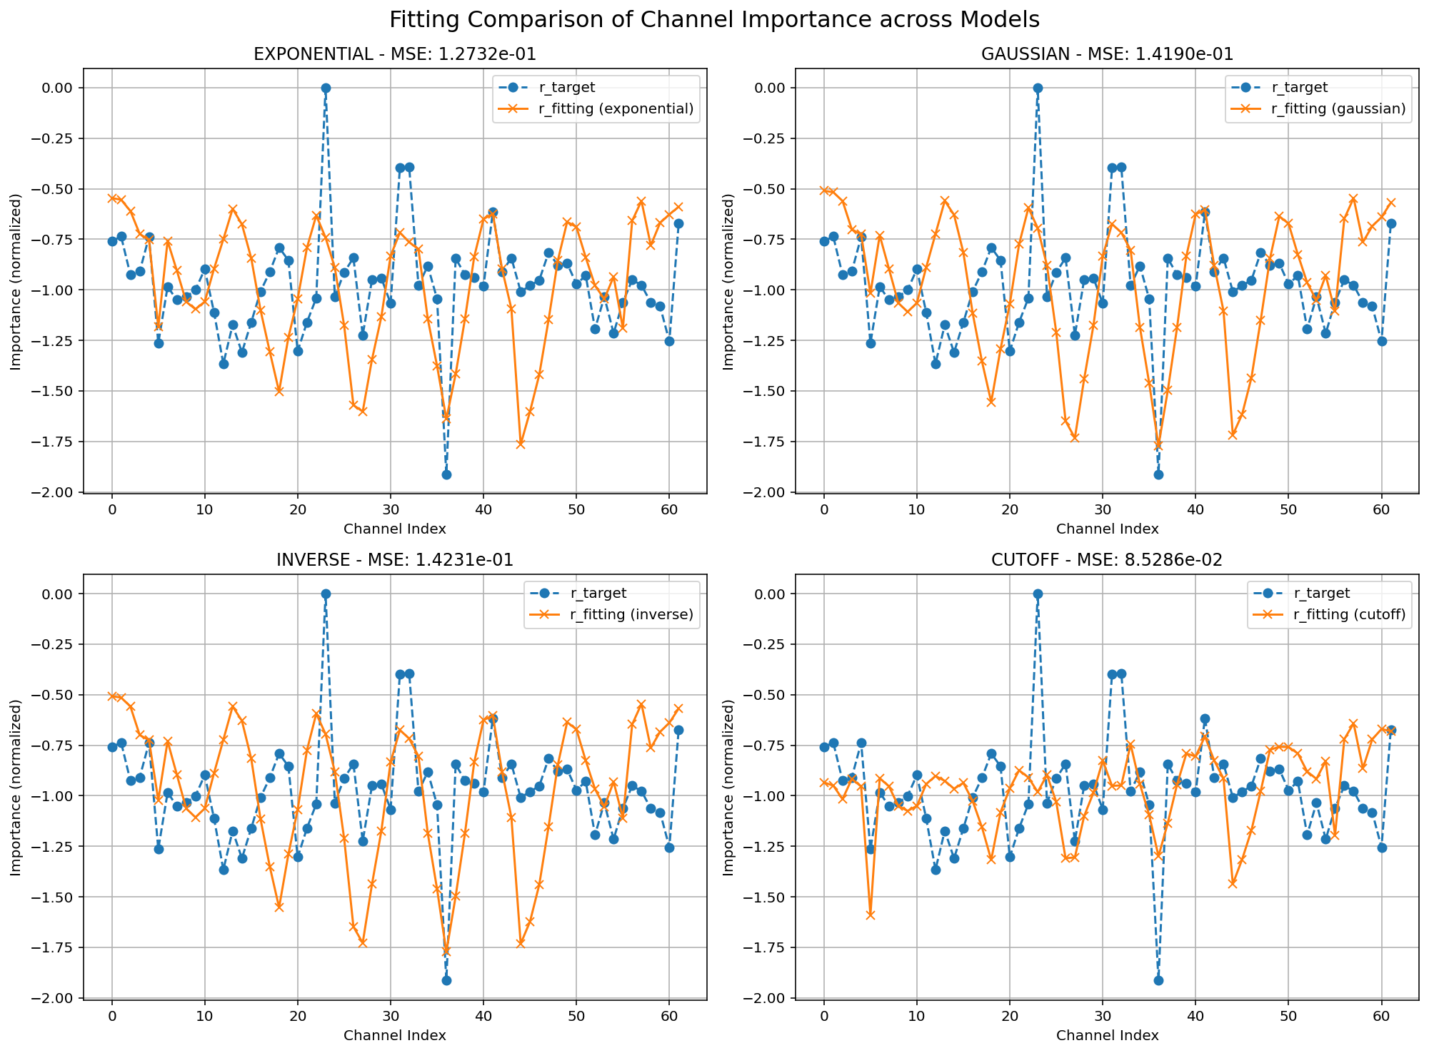
Fitting Method | EXPONENTIAL | GAUSSIAN | INVERSE | CUTOFF
Best Params | 1.9898246514 | 1.9999999998 | sigma-2.0, alpha-2.0 | threshold-3.0, factor-0.5
Minimum MSE | 0.127317 | 0.1419 | 0.142314 | 0.085286

PCC_Stereo_Box
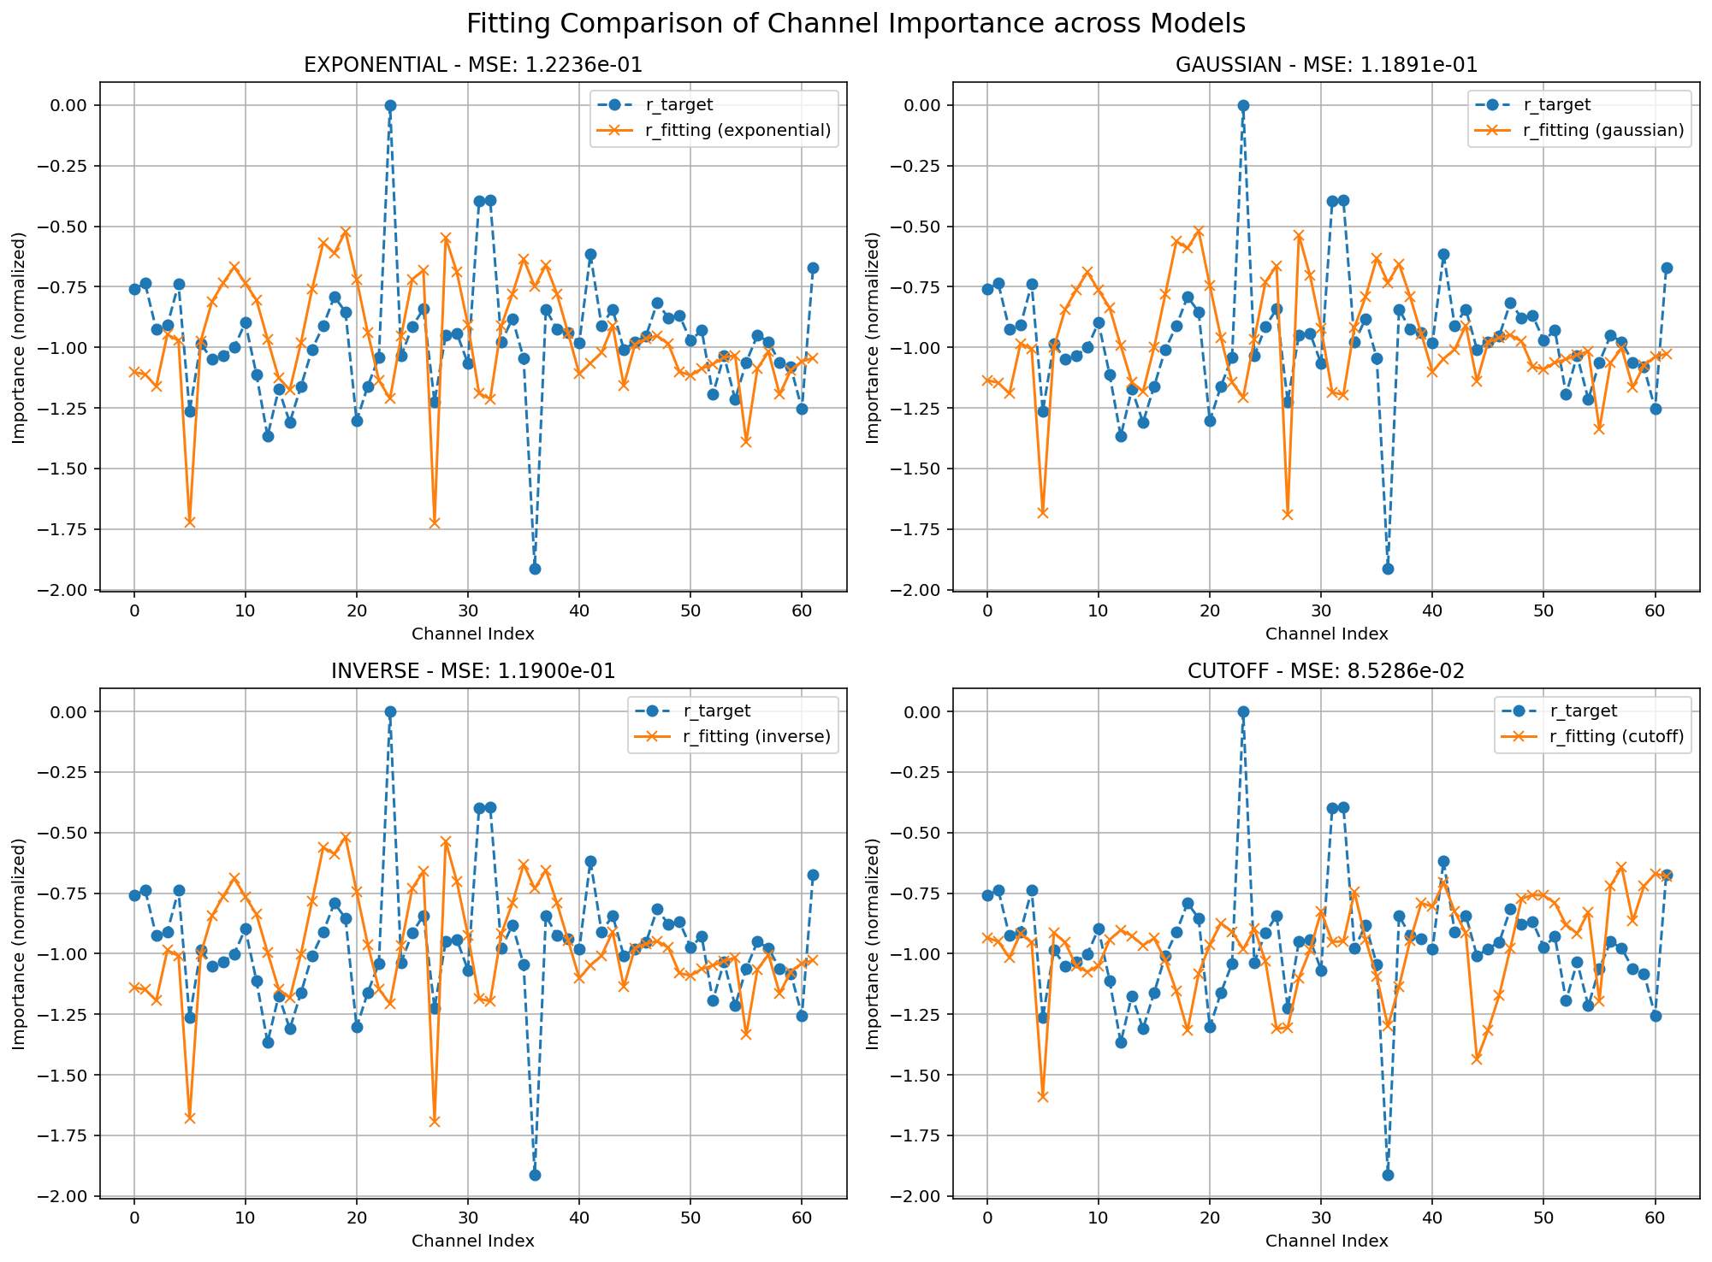
Fitting Method | EXPONENTIAL | GAUSSIAN | INVERSE | CUTOFF
Best Params | 2.2379783503 | 2.0000004617 | sigama-1.96, alpha-2.15 | threshold-3.0, factor-0.5
Minimum MSE | 0.122357 | 0.118912 | 0.118997 | 0.085286

PLV_Euclidean_Box
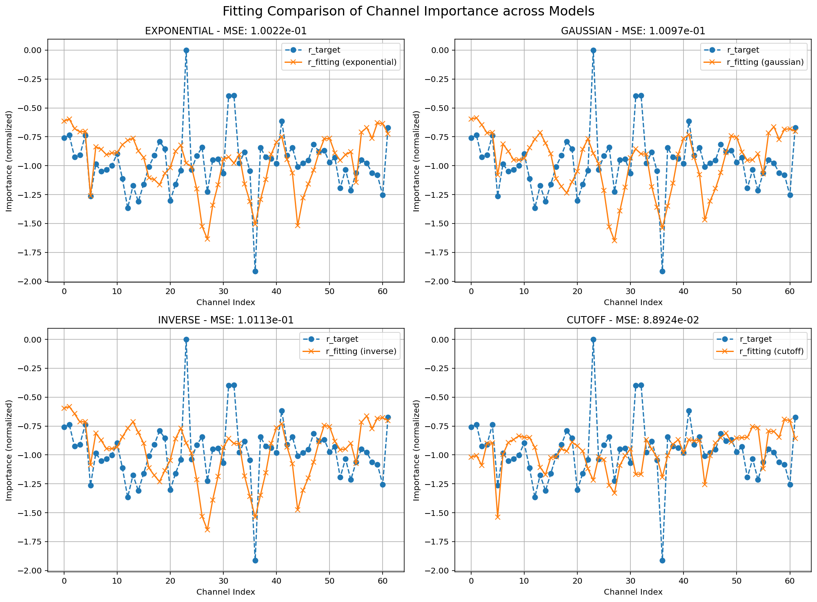
Fitting Method | EXPONENTIAL | GAUSSIAN | INVERSE | CUTOFF
Best Params | 2.2379783503 | 2.0000004617 | sigma-2.0, alpha-2.0 | threshold-3.0, factor-0.5
Minimum MSE | 0.122357 | 0.118912 | 0.101134 | 0.088924

PLV_Stereo_Box
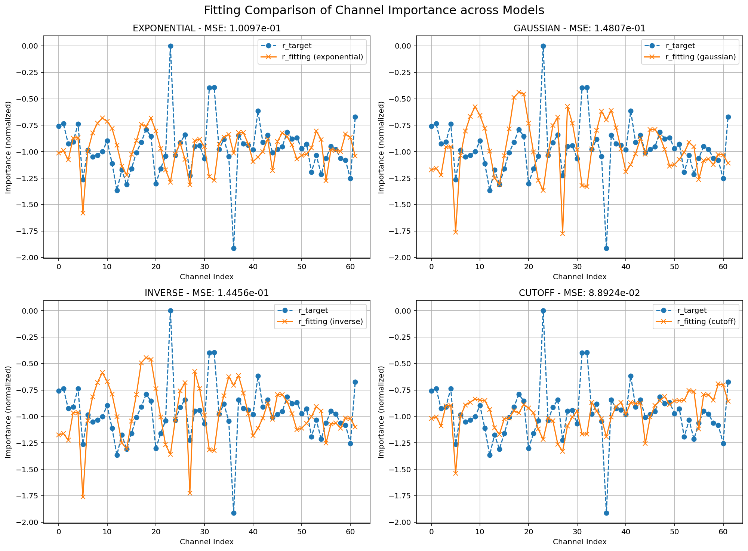
Fitting Method | EXPONENTIAL | GAUSSIAN | INVERSE | CUTOFF
Best Params | 0.1 | 1.9971651517 | sigma-1.83, alpha-2.44 | threshold-3.0, factor-0.5
Minimum MSE | 0.100974 | 0.148069 | 0.144558 | 0.088924

