channel_weights_topo_scat
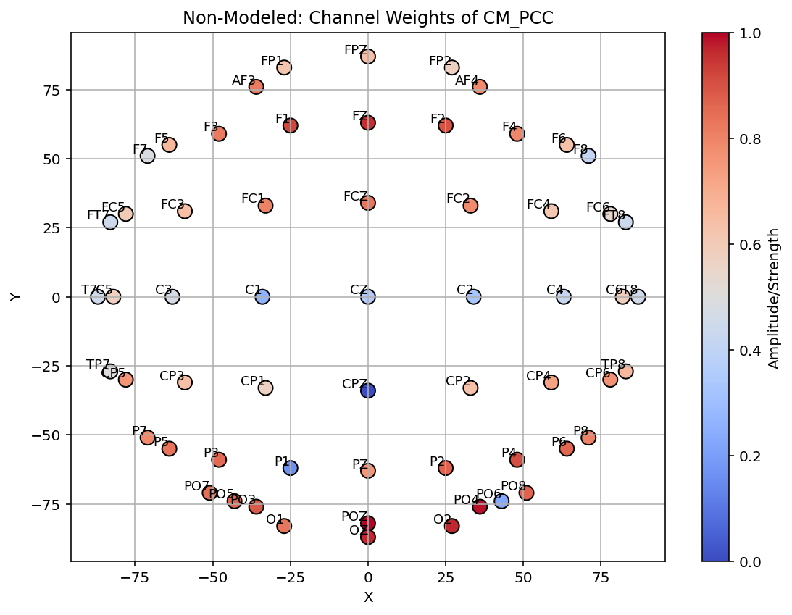
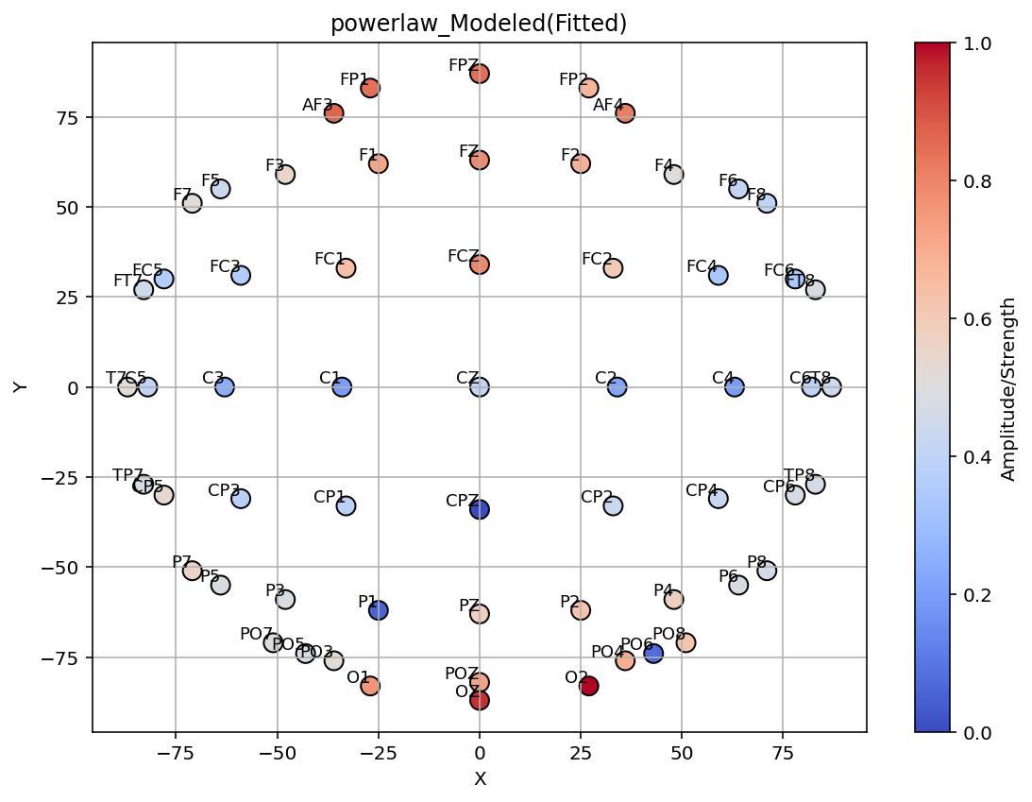
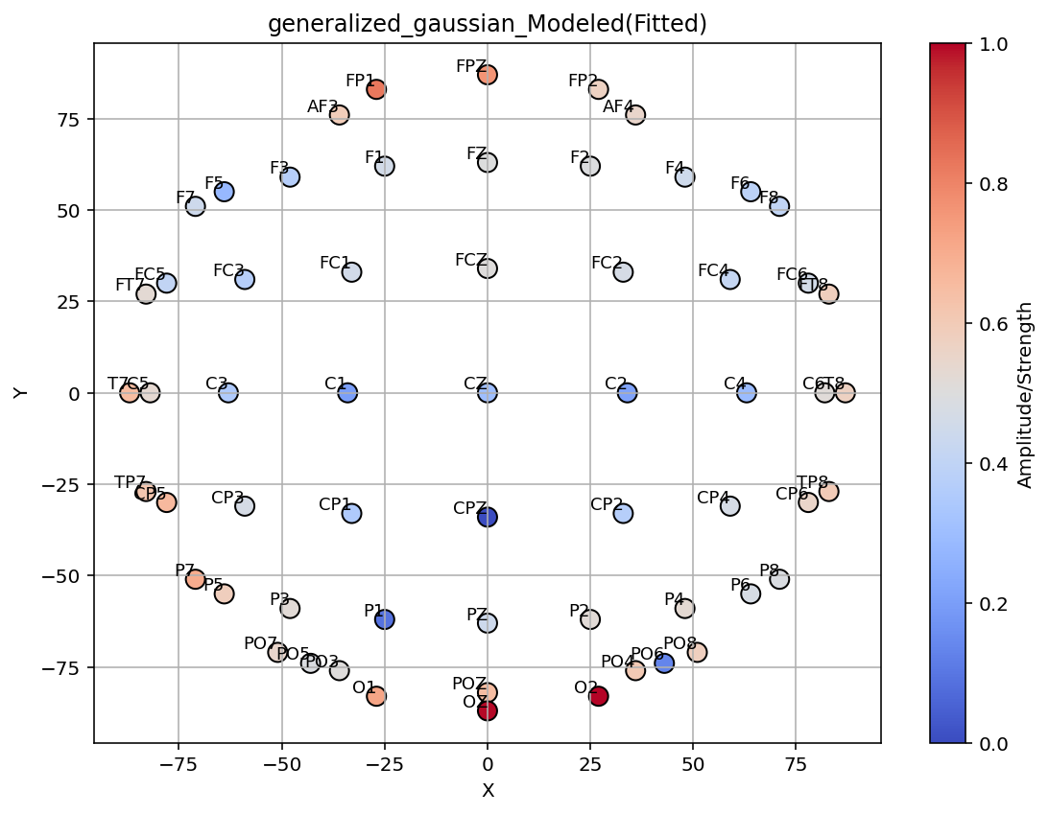
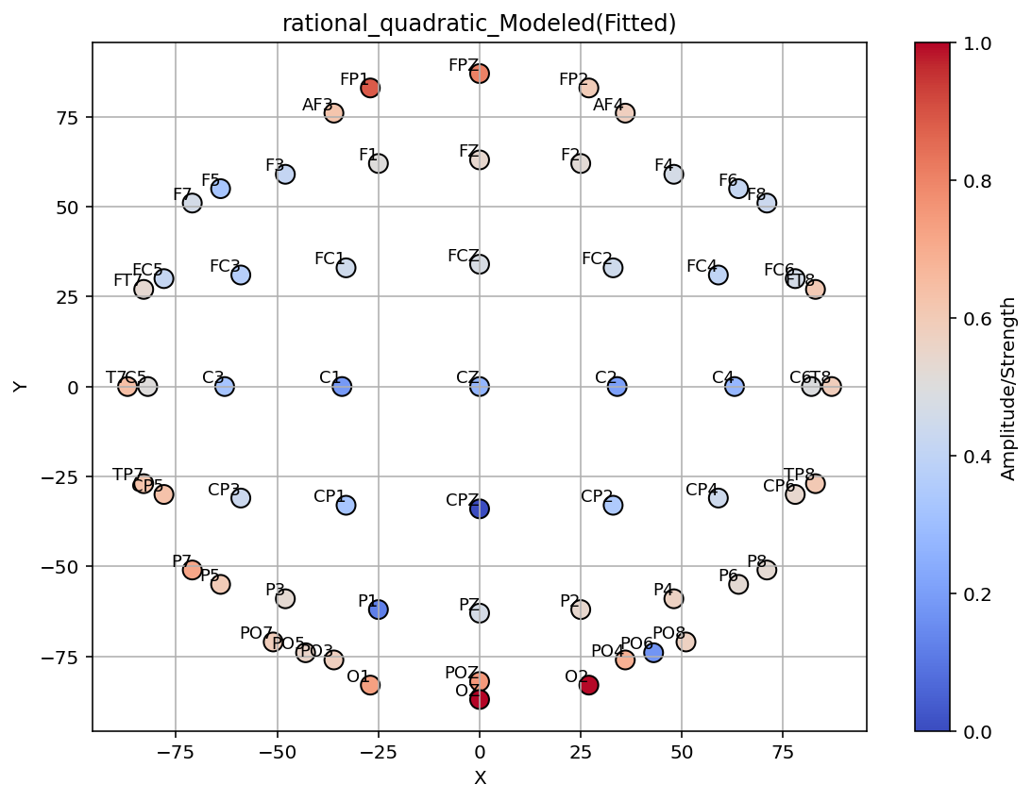
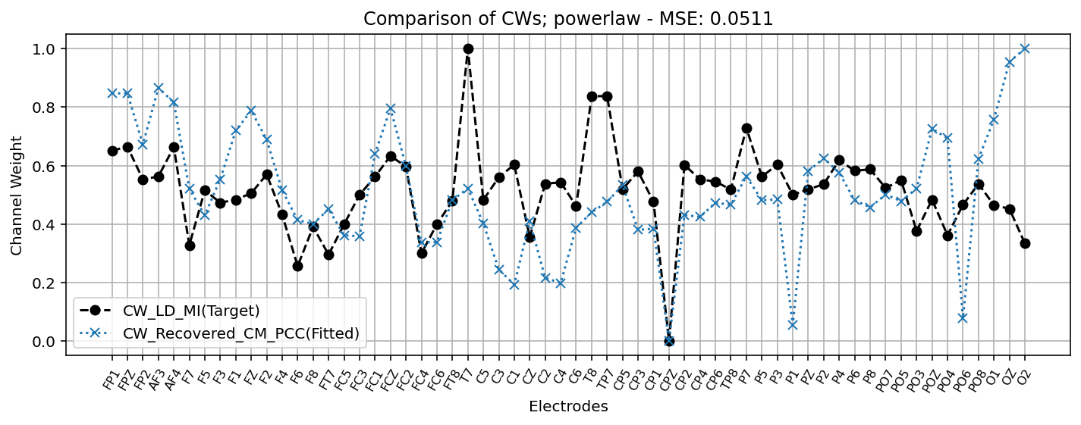
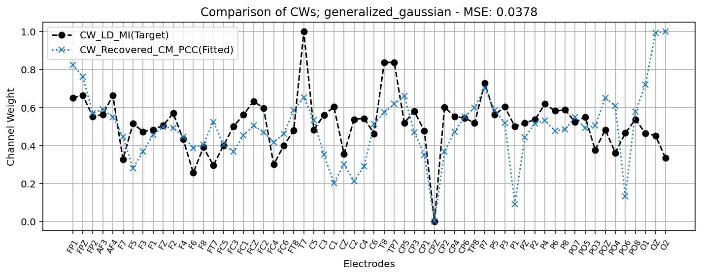
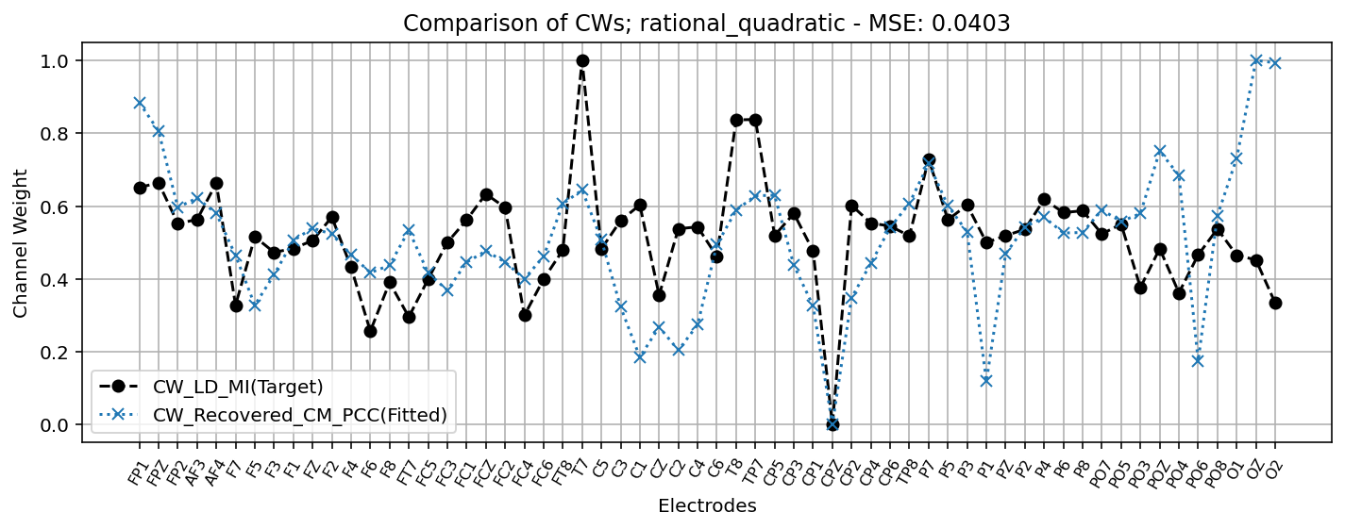
Model | Loss | Param_RCM |  | Param_Model |  |  | Model | Loss | Param_RCM |  | Param_Model |  |  | Model | Loss | Param_RCM |  | Param_Model |  |  | Model | Loss | Param_RCM |  | Param_Model |  |  |  | Model | Loss | Param_RCM |  | Param_Model
 |  | scale_a | scale_b | deviation | offset | sigma |  |  | scale_a | scale_b | deviation | offset | sigma |  |  | scale_a | scale_b | deviation | offset | sigma |  |  | scale_a | scale_b | deviation | offset | sigma |  |  |  | scale_a | scale_b | deviation | offset | beta | mu
target-LDMI | - | - | - | - | - | - | exponential | 0.05327 | 0.1966 | 1.3358 | 0.7671 | -0.9998 | 19.1878 | gaussian | 0.0412 | -0.0784 | 1.1928 | -0.47 | -0.9943 | 19.784 | inverse | 0.03784 | 0.6168 | 0.7072 | 0.0074 | -0.4949 | 8.9272 |  | sigmpoid | 0.03774 | 0.5748 | 1.105 | 0.118 | -0.0646 | 0.1886 | 3.5261
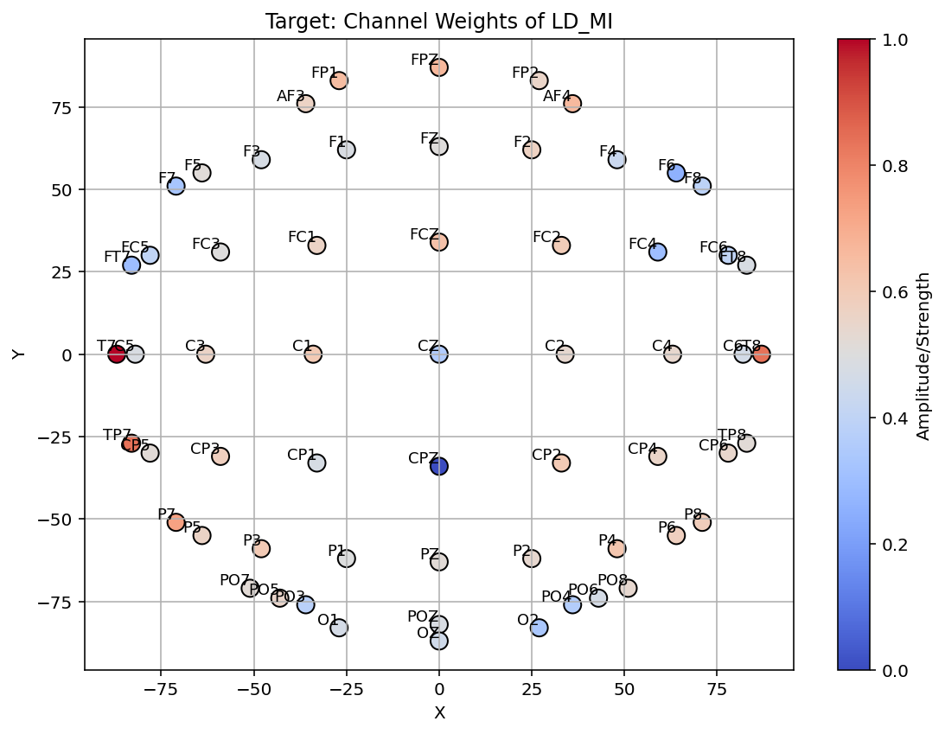

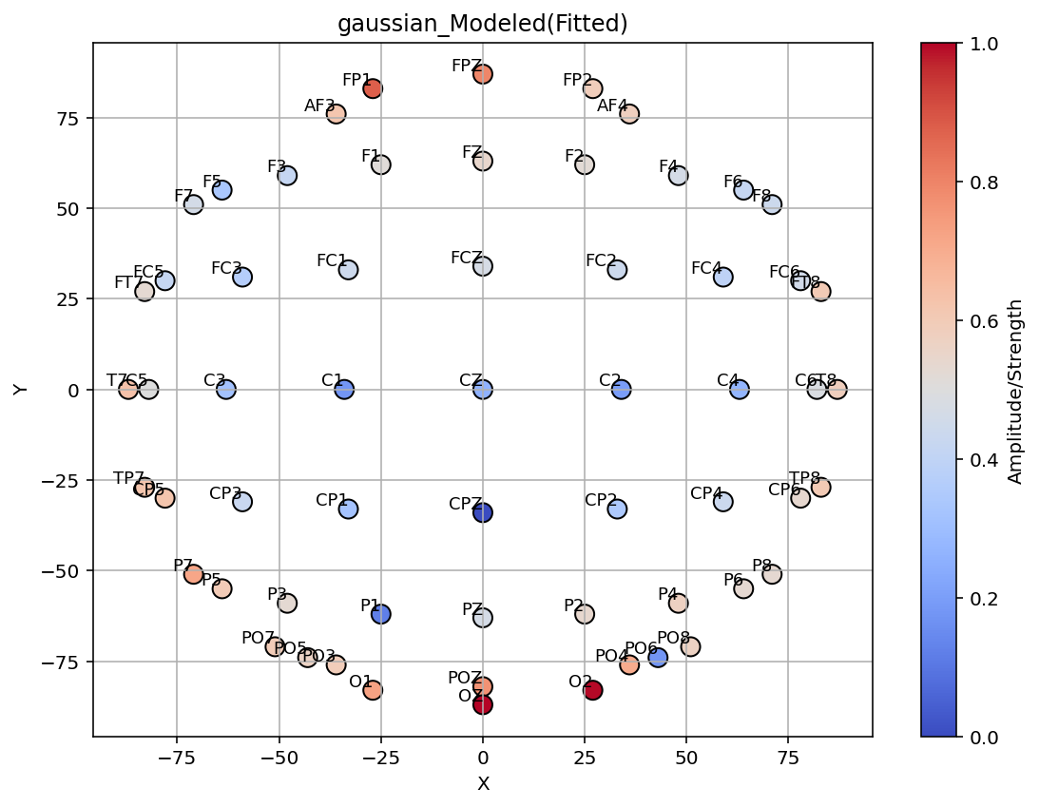
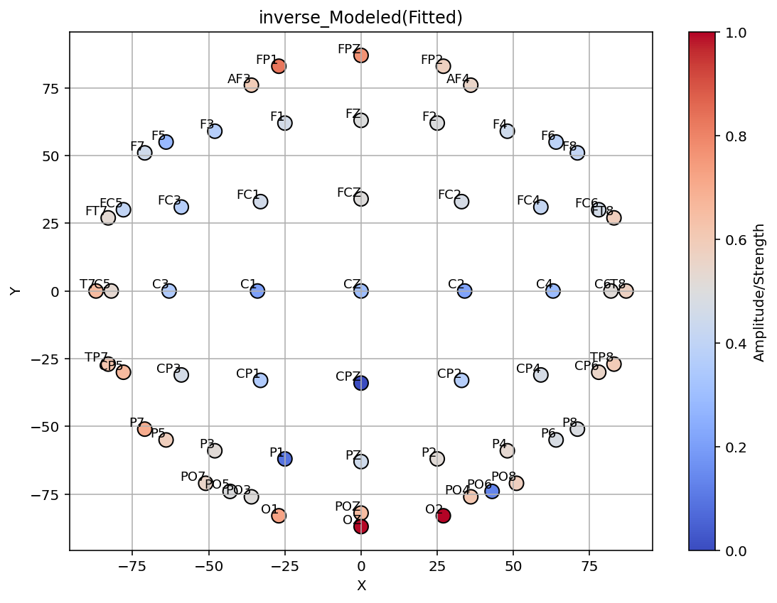


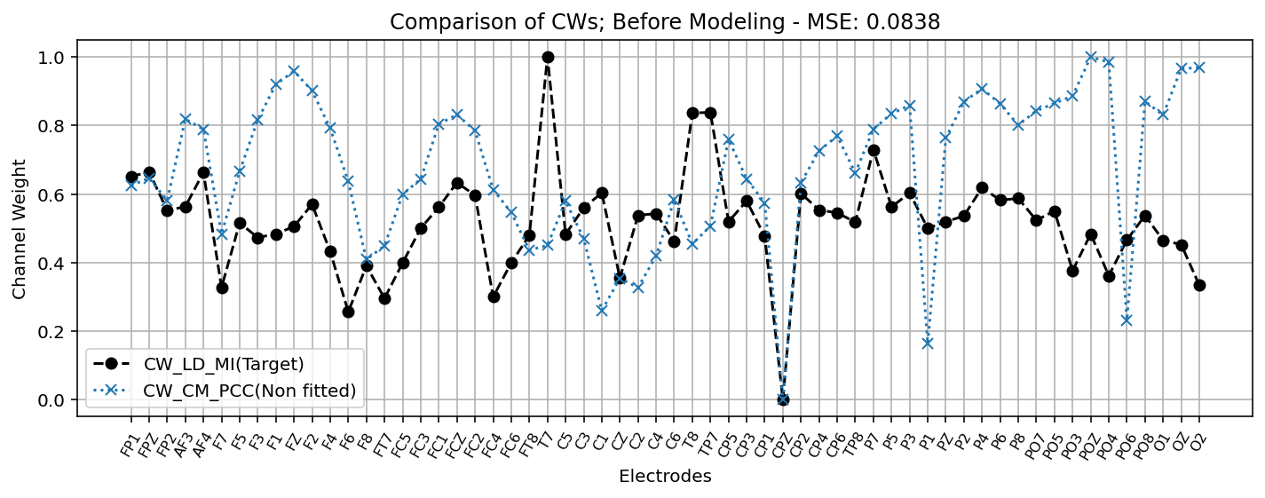
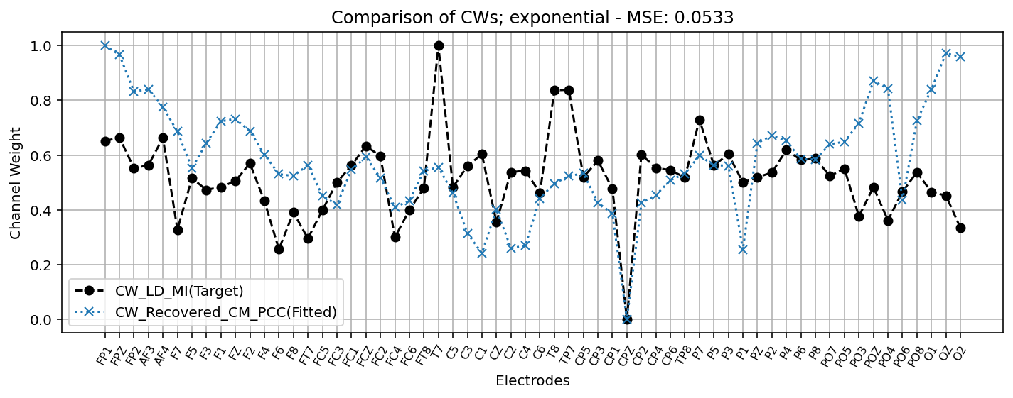
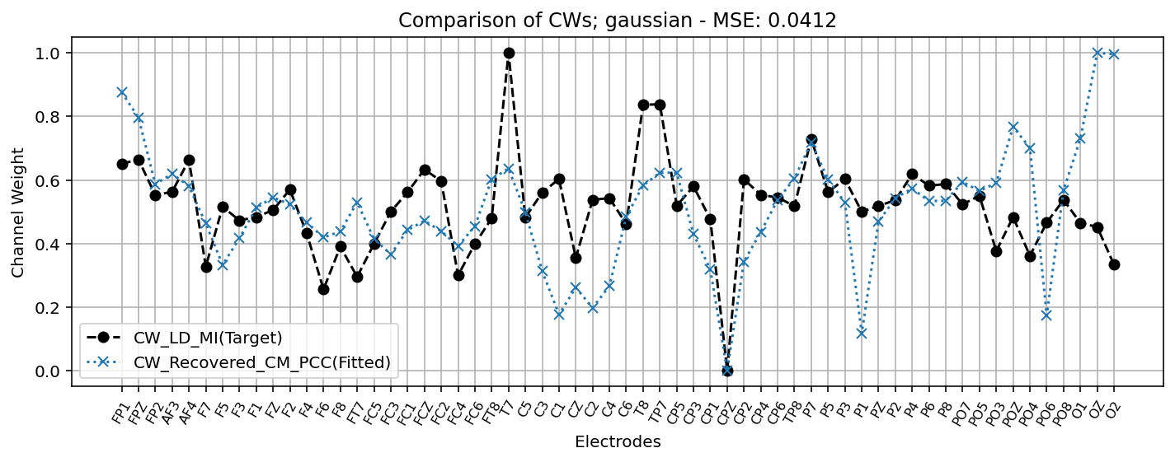
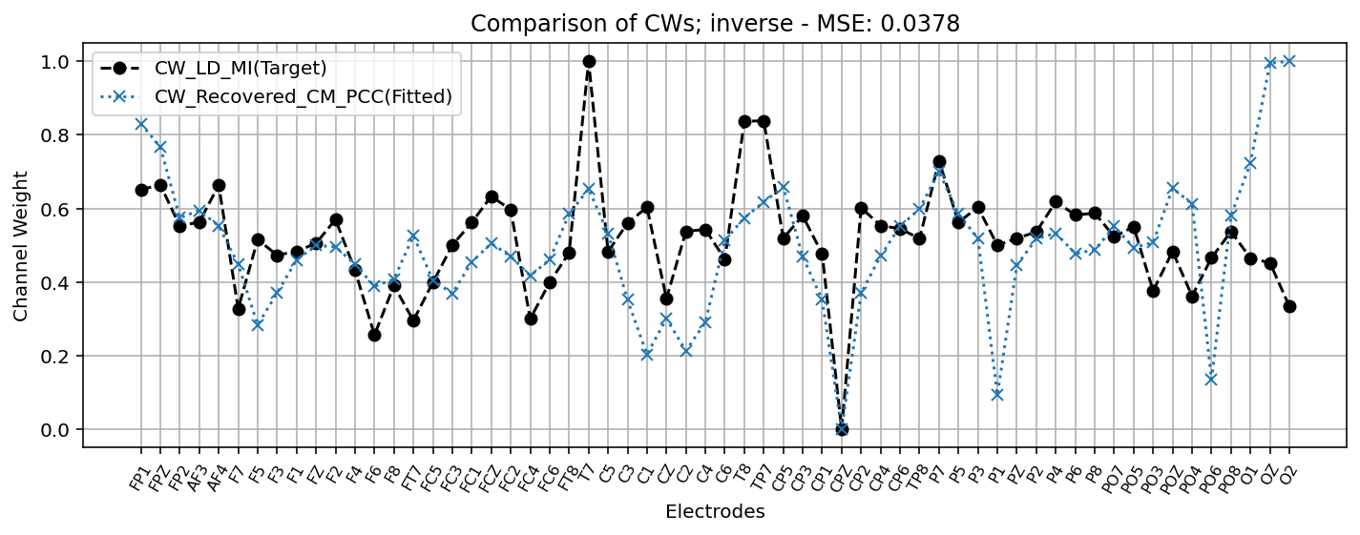
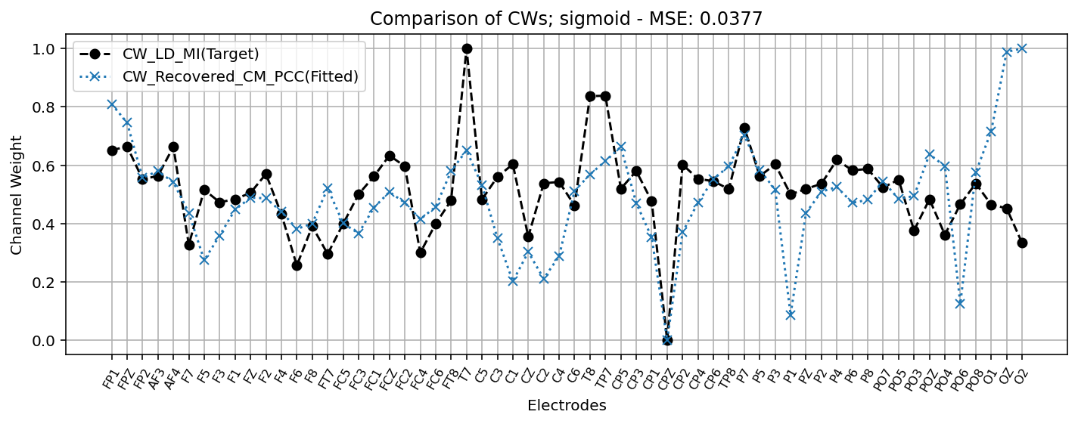

Model | Loss | Param_RCM |  | Param_Model |  |  | Model | Loss | Param_RCM |  | Param_Model |  |  | Model | Loss | Param_RCM |  | Param_Model |  |  | Model | Loss | Param_RCM |  | Param_Model
 |  | scale_a | scale_b | deviation | offset | sigma |  |  | scale_a | scale_b | deviation | offset | alpha |  |  | scale_a | scale_b | deviation | offset | sigma |  |  | scale_a | scale_b | deviation | offset | sigma | alpha
non_modeld | - | - | - | - | - | - | power_law | 0.05107 | 0.935 | 1.8042 | 0.0006 | 0.9989 | 1.3257 | generalized_gaussian | 0.03783 | 0.2395 | 0.8652 | 0.0105 | -0.6497 | 8.2843 | rational_quadratic | 0.0403 | 0.1973 | 0.5971 | -0.4639 | -0.9831 | 19.9514 | 7.1293

channel_weights_heatmap
