basic_comparison
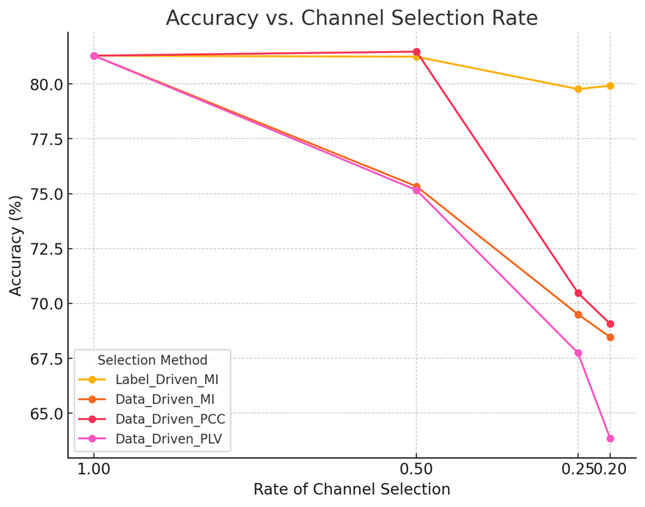
Accuracy | Rate_Channel_Selection
Slection_Method | 1 | 0.5 | 0.25 | 0.2
Label_Driven_MI | 81.28577621 | 81.23708106 | 79.76336012 | 79.92137764
Data_Driven_MI | 81.28577621 | 75.32968663 | 69.50397495 | 68.46430621
Data_Driven_PCC | 81.28577621 | 81.46805384 | 70.48138248 | 69.0668316
Data_Driven_PLV | 81.28577621 | 75.15932952 | 67.74383477 | 63.8484589

F1-Score | Rate_Channel_Selection
Slection_Method | 1 | 0.5 | 0.25 | 0.2
Label_Driven_MI | 79.10184501 | 79.20277567 | 77.55152381 | 77.73141555
Data_Driven_MI | 79.10184501 | 72.55175317 | 66.3013095 | 65.34145328
Data_Driven_PCC | 79.10184501 | 79.37025233 | 67.86192559 | 66.40217714
Data_Driven_PLV | 79.10184501 | 72.42658605 | 64.62363101 | 60.20782178

comparison
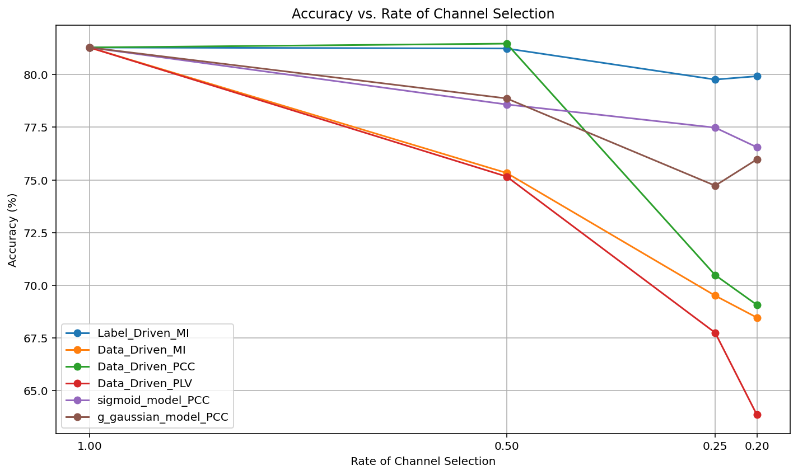
Accuracy | Rate_Channel_Selection
Slection_Method | 1 | 0.5 | 0.25 | 0.2
Label_Driven_MI | 81.28577621 | 81.23708106 | 79.76336012 | 79.92137764
Data_Driven_MI | 81.28577621 | 75.32968663 | 69.50397495 | 68.46430621
Data_Driven_PCC | 81.28577621 | 81.46805384 | 70.48138248 | 69.0668316
Data_Driven_PLV | 81.28577621 | 75.15932952 | 67.74383477 | 63.8484589
sigmoid_model | 81.28577621 | 78.5806567 | 77.480649102 | 76.551202384
g_gaussian_model | 81.28577621 | 78.867685322 | 74.725575289 | 75.974053985

F1-Score | Rate_Channel_Selection
Slection_Method | 1 | 0.5 | 0.25 | 0.2
Label_Driven_MI | 79.10184501 | 79.20277567 | 77.55152381 | 77.73141555
Data_Driven_MI | 79.10184501 | 72.55175317 | 66.3013095 | 65.34145328
Data_Driven_PCC | 79.10184501 | 79.37025233 | 67.86192559 | 66.40217714
Data_Driven_PLV | 79.10184501 | 72.42658605 | 64.62363101 | 60.20782178
sigmoid_model | 79.10184501 | 75.75465868 | 74.761419842 | 73.819848487
g_gaussian_model | 79.10184501 | 76.092209603 | 71.498568181 | 73.045608952

